Findings and report
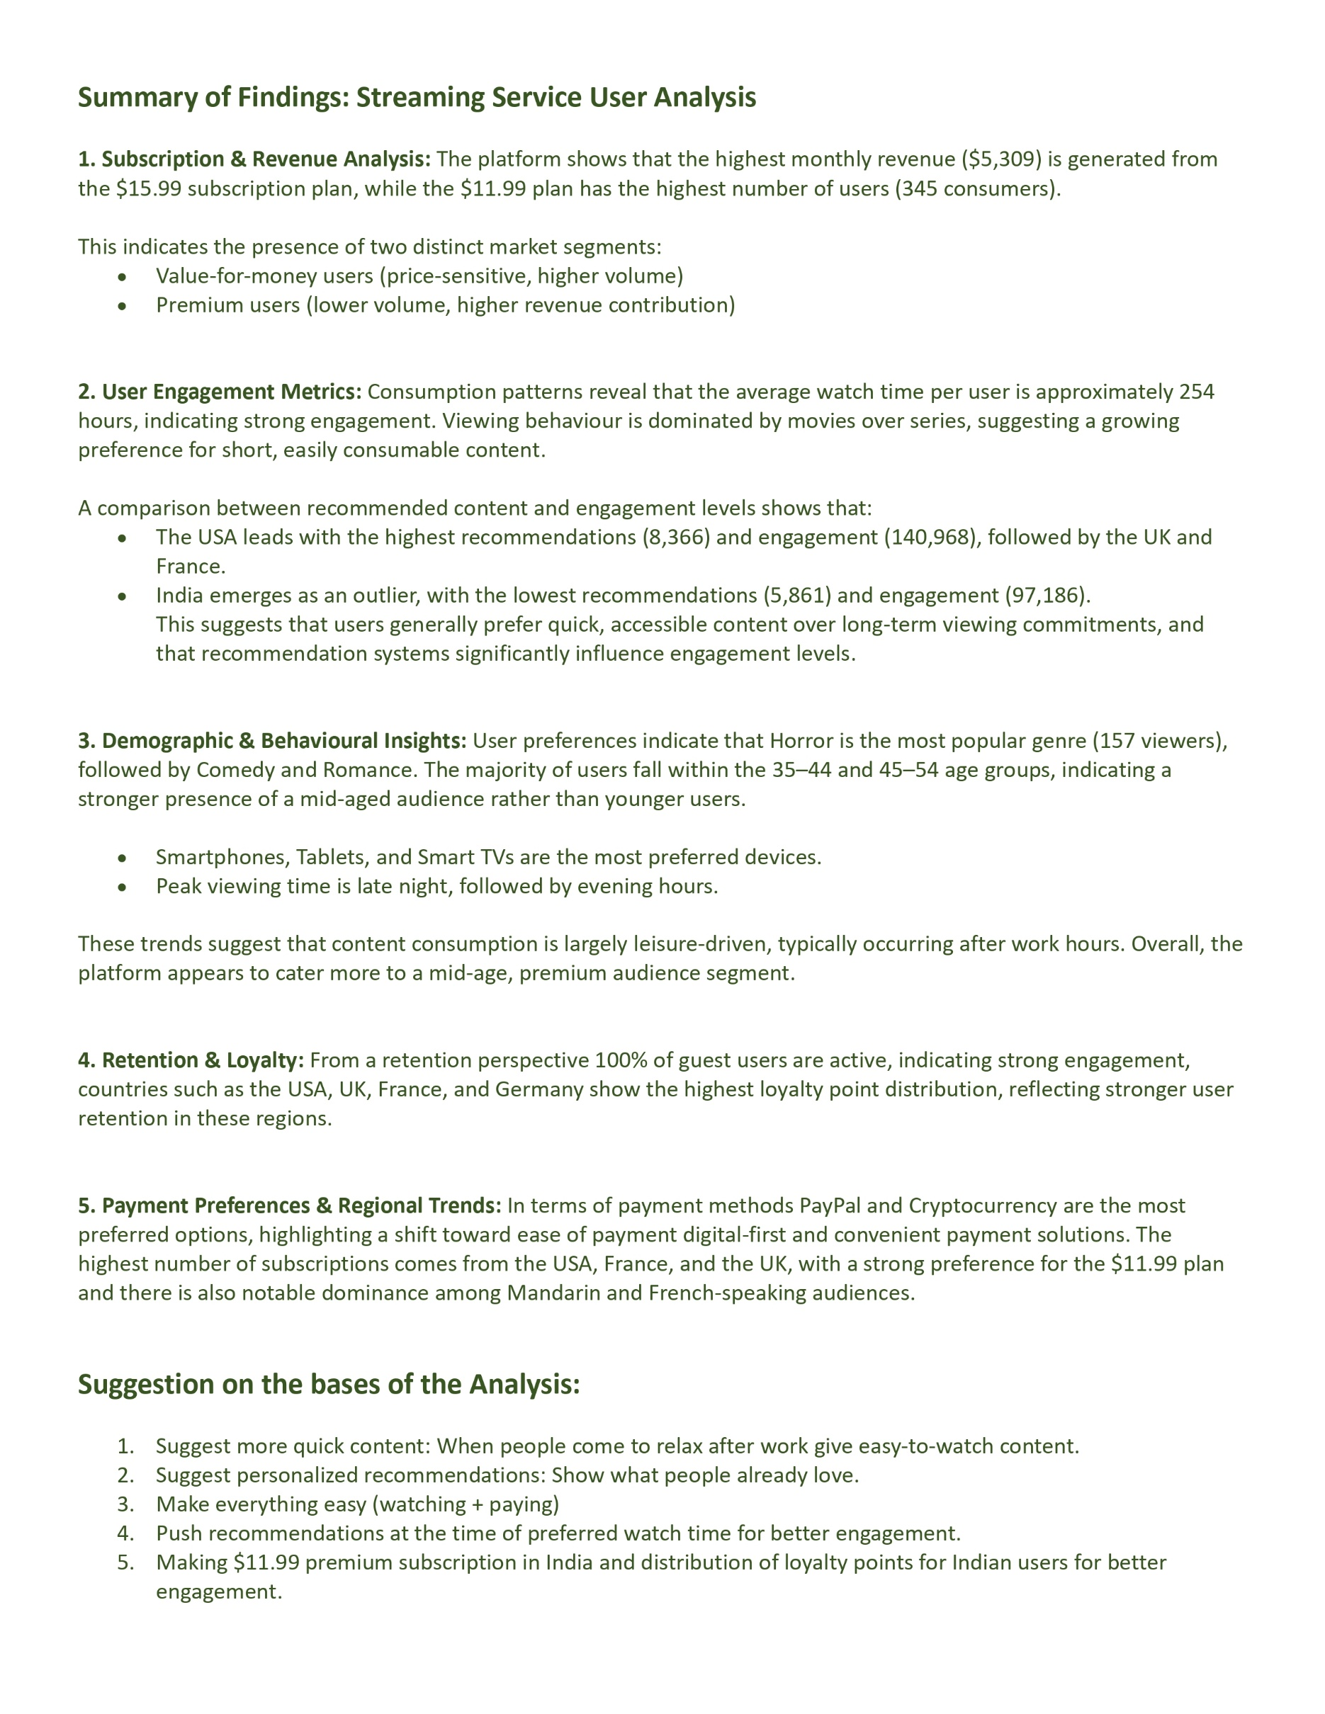


Dashborad
Streaming Service User Analysis ( Dashboard )

Number of users
Number of active users
Average watch hours
Average watch hours per user
Peak Engagment time
 | 1000 | 1000 |  | 175 |  | Late Night

Devise with highest users
Highest used payment method
Avg. movies watched
Avg. Series watched
Highest Watched Genre
 | Tablet | PayPal |  | 516 | 100 | Horror

Subscription & Revenue Analysis:

Monthly Revenue and total users across Subscription plans
 | Total
7.99 | ₹ 2,581
11.99 | ₹ 4,137
15.99 | ₹ 5,309

Distribution of users across different price tiers
 | Total
7.99 | 323
11.99 | 345
15.99 | 332

Total movies vs. Total series watched
 | Sum of Total_Movies_Watched | Sum of Total_Series_Watched
Total | 515897.00 | 99746.00
Impact of recommended content on engagement
 | Sum of Engamanet | Sum Recommended Content Count
Australia | 119905.00 | 6931.00
Canada | 118935.00 | 7512.00
France | 134660.00 | 7417.00
Germany | 126181.00 | 7508.00
India | 97186.00 | 5861.00
UK | 132324.00 | 8366.00
USA | 140968.00 | 7887.00
User Engagement Metrics:

Average Watch Hours
 | Total
Total | 254.52

Demographic & Behavioral Insights:

Preferred genres by age group
 | 18-24 | 25-34 | 35-44 | 45-54 | 55+
Action | 26 | 33 | 32 | 34 | 25
Comedy | 23 | 29 | 29 | 26 | 39
Documentary | 36 | 21 | 22 | 22 | 29
Drama | 25 | 31 | 27 | 31 | 28
Horror | 23 | 36 | 34 | 32 | 32
Romance | 24 | 27 | 32 | 36 | 27
Sci-Fi | 23 | 23 | 31 | 27 | 25

Device Usage Trend
 | Total
Desktop | 189
Laptop | 178
Smart TV | 209
Smartphone | 209
Tablet | 215
Watch time trends
 | Total
Afternoon | 251
Evening | 256
Late Night | 271
Morning | 222

Retention & Loyalty:
 |  |  | Comment
Active vs. Inactive
 | Total
Active | 1000
Country wise loyalty points distribution
 | Total
Australia | 140
Canada | 139
France | 151
Germany | 146
India | 116
UK | 150
USA | 158
Frequency of logins and content downloads
 | Total
FALSE | 432041
TRUE | 438118

Payment Preferences & Regional Trends:

Language preferences by engagement
 | Total
English | 145416
French | 147640
German | 144906
Hindi | 138567
Mandarin | 158760
Spanish | 134870
Preferred payment by region
 | Australia | Canada | France | Germany | India | UK | USA
Credit Card | 22 | 34 | 39 | 31 | 25 | 33 | 44
Cryptocurrency | 44 | 27 | 41 | 35 | 29 | 38 | 40
Debit Card | 38 | 36 | 31 | 43 | 39 | 31 | 31
PayPal | 36 | 42 | 40 | 37 | 23 | 48 | 43
Subscription by country
 | 7.99 | 11.99 | 15.99
Australia | 311.61 | 599.5 | 815.49
Canada | 367.54 | 527.56 | 783.51
France | 431.46 | 599.5 | 751.53
Germany | 391.51 | 611.49 | 735.54
India | 271.66 | 539.55 | 591.63
UK | 383.52 | 623.48 | 799.5
USA | 423.47 | 635.47 | 831.48

Subscription & Revenue Analysis
Subscription plans | Monthly Revenue | Subscription plans | User
7.99 | ₹ 2,581 | 7.99 | 323
11.99 | ₹ 4,137 | 11.99 | 345
15.99 | ₹ 5,309 | 15.99 | 332
Grand Total | ₹ 12,026 | Grand Total | 1000

Monthly Revenue and total users across Subscription plans
Distribution of users across different price tiers

User Engagement Metrics
Average Watch Hours
254.52

Sum of Total_Movies_Watched | Sum of Total_Series_Watched
515897.00 | 99746.00

Country | Sum of Engamanet | Sum Recommended Content Count
Australia | 119905.00 | 6931.00
Canada | 118935.00 | 7512.00
France | 134660.00 | 7417.00
Germany | 126181.00 | 7508.00
India | 97186.00 | 5861.00
UK | 132324.00 | 8366.00
USA | 140968.00 | 7887.00
Grand Total | 870159.00 | 51482.00
Impact of recommended content on engagement

Demographic & Behavioral Insigh
Preferred genres by age group

Count of Favorite_Genre | Age group
Genre | 18-24 | 25-34 | 35-44 | 45-54 | 55+ | Grand Total
Action | 26 | 33 | 32 | 34 | 25 | 150
Comedy | 23 | 29 | 29 | 26 | 39 | 146
Documentary | 36 | 21 | 22 | 22 | 29 | 130
Drama | 25 | 31 | 27 | 31 | 28 | 142
Horror | 23 | 36 | 34 | 32 | 32 | 157
Romance | 24 | 27 | 32 | 36 | 27 | 146
Sci-Fi | 23 | 23 | 31 | 27 | 25 | 129
Grand Total | 180 | 200 | 207 | 208 | 205 | 1000

Device Usage Trend
Devise preferred | Count
Desktop | 189
Laptop | 178
Smart TV | 209
Smartphone | 209
Tablet | 215
Grand Total | 1000

Watch time trends
Time preferred | Count
Afternoon | 251
Evening | 256
Late Night | 271
Morning | 222
Grand Total | 1000

Retention & Loyalty
Active vs. Inactive

Status | Count
Active | 1000
Grand Total | 1000

Loyalty points distribution
User IDs | Loyalty points distribution
Australia | 140
Canada | 139
France | 151
Germany | 146
India | 116
UK | 150
USA | 158
Grand Total | 1000

User Name | Sum of Engamanet
FALSE | 432041
TRUE | 438118
Frequency of logins and content downloads
Grand Total | 870159

Area of analysis (Frequency of logins and content downloads). However, unable to locate field related to frequency of login. Hence, opted for egnagment vs. content downloads

Payment Preferences & Regional
Payment by region | Region
Payment method | Australia | Canada | France | Germany | India | UK | USA | Grand Total
Credit Card | 22 | 34 | 39 | 31 | 25 | 33 | 44 | 228
Cryptocurrency | 44 | 27 | 41 | 35 | 29 | 38 | 40 | 254
Debit Card | 38 | 36 | 31 | 43 | 39 | 31 | 31 | 249
PayPal | 36 | 42 | 40 | 37 | 23 | 48 | 43 | 269
Grand Total | 140 | 139 | 151 | 146 | 116 | 150 | 158 | 1000
Preferred payment by region

Subscription by country
Subscription by country | Subscription |  |  |  |  |  |  |  | Count of Monthly_Price | Subscription
Region | 7.99 | 11.99 | 15.99 | Grand Total |  |  |  |  | Region | 7.99 | 11.99 | 15.99 | Grand Total
Australia | 311.61 | 599.5 | 815.49 | 1726.6 |  |  |  |  | Australia | 39 | 50 | 51 | 140
Canada | 367.54 | 527.56 | 783.51 | 1678.61 |  |  |  |  | Canada | 46 | 44 | 49 | 139
France | 431.46 | 599.5 | 751.53 | 1782.49 |  |  |  |  | France | 54 | 50 | 47 | 151
Germany | 391.51 | 611.49 | 735.54 | 1738.54 |  |  |  |  | Germany | 49 | 51 | 46 | 146
India | 271.66 | 539.55 | 591.63 | 1402.84 |  |  |  |  | India | 34 | 45 | 37 | 116
UK | 383.52 | 623.48 | 799.5 | 1806.5 |  |  |  |  | UK | 48 | 52 | 50 | 150
USA | 423.47 | 635.47 | 831.48 | 1890.42 |  |  |  |  | USA | 53 | 53 | 52 | 158
Grand Total | 2580.77 | 4136.55 | 5308.68 | 12026 |  |  |  |  | Grand Total | 323 | 345 | 332 | 1000

Language preferences by engagement
Region | Language preferences by engagement
English | 145416
French | 147640
German | 144906
Hindi | 138567
Mandarin | 158760
Spanish | 134870
Grand Total | 870159

