Sheet7

Category | Label | Value
Bug ID | ID number | BG107
 | Project | Kangaroo software
 | Name | Portfolio menu
 | Reporter | Pritesh Mahajan
 | Submit Date | 11/Aug/2021
Bug overview | Summary | The text content on “Uncommon US Tech” image are not clearly visible due to color combination.
 | URL | https://kangaroosoftware.net/works/
 | Screenshot
Environment | Platform | Linux
 | Operating System | Linux
 | Browser | Chrome, Firefox
Bug details | Steps to reproduce | Welcome page----> Portfolio menu------> Recent Creations section------>“Uncommon Us Tech” image
 | Expected result | The text content on the image should be clearly visible.
 | Actual result | Not as per expected result
Bug tracking | Assigned to | Shiva sir
 | Severity | Minor
 | Priority | Medium

Sheet9
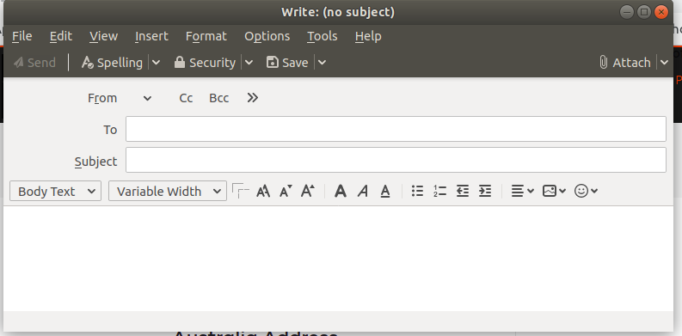
Category | Label | Value
Bug ID | ID number | BG109
 | Project | Kangaroo software
 | Name | Contact Us menu
 | Reporter | Pritesh Mahajan
 | Submit Date | 11/Aug/2021
Bug overview | Summary | when clicking on "Australia Address" & "India Address" a new tab is opened.
 | URL | https://kangaroosoftware.net/contacts/
 | Screenshot
Environment | Platform | Linux
 | Operating System | Linux
 | Browser | Chrome, Firefox
Bug details | Steps to reproduce | Welcome page-----> Contact Us menu option------>Location------->"Australia Address" & "India Address"
 | Expected result
 | Actual result | Not as per expected
Bug tracking | Assigned to | Shiva sir
 | Severity | Major
 | Priority | High

Sheet11
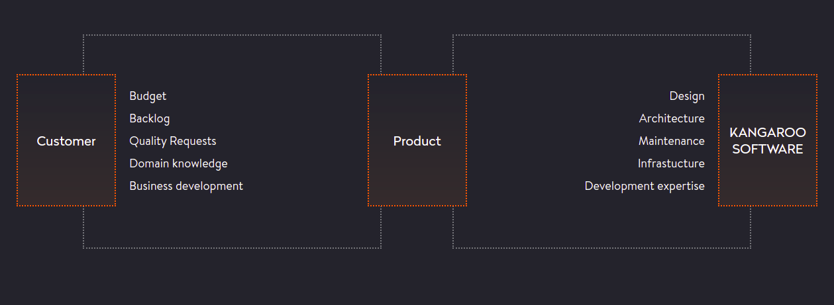
Category | Label | Value
Bug ID | ID number | BG111
 | Project | Kangaroo Software
 | Name | Tech-Curve menu option
 | Reporter | Pritesh Mahajan
 | Submit Date | 14/Aug/2021
Bug overview | Summary | The text content in a flow diagram of “Distributed responsibilities. One common goal” has a spelling mistake.
 | URL | https://kangaroosoftware.net/technologies/
 | Screenshot
Environment | Platform | Linux
 | Operating System | Linux
 | Browser | Chrome, Firefox
Bug details | Steps to reproduce | Welcome page----->Tech-Curve menu option------>flow diagram of “Distributed responsibilities. One common goal”
 | Expected result | The text content should be written in a proper way.
 | Actual result | Not as per expected
Bug tracking | Assigned to | Shiva sir
 | Severity | Minor
 | Priority | Medium

Sheet12
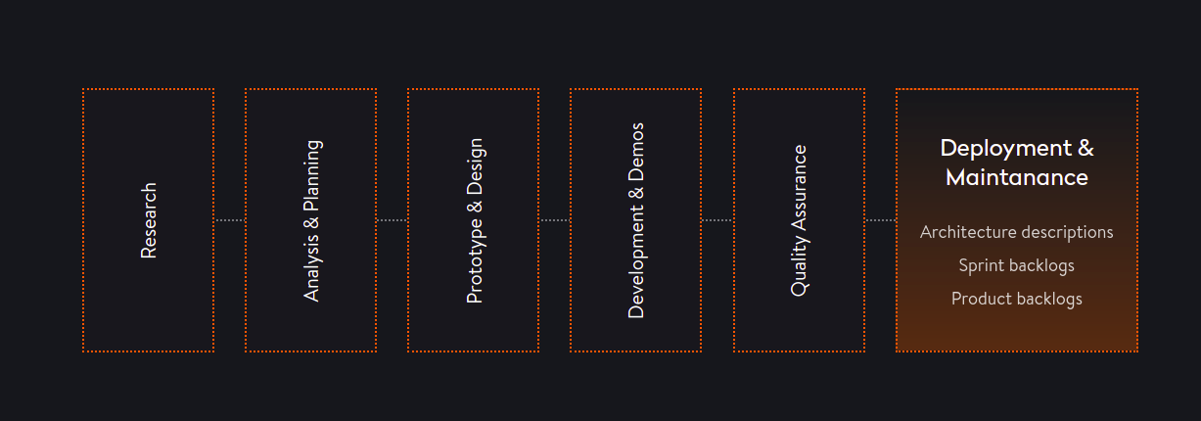
Category | Label | Value
Bug ID | ID number | BG112
 | Project | Kangaroo Software
 | Name | Tech-Curve menu option
 | Reporter | Pritesh Mahajan
 | Submit Date | 14/Aug/2021
Bug overview | Summary | The text content in a flow diagram of “Our development approach” has a spelling mistake.
 | URL | https://kangaroosoftware.net/technologies/
 | Screenshot
Environment | Platform | Linux
 | Operating System | Linux
 | Browser | Chrome, Firefox
Bug details | Steps to reproduce | Welcome page----->Tech-Curve menu option------>flow diagram of “Our development approach”------>“ Final Launch” block
 | Expected result | The text content should be written in a proper way.
 | Actual result | Not as per expected
Bug tracking | Assigned to | Shiva sir
 | Severity | Minor
 | Priority | Medium

Sheet14
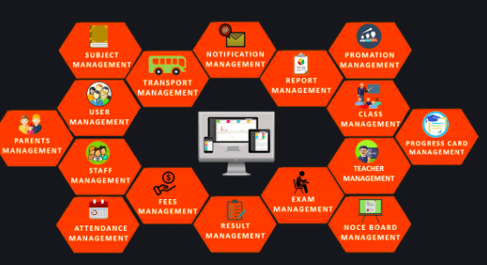
Category | Label | Value
Bug ID | ID number | BG114
 | Project | Kangaroo Software
 | Name | “School ERP” submenu option in a ” Product” menu option
 | Reporter | Pritesh Mahajan
 | Submit Date | 14/Aug/2021
Bug overview | Summary | The text content in a flow diagram of “E-school management system” has a spelling mistake.
 | URL | https://kangaroosoftware.net/eschool/
 | Screenshot
Environment | Platform | Linux
 | Operating System | Linux
 | Browser | Chrome, Firefox
Bug details | Steps to reproduce | Welcome page----->Product menu option------> School ERP submenu option------->flow diagram of E-school management system”
 | Expected result | The text content should be written in a proper way.
 | Actual result | Not as per expected
Bug tracking | Assigned to | Shiva sir
 | Severity | Minor
 | Priority | Medium

Sheet17
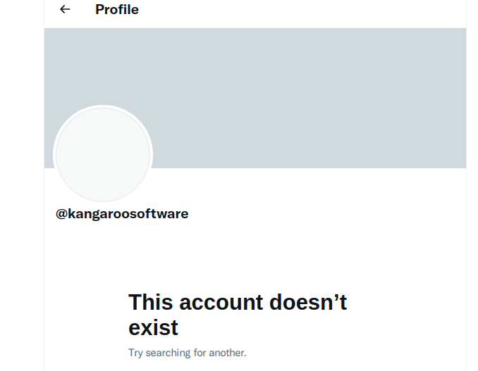
Category | Label | Value
Bug ID | ID number | BG117
 | Project | Kangaroo Software
 | Name | Twitter account
 | Reporter | Pritesh Mahajan
 | Submit Date | 14/Aug/2021
Bug overview | Summary | Twitter account is not working.
 | URL | https://kangaroosoftware.net/
 | Screenshot
Environment | Platform | Linux
 | Operating System | Linux
 | Browser | Chrome, Firefox
Bug details | Steps to reproduce | Click on “Twitter” icon at the footer of welcome page.
 | Expected result | Home page of the “Twitter”should be open.
 | Actual result | Not as per expected
Bug tracking | Assigned to | Shiva sir
 | Severity | Major
 | Priority | High

