Hieranchical
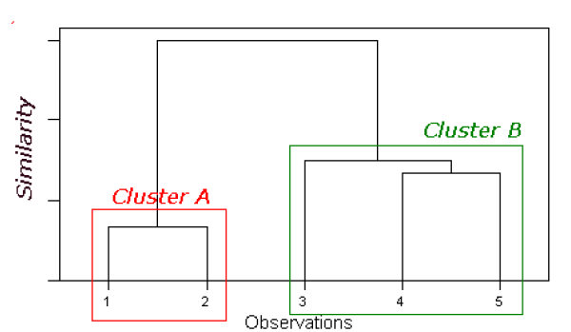
 | V1 | V2 | Euclidean Distance | 1 | 2 | 3 | 4 | 5
1 | 1 | 1 | 1 | 0
2 | 2 | 1 | 2 | 1.0 | 0
3 | 4 | 5 | 3 | 5.0 | 4.5 | 0
4 | 7 | 7 | 4 | 8.5 | 7.8 | 3.6 | 0
5 | 5 | 7 | 5 | 7.2 | 6.7 | 2.2 | 2 | 0

 |  |  |  | 1. Merge 1 & 2 into cluster A
 |  |  |  | 2. Use single linkage to compute distances from cluster A

 |  |  |  |  | A | 3 | 4 | 5
 |  |  |  | A | 0
 |  |  |  | 3 | 4.5 | 0
 |  |  |  | 4 | 7.8 | 3.6 | 0 |  |  |  |  | Dendogram
 |  |  |  | 5 | 6.7 | 2.2 | 2 | 0

 |  |  |  | Merge 4 and 5 |  | A | 3 | B | Merge 3 & B
 |  |  |  |  | A | 0 |  |  |  | A | B
 |  |  |  |  | 3 | 4.5 | 0 |  | A | 0
 |  |  |  |  | B | 6.7 | 2.2 | 0 | B | 4.5 | 0

K-means
Scatter plot | V1 | V2 |  |  |  |  |  | Compute Euclidean distance of each record from each centroid, and re-assign to closest cluster
1 | 1 | 1
2 | 2 | 1 | Centroid | A | 2.3333333333 | 2.3333333333 |  |  | Cluster A | Cluster B
3 | 4 | 5 | Centroid | B | 6 | 7 | A | Item1 | 1.89 | 7.81 | TRUE
4 | 7 | 7 |  |  |  |  | A | Item2 | 1.37 | 7.21 | TRUE
5 | 5 | 7 |  |  |  |  | A | Item3 | 3.14 | 2.83 | FALSE
 |  |  |  |  |  |  | B | Item4 | 6.60 | 1.00 | TRUE
 |  |  |  |  |  |  | B | Item5 | 5.37 | 1.00 | TRUE
1 | 1
2 | 1
4 | 5
7 | 7
5 | 7

 |  |  |  |  |  |  |  | Cluster A: 1,2
 |  |  |  |  |  |  |  | Cluster B: 3,4,5

 |  |  |  |  |  |  |  | Recompute centroids

 |  |  |  | Centroid | A | 1.5 | 1 |  |  | Cluster A | Cluster B
 |  |  |  | Centroid | B | 5.3333333333 | 6.3333333333 | A | Item1
 |  |  |  |  |  |  |  | A | Item2
 |  |  |  |  |  |  |  | B | Item3
 |  |  |  |  |  |  |  | B | Item4
 |  |  |  |  |  |  |  | B | Item5

