CP Info
I am Running the scripts now, Pls stop me if any one is running script

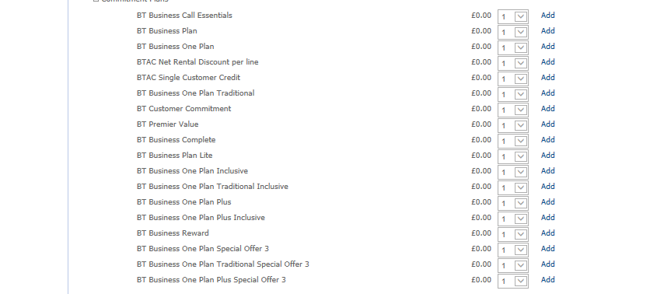

Steps to Run Task From Citrix :
 | ant13 / newpass1
 | ps -ef|grep TM|grep ant13 | ADDER_RENTAL_EXTRACTION_PROCESS
 | r expo | 607383865
 | Select the todays Date | Antillia Model C
 | Run | newpass1
 | Stop clean | https://myapps.bt.com/live/auth/silentDetection.aspx

Adder
 | Hi Adder Team,

 | Placed one BTCC plan via adder GUI in Model C.
 | Plan ID: BTCC003916
 | Commitment Spend: 5K
 | Period: 24 Months
 | After executing MBCC Response script, the plan status is not updating in ns_bal_request_audit table from Req_Sent to success.

 | select * from ns_bal_request_audit where contract_number = ‘BTCC003916’;
 | Please look into this ASAP.

The request and response XMLs can be found at the locations below.
 | /adder/adder/MBCC_code/Response/balres.xml
 | /adder/adder/MBCC_code/bin/

 | dup_removal.ksh

dup_removal.ksh .
Removed associated flags in /adder/adder/flags, here rm schedule_ns_revenue_rqg_error.

Kendre,N,Neha,TAR4 C 16:27
on confirm contract details screen you will select the parameters 'PAYG Calls F2M' and 'PAYG Calls Inland'
Kada,V,Vanitha,TAQ6 C 16:28
in that again i have drop down with the values
Kendre,N,Neha,TAR4 C 16:33
yes
you have to select values in that
depending on the value that you select, benefits to the customer will vary
Kada,V,Vanitha,TAQ6 C 16:42
but where i will get the UK option?
Kendre,N,Neha,TAR4 C 16:43
UK is inland i believe
pls note this

backdate the contract :

begin
pr_backdate_contract('334130',12,0);
end;
Update anniversary date to todays date
delete from reward_reco_status where trunc(action_date)= to_date('04-July-2014')
delete from reward_reco_status_temp where trunc(action_date)= to_date('04-July-2014')
update system_parameter set date_value = to_date('03-July-2014') where name like '%LAST_RR%'
r157_update_bac_ntw_status.ksh $CONN_COMMON_DATA
reward_reco_report_batch.pl $CONN_REPORT_MANAGER 1 05-05-2016
reward_reco_report.pl $CONN_REPORT_MANAGER 1 05-05-2016
select * from reward_reco_hist where acct_id =33212663;
select * from reward_reco_status where contract_id =18868424;
select * from Reward_reco_order where contract_id =18868424

