Sheet1
 |  | Mini Project - Flower Species Classification
 |  |  |  | Name - Shivam Sahu , Roll Number - 1901188

Logistic Regression

Batch Mode and Data normalization -> MinMaxScaler |  |  |  |  |  |  | Stochastic Mode and Data normalization -> MinMaxScaler
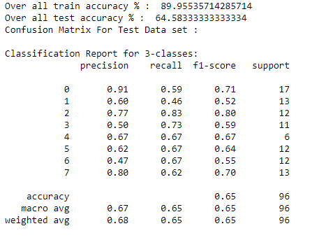
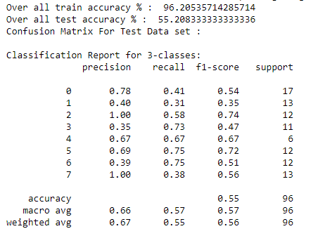

 |  |  |  |  |  |  |  | Confusion Matrix
 |  | Confusion Matrix
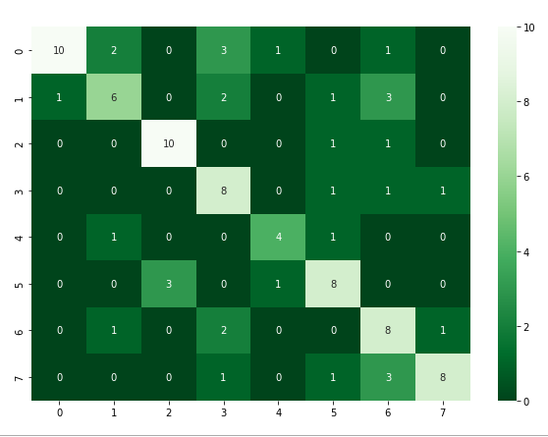
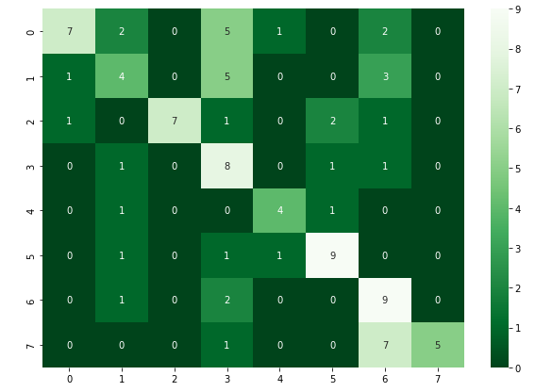

Batch Mode and Data normalization -> StandardScaler |  |  |  |  |  |  | Stochastic Mode and Data normalization -> StandardScaler

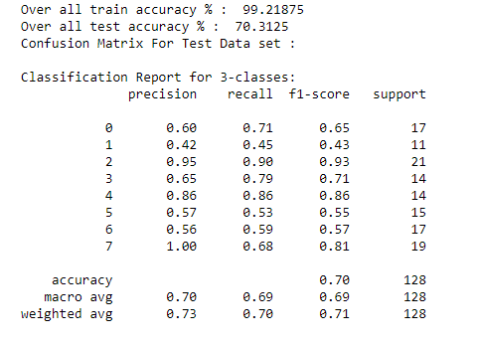
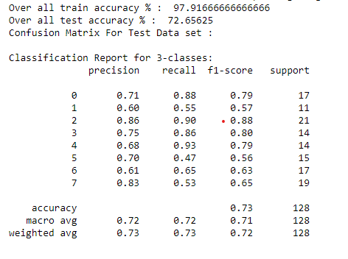

Applying Single Layer Perceptron (SLP)

 |  |  |  | 1. Hyperparameter Tuning for selecting best alpha value
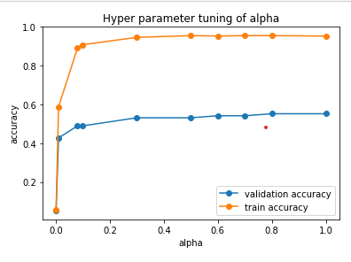
 | alpha | validation accuracy | train accuracy | train cost[mse] | validation cost[mse]
0 | 0.001 | 0.052083333333 | 0.058035714286 | 0.18755246764 | 0.19546197332
1 | 0.01 | 0.42708333333 | 0.58705357143 | 0.09916315033 | 0.12939988826
2 | 0.08 | 0.48958333333 | 0.890625 | 0.042887383853 | 0.11732707947
3 | 0.1 | 0.48958333333 | 0.90848214286 | 0.038399338781 | 0.11731978773
4 | 0.3 | 0.53125 | 0.94642857143 | 0.021390549513 | 0.12201162153
5 | 0.5 | 0.53125 | 0.95535714286 | 0.016989645116 | 0.12282363092
6 | 0.6 | 0.54166666667 | 0.953125 | 0.015637513405 | 0.12378687918
7 | 0.7 | 0.54166666667 | 0.95535714286 | 0.014624003796 | 0.12470741467
8 | 0.8 | 0.55208333333 | 0.95535714286 | 0.013839486454 | 0.12554351889
9 | 1 | 0.55208333333 | 0.953125 | 0.013253256722 | 0.12704437927

 | 2. Train the model and Report the train and test Accuracy
 | Epochs | Train Accuracy | Test Accuracy | Train Cost
0 | 0 | 0.24 | 0.18 | 0.19935923762
1 | 5 | 0.67 | 0.39 | 0.086070465736
2 | 10 | 0.78 | 0.47 | 0.064438720607
3 | 15 | 0.84 | 0.46 | 0.05275549734
4 | 20 | 0.85 | 0.45 | 0.045195464435
5 | 25 | 0.87 | 0.45 | 0.039864414536
6 | 30 | 0.88 | 0.47 | 0.03589439154
7 | 35 | 0.89 | 0.48 | 0.032831062654
8 | 40 | 0.9 | 0.48 | 0.030416492853
9 | 45 | 0.91 | 0.48 | 0.028466885424
10 | 50 | 0.91 | 0.47 | 0.026846715834
11 | 55 | 0.92 | 0.47 | 0.025450313261
12 | 60 | 0.92 | 0.45 | 0.024156713148
13 | 65 | 0.93 | 0.45 | 0.022885619469
14 | 70 | 0.93 | 0.46 | 0.021823892618
15 | 75 | 0.94 | 0.46 | 0.02092364959
16 | 80 | 0.94 | 0.46 | 0.02014069189
17 | 85 | 0.94 | 0.46 | 0.019444118924
18 | 90 | 0.95 | 0.46 | 0.018811919436
19 | 95 | 0.95 | 0.45 | 0.018226653047
20 | 100 | 0.95 | 0.45 | 0.017668777853
21 | 105 | 0.95 | 0.45 | 0.017111487395
22 | 110 | 0.95 | 0.45 | 0.016566091694
23 | 115 | 0.96 | 0.43 | 0.016085362716
24 | 120 | 0.96 | 0.43 | 0.015662683376
25 | 125 | 0.96 | 0.43 | 0.015279215214
26 | 130 | 0.96 | 0.43 | 0.014923983764
27 | 135 | 0.96 | 0.43 | 0.014590513515
28 | 140 | 0.96 | 0.42 | 0.014274645818
29 | 145 | 0.96 | 0.42 | 0.013973754121
30 | 150 | 0.96 | 0.42 | 0.013686518963
31 | 155 | 0.96 | 0.42 | 0.013412722946
32 | 160 | 0.96 | 0.42 | 0.013152750719
33 | 165 | 0.96 | 0.42 | 0.012906945219
34 | 170 | 0.97 | 0.42 | 0.012675223371
35 | 175 | 0.97 | 0.42 | 0.012457067059
36 | 180 | 0.97 | 0.42 | 0.01225169405
37 | 185 | 0.97 | 0.42 | 0.012058221986
38 | 190 | 0.97 | 0.42 | 0.011875767497
39 | 195 | 0.97 | 0.42 | 0.011703492562
40 | 200 | 0.97 | 0.42 | 0.011540621392
41 | 205 | 0.97 | 0.42 | 0.011386443541
42 | 210 | 0.97 | 0.42 | 0.011240311294
43 | 215 | 0.97 | 0.42 | 0.011101634994
44 | 220 | 0.97 | 0.42 | 0.010969877851
45 | 225 | 0.97 | 0.42 | 0.010844550874
46 | 230 | 0.98 | 0.42 | 0.010725208151
47 | 235 | 0.98 | 0.42 | 0.01061144255
48 | 240 | 0.98 | 0.42 | 0.01050288185
49 | 245 | 0.98 | 0.42 | 0.010399185277
50 | 250 | 0.98 | 0.43 | 0.010300040402
51 | 255 | 0.98 | 0.43 | 0.01020516038
52 | 260 | 0.98 | 0.43 | 0.01011428148
53 | 265 | 0.98 | 0.43 | 0.010027160884
54 | 270 | 0.98 | 0.43 | 0.009943574714
55 | 275 | 0.98 | 0.43 | 0.009863316278
56 | 280 | 0.98 | 0.43 | 0.0097861944897
57 | 285 | 0.98 | 0.43 | 0.009712032458
58 | 290 | 0.98 | 0.42 | 0.0096406662197
59 | 295 | 0.98 | 0.42 | 0.0095719436009
60 | 300 | 0.98 | 0.42 | 0.0095057231933

 |  |  | 3. Checking the overfitting problem

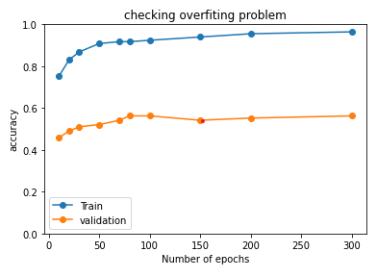
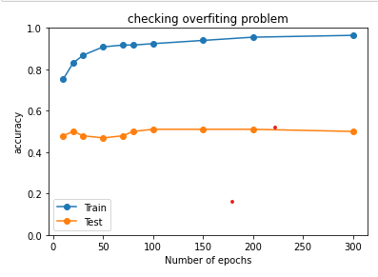
 | epoch | train accuracy | test accuracy | validation accuracy | train cost[mse] | validation cost[mse]
0 | 10 | 0.75223214286 | 0.47916666667 | 0.45833333333 | 0.068330252373 | 0.12378603855
1 | 20 | 0.83035714286 | 0.5 | 0.48958333333 | 0.049222375923 | 0.12118182411
2 | 30 | 0.86830357143 | 0.47916666667 | 0.51041666667 | 0.039085364636 | 0.12129660976
3 | 50 | 0.90848214286 | 0.46875 | 0.52083333333 | 0.02893608918 | 0.12091471617
4 | 70 | 0.91741071429 | 0.47916666667 | 0.54166666667 | 0.023730380788 | 0.12080510812
5 | 80 | 0.91741071429 | 0.5 | 0.5625 | 0.02202752603 | 0.12089679537
6 | 100 | 0.92410714286 | 0.51041666667 | 0.5625 | 0.019574613381 | 0.12126359111
7 | 150 | 0.93973214286 | 0.51041666667 | 0.54166666667 | 0.015853460834 | 0.12331749704
8 | 200 | 0.95535714286 | 0.51041666667 | 0.55208333333 | 0.013839486454 | 0.12554351889
9 | 300 | 0.96428571429 | 0.5 | 0.5625 | 0.011519745103 | 0.12850765966

 |  | 4. Train the model and Report the train and test Accuracy after checking overfitting

 | Epochs | Train Accuracy | Test Accuracy | Train Cost
0 | 0 | 0.26 | 0.16 | 0.19922733862
1 | 5 | 0.68 | 0.41 | 0.082533909818
2 | 10 | 0.77 | 0.42 | 0.061531112812
3 | 15 | 0.81 | 0.43 | 0.051266045071
4 | 20 | 0.84 | 0.42 | 0.044906350052
5 | 25 | 0.87 | 0.41 | 0.040332927796
6 | 30 | 0.88 | 0.42 | 0.03683296389
7 | 35 | 0.89 | 0.43 | 0.034169089936
8 | 40 | 0.9 | 0.42 | 0.032000708214
9 | 45 | 0.9 | 0.41 | 0.030191309637
10 | 50 | 0.91 | 0.4 | 0.028556815249
11 | 55 | 0.91 | 0.4 | 0.027076637696
12 | 60 | 0.92 | 0.4 | 0.025787488176
13 | 65 | 0.92 | 0.41 | 0.024587394354
14 | 70 | 0.93 | 0.41 | 0.023576394099
15 | 75 | 0.94 | 0.43 | 0.022715925746
16 | 80 | 0.94 | 0.43 | 0.021945261291
17 | 85 | 0.94 | 0.44 | 0.02123924517
18 | 90 | 0.94 | 0.44 | 0.020585031369
19 | 95 | 0.95 | 0.45 | 0.019977309063
20 | 100 | 0.95 | 0.45 | 0.019414607537

 |  | 5. Kfold Cross Validation - SLP

Fold Number | Train Accuracy | Test Accuracy | Test Cost | total cost
1 | 0.9 | 0.52 | 0.13726555909 | 0.12290571055
2 | 0.9 | 0.55 | 0.1227615182 | 0.12290571055
3 | 0.9 | 0.57 | 0.11973668691 | 0.12290571055
4 | 0.89 | 0.51 | 0.12223575186 | 0.12290571055
5 | 0.9 | 0.57 | 0.11252903668 | 0.12290571055

Applying Multi Layer Perceptron (MLP)

 |  | 1. Hyperparameter Tuning for selecting best alpha value

alpha | validation accuracy | train accuracy | train cost[mse]
0.001 | 0 | 0 | 0.43729551387
0.01 | 0 | 0.0066964285714 | 0.42454427025
0.08 | 0.46875 | 0.83035714286 | 0.078059118414
0.1 | 0.47916666667 | 0.87723214286 | 0.059873972488
0.3 | 0.55208333333 | 0.92410714286 | 0.012473243363
0.5 | 0.51041666667 | 0.90625 | 0.024212574642
0.6 | 0.51041666667 | 0.90401785714 | 0.037629393518
0.7 | 0.55208333333 | 0.95982142857 | 0.001906003788
0.8 | 0.5625 | 0.93526785714 | 0.018931984959
1 | 0.4375 | 0.81026785714 | 0.084790919645

 |  | 2. Hyperparameter Tuning for selecting hidden neurons

 | number_of_neurons | validation accuracy | train accuracy | train cost[mse] | Epochs
0 | 5 | 0.1875 | 0.33705357143 | 0.30605765502 | 200
1 | 10 | 0.53125 | 0.81696428571 | 0.10103197525 | 200
2 | 15 | 0.51041666667 | 0.85044642857 | 0.07207924957 | 200
3 | 20 | 0.5625 | 0.96875 | 0.0022082920002 | 200
4 | 25 | 0.5 | 0.95982142857 | 0.0058981879819 | 200
5 | 30 | 0.51041666667 | 0.97544642857 | 0.00081368532062 | 200
6 | 35 | 0.5 | 0.953125 | 0.0049007317088 | 200
7 | 40 | 0.52083333333 | 1 | 0.00029765221507 | 200
8 | 50 | 0.53125 | 0.99776785714 | 0.00015987542676 | 200
9 | 70 | 0.54166666667 | 0.99330357143 | 0.00022010947062 | 200

 | 3. Train the model and Report the train and test Accuracy

Epochs | Train Accuracy | Test Accuracy | Train Cost
1 | 0.12946428571 | 0.23958333333 | 0.55156555201
11 | 0.515625 | 0.35416666667 | 0.20115866185
21 | 0.63616071429 | 0.45833333333 | 0.15590754687
31 | 0.73214285714 | 0.47916666667 | 0.12670065684
41 | 0.72098214286 | 0.47916666667 | 0.13908495178
51 | 0.73883928571 | 0.46875 | 0.11436273875 |  |  | Accuracy Vs epochs
61 | 0.77901785714 | 0.51041666667 | 0.10419465406
71 | 0.79910714286 | 0.53125 | 0.094043621304
81 | 0.81473214286 | 0.54166666667 | 0.086367015767
91 | 0.75446428571 | 0.52083333333 | 0.11768072188
101 | 0.75892857143 | 0.53125 | 0.11278222072
111 | 0.80357142857 | 0.57291666667 | 0.086074436086
121 | 0.83258928571 | 0.48958333333 | 0.07801002302
131 | 0.89508928571 | 0.47916666667 | 0.050912770895
141 | 0.90625 | 0.54166666667 | 0.03720263781
151 | 0.91741071429 | 0.57291666667 | 0.030824401611
161 | 0.95089285714 | 0.53125 | 0.01925279474
171 | 0.95089285714 | 0.57291666667 | 0.013887845754
181 | 0.95982142857 | 0.55208333333 | 0.0073482644699
191 | 0.95758928571 | 0.57291666667 | 0.004449632566
201 | 0.97767857143 | 0.61458333333 | 0.0025622966061
211 | 0.98214285714 | 0.59375 | 0.001909716781
221 | 0.984375 | 0.60416666667 | 0.0015402086748
231 | 0.98214285714 | 0.5625 | 0.0014163333676
241 | 0.98214285714 | 0.5625 | 0.0012696718188
251 | 0.984375 | 0.5625 | 0.0011563890759
261 | 0.98660714286 | 0.55208333333 | 0.0010919513455
271 | 0.98660714286 | 0.55208333333 | 0.00096104950068
281 | 0.98883928571 | 0.5625 | 0.00076243967375
291 | 0.99330357143 | 0.55208333333 | 0.00060675026415
301 | 0.99553571429 | 0.55208333333 | 0.00054075994878
311 | 0.99553571429 | 0.55208333333 | 0.00051536270739
321 | 0.99553571429 | 0.55208333333 | 0.0004761500735
331 | 0.99776785714 | 0.55208333333 | 0.00041422861433
341 | 0.99776785714 | 0.54166666667 | 0.00034905977426
351 | 0.99776785714 | 0.54166666667 | 0.00028684738682
361 | 0.99776785714 | 0.54166666667 | 0.00023547775276
371 | 0.99776785714 | 0.55208333333 | 0.00019728787154
381 | 1 | 0.55208333333 | 0.00016959635509
391 | 1 | 0.5625 | 0.00014998530378
401 | 1 | 0.55208333333 | 0.00013653299706
411 | 1 | 0.55208333333 | 0.00012743524288
421 | 1 | 0.54166666667 | 0.00012120151224
431 | 1 | 0.54166666667 | 0.00011654034937
441 | 1 | 0.54166666667 | 0.00011243322337
451 | 1 | 0.54166666667 | 0.00010859133418
461 | 1 | 0.54166666667 | 0.00010541292259
471 | 1 | 0.54166666667 | 0.00010337928359
481 | 1 | 0.54166666667 | 0.0001027380367
491 | 1 | 0.54166666667 | 0.0001033041789
501 | 1 | 0.54166666667 | 0.00010442911197
511 | 1 | 0.54166666667 | 0.00010562687261
521 | 1 | 0.54166666667 | 0.00010737480762
531 | 1 | 0.54166666667 | 0.00011229249292
541 | 1 | 0.55208333333 | 0.0001226659983
551 | 1 | 0.55208333333 | 0.00013341987423
561 | 1 | 0.55208333333 | 0.00014158732481
571 | 1 | 0.55208333333 | 0.00015476006264
581 | 1 | 0.55208333333 | 0.00017555525521
591 | 0.99776785714 | 0.55208333333 | 0.00019622323609
601 | 0.99776785714 | 0.55208333333 | 0.00020855326416
611 | 1 | 0.54166666667 | 0.00021092863298
621 | 1 | 0.54166666667 | 0.00020927991896
631 | 1 | 0.54166666667 | 0.00020242214019
641 | 1 | 0.54166666667 | 0.00019396105434
651 | 1 | 0.52083333333 | 0.00019546036594
661 | 1 | 0.53125 | 0.00020225057637
671 | 1 | 0.53125 | 0.00020730414696
681 | 1 | 0.54166666667 | 0.00020827742819
691 | 1 | 0.52083333333 | 0.00021034974248
701 | 1 | 0.51041666667 | 0.00022430041803
711 | 1 | 0.51041666667 | 0.00024434880229
721 | 1 | 0.51041666667 | 0.00026473904297
731 | 0.99553571429 | 0.5 | 0.00028252694819
741 | 0.99776785714 | 0.5 | 0.00030527804056
751 | 0.99553571429 | 0.5 | 0.00034314489854
761 | 0.99553571429 | 0.5 | 0.00038046774895
771 | 0.875 | 0.5 | 0.053112431979
781 | 0.86830357143 | 0.53125 | 0.06276023702
791 | 0.90401785714 | 0.52083333333 | 0.032570372057

 |  | 4. Kfold Cross Validation - MLP

Fold Number | Train Accuracy | Test Accuracy
1 | 0.84 | 0.53
2 | 0.88 | 0.59
3 | 0.86 | 0.63
4 | 0.96 | 0.63
5 | 0.87 | 0.48

