Sheet1
Test Case No. | Sub Cases | Input Size | Inputs | Expected Output | Actual Output
1 | a | 1 | a | Enter the new book name:
 | b | 1 | 2 | Unknown command. Please try again.
 | c | 1 | z | Unknown command. Please try again.
 | d | 1 | $ | Unknown command. Please try again.

2 | a | 4 | a, _, _, _ | Failed to add book to database, Please enter a book title
 | b | 4 | a, a, _, _ | Failed to add book to database, Please enter an author
 | c | 4 | a, a, a, _ | Please enter a valid digit for the year of publication
 | d | 4 | a, a, a, 2022 | Successfully added: a by a, 2022, To your database

3 | a | 6 | a, a, a, 2022 r, a | Successfully marked a as read | 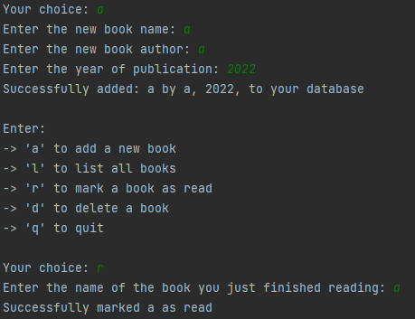
 | b | 2 | r, b | Could not mark b as read

4 | a | 6 | a, a, a, 2022 d, a | Successfully removed all occurrences Of a from your database | 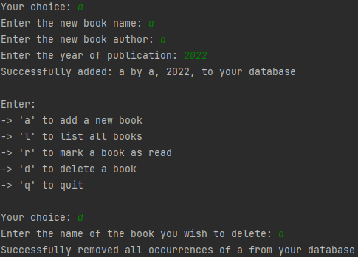
 | b | 2 | d, c | Successfully removed all occurrences Of c from your database

5 | a | 4 | a, a, a, 999 | Sorry, the oldest book that can be Recorded is from the year 1000
 | b | 4 | a, a, a, 10000 | Sorry, we cannot store book that Have not been published yet
 | c | 4 | a, a, a, 2023 | Sorry, we cannot store book that Have not been published yet
 | d | 4 | a, a, a, 2022 | Successfully added: a by a, 2022, To your database

