Reference_Links
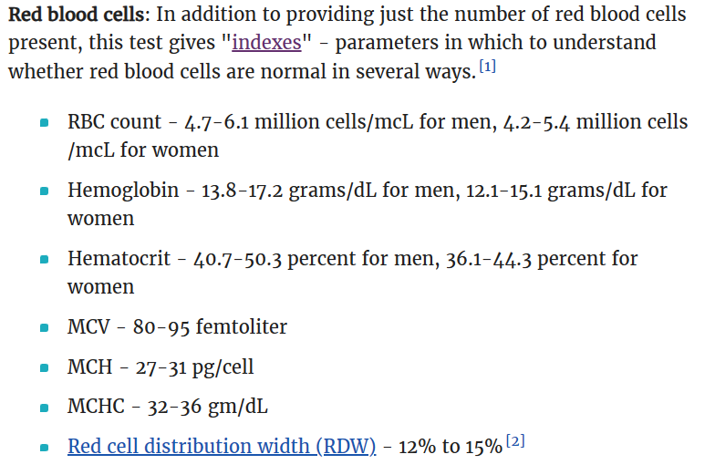
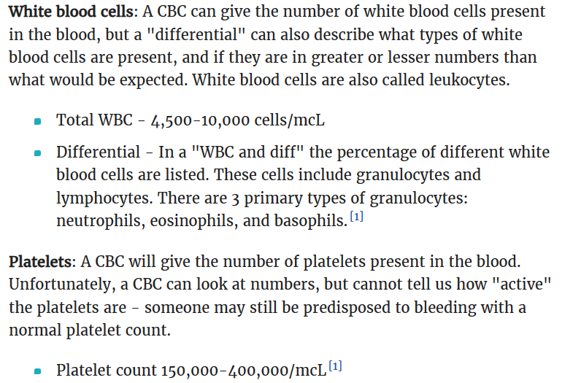
Reference-1 | Complete Blood Count (CBC) Normals and Abnormals (verywellhealth.com)

