Orders by various factors
Number of orders by gender |  | Orders by marital status | Column1 |  | Order by occupation | Column1
Column1 | Column2 | Married | 108 |  | Employee | 118
Male | 222 | Single | 268 |  | Student | 207
Female | 166 | Prefer not to say | 12 |  | Self Employeed | 54
orders by gender
Orders by marital status
 |  |  |  |  | House wife | 9
Order by occupation

order by monthly income | Column1 | order by family size | Column1 |  | Order by Educational Qualification | Column1
No Income | 187 | 1 | 24 |  | Post Graduate | 174
10001 to 25000 | 45 | 2 | 101 |  | Graduate | 177
Below Rs.10000 | 25 | 3 | 117 |  | Ph.D | 23
More than 50000 | 62 | 4 | 63 |  | Uneducated | 2
25001 to 50000 | 69 | 5 | 54 |  | School | 12
Order by monthly income
Orders by Educational Qualifications
 |  | 6 | 29
Orders by family size

Orders by Age
Row Labels | Sum of Age
18 | 18
19 | 76 |  |  | Insights:
20 | 180 |  |  | There are more males ordering food than females. Also people whose marital status
21 | 483 |  |  | is single and are students with no income are more likely to order. Highest
22 | 1254 |  |  | number of orders were from the age 23 followed by age 25 and 22.
23 | 1679 |  |  | Educational Qualification of people ordering food more often were graduates and postgraduates..
24 | 1200 |  |  | Since the family size is 3 and 2 it can be assumed that people who are ordering live in hostels or pg.
25 | 1300 |  |  | So students who live in pg or hostels are more likely to order food online.
26 | 910
27 | 567
28 | 420
29 | 406
30 | 270
31 | 248
32 | 512
33 | 33
Grand Total | 9556

Preferences
Preference1
Preference2
Row Labels | Count of Perference(P1) |  |  |  |  |  | Row Labels | Count of Perference(P2)
Bakery items (snacks) | 1 |  |  |  |  |  | Bakery items (snacks) | 13
Non Veg foods (Lunch / Dinner) | 315 |  |  |  |  |  | Ice cream / Cool drinks | 35
Sweets | 3 |  |  |  |  |  | Sweets | 46
Veg foods (Breakfast / Lunch / Dinner) | 69 |  |  |  |  |  | Veg foods (Breakfast / Lunch / Dinner) | 294
Grand Total | 388 |  |  |  |  |  | Grand Total | 388

 | Column Labels
 | Breakfast | Dinner | Lunch | Snacks | Grand Total
 |  |  |  |  |  | Insight:
Count of Perference(P1) | 53 | 91 | 120 | 124 | 388 | People order the most during lunch and dinner.
 |  |  |  |  |  | People are tend to order nonveg food over veg food.

 | Column Labels
 | Dinner | Lunch | Snacks | Grand Total

Count of Perference(P2) | 312 | 28 | 48 | 388

Location
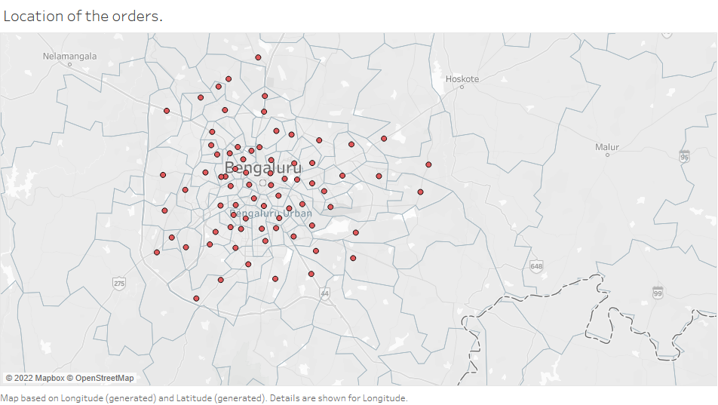

Located all the orders using tableau.
This shows that the data is from the banglore city and from its outskirts

Influence of time
 | Maybe | No | Yes
15 minutes | 1 |  | 28
30 minutes | 8 | 6 | 90
45 minutes | 9 | 8 | 83
60 minutes | 5 | 13 | 4
More than 60 minutes | 2 | 11 | 1
15 minutes |  |  | 4
30 minutes |  | 1 | 1
45 minutes |  | 1 | 5
60 minutes | 1 |  | 2
More than 60 minutes |  | 1 | 1
15 minutes |  |  | 7
30 minutes | 3 | 3 | 27
45 minutes | 6 | 2 | 40
60 minutes | 4 | 2 | 3
More than 60 minutes |  |  | 5
Count of Maximum wait time | Column Labels
Row Labels | Maybe | No | Yes | Grand Total
Anytime (Mon-Sun) | 25 | 38 | 206 | 269
15 minutes | 1 |  | 28 | 29
30 minutes | 8 | 6 | 90 | 104
45 minutes | 9 | 8 | 83 | 100
60 minutes | 5 | 13 | 4 | 22
More than 60 minutes | 2 | 11 | 1 | 14
Weekdays (Mon-Fri) | 1 | 3 | 13 | 17
15 minutes |  |  | 4 | 4
30 minutes |  | 1 | 1 | 2
45 minutes |  | 1 | 5 | 6
60 minutes | 1 |  | 2 | 3
More than 60 minutes |  | 1 | 1 | 2
Weekend (Sat & Sun) | 13 | 7 | 82 | 102
15 minutes |  |  | 7 | 7
30 minutes | 3 | 3 | 27 | 33
45 minutes | 6 | 2 | 40 | 48
60 minutes | 4 | 2 | 3 | 9
More than 60 minutes |  |  | 5 | 5
Grand Total | 39 | 48 | 301 | 388

 | Insight:
 | There are more orders during the weekends than the weekdays.
 | There is influence of time and people are ready to wait for 30-45 minutes.
 | More number of people don’t want to wait for more than 45 minutes.

Time factor Analysis
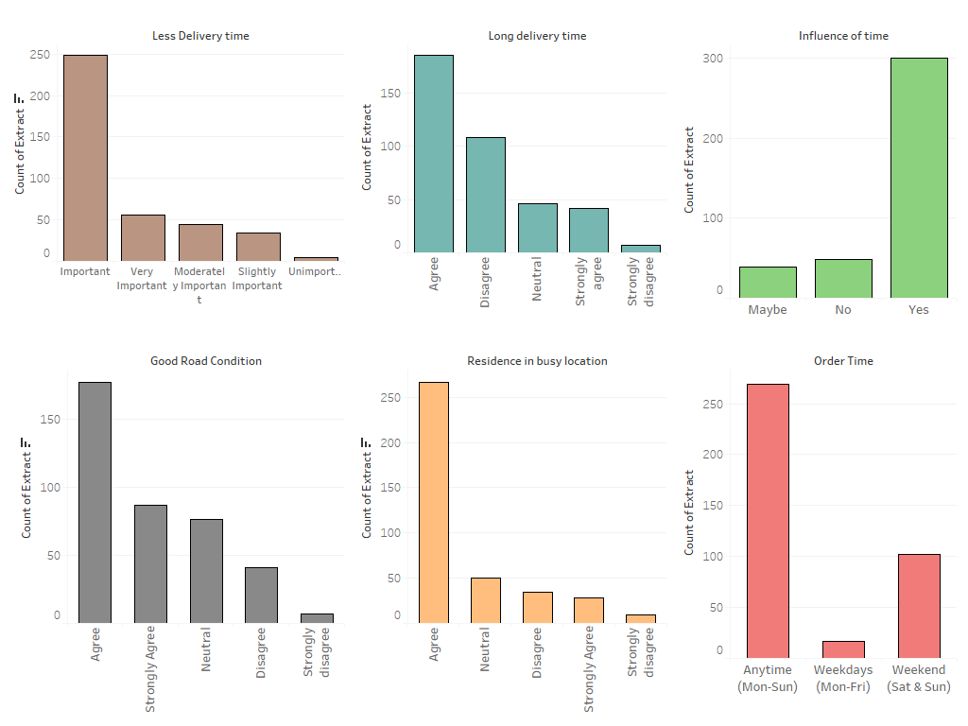

Insights:
Less delivery time has seen to be important .
There is influence of time and people are agreeing to have long delivery time.
Residence in busy location used be the reason of long delivery time.
More people agree to have good road conditions so,
it can't be the reason for long delivery time.

