BUTTER
PRESSURE | PRESSURE | TEMPERATURE | TEMPERATURE | DENSITY | SPECIFIC VOLUME
Eng. Dig. | Authors
MPa | MPa | °C | K | kg·m-3 | m3·kg-1
0.0 | 0.1 | 25 | 298.15 | 908.1 | 1.1012E-03 | REFERENCE
100.2 | 100.0 | 25 | 298.15 | 950.9 | 1.0516E-03 | Min, S., Sastry, S. K., & Balasubramaniam, V. M. (2010). Compressibility and density of select liquid and solid foods under pressures up to 700 MPa. Journal of Food Engineering, 96(4), 568-574
149.1 | 150.0 | 25 | 298.15 | 967.1 | 1.0340E-03
200.4 | 200.0 | 25 | 298.15 | 982.4 | 1.0179E-03 | PRODUCT CHARACTERISTICS
249.3 | 250.0 | 25 | 298.15 | 996.4 | 1.0036E-03 | Clarified butter
299.4 | 300.0 | 25 | 298.15 | 1009.5 | 9.9063E-04
349.5 | 350.0 | 25 | 298.15 | 1020.7 | 9.7970E-04 | SOURCE
399.6 | 400.0 | 25 | 298.15 | 1031.5 | 9.6943E-04 | Purity Farms, Sedalia, CO
449.7 | 450.0 | 25 | 298.15 | 1040.5 | 9.6104E-04
498.6 | 500.0 | 25 | 298.15 | 1048.2 | 9.5402E-04 | METHOD EMPLOYED
548.7 | 550.0 | 25 | 298.15 | 1055.4 | 9.4750E-04 | Variable volume piezometer
598.8 | 600.0 | 25 | 298.15 | 1060.8 | 9.4268E-04
648.9 | 650.0 | 25 | 298.15 | 1065.3 | 9.3869E-04 | DATA ORIGIN
699.0 | 700.0 | 25 | 298.15 | 1069.4 | 9.3513E-04 | Data obtained from Figure 6 in the above referenced paper using Engauge Digitizer
 |  |  |  |  |  | Pressure values in red correspond to atmospheric pressure (0.1 MPa). Pressure values different to 0.1 MPa are due to errors during graph data conversion
 |  |  |  |  |  | According to the authors, the pressure was generated in 50 MPa steps from 100 MPa up to 700 MPa.
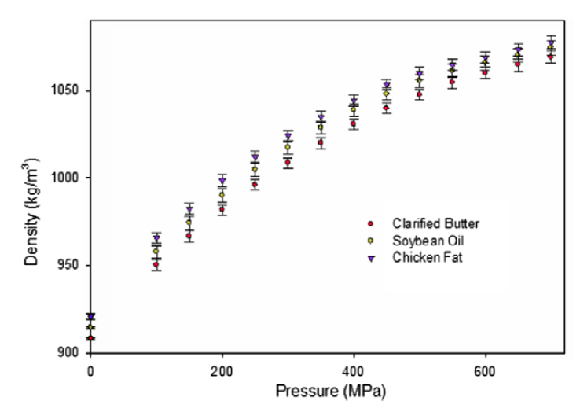

 |  |  |  |  |  |  | ERROR ESTIMATION IN CONVERTING GRAPH DATA INTO NUMBERS

 |  |  |  |  |  |  | PRESSURE (MPa) |  |  |  | DENSITY (kg/m3)
 |  |  |  |  |  |  | Marked | Eng. Dig. | Dif. | Abs. Value Dif | Marked | Eng. Dig. | Dif. | Abs. Value Dif
 |  |  |  |  |  |  | 200 | 200.398 | -0.4 | 0.4 | 950 | 950.0 | 0.0 | 0.0
 |  |  |  |  |  |  | 400 | 400.795 | -0.8 | 0.8 | 1000 | 1000.5 | -0.5 | 0.5

 |  |  |  |  |  |  |  |  | MEAN | 0.6 |  |  | MEAN | 0.2

CAMELLIA OIL
PRESSURE | TEMPERATURE | TEMPERATURE | DENSITY | SPECIFIC VOLUME
MPa | °C | K | kg·m-3 | m3·kg-1
891.9 | 40 | 313.15 | 1184.4 | 8.4431E-04 | REFERENCE
936.5 | 40 | 313.15 | 1195.1 | 8.3676E-04 | Mia, S., Hayashi, S., & Ohno, N. (2007). High pressure tribological behavior of vegetable oils as lubricant. In International Conference on Mechanical Engineering (ICME2007) (pp. 1-5). Dhaka, Bangladesh.
981.1 | 40 | 313.15 | 1208.4 | 8.2751E-04
1029.7 | 40 | 313.15 | 1216.5 | 8.2206E-04 | PRODUCT CHARACTERISTICS
1070.3 | 40 | 313.15 | 1227.1 | 8.1490E-04 | Physical properties at atmospheric pressure:
1123.0 | 40 | 313.15 | 1235.2 | 8.0961E-04 | Density at 15 °C: 916.8 kg/m3
1167.6 | 40 | 313.15 | 1240.5 | 8.0611E-04 | Kinematic viscosity at 40 °C: 39.3 mm2/s
1216.2 | 40 | 313.15 | 1248.5 | 8.0094E-04 | Kinematic viscosity at 100 °C: 8.3 mm2/s
1260.8 | 40 | 313.15 | 1259.2 | 7.9414E-04 | Viscosity index: 194
1309.5 | 40 | 313.15 | 1269.9 | 7.8745E-04
1358.1 | 40 | 313.15 | 1275.3 | 7.8415E-04 | Fatty esters profile (wt%):
 |  |  |  |  | C16:0 | C18:0 | C18:1 | C18:2 | C18:3
 |  |  |  |  | Palmitic | Stearic | Oleic | Linoleic | Linolenic
 |  |  |  |  | 8.2 | 2.1 | 85 | 4.1 | 0.6

 |  |  |  |  | SOURCE
 |  |  |  |  | Not specified in the paper

 |  |  |  |  | METHOD EMPLOYED
 |  |  |  |  | High-pressure densitometer. The density was determined by measuring the fluid volume in the machine by linear gauge.

 |  |  |  |  | DATA ORIGIN
 |  |  |  |  | Data obtained from Figure 4 in the above referenced paper using Engauge Digitizer
 |  |  |  |  | Data corresponding to pressures lower than 890 MPa were overlapped with data of other oils in the original graph. Therefore, they could not be marked and converted into numbers
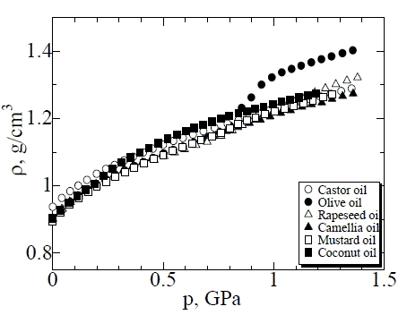
 |  |  |  |  |  |  |  |  |  | ERROR ESTIMATION IN CONVERTING GRAPH DATA INTO NUMBERS

 |  |  |  |  |  |  |  |  |  | PRESSURE (MPa) |  |  |  | DENSITY (kg/m3)
 |  |  |  |  |  |  |  |  |  | Marked | Eng. Dig. | Dif. | Abs. Value Dif | Marked | Eng. Dig. | Dif. | Abs. Value Dif
 |  |  |  |  |  |  |  |  |  | 100 | 101.351 | -1.4 | 1.4 | 1 | 1.0 | 0.0 | 0.0
 |  |  |  |  |  |  |  |  |  | 500 | 502.703 | -2.7 | 2.7 | 1.3 | 1.3 | 0.0 | 0.0
 |  |  |  |  |  |  |  |  |  | 1000 | 1001.35 | -1.35 | 1.35 | 1.2 | 1.2 | -0.00001 | 0.00001
 |  |  |  |  |  |  |  |  |  | 1300 | 1301.35 | -1.35 | 1.35 | 1.1 | 1.1 | 0.0013 | 0.0013

 |  |  |  |  |  |  |  |  |  |  |  | MEAN | 1.7
 |  |  |  |  |  |  |  |  |  |  |  |  |  |  |  | MEAN | 0.0

CARROT
PRESSURE | PRESSURE | TEMPERATURE | TEMPERATURE | DENSITY | SPECIFIC VOLUME
Eng. Dig. | Authors
MPa | MPa | °C | K | kg·m-3 | m3·kg-1
0.0 | 0.1 | 25.0 | 298.15 | 1050.7 | 9.5173E-04 | REFERENCE
100.2 | 100.0 | 25.0 | 298.15 | 1097.1 | 9.1149E-04 | Min, S., Sastry, S. K., & Balasubramaniam, V. M. (2010). Compressibility and density of select liquid and solid foods under pressures up to 700 MPa. Journal of Food Engineering, 96(4), 568-574
149.1 | 150.0 | 25.0 | 298.15 | 1110.1 | 9.0079E-04
200.3 | 200.0 | 25.0 | 298.15 | 1121.7 | 8.9147E-04 | PRODUCT CHARACTERISTICS
250.4 | 250.0 | 25.0 | 298.15 | 1134.8 | 8.8123E-04 | Carrot. No more information is given in the paper
300.5 | 300.0 | 25.0 | 298.15 | 1146.4 | 8.7231E-04
348.2 | 350.0 | 25.0 | 298.15 | 1153.6 | 8.6684E-04 | SOURCE
400.7 | 400.0 | 25.0 | 298.15 | 1162.3 | 8.6035E-04 | Kroger, Cincinnati, OH
449.6 | 450.0 | 25.0 | 298.15 | 1172.5 | 8.5291E-04
499.7 | 500.0 | 25.0 | 298.15 | 1178.3 | 8.4871E-04 | METHOD EMPLOYED
549.7 | 550.0 | 25.0 | 298.15 | 1185.5 | 8.4352E-04 | Variable volume piezometer
599.8 | 600.0 | 25.0 | 298.15 | 1192.8 | 8.3840E-04
649.9 | 650.0 | 25.0 | 298.15 | 1200.0 | 8.3333E-04 | DATA ORIGIN
700.0 | 700.0 | 25.0 | 298.15 | 1205.8 | 8.2932E-04 | Data obtained from Figure 7 in the above referenced paper using Engauge Digitizer
 |  |  |  |  |  | Pressure values in red correspond to atmospheric pressure (0.1 MPa). Pressure values different to 0.1 MPa are due to errors during graph data conversion
 |  |  |  |  |  | According to the authors, the pressure was generated in 50 MPa steps from 100 MPa up to 700 MPa.
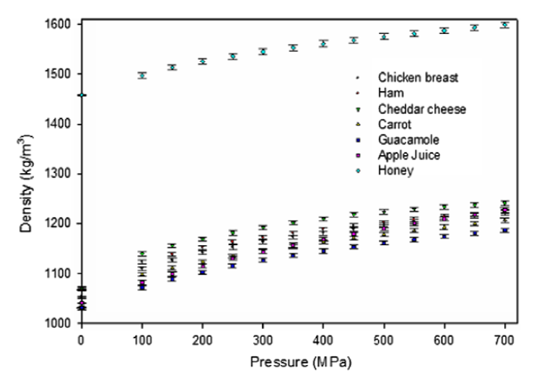

 |  |  |  |  |  |  | ERROR ESTIMATION IN CONVERTING GRAPH DATA INTO NUMBERS

 |  |  |  |  |  |  | PRESSURE (MPa) |  |  |  | DENSITY (kg/m3)
 |  |  |  |  |  |  | Marked | Eng. Dig. | Dif. | Abs. Value Dif | Marked | Eng. Dig. | Dif. | Abs. Value Dif
 |  |  |  |  |  |  | 100 | 100.17 | -0.2 | 0.2 | 1400 | 1398.6 | 1.5 | 1.5
 |  |  |  |  |  |  | 200 | 200.341 | -0.3 | 0.3 | 1200 | 1200.0 | 0.0 | 0.0
 |  |  |  |  |  |  | 300 | 299.319 | 0.7 | 0.7 | 1100 | 1100.0 | 0 | 0
 |  |  |  |  |  |  | 400 | 399.489 | 0.511 | 0.511 | 1500 | 1501.5 | -1.45 | 1.45
 |  |  |  |  |  |  | 500 | 500.852 | -0.852 | 0.852 | 1300 | 1300.0 | 0 | 0
 |  |  |  |  |  |  | 600 | 599.83 | 0.17 | 0.17
 |  |  |  |  |  |  |  |  |  |  |  |  | MEAN | 0.6
 |  |  |  |  |  |  |  |  | MEAN | 0.5

CASTOR OIL
PRESSURE | TEMPERATURE | TEMPERATURE | DENSITY | SPECIFIC VOLUME
MPa | °C | K | kg·m-3 | m3·kg-1
0.0 | -26 | 247.1 | 992.2 | 1.0079E-03 | REFERENCE
25.6 | -26 | 247.1 | 1004.5 | 9.9556E-04 | Barlow, A. J., Harrison, G., Kim, M. G., & Lamb, J. (1973). Pressure dependence of the viscoelastic properties of castor oil. Journal of the Chemical Society, Faraday Transactions 2: Molecular and Chemical Physics, 69(0), 1446-1453.
50.2 | -26 | 247.1 | 1014.4 | 9.8581E-04
72.1 | -26 | 247.1 | 1023.4 | 9.7715E-04 | PRODUCT CHARACTERISTICS
108.7 | -26 | 247.1 | 1036.2 | 9.6511E-04 | Diglycerides of ricinoleic acid: 80-86%
157.1 | -26 | 247.1 | 1048.9 | 9.5336E-04 | Oleic acid: 7-9 %
203.7 | -26 | 247.1 | 1062.6 | 9.4105E-04 | Linoleic acid: 3-3.5%
225.6 | -26 | 247.1 | 1069.7 | 9.3482E-04
253.0 | -26 | 247.1 | 1077.3 | 9.2825E-04 | SOURCE
277.6 | -26 | 247.1 | 1083.0 | 9.2339E-04 | Shell Research Limited, Thornton Research
311.4 | -26 | 247.1 | 1090.5 | 9.1698E-04
0.0 | -10.8 | 262.3 | 978.0 | 1.0225E-03 | METHOD EMPLOYED
23.7 | -10.8 | 262.3 | 990.7 | 1.0093E-03 | A technique involving a bellows and a differential transformer within the pressure vessel
82.2 | -10.8 | 262.3 | 1016.8 | 9.8352E-04
95.9 | -10.8 | 262.3 | 1022.0 | 9.7851E-04 | DATA ORIGIN
120.5 | -10.8 | 262.3 | 1029.5 | 9.7132E-04 | Data obtained from Figure 3 in the above referenced paper using Engauge Digitizer
147.0 | -10.8 | 262.3 | 1037.6 | 9.6379E-04 | Pressure values in red correspond to atmospheric pressure (0.1 MPa). Pressure values different to 0.1 MPa are due to errors during graph data conversion
195.4 | -10.8 | 262.3 | 1050.8 | 9.5165E-04
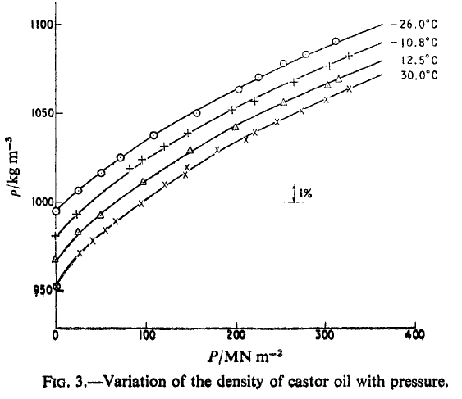
221.0 | -10.8 | 262.3 | 1056.0 | 9.4696E-04 |  |  |  | ERROR ESTIMATION IN CONVERTING GRAPH DATA INTO NUMBERS
263.9 | -10.8 | 262.3 | 1066.4 | 9.3772E-04
305.0 | -10.8 | 262.3 | 1076.4 | 9.2907E-04 |  |  |  | PRESSURE (MPa) |  |  |  |  | DENSITY (kg/m3)
326.0 | -10.8 | 262.3 | 1082.5 | 9.2379E-04 |  |  |  | Marked | Eng. Dig. | Dif. | Abs. Value Dif |  | Marked | Eng. Dig. | Dif. | Abs. Value Dif
0.1 | 12.5 | 285.7 | 964.3 | 1.0371E-03 |  |  |  | 100 | 100.457 | -0.5 | 0.5 |  | 1000 | 997.4 | 2.6 | 2.6
24.7 | 12.5 | 285.7 | 979.9 | 1.0205E-03 |  |  |  | 200 | 201.826 | -1.8 | 1.8 |  | 1050 | 1048.9 | 1.1 | 1.1
49.3 | 12.5 | 285.7 | 989.8 | 1.0103E-03 |  |  |  | 300 | 299.543 | 0.5 | 0.5 |  |  |  | MEAN | 1.9
96.8 | 12.5 | 285.7 | 1009.2 | 9.9089E-04 |  |  |  |  |  | MEAN | 0.9
149.8 | 12.5 | 285.7 | 1027.2 | 9.7356E-04
200.0 | 12.5 | 285.7 | 1040.4 | 9.6116E-04
253.9 | 12.5 | 285.7 | 1055.1 | 9.4780E-04
302.3 | 12.5 | 285.7 | 1064.5 | 9.3938E-04
315.1 | 12.5 | 285.7 | 1068.3 | 9.3606E-04
0.9 | 30 | 303.2 | 948.6 | 1.0541E-03
26.5 | 30 | 303.2 | 968.0 | 1.0330E-03
41.1 | 30 | 303.2 | 975.1 | 1.0255E-03
54.8 | 30 | 303.2 | 980.8 | 1.0196E-03
66.7 | 30 | 303.2 | 986.5 | 1.0137E-03
95.0 | 30 | 303.2 | 996.4 | 1.0036E-03
121.5 | 30 | 303.2 | 1007.3 | 9.9275E-04
144.3 | 30 | 303.2 | 1013.0 | 9.8720E-04
145.2 | 30 | 303.2 | 1017.7 | 9.8261E-04
179.9 | 30 | 303.2 | 1028.1 | 9.7266E-04
211.9 | 30 | 303.2 | 1033.3 | 9.6776E-04
221.0 | 30 | 303.2 | 1038.0 | 9.6335E-04
246.6 | 30 | 303.2 | 1043.7 | 9.5811E-04
273.1 | 30 | 303.2 | 1050.3 | 9.5207E-04
301.4 | 30 | 303.2 | 1057.0 | 9.4611E-04
326.9 | 30 | 303.2 | 1063.1 | 9.4064E-04
0.1 | 30.1 | 303.2 | 953.2 | 1.0491E-03 | REFERENCE
9.0 | 30.0 | 303.1 | 957.6 | 1.0443E-03 | Acosta, G. M., Smith, R. L., & Arai, K. (1996). High-Pressure PVT Behavior of Natural Fats and Oils, Trilaurin, Triolein, and n-Tridecane from 303 K to 353 K from Atmospheric Pressure to 150 MPa. Journal of Chemical & Engineering Data, 41(5), 961-969.
24.0 | 30.0 | 303.1 | 964.4 | 1.0369E-03
39.0 | 29.9 | 303 | 970.8 | 1.0301E-03 | PRODUCT CHARACTERISTICS
54.0 | 30.0 | 303.1 | 976.9 | 1.0236E-03 | Chemical properties:
69.0 | 30.0 | 303.1 | 982.6 | 1.0177E-03 | Iodine value (IV): 84.8
84.0 | 30.0 | 303.1 | 988.0 | 1.0121E-03 | Saponification value (SV): 180.9
99.0 | 30.0 | 303.1 | 993.1 | 1.0069E-03 | Molecular weight calculated from SV: 930.4
114.0 | 30.0 | 303.1 | 998.1 | 1.0019E-03
129.0 | 30.0 | 303.1 | 1002.8 | 9.9720E-04 | Fatty acid distribution (g/100 g of total fatty acids)
144.0 | 30.0 | 303.1 | 1007.3 | 9.9280E-04 | C16 | C18 | C18:1 | C18:2 | Ricinoleic
9.0 | 39.6 | 312.7 | 951.5 | 1.0510E-03 | 2 | 2.2 | 6.7 | 8.9 | 75.9
24.0 | 39.6 | 312.7 | 958.6 | 1.0432E-03
39.0 | 39.6 | 312.7 | 965.3 | 1.0360E-03 | SOURCE
54.0 | 39.5 | 312.6 | 971.4 | 1.0294E-03 | Wako Pure Chemical Industries (Osaka, Japan)
69.0 | 39.7 | 312.8 | 977.5 | 1.0230E-03
84.0 | 39.6 | 312.7 | 983.1 | 1.0172E-03 | METHOD EMPLOYED
99.0 | 39.6 | 312.7 | 988.3 | 1.0118E-03 | Specific volume measured by a static-type bellows apparatus
114.0 | 39.6 | 312.7 | 993.3 | 1.0067E-03
129.0 | 39.5 | 312.6 | 998.2 | 1.0018E-03 | DATA ORIGIN
144.0 | 39.7 | 312.8 | 1002.8 | 9.9720E-04 | Table 2 (atmospheric pressure) and Table 11 (high pressure) in the above referenced paper
9.0 | 59.5 | 332.6 | 939.1 | 1.0649E-03
24.0 | 59.6 | 332.7 | 946.7 | 1.0563E-03
39.0 | 59.6 | 332.7 | 953.8 | 1.0484E-03
54.0 | 59.6 | 332.7 | 960.3 | 1.0413E-03
69.0 | 59.6 | 332.7 | 966.5 | 1.0347E-03
84.0 | 59.6 | 332.7 | 972.2 | 1.0286E-03
99.0 | 59.6 | 332.7 | 977.7 | 1.0228E-03
114.0 | 59.6 | 332.7 | 983.0 | 1.0173E-03
129.0 | 59.7 | 332.8 | 987.8 | 1.0123E-03
144.0 | 59.6 | 332.7 | 992.7 | 1.0074E-03
9.0 | 79.7 | 352.8 | 926.5 | 1.0793E-03
24.0 | 79.8 | 352.9 | 934.8 | 1.0698E-03
39.0 | 79.9 | 353 | 942.2 | 1.0614E-03
54.0 | 79.9 | 353 | 948.9 | 1.0538E-03
69.0 | 79.9 | 353 | 955.5 | 1.0466E-03
84.0 | 80.0 | 353.1 | 961.4 | 1.0402E-03
99.0 | 80.0 | 353.1 | 967.1 | 1.0340E-03
114.0 | 79.7 | 352.8 | 972.7 | 1.0281E-03
129.0 | 79.7 | 352.8 | 977.9 | 1.0226E-03
144.0 | 79.7 | 352.8 | 982.9 | 1.0174E-03
0.0 | 40 | 313.15 | 936 | 1.0684E-03 | REFERENCE
40.5 | 40 | 313.15 | 962.685 | 1.0388E-03 | Mia, S., Hayashi, S., & Ohno, N. (2007). High pressure tribological behavior of vegetable oils as lubricant. In International Conference on Mechanical Engineering (ICME2007) (pp. 1-5). Dhaka, Bangladesh.
77.0 | 40 | 313.15 | 981.368 | 1.0190E-03
113.5 | 40 | 313.15 | 1000.05 | 9.9995E-04 | PRODUCT CHARACTERISTICS
154.1 | 40 | 313.15 | 1016.07 | 9.8418E-04 | Physical properties at atmosperic pressure:
198.6 | 40 | 313.15 | 1034.75 | 9.6642E-04 | Density at 15 °C: 966.6 kg/m3
239.2 | 40 | 313.15 | 1048.11 | 9.5410E-04 | Kinematic viscosity at 40 °C: 241.0 mm2/s
279.7 | 40 | 313.15 | 1058.79 | 9.4447E-04 | Kinematic viscosity at 100 °C: 17.5 mm2/s
324.3 | 40 | 313.15 | 1074.81 | 9.3040E-04 | Viscosity index: 75
368.9 | 40 | 313.15 | 1082.83 | 9.2351E-04
405.4 | 40 | 313.15 | 1096.18 | 9.1226E-04 | Fatty acids profile (wt%): | C16:0 | C18:0 | C18:1 | C18:1+H | C18:2 | C18:3 | Other
450.0 | 40 | 313.15 | 1109.53 | 9.0128E-04 |  | Palmitic | Stearic | Oleic | Ricinoleic | Linoleic | Linolenic
498.6 | 40 | 313.15 | 1120.22 | 8.9268E-04 |  | 1.1 | 1 | 4.1 | 88 | 4.8 | 0.5 | 0.7
543.2 | 40 | 313.15 | 1130.91 | 8.8424E-04
591.9 | 40 | 313.15 | 1144.26 | 8.7393E-04 | SOURCE
632.4 | 40 | 313.15 | 1149.61 | 8.6986E-04 | Not specified in the paper
681.1 | 40 | 313.15 | 1162.97 | 8.5987E-04
733.8 | 40 | 313.15 | 1170.99 | 8.5398E-04 | METHOD EMPLOYED
790.5 | 40 | 313.15 | 1184.35 | 8.4434E-04 | High-pressure densitometer. The density was determined by measuring the fluid volume in the machine by linear gauge.
839.2 | 40 | 313.15 | 1195.04 | 8.3679E-04
887.8 | 40 | 313.15 | 1205.73 | 8.2937E-04 | DATA ORIGIN
928.4 | 40 | 313.15 | 1216.41 | 8.2209E-04 | Data obtained from Figure 4 in the above referenced paper using Engauge Digitizer
968.9 | 40 | 313.15 | 1224.43 | 8.1671E-04 | Pressure values in red correspond to atmospheric pressure (0.1 MPa). Pressure values different to 0.1 MPa are due to errors during graph data conversion
1017.6 | 40 | 313.15 | 1232.45 | 8.1139E-04
1155.4 | 40 | 313.15 | 1256.51 | 7.9586E-04 |  |  |  | ERROR ESTIMATION IN CONVERTING GRAPH DATA INTO NUMBERS
1208.1 | 40 | 313.15 | 1264.54 | 7.9080E-04
1248.7 | 40 | 313.15 | 1272.55 | 7.8582E-04 |  |  |  | PRESSURE (MPa) |  |  |  |  | DENSITY (kg/m3)
1301.4 | 40 | 313.15 | 1280.58 | 7.8090E-04 |  |  |  | Marked | Eng. Dig. | Dif. | Abs. Value Dif |  | Marked | Eng. Dig. | Dif. | Abs. Value Dif
1350.0 | 40 | 313.15 | 1291.27 | 7.7443E-04 |  |  |  | 100 | 101.351 | -1.4 | 1.4 |  | 1 | 1.0 | 0.0 | 0.0
 |  |  |  |  |  |  |  | 500 | 502.703 | -2.7 | 2.7 |  | 1.3 | 1.3 | 0.0 | 0.0
 |  |  |  |  |  |  |  | 1000 | 1001.35 | -1.35 | 1.35 |  | 1.2 | 1.2 | -0.00001 | 0.00001
 |  |  |  |  |  |  |  | 1300 | 1301.35 | -1.35 | 1.35 |  | 1.1 | 1.1 | 0.0013 | 0.0013

 |  |  |  |  |  |  |  |  |  | MEAN | 1.7
 |  |  |  |  |  |  |  |  |  |  |  |  |  |  | MEAN | 0.0

0.1 | 10 | 283.15 | 967.4 | 0.0010336985735 | REFERENCE
1 | 10 | 283.15 | 967.9 | 1.0332E-03 | Freitas, S. V. D., e Silva, F. A., Pastoriza-Gallego, M. J., Piñeiro, M. M., Lima, Á. S., & Coutinho, J. A. P. (2013). Measurement and Prediction of Densities of Vegetable Oils at Pressures up to 45 MPa. Journal of Chemical & Engineering Data, 58(11), 3046-3053.
2 | 10 | 283.15 | 968.3 | 1.0327E-03
3 | 10 | 283.15 | 968.8 | 1.0322E-03 | PRODUCT CHARACTERISTICS
4 | 10 | 283.15 | 969.3 | 1.0317E-03 | Fatty acids profile (wt%): | C12:0 | C16:0 | C18:0 | C18:1 | C18:2 | C18:3 | C18:1OH
5 | 10 | 283.15 | 969.7 | 1.0312E-03 |  | 0.34 | 2.68 | 0.65 | 3.29 | 8.31 | 0.82 | 83.91
10 | 10 | 283.15 | 972.1 | 1.0287E-03
15 | 10 | 283.15 | 974.3 | 1.0264E-03 | SOURCE
20 | 10 | 283.15 | 976.5 | 1.0241E-03 | Castor oil from José M. Vaz Pereira SA (Portugal)
25 | 10 | 283.15 | 978.6 | 1.0219E-03
30 | 10 | 283.15 | 980.7 | 1.0197E-03 | METHOD EMPLOYED
35 | 10 | 283.15 | 982.8 | 1.0175E-03 | Density obtained in an Anton Para 512P vibrating tube densimeter
40 | 10 | 283.15 | 984.8 | 1.0154E-03
45 | 10 | 283.15 | 986.8 | 1.0134E-03 | DATA ORIGIN
0.1 | 20 | 293.15 | 960.5 | 1.0411E-03 | Table 2 in the above referenced paper
1 | 20 | 293.15 | 960.9 | 1.0407E-03
2 | 20 | 293.15 | 961.5 | 1.0400E-03
3 | 20 | 293.15 | 961.9 | 1.0396E-03
4 | 20 | 293.15 | 962.4 | 1.0391E-03
5 | 20 | 293.15 | 962.9 | 1.0385E-03
10 | 20 | 293.15 | 965.3 | 1.0359E-03
15 | 20 | 293.15 | 967.6 | 1.0335E-03
20 | 20 | 293.15 | 969.9 | 1.0310E-03
25 | 20 | 293.15 | 972.2 | 1.0286E-03
30 | 20 | 293.15 | 974.3 | 1.0264E-03
35 | 20 | 293.15 | 976.5 | 1.0241E-03
40 | 20 | 293.15 | 978.6 | 1.0219E-03
45 | 20 | 293.15 | 980.6 | 1.0198E-03
0.1 | 30 | 303.15 | 953.6 | 1.0487E-03
1 | 30 | 303.15 | 954.1 | 1.0481E-03
2 | 30 | 303.15 | 954.6 | 1.0476E-03
3 | 30 | 303.15 | 955.1 | 1.0470E-03
4 | 30 | 303.15 | 955.6 | 1.0465E-03
5 | 30 | 303.15 | 956.1 | 1.0459E-03
10 | 30 | 303.15 | 958.7 | 1.0431E-03
15 | 30 | 303.15 | 961 | 1.0406E-03
20 | 30 | 303.15 | 963.4 | 1.0380E-03
25 | 30 | 303.15 | 965.7 | 1.0355E-03
30 | 30 | 303.15 | 968 | 1.0331E-03
35 | 30 | 303.15 | 970.2 | 1.0307E-03
40 | 30 | 303.15 | 972.4 | 1.0284E-03
45 | 30 | 303.15 | 974.5 | 1.0262E-03
0.1 | 50 | 323.15 | 939.7 | 1.0642E-03
1 | 50 | 323.15 | 940.2 | 1.0636E-03
2 | 50 | 323.15 | 940.7 | 1.0630E-03
3 | 50 | 323.15 | 941.4 | 1.0622E-03
4 | 50 | 323.15 | 941.9 | 1.0617E-03
5 | 50 | 323.15 | 942.4 | 1.0611E-03
10 | 50 | 323.15 | 945.1 | 1.0581E-03
15 | 50 | 323.15 | 947.8 | 1.0551E-03
20 | 50 | 323.15 | 950.4 | 1.0522E-03
25 | 50 | 323.15 | 953 | 1.0493E-03
30 | 50 | 323.15 | 955.3 | 1.0468E-03
35 | 50 | 323.15 | 957.7 | 1.0442E-03
40 | 50 | 323.15 | 960 | 1.0417E-03
45 | 50 | 323.15 | 962.3 | 1.0392E-03
0.1 | 70 | 343.15 | 925.7 | 0.0010802635843
1 | 70 | 343.15 | 926.3 | 0.0010795638562
2 | 70 | 343.15 | 926.9 | 0.001078865034
3 | 70 | 343.15 | 927.5 | 0.0010781671159
4 | 70 | 343.15 | 928.1 | 0.0010774701002
5 | 70 | 343.15 | 928.7 | 0.0010767739851
10 | 70 | 343.15 | 931.6 | 0.0010734220696
15 | 70 | 343.15 | 934.5 | 0.0010700909577
20 | 70 | 343.15 | 937.3 | 0.0010668942708
25 | 70 | 343.15 | 939.9 | 0.0010639429727
30 | 70 | 343.15 | 942.6 | 0.0010608953957
35 | 70 | 343.15 | 945.1 | 0.0010580890911
40 | 70 | 343.15 | 947.6 | 0.0010552975939
45 | 70 | 343.15 | 950.1 | 0.0010525207873
0.1 | 90 | 363.15 | 911.8 | 1.0967E-03
1 | 90 | 363.15 | 912.3 | 1.0961E-03
2 | 90 | 363.15 | 913 | 1.0953E-03
3 | 90 | 363.15 | 913.7 | 1.0945E-03
4 | 90 | 363.15 | 914.4 | 1.0936E-03
5 | 90 | 363.15 | 915.1 | 1.0928E-03
10 | 90 | 363.15 | 918.3 | 1.0890E-03
15 | 90 | 363.15 | 920.7 | 1.0861E-03
20 | 90 | 363.15 | 924.4 | 1.0818E-03
25 | 90 | 363.15 | 927.4 | 1.0783E-03
30 | 90 | 363.15 | 930 | 1.0753E-03
35 | 90 | 363.15 | 932.8 | 1.0720E-03
40 | 90 | 363.15 | 935.4 | 1.0691E-03
45 | 90 | 363.15 | 938.1 | 1.0660E-03
0.0 | 10 | 283.15 | 967.33 | 1.0338E-03 | REFERENCE
42.6 | 10 | 283.15 | 995.68 | 1.0043E-03 | Mawatari, T., Fukuda, R., Mori, H., Mia, S., & Ohno, N. (2013). High Pressure Rheology of Environmentally Friendly Vegetable Oils. Tribology Letters, 51(2), 273-280
85.2 | 10 | 283.15 | 1017.48 | 9.8282E-04
122.2 | 10 | 283.15 | 1036.01 | 9.6524E-04 | PRODUCT CHARACTERISTICS
164.8 | 10 | 283.15 | 1054.88 | 9.4797E-04 | Physical properties at atmospheric pressure:
204.5 | 10 | 283.15 | 1068.30 | 9.3607E-04 | Density at 15 °C: 965 kg/m3
247.2 | 10 | 283.15 | 1083.83 | 9.2265E-04 | Kinematic viscosity at 40 °C: 262 mm2/s
289.8 | 10 | 283.15 | 1097.62 | 9.1107E-04 | Kinematic viscosity at 100 °C: 19.8 mm2/s
329.5 | 10 | 283.15 | 1109.57 | 9.0125E-04
375.0 | 10 | 283.15 | 1123.68 | 8.8994E-04 | Fatty acids profile (wt%): | C16:0 | C18:0 | C18:1 | C18:1+H | C18:2 | C18:3
417.6 | 10 | 283.15 | 1135.91 | 8.8035E-04 |  | Palmitic | Stearic | Oleic | Ricinoleic | Linoleic | Linolenic
463.1 | 10 | 283.15 | 1146.21 | 8.7244E-04 |  | 1.1 | 1 | 4.1 | 87.8 | 4.8 | 0.5
511.4 | 10 | 283.15 | 1158.69 | 8.6304E-04
551.1 | 10 | 283.15 | 1169.20 | 8.5529E-04 | SOURCE
599.4 | 10 | 283.15 | 1179.80 | 8.4760E-04 | Commercial source. The oil was used as supplied without further purification
647.7 | 10 | 283.15 | 1190.49 | 8.3999E-04
693.2 | 10 | 283.15 | 1201.29 | 8.3244E-04 | METHOD EMPLOYED
741.5 | 10 | 283.15 | 1212.18 | 8.2496E-04 | High-pressure densitometer. The density was determined by measuring the fluid volume in the machine by using a linear gauge.
786.9 | 10 | 283.15 | 1220.96 | 8.1903E-04
832.4 | 10 | 283.15 | 1232.03 | 8.1167E-04 | DATA ORIGIN
877.8 | 10 | 283.15 | 1240.96 | 8.0583E-04 | Data obtained from Figure 6 in the above referenced paper using Engauge Digitizer
920.5 | 10 | 283.15 | 1249.95 | 8.0003E-04 | Pressure values in red correspond to atmospheric pressure (0.1 MPa). Pressure values different to 0.1 MPa are due to errors during graph data conversion
965.9 | 10 | 283.15 | 1259.01 | 7.9428E-04
1005.7 | 10 | 283.15 | 1265.85 | 7.8999E-04
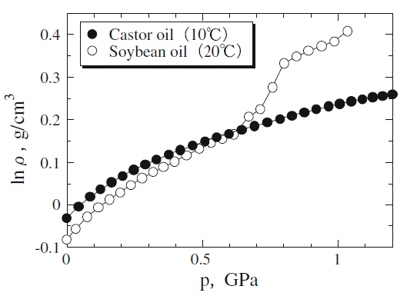
1048.3 | 10 | 283.15 | 1272.72 | 7.8572E-04 |  |  |  |  |  |  | ERROR ESTIMATION IN CONVERTING GRAPH DATA INTO NUMBERS
1088.1 | 10 | 283.15 | 1279.63 | 7.8148E-04
1127.8 | 10 | 283.15 | 1286.58 | 7.7726E-04 |  |  |  |  |  |  | PRESSURE (MPa) |  |  |  |  | DENSITY (kg/m3)
1164.8 | 10 | 283.15 | 1288.90 | 7.7585E-04 |  |  |  |  |  |  | Marked | Eng. Dig. | Dif. | Abs. Value Dif |  | Marked | Eng. Dig. | Dif. | Abs. Value Dif
1201.7 | 10 | 283.15 | 1293.56 | 7.7306E-04 |  |  |  |  |  |  | 100 | 102.273 | -2.3 | 2.3 |  | 1350 | 1348.4 | 1.6 | 1.6
 |  |  |  |  |  |  |  |  |  |  | 200 | 201.705 | -1.7 | 1.7 |  | 1100 | 1103.6 | -3.6 | 3.6
 |  |  |  |  |  |  |  |  |  |  | 500 | 502.841 | -2.8 | 2.8 |  | 1000 | 999.3 | 0.72176140484 | 0.72176140484
 |  |  |  |  |  |  |  |  |  |  | 800 | 801.136 | -1.1 | 1.1 |  | 1050 | 1049.2 | 0.81423650931 | 0.81423650931
 |  |  |  |  |  |  |  |  |  |  | 1100 | 1102.27 | -2.3 | 2.3

 |  |  |  |  |  |  |  |  |  |  |  |  | MEAN | 2.3 |  |  |  | MEAN | 1.7

