Cover
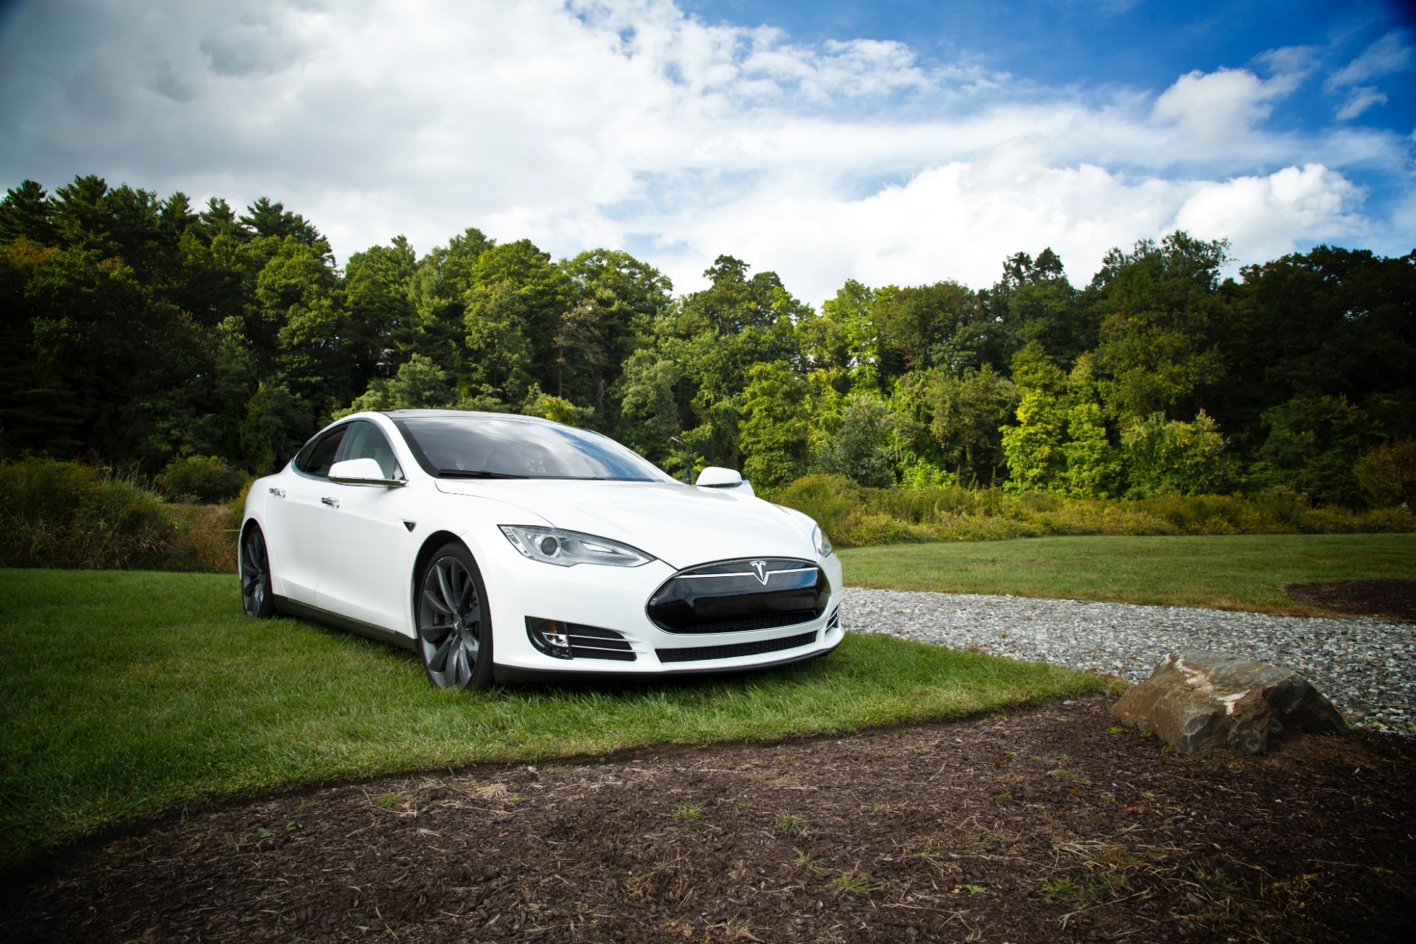

Tesla
Company analysis

Drivers
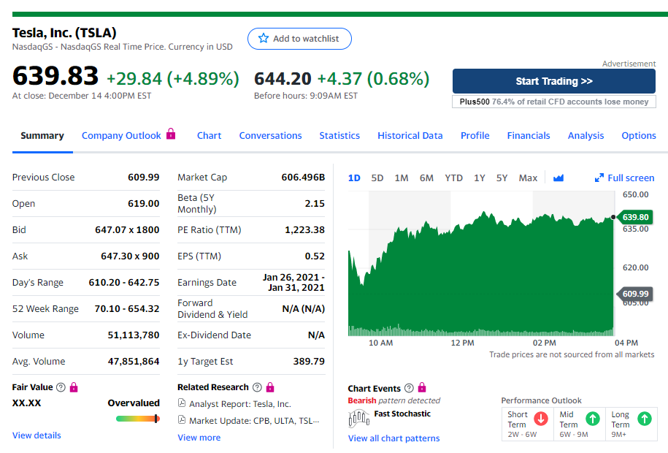
Drivers

Selected case | 2
Company | Tesla
Currency | USD
Domestic country | United States
10-year treasury yield (Sep 18 2020) | 0.70%
Market risk premium US | 5%
Company beta (Dec 15 2020) | 2.15
Tesla share price (Dec 15 2020) | 639.83
Bond Yield (Sep 18 2020) | 4.32%
Corporate tax rate | 21%
Expected inflation | 2%

Deliveries development
Tesla vehicle deliveries 2015-2029 (actuals and forecasts)
 | Tesla Model 3 | Tesla Model S and X | Tesla Model Y | Tesla Roadster 2 | Tesla Pickup | Tesla Semi
2015 Act | - | 50,580 | - | - | - | -
2016 Act | - | 76,230 | - | - | - | -
2017 Act | 1,764 | 101,312 | - | - | - | -
2018 Act | 146,055 | 98,865 | - | - | - | -
2019 Act | 300,815 | 66,385 | - | - | - | -
2020 Fcst | 481,304 | 69,040 | 1,764 | - | - | -
2021 Fcst | 529,434 | 71,802 | 146,055 | - | 250 | 250
2022 Fcst | 582,378 | 74,674 | 300,815 | 500 | 20,699 | 20,699
2023 Fcst | 628,968 | 77,661 | 481,304 | 1,000 | 42,633 | 42,633
2024 Fcst | 679,286 | 80,768 | 529,434 | 1,500 | 68,212 | 68,212
2025 Fcst | 706,457 | 83,998 | 582,378 | 1,650 | 75,033 | 75,033
2026 Fcst | 734,715 | 87,358 | 628,968 | 1,815 | 82,537 | 82,537
2027 Fcst | 764,104 | 90,852 | 679,286 | 1,960 | 89,139 | 89,139
2028 Fcst | 794,668 | 94,487 | 706,457 | 2,117 | 96,271 | 96,271
2029 Fcst | 826,455 | 98,266 | 734,715 | 2,202 | 100,121 | 100,121

Revenue & GP autom
Revenue and Gross Profit automotive

Vehicle | 2016 Act | 2017 Act | 2018 Act | 2019 Act | 2020 Fcst | 2021 Fcst | 2022 Fcst | 2023 Fcst | 2024 Fcst | 2025 Fcst | 2026 Fcst | 2027 Fcst | 2028 Fcst | 2029 Fcst
Revenue automotive | 3,741 | 6,351 | 9,641 | 18,515 | 33,219 | 44,968 | 62,454 | 81,523 | 93,584 | 100,241 | 106,744 | 113,336 | 118,719 | 123,468
Gross Profit automotive | 918 | 1,601 | 2,209 | 4,341 | 7,415 | 9,449 | 12,591 | 15,971 | 18,298 | 19,524 | 20,738 | 21,962 | 23,007 | 23,927
GP% | 25% | 25% | 23% | 23% | 22% | 21% | 20% | 20% | 20% | 19% | 19% | 19% | 19% | 19%

Revenue and Gross Profit automotive

WC development
Working Capital development (2018-2028)
 | Trade receivables | Inventory | Trade payables
31Dec2020 Fcst | 1,920 | 8,353 | 7,667
31Dec2021 Fcst | 2,546 | 11,184 | 10,265
31Dec2022 Fcst | 3,458 | 15,257 | 14,003
31Dec2023 Fcst | 4,447 | 19,680 | 18,063
31Dec2024 Fcst | 5,080 | 22,463 | 20,617
31Dec2025 Fcst | 5,438 | 24,063 | 22,086
31Dec2026 Fcst | 5,789 | 25,631 | 23,525
31Dec2027 Fcst | 6,146 | 27,226 | 24,989
31Dec2028 Fcst | 6,442 | 28,543 | 26,198
31Dec2029 Fcst | 6,708 | 29,727 | 27,284

Revenue by type of car
Revenue by type of car

 | Tesla Revenue Automotive (in mln $)
Vehicle | 2015 Act | 2016 Act | 2017 Act | 2018 Act | 2019 Act | 2020 Fcst | 2021 Fcst | 2022 Fcst | 2023 Fcst | 2024 Fcst | 2025 Fcst | 2026 Fcst | 2027 Fcst | 2028 Fcst | 2029 Fcst | Vehicle type
Tesla Model 3 | - | - | 88 | 8,136 | 14,706 | 26,066 | 28,672 | 31,540 | 34,063 | 36,788 | 38,259 | 39,790 | 41,381 | 43,037 | 44,758 | Car
Tesla Model S and X | 3,741 | 6,351 | 9,553 | 10,378 | 6,115 | 7,046 | 7,328 | 7,621 | 7,926 | 8,243 | 8,572 | 8,915 | 9,272 | 9,643 | 10,028 | Car
Tesla Model Y | - | - | - | - | - | 108 | 8,909 | 18,350 | 29,360 | 32,295 | 35,525 | 38,367 | 41,436 | 43,094 | 44,818 | Car
Tesla Roadster 2 | - | - | - | - | - | - | - | 113 | 225 | 338 | 371 | 408 | 441 | 476 | 495 | Car
Tesla Pickup | - | - | - | - | - | - | 15 | 1,209 | 2,490 | 3,984 | 4,382 | 4,820 | 5,206 | 5,622 | 5,847 | Pickup
Tesla Semi | - | - | - | - | - | - | 44 | 3,622 | 7,461 | 11,937 | 13,131 | 14,444 | 15,599 | 16,847 | 17,521 | Truck
Total | 3,741 | 6,351 | 9,641 | 18,515 | 20,821 | 33,219 | 44,968 | 62,454 | 81,523 | 93,584 | 100,241 | 106,744 | 113,336 | 118,719 | 123,468
Revenue from different types of vehicles sold: 2020 - 2029

Types of vehicles
Types of vehicles

 | Tesla Revenue Automotive (in mln $)
Vehicle | 2015 Act | 2016 Act | 2017 Act | 2018 Act | 2019 Act | 2020 Fcst | 2021 Fcst | 2022 Fcst | 2023 Fcst | 2024 Fcst | 2025 Fcst | 2026 Fcst | 2027 Fcst | 2028 Fcst | 2029 Fcst | Vehicle type
Tesla Model 3 | - | - | 88 | 8,136 | 14,706 | 26,066 | 28,672 | 31,540 | 34,063 | 36,788 | 38,259 | 39,790 | 41,381 | 43,037 | 44,758 | Car
Tesla Model S and X | 3,741 | 6,351 | 9,553 | 10,378 | 6,115 | 7,046 | 7,328 | 7,621 | 7,926 | 8,243 | 8,572 | 8,915 | 9,272 | 9,643 | 10,028 | Car
Tesla Model Y | - | - | - | - | - | 108 | 8,909 | 18,350 | 29,360 | 32,295 | 35,525 | 38,367 | 41,436 | 43,094 | 44,818 | Car
Tesla Roadster 2 | - | - | - | - | - | - | - | 113 | 225 | 338 | 371 | 408 | 441 | 476 | 495 | Car
Tesla Pickup | - | - | - | - | - | - | 15 | 1,209 | 2,490 | 3,984 | 4,382 | 4,820 | 5,206 | 5,622 | 5,847 | Pickup
Tesla Semi | - | - | - | - | - | - | 44 | 3,622 | 7,461 | 11,937 | 13,131 | 14,444 | 15,599 | 16,847 | 17,521 | Truck
Total | 3,741 | 6,351 | 9,641 | 18,515 | 20,821 | 33,219 | 44,968 | 62,454 | 81,523 | 93,584 | 100,241 | 106,744 | 113,336 | 118,719 | 123,468

 | 2015 Act | 2016 Act | 2017 Act | 2018 Act | 2019 Act | 2020 Fcst | 2021 Fcst | 2022 Fcst | 2023 Fcst | 2024 Fcst | 2025 Fcst | 2026 Fcst | 2027 Fcst | 2028 Fcst | 2029 Fcst
Car |  |  |  |  |  | 33,219 | 44,909 | 57,623 | 71,573 | 77,663 | 82,728 | 87,480 | 92,530 | 96,249 | 100,099
Pickup |  |  |  |  |  | - | 15 | 1,209 | 2,490 | 3,984 | 4,382 | 4,820 | 5,206 | 5,622 | 5,847
Truck |  |  |  |  |  | - | 44 | 3,622 | 7,461 | 11,937 | 13,131 | 14,444 | 15,599 | 16,847 | 17,521
Total |  |  |  |  |  | 33,219 | 44,968 | 62,454 | 81,523 | 93,584 | 100,241 | 106,744 | 113,336 | 118,719 | 123,468
Revenue from different types of vehicles sold: 2020 - 2029

Profitability
Types of vehicles

($ in million) | 2015 Act | 2016 Act | 2017 Act | 2018 Act | 2019 Act | 2020 Fcst | 2021 Fcst | 2022 Fcst | 2023 Fcst | 2024 Fcst | 2025 Fcst | 2026 Fcst | 2027 Fcst | 2028 Fcst | 2029 Fcst
Revenue | 4,046 | 7,000 | 11,759 | 21,461 | 24,578 | 37,652 | 49,933 | 67,816 | 87,208 | 99,609 | 106,627 | 113,514 | 120,512 | 126,326 | 131,531
GP% | 22.8% | 22.8% | 18.9% | 18.8% | 16.6% | 19.7% | 18.9% | 18.6% | 18.3% | 18.4% | 18.3% | 18.3% | 18.2% | 18.2% | 18.2%
EBIT% | -17.7% | -9.5% | -13.9% | -1.8% | -0.3% | 6.0% | 5.3% | 4.9% | 4.6% | 4.7% | 4.6% | 4.6% | 4.6% | 4.5% | 4.5%
Gross Profit | 924 | 1,599 | 2,222 | 4,042 | 4,069 | 7,415 | 9,449 | 12,591 | 15,971 | 18,298 | 19,524 | 20,738 | 21,962 | 23,007 | 23,927
EBIT | (717) | (667) | (1,632) | (388) | -69 | 2,268 | 2,623 | 3,320 | 4,050 | 4,681 | 4,948 | 5,220 | 5,487 | 5,737 | 5,946
Tesla profitability: 2015-2029

