Screens
Design Preview | Screen ID | Screen Name | Figma Source (Make screen) | Screenshot File(s) | Design Details | Main Entry Point | Exit Paths | Components | States | Data Requirements | Accessibility Notes | Localization Notes | Screenshot Test Required | Related Ticket Keys | Design Status | Implementation Status | Review Status | Open Questions
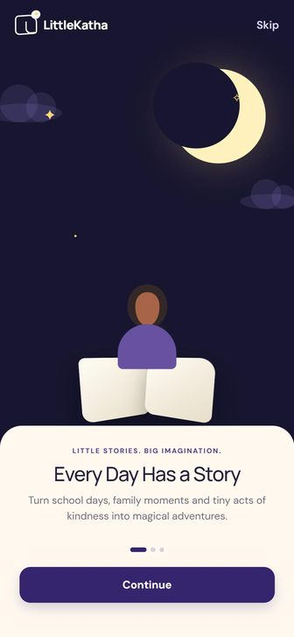 | SCR-01 | Onboarding (3 slides) | Figma Make · Mobile App UI Prototype · screen 'onboarding' | 01-onboarding-1-every-day-has-a-story.jpg 02-onboarding-2-your-child-the-hero.jpg 03-onboarding-3-listen-dream-repeat.jpg | Night canvas #17152F. Sheet: eyebrow 'LITTLE STORIES. BIG IMAGINATION.' → title 29/1.12 Manrope → body 15/1.55 muted → pager (active dot 24px, others 7px) → button. Slide 1 'Every Day Has a Story'; 2 'Your Child, the Hero'; 3 'Listen, Dream, Repeat' (button 'Get Started'). Scene identical on all slides. No swipe and no back control in prototype. | First launch | Setup (Continue on slide 3 / Get Started / Skip) | Brand mark (light), Skip text button, night scene illustration (moon, clouds, twinkling stars, child reading), cream bottom sheet 32dp top radius, eyebrow, title, body, pager dots, primary button | Slide 1, Slide 2, Slide 3 | Static copy only | Pager must announce 'slide n of 3'; twinkle animation must respect reduced motion; Skip ≥48dp | 3 titles/bodies; body min-height 70px may grow in Kannada | EN + KN | LS-014, LS-060 | Design Ready | Not started | Not reviewed | Should slides support swipe and back? (not in prototype)
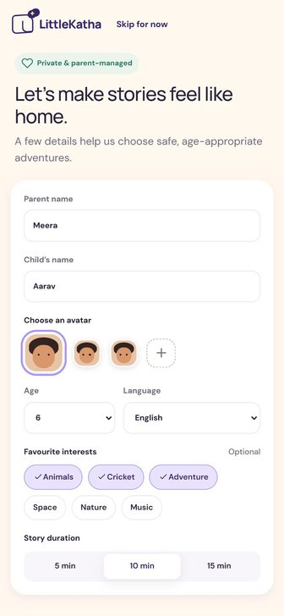 | SCR-02 | Setup – Child profile | Figma Make · Mobile App UI Prototype · screen 'setup' | 04-setup-profile.jpg | Badge 'Private & parent-managed' (green). Title 'Let’s make stories feel like home.' Fields: Parent name (Meera), Child’s name (Aarav), avatar row (3 faces + dashed +), Age 3–12 (6), Language (English), interests Animals/Cricket/Adventure/Space/Nature/Music (3 preselected, 'Optional'), duration 5/10/15 min (10). CTA 'Create {child}’s profile'. | Onboarding; Child Profiles (Add/Edit); Profile → Account settings | Home (CTA or 'Skip for now') | TopBar with brand + 'Skip for now', trust badge, form card (text fields, avatar picker, age select, language select, interest chips multi-select, segmented duration), sticky CTA | Default, editing, validation (name required – decision), saving | ChildProfile (parent name, child name, avatar, age 3–12, language, interests, default duration) | Labels bound to fields; chips expose selected state; select fields operable by TalkBack | Language list must come from SupportedLanguage registry (EN, ಕನ್ನಡ) – design shows 7 languages | EN + KN | LS-016, LS-045, LS-061, LS-062 | Design Ready | Not started | Not reviewed | Is parent name needed (data minimisation)? Required-field rules? Avatar '+' behaviour?
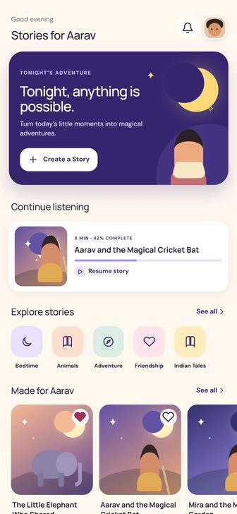 | SCR-03 | Home | Figma Make · Mobile App UI Prototype · screen 'home' | 05-home.jpg | Header 'Good evening' 12sp muted / 'Stories for Aarav' 21sp. Hero #35256F radius 26: kicker 'TONIGHT’S ADVENTURE', 'Tonight, anything is possible.', body, '+ Create a Story'. Continue card: '8 MIN · 42% COMPLETE', progress lavender, 'Resume story'. Categories: Bedtime, Animals, Adventure, Friendship, Indian Tales (pastel tiles). Culture banner #F5DFC0 'ROOTED IN WONDER / Stories from every corner of India'. | Setup; bottom nav | Notifications, Child Profiles, Create, Player, Discover, Category, Story Detail | Greeting header + bell + avatar, indigo hero card with illustration and white button, SectionHeader, ContinueCard, category tiles row, StoryCard row with heart toggle, culture banner, BottomNav | Populated; no continue-listening item (decision); empty 'Made for' (decision) | Active child, recently played + progress, categories, recommended stories, favourites | Hero image decorative; story cards announce title, category, duration, favourite state | 'Stories for {child}', 'Made for {child}' – name inside string must use format args | EN + KN | LS-014, LS-018, LS-070, LS-091 | Design Ready | Not started | Not reviewed | Greeting only shows 'Good evening' – time-of-day logic? Empty states for new user not designed
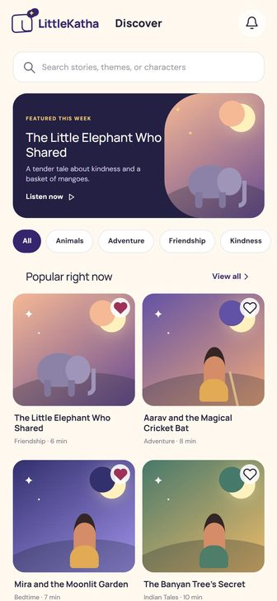 | SCR-04a | Discover | Figma Make · Mobile App UI Prototype · screen 'discover' | 06-discover.jpg | Search placeholder 'Search stories, themes, or characters'. Featured #242044: 'FEATURED THIS WEEK', 'The Little Elephant Who Shared', 'Listen now ▷'. Chips: All, Animals, Adventure, Friendship, Kindness, Nature, Space, Science, Panchatantra, Indian Folk Tales, Festivals, Learning. Sections 'Popular right now' (+View all) and 'Bedtime favourites'. | Bottom nav; Home 'See all' | Story Detail, Category, Notifications | TopBar brand+title+bell, search field with clear, dark featured card, horizontal filter chips, 2-column grid, horizontal row | Default, searching (featured hidden, title 'Results for …'), filtered by chip | Catalog, categories, favourites | Search field labelled; chip selection announced | Search must work for Kannada titles (locale-aware lowercase/contains) | EN + KN | LS-014, LS-016, LS-018, LS-071 | Design Ready | Not started | Not reviewed | Featured card 'Listen now' goes to Detail in prototype – should it open Player?
 | SCR-04b | Discover – No results (empty state) | Figma Make · Mobile App UI Prototype · screen 'discover (empty)' | 06-discover.jpg | 'No stories found' / 'Try a different title or explore one of our story collections.' / 'Clear search' (resets query and chip to All). Described in design spec; not separately captured as screenshot. | Search with no match | Clear search → Discover default | Empty state (icon tile, title, body, secondary button) | Empty | None | Empty state title announced as heading | – | EN + KN | LS-017, LS-072 | Design Ready (spec only) | Not started | Not reviewed | No separate screenshot – confirm visual
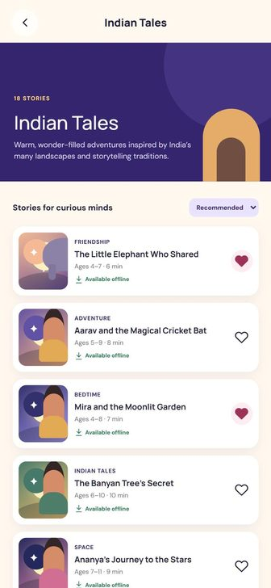 | SCR-05 | Category (Indian Tales) | Figma Make · Mobile App UI Prototype · screen 'category' | 21-category-indian-tales.jpg | Hero 220px indigo: '18 STORIES', 'Indian Tales', description. 'Stories for curious minds' + sort pill. Rows: art 78×91, eyebrow category, title, 'Ages 4–7 · 6 min', green 'Available offline', heart. | Home category tile / culture banner; Discover 'View all' | Story Detail; back → Discover | TopBar with back + title, indigo category hero with arch illustration, sort select, ListStoryRow with heart | Populated; sort Recommended/Shortest first/Newest | Category, stories in category, downloaded flag, favourites | Sort control labelled; rows announce offline availability | '{n} stories' needs plurals | EN + KN | LS-018, LS-073 | Design Ready | Not started | Not reviewed | Prototype hard-codes Indian Tales – generic per category? Hero art per category?
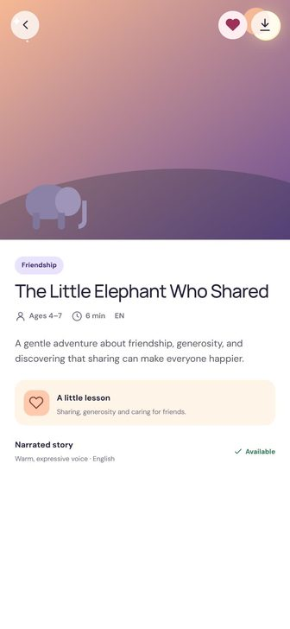 | SCR-06 | Story Detail | Figma Make · Mobile App UI Prototype · screen 'detail' | 22-story-detail.jpg | Cover 355px. Pill category, title 27sp, metadata Ages 4–7 · 6 min · EN, synopsis 14/1.65, lesson panel #FFF4E8 with peach tile, 'Narrated story – Warm, expressive voice · English – ✓ Available'. Sticky: 'Listen to Story' (primary) + 'Read Story' (secondary). | Story cards/rows anywhere | Player (Listen), Reader (Read), back | Full-bleed cover with floating back/favourite/download, white body sheet, pill, metadata row, synopsis, 'A little lesson' panel, narration row, sticky dual CTA | Favourite on/off, downloaded on/off | Story (title, category, ages, minutes, language, synopsis, lesson, narration) | Cover decorative; metadata read as one phrase | Language tag 'EN' must reflect story language (EN/ಕನ್ನಡ) | EN + KN | LS-018, LS-044, LS-074 | Design Ready | Not started | Not reviewed | –
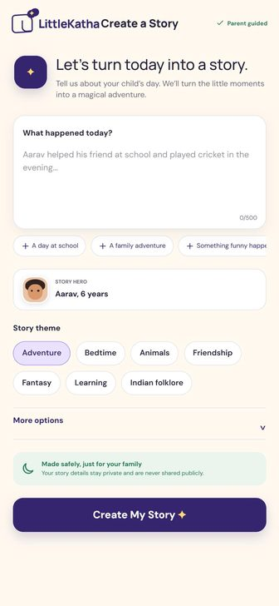 | SCR-07 | Create a Story | Figma Make · Mobile App UI Prototype · screen 'create' | 07-create-story.jpg 08-create-story-more-options-and-error.jpg | Textarea label 'What happened today?', counter n/500. Suggestions: A day at school, A family adventure, Something funny happened, I learned something new, An act of kindness. Hero select (Aarav, Ananya). Themes: Adventure*, Bedtime, Animals, Friendship, Fantasy, Learning, Indian folklore. More options: Mood Calm/Funny/Magical*/Adventurous; Duration 5/8*/10/15 minutes; Story language. Error 'Tell us one little moment to begin the story.' CTA 'Create My Story ✦'. | Home hero CTA; bottom nav Create | Generating (valid submit) | TopBar title + 'Parent guided' label, intro orb, textarea with counter, suggestion chips, story-hero selector, theme chips, collapsible 'More options' (mood, duration, story language), safety note, primary CTA, error banner | Default, more options expanded, validation error, typing clears error | Child profiles, StoryCreationRequest | Error must be announced (live region); counter readable; chips single-select semantics | Placeholder is gendered ('helped his friend') – needs neutral, translatable copy; counter uses format args | EN + KN | LS-016, LS-080, LS-081 | Design Ready | Not started | Not reviewed | Story language list must be EN/KN only; gendered placeholder copy
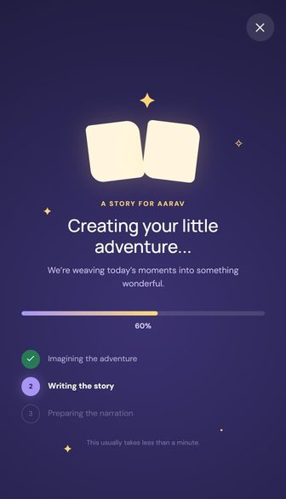 | SCR-08 | Generating + Paused | Figma Make · Mobile App UI Prototype · screen 'generating' | 09-generating.jpg | Eyebrow 'A STORY FOR AARAV', 'Creating your little adventure…', 'We’re weaving today’s moments into something wonderful.' Bar lavender→yellow. Stages: Imagining the adventure / Writing the story / Preparing the narration. Footnote 'This usually takes less than a minute.' Paused: 'Story creation paused', 'Your idea is still here. Continue whenever you’re ready.', Try again / Back to your idea. Prototype: +4% every 120ms. | Create submit | Story Ready (auto at 100%); Paused → Try again / Back to your idea | Night gradient, close button, twinkling stars, magic book, eyebrow, title, gradient progress bar + %, 3-stage list, footnote; paused state with icon + 2 buttons | Progress (stages <38% / <76% / ≥76%), paused (cancelled) | Simulated generation job | Progress announced politely (not every tick); close button labelled; reduced motion | 'A story for {CHILD}' uppercase via style, not string | EN + KN | LS-017, LS-082, LS-083 | Design Ready | Not started | Not reviewed | Paused state not captured as screenshot
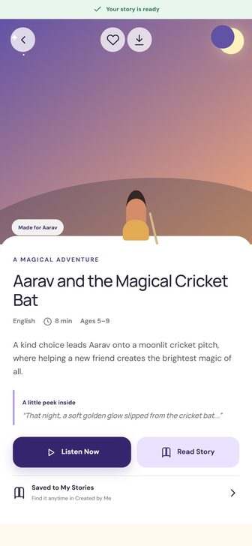 | SCR-09 | Story Ready | Figma Make · Mobile App UI Prototype · screen 'generated' | 10-story-ready.jpg | Ribbon #E9F6EE '✓ Your story is ready'. Cover 385px, badge 'Made for Aarav'. 'A MAGICAL ADVENTURE', title 28sp, English · 8 min · Ages 5–9. 'A little peek inside' quote with lavender rule. Listen Now / Read Story. Row 'Saved to My Stories – Find it anytime in Created by Me'. | Generating complete; notification | Player, Reader, My Stories (Created by Me) | Success ribbon, cover with back/favourite/download + 'Made for' badge, body sheet, eyebrow, title, metadata, synopsis, pull-quote, dual buttons, 'Saved to My Stories' row | Ready | Generated story | Ribbon announced on arrival | Story content must be in selected story language | EN + KN | LS-018, LS-044, LS-082, LS-084 | Design Ready | Not started | Not reviewed | –
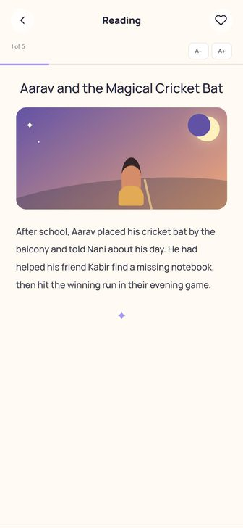 | SCR-10 | Reader | Figma Make · Mobile App UI Prototype · screen 'reader' | 11-reader.jpg | Background #FFFAF2. '1 of 5'. Paragraph Manrope 16/1.95 #393348, scalable in 0.1 steps. Reader nav: ghost Previous, round indigo play 54px, ghost Next. | Detail 'Read Story', Story Ready, Player 'Story text' | Player (narration button), back | TopBar 'Reading' + back + favourite, page indicator, A−/A+ buttons, 3dp reading progress, title, cover (page 1), paragraph, flourish, bottom bar Previous / play / Next | Page 1..n, first (Previous disabled), last (Next disabled), text scale 0.9–1.3 | Story pages, reading progress, text-size preference | A−/A+ labelled 'Decrease/Increase text size'; text must also respect system font scale | Kannada paragraphs need larger line height; page indicator uses format args | EN + KN | LS-018, LS-044, LS-090, LS-091 | Design Ready | Not started | Not reviewed | Persist text size per child or app-wide?
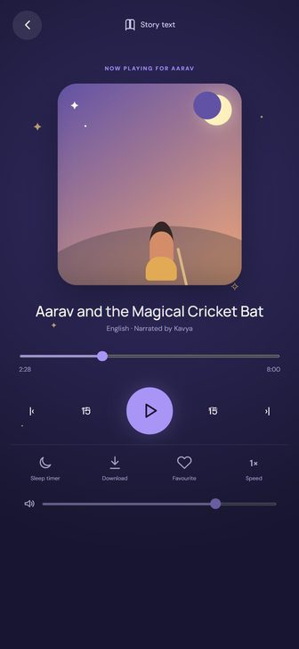 | SCR-11a | Player | Figma Make · Mobile App UI Prototype · screen 'player' | 12-player.jpg | Label 'NOW PLAYING FOR AARAV', cover 245×264 (265×290 tall phones), 'English · Narrated by Kavya', seek starts 31% (2:28/8:00), play 67px lavender. Secondary: Sleep timer, Download→Downloaded, Favourite→Loved, Speed cycles 0.75/1/1.25/1.5×. Volume default 75. | Detail 'Listen', Story Ready, Home continue card, Reader play | Reader ('Story text'), back | Night gradient, stars, back, 'Story text' link, label, cover with glow, title, narrator line, seek slider + times, 5 transport controls, 4 secondary controls, volume slider | Paused/playing, downloaded, favourite, speed 0.75–1.5×, timer set | Simulated playback state | All controls labelled; slider exposes value; 15s glyphs overlap (defect) | 'Narrated by {name}', 'Now playing for {child}' via format args | EN + KN | LS-018, LS-091, LS-092, LS-094 | Design Ready | Not started | Not reviewed | Simulated audio must be labelled as simulation – where? 15s glyph overlap
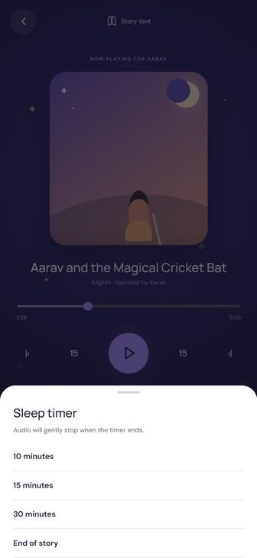 | SCR-11b | Player – Sleep timer sheet | Figma Make · Mobile App UI Prototype · screen 'player (sleep sheet)' | 13-player-sleep-timer-sheet.jpg | 'Sleep timer', 'Audio will gently stop when the timer ends.' Options: 10 minutes, 15 minutes, 30 minutes, End of story. Selected label replaces 'Sleep timer' on button. | Player 'Sleep timer' | Player (select or Cancel / tap outside) | Modal bottom sheet with handle, title, body, 4 option rows with check, Cancel ghost button, dim overlay | None selected / option selected | Sleep timer value | Sheet focus trapped; selected option announced | – | EN + KN | LS-017, LS-093 | Design Ready | Not started | Not reviewed | –
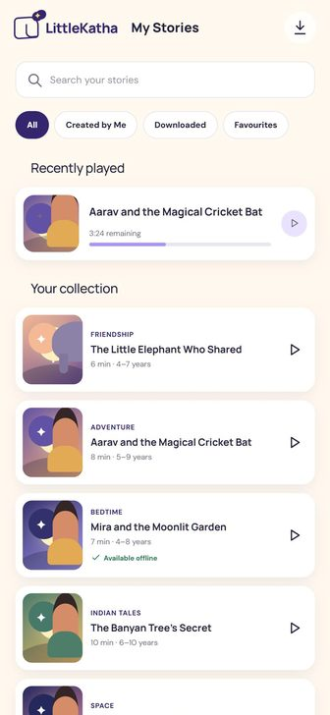 | SCR-12 | My Stories | Figma Make · Mobile App UI Prototype · screen 'library' | 14-my-stories.jpg | Tabs: All, Created by Me, Downloaded, Favourites. All tab: 'Recently played' card ('3:24 remaining'), 'Your collection'. Empty Downloaded: 'Ready for offline adventures?'; others 'No stories here yet' – both 'Discover stories'. | Bottom nav; Story Ready row | Player, Story Detail, Story Ready (created), Offline Downloads, Discover | TopBar brand+title+download icon, search, pill tabs, recently played card, list rows with play, empty states | All, Created by Me, Downloaded, Favourites, empty (Downloaded / others), searching | Saved/created/downloaded/favourite stories, recently played | Tabs expose selected state | Tab labels may wrap in Kannada – horizontal scroll | EN + KN | LS-014, LS-016, LS-017, LS-018, LS-091, LS-100 | Design Ready | Not started | Not reviewed | –
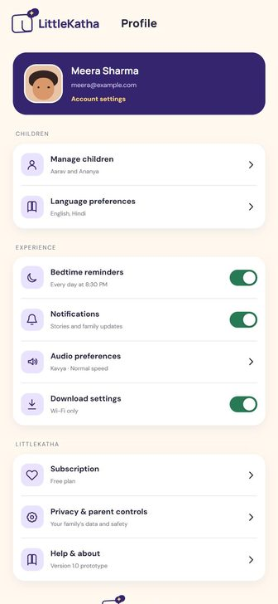 | SCR-13 | Profile (settings hub) | Figma Make · Mobile App UI Prototype · screen 'settings' | 15-profile-settings.jpg | Parent card: Meera Sharma, meera@example.com, 'Account settings'. CHILDREN: Manage children, Language preferences. EXPERIENCE: Bedtime reminders (toggle), Notifications (toggle), Audio preferences, Download settings (Wi-Fi only toggle). LITTLESTORY: Subscription (Free plan), Privacy & parent controls, Help & about (Version 1.0 prototype). Screenshot still shows old 'LittleKatha' brand. | Bottom nav Profile | Setup, Child Profiles, Language prefs, Reminders, Notifications, Audio prefs, Downloads, Subscription, Privacy, Help | Indigo parent card, grouped settings rows with icon tiles, toggles, chevrons, footer brand | Toggles on/off | Parent info, children, settings | Prototype nests a toggle inside a row button – must be separate targets | Group headings uppercase via style; 'Every day at {time}' locale time format | EN + KN | LS-014, LS-016, LS-046, LS-110 | Design Ready | Not started | Not reviewed | Several rows route to placeholder screens in prototype (Audio → Player, Privacy/Help → Notifications, Language → Setup)
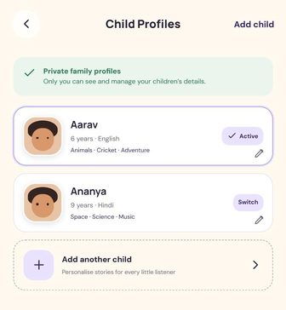 | SCR-14 | Child Profiles | Figma Make · Mobile App UI Prototype · screen 'profiles' | 20-child-profiles.jpg | Privacy note 'Private family profiles – Only you can see and manage your children’s details.' Cards: Aarav (6 · English · Animals · Cricket · Adventure, ✓ Active), Ananya (9 · Hindi · Space · Science · Music, Switch). 'Add another child – Personalise stories for every little listener'. | Home avatar; Profile → Manage children | Setup (add/edit), back → Profile | TopBar title + 'Add child', privacy note, profile cards (active pill / Switch, edit pencil), dashed add row | Active/inactive profiles | ChildProfile list, active profile | Edit icon labelled per child; active state announced | '{age} years · {language}' via plurals/format | EN + KN | LS-062, LS-063 | Design Ready | Not started | Not reviewed | Delete profile not designed; max profiles?
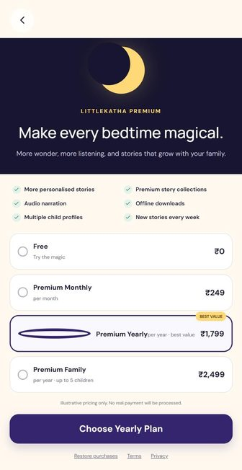 | SCR-15 | Subscription (demo) + dialog | Figma Make · Mobile App UI Prototype · screen 'subscription' | 16-subscription.jpg | Plans: Free ₹0 'Try the magic', Premium Monthly ₹249, Premium Yearly ₹1,799 'best value' (preselected), Premium Family ₹2,499 'up to 5 children'. 'Illustrative pricing only. No real payment will be processed.' CTA 'Choose {plan} Plan'. Dialog 'Plan selected – This is a prototype, so no payment was made…'. Screenshot shows old 'LITTLEKATHA PREMIUM'. | Profile → Subscription | Home (Done), back | Night hero with moon, eyebrow, title, body, 2-col benefits checklist, plan radio list with BEST VALUE tag, disclaimer, CTA, legal links, confirmation dialog | Plan selected (Yearly default), confirmation dialog | Demo plans (feature-flagged) | Radio group semantics; dialog focus | Prices must use locale currency formatting (₹) | EN + KN | LS-017, LS-113 | Design Ready | Not started | Not reviewed | Ship demo subscription in MVP or hide behind flag?
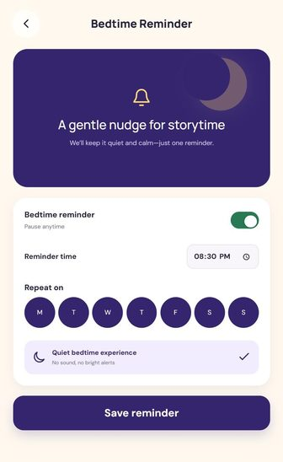 | SCR-16 | Bedtime Reminder | Figma Make · Mobile App UI Prototype · screen 'reminders' | 17-bedtime-reminder.jpg | Panel 'A gentle nudge for storytime', 'We’ll keep it quiet and calm—just one reminder.' Toggle 'Bedtime reminder – Pause anytime', time 20:30, days M T W T F S S all on, 'Quiet bedtime experience – No sound, no bright alerts'. CTA 'Save reminder' → toast 'Reminder saved for {time}'. | Profile → Bedtime reminders; notification | Back → Profile | Indigo visual panel, setting card: toggle, time input, 7 day buttons, quiet row, primary CTA, toast | Enabled/disabled (time & days disabled), saved toast | Reminder settings (local) | Day buttons need full day names for TalkBack; toggle labelled | Day initials and time format are locale-specific (use DayOfWeek/DateTimeFormatter) | EN + KN | LS-016, LS-017, LS-111 | Design Ready | Not started | Not reviewed | Actually schedule a local notification in MVP? (needs POST_NOTIFICATIONS)
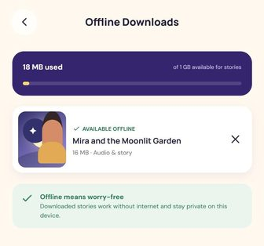 | SCR-17 | Offline Downloads | Figma Make · Mobile App UI Prototype · screen 'downloads' | 18-offline-downloads.jpg | Storage card '{n} MB used / of 1 GB available for stories', yellow bar (min 3%). Rows '✓ AVAILABLE OFFLINE', title, '{size} MB · Audio & story', ✕. Empty 'No downloads yet' → 'Find a story'. Tip 'Offline means worry-free…'. | My Stories download icon; Profile → Download settings | Discover (empty CTA), back | Indigo storage card with bar, downloaded list rows with remove ✕, empty state, green tip | Has downloads, empty | Downloaded stories (simulated) and sizes | Remove button labelled with story title | '{n} MB used' number formatting | EN + KN | LS-017, LS-018, LS-101 | Design Ready | Not started | Not reviewed | Downloads are simulated in MVP – label accordingly
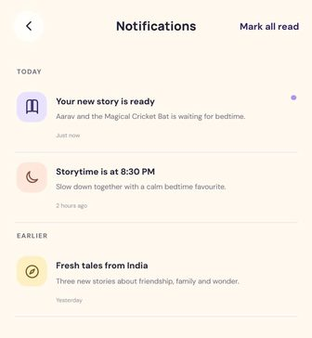 | SCR-18 | Notifications | Figma Make · Mobile App UI Prototype · screen 'notifications' | 19-notifications.jpg | 'Mark all read'. TODAY: 'Your new story is ready' (unread), 'Storytime is at 8:30 PM'. EARLIER: 'Fresh tales from India'. Icon tiles lavender/peach/yellow. | Home/Discover bell; Profile → Notifications | Story Ready, Reminders, Discover | TopBar title + 'Mark all read', section labels, notification rows with tinted icon tiles and unread dot | Unread/read, empty (not designed) | Mock notifications | Unread state announced, not colour only | Notification text is mock content (per-language JSON) | EN + KN | LS-112 | Design Ready | Not started | Not reviewed | Empty state not designed
No design yet | SCR-19 | Splash / launch | Not in Figma Make file | – (no design) | NOT IN DESIGN. Propose: cream or night background with LittleStory symbol via core-splashscreen. | App start | Onboarding (first run) or Home | Android 12+ SplashScreen API (icon + background) | – | First-run flag | – | – | After design | LS-051 | Design Missing | Not started | Not reviewed | Need splash spec + app icon
No design yet | SCR-20 | Language preferences | Not in Figma Make file | – (no design) | NOT IN DESIGN. Prototype routes to Setup. Propose a simple list screen reusing settings rows: English / ಕನ್ನಡ with check. | Profile → Language preferences | Back → Profile | Language list (registry-driven), selection state | Selected | App language, default story language | Each language shown in own script | Core of EN/KN requirement | After design | LS-046 | Design Missing | Not started | Not reviewed | App language vs story language – one setting or two?
No design yet | SCR-21 | Privacy & parent controls | Not in Figma Make file | – (no design) | NOT IN DESIGN. Prototype routes to Notifications. | Profile → Privacy & parent controls | Back → Profile | Info sections, data deletion action (local), parental gate? | – | Local data summary | – | Long text – must wrap in Kannada | After design | LS-114 | Design Missing | Not started | Not reviewed | Content and controls to be defined (data delete, parental gate)
No design yet | SCR-22 | Help & about | Not in Figma Make file | – (no design) | NOT IN DESIGN. Prototype routes to Notifications. | Profile → Help & about | Back → Profile | App version, licences (fonts OFL), help text | – | BuildConfig version | – | – | After design | LS-115 | Design Missing | Not started | Not reviewed | Content to be defined
No design yet | SCR-23 | Account settings / Audio preferences | Not in Figma Make file | – (no design) | NOT IN DESIGN. Prototype routes 'Account settings' → Setup and 'Audio preferences' → Player. | Profile parent card; Profile → Audio preferences | Back | – | – | – | – | – | After design | – | Design Missing | Not started | Not reviewed | Needed for MVP or remove rows?

Design Gallery

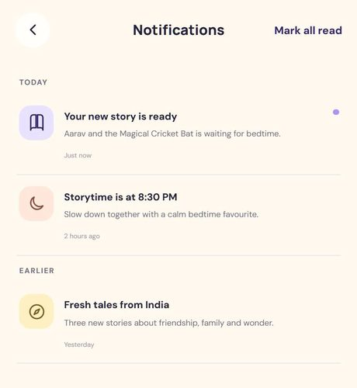
Design Gallery
Full-length captures from the Figma Make prototype (430 px frame). Pre-rename: logo and Premium banner still say 'LittleKatha' – build uses 'LittleStory'.

 | SCR-01 · Onboarding (3 slides) | SCR-01 · Onboarding (3 slides) | SCR-01 · Onboarding (3 slides) | SCR-02 · Setup – Child profile
 | 01-onboarding-1-every-day-has-a-story.jpg | 02-onboarding-2-your-child-the-hero.jpg | 03-onboarding-3-listen-dream-repeat.jpg | 04-setup-profile.jpg




 | SCR-03 · Home | SCR-04a · Discover | SCR-05 · Category (Indian Tales) | SCR-06 · Story Detail
 | 05-home.jpg | 06-discover.jpg | 21-category-indian-tales.jpg | 22-story-detail.jpg
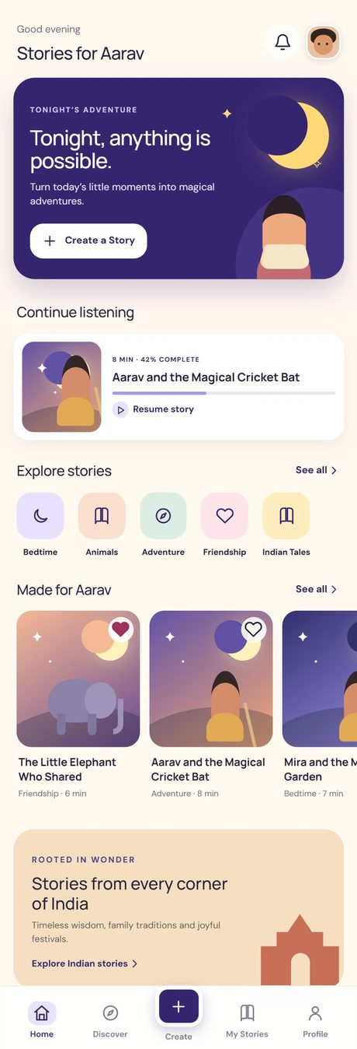
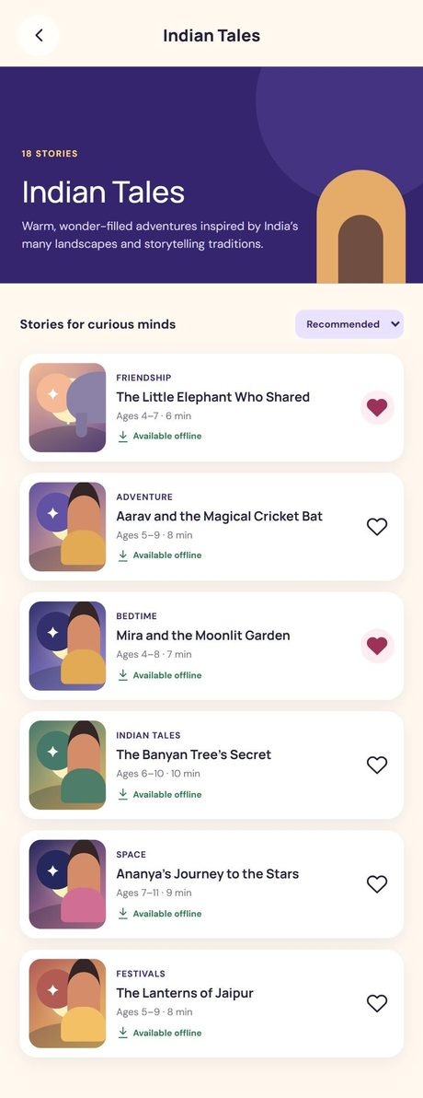

 | SCR-07 · Create a Story | SCR-07 · Create a Story | SCR-08 · Generating + Paused | SCR-09 · Story Ready
 | 07-create-story.jpg | 08-create-story-more-options-and-error.jpg | 09-generating.jpg | 10-story-ready.jpg

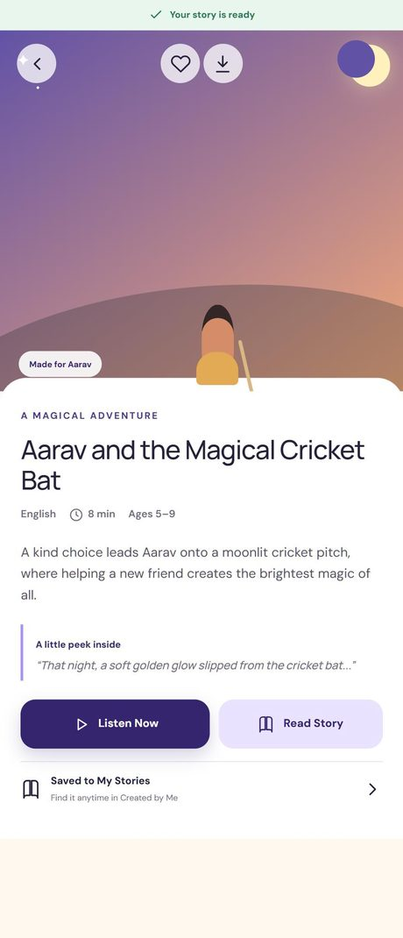

 | SCR-10 · Reader | SCR-11a · Player | SCR-11b · Player – Sleep timer sheet | SCR-12 · My Stories
 | 11-reader.jpg | 12-player.jpg | 13-player-sleep-timer-sheet.jpg | 14-my-stories.jpg
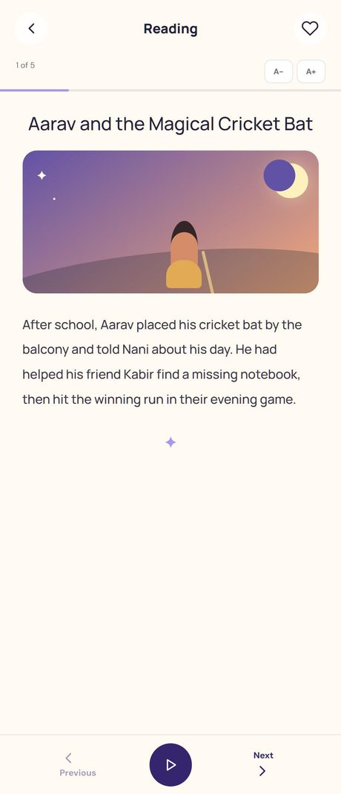
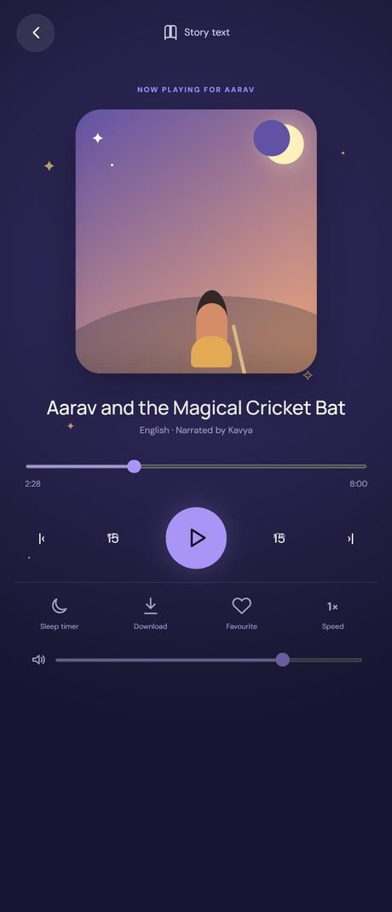
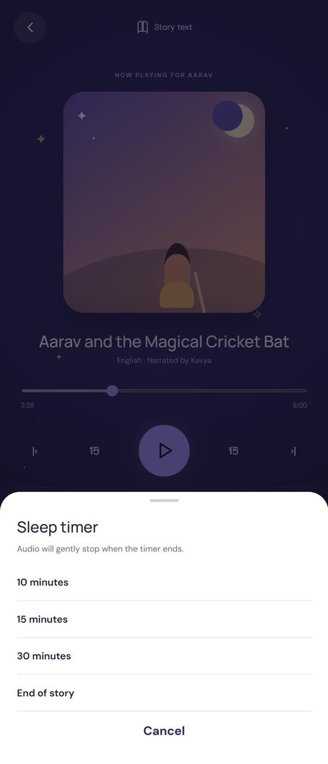

 | SCR-13 · Profile (settings hub) | SCR-14 · Child Profiles | SCR-15 · Subscription (demo) + dialog | SCR-16 · Bedtime Reminder
 | 15-profile-settings.jpg | 20-child-profiles.jpg | 16-subscription.jpg | 17-bedtime-reminder.jpg


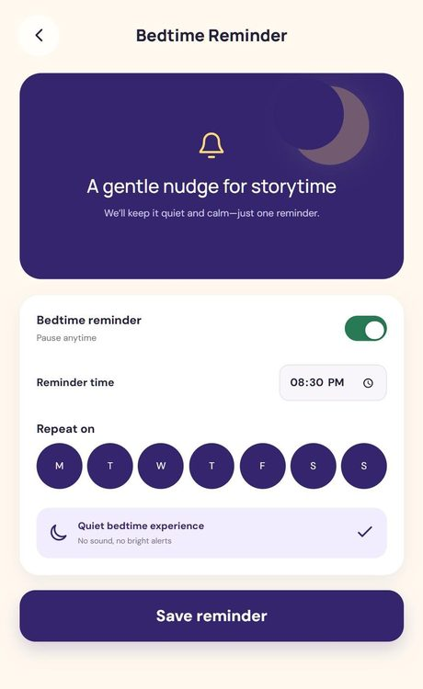

 | SCR-17 · Offline Downloads | SCR-18 · Notifications
 | 18-offline-downloads.jpg | 19-notifications.jpg

