Sheet1
Project Name: | Synchronize
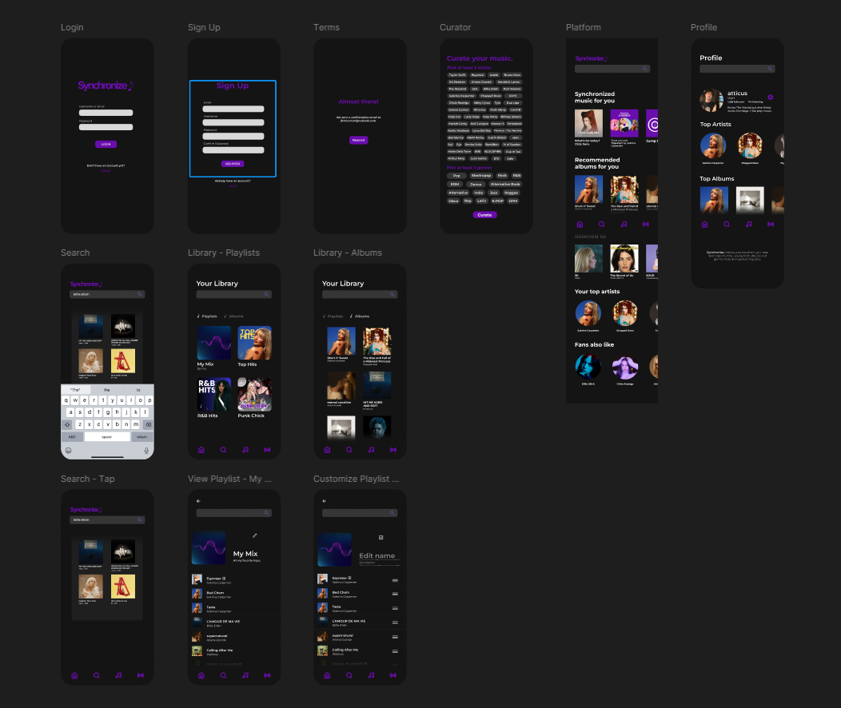

Serial No. | Input | Expected Output | Actual Output | Results | Comments
TC_SIGNUP_001 | Signup | User fills out all necessary details | Signup Successful | Pass/Fail
TC_SIGNUP_002 | Terms | Account confirmation | Account Confirmed | Pass/Fail
TC_SIGNUP_003 | Curator Page | User is able to choose Initial Artists & Genres | Dashboard Redirectory (All New Filtered Content) | Pass/Fail

Serial No. | Input | Expected Output | Actual Output | Results | Comments
TC_LOGIN_004 | Login | System validates user credentials | Login Successful | Pass/Fail
TC_LOGIN_005 | Logging In | User is taken to dashboard after logging in successfully | Live Dashboard Refresh (Existing Filtered Content with minimal adjustments) | Pass/Fail

Serial No. | Input | Expected Output | Actual Output | Results | Comments
TC_HOMEPAGE_006 | Dashboard/Platform | Contents are displayed and are clickable | Playlist, Album, Artist Contents | Pass/Fail
TC_HOMEPAGE_007 | Platform Playlists | Playlists contain songs that are picked by Synchronize | Song Contents | Pass/Fail

Serial No. | Input | Expected Output | Actual Output | Results | Comments
TC_SEARCH_008 | Search | Search engine outputs results | Results Shown (e.g. Billie Eilish - Artist) | Pass/Fail
TC_SEARCH_009 | Search Contents | Results are clickable | Content Redirection (e.g. Happier Than Ever - Album) | Pass/Fail

Serial No. | Input | Expected Output | Actual Output | Results | Comments
TC_LIBRARY_010 | Library Contents | User-added/saved contents will be shown in the Library | Saved Contents (e.g. Playlists, Albums) | Pass/Fail
TC_LIBRARY_011 | Content Moderation | Users can save and delete contents (e.g. albums and other playlists) | Saved Changes | Pass/Fail

Serial No. | Input | Expected Output | Actual Output | Results | Comments
TC_PLAYLIST_012 | Playlist Creation | Users can create personal playlists (excl. Platform Playlists) | New Playlist | Pass/Fail
TC_PLAYLIST_013 | Playlist Customization | Users can add, drag, and remove songs | Saved Changes | Pass/Fail

Serial No. | Input | Expected Output | Actual Output | Results | Comments
TC_PROFILE_014 | Profile Summary | User credentials and data are shown | User Credentials | Pass/Fail
TC_PROFILE_015 | Edit Info | Users can edit information (e.g. Username, Bio, etc.) | Saved Changes | Pass/Fail
TC_PROFILE_016 | Consumption Profile | Page contains listening history | Listening History (Based on CURATED user preference) | Pass/Fail

