Summary
Category | Count
Passed | 4
Failed | 2
Skipped | 0
Total | 6
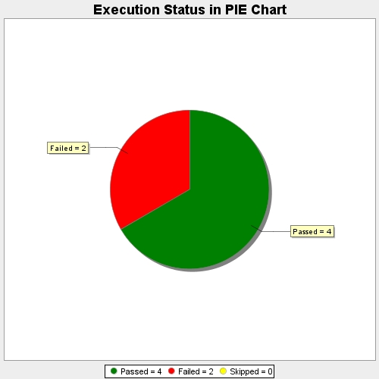
Start Time | 2018-07-14T04:54:54Z
End Time | 2018-07-14T04:55:50Z
Duration | 56118 ms

