Photos _ details
FC Camera Kit: sample photos and EXIF data
Two test captures from 15 Oct 2026. The stamp is drawn on the photo; the same details are also saved inside the file (EXIF).

Left: Photo 1 Right: Photo 2

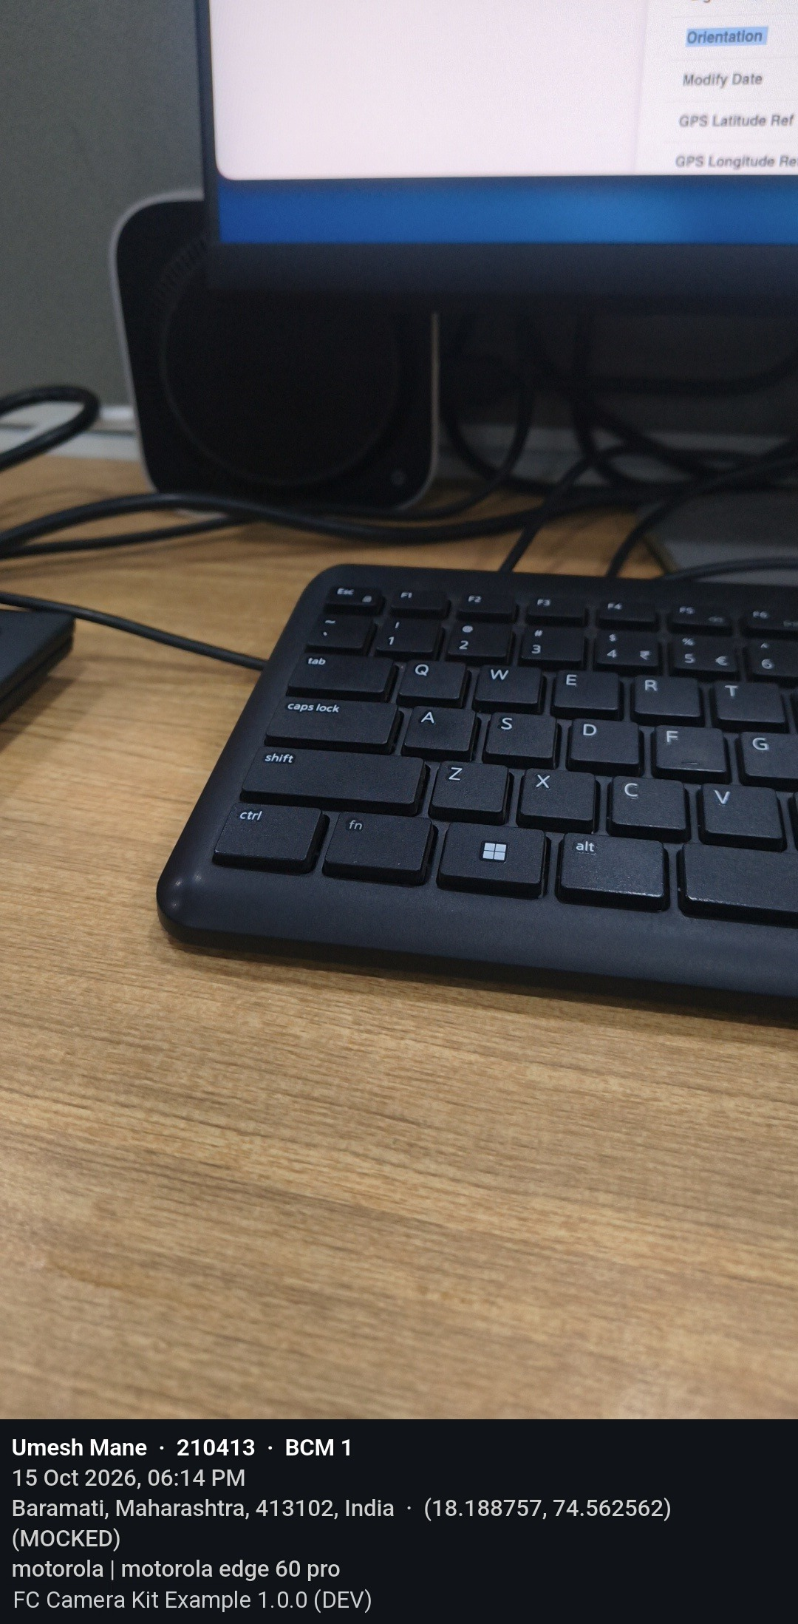
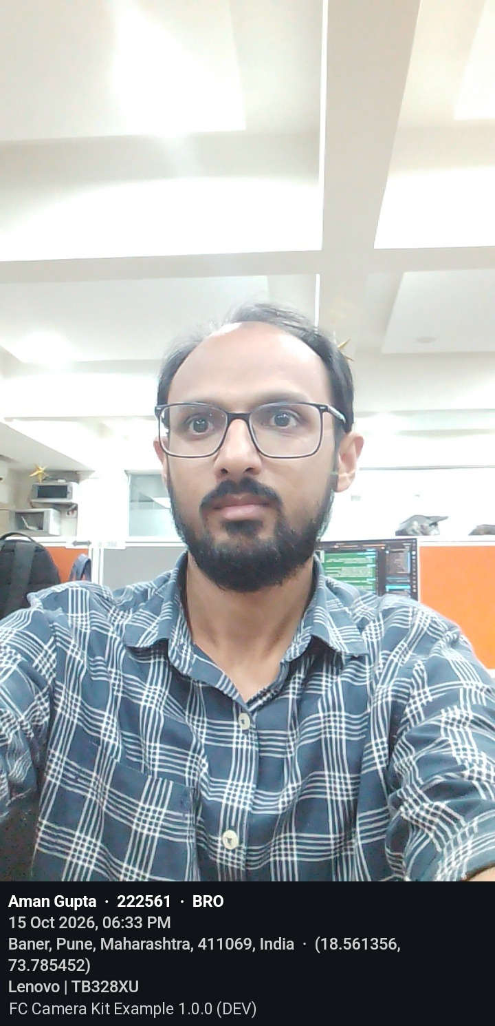

Field | Shown on stamp | EXIF tag | Photo 1 | Photo 2 | Notes
App | Yes | Software | FC Camera Kit Example 1.0.0 (DEV) | FC Camera Kit Example 1.0.0 (DEV)
User name | Yes | Artist | Umesh Mane | Aman Gupta | Artist = name | employee ID | role
Employee ID | Yes | Artist | 210413 | 222561
Role | Yes | Artist | BCM 1 | BRO
Capture date and time | Yes | DateTimeOriginal + SubSecTimeOriginal + OffsetTimeOriginal | 2026-10-15 18:14:28.489 +05:30 | 2026-10-15 18:33:57.798 +05:30 | Stamp shows 15 Oct 2026, 06:14 PM and 06:33 PM
Create / modify date | No | CreateDate / ModifyDate | 2026-10-15 18:14:28 | 2026-10-15 18:33:57 | Same as capture time
Time zone | No | OffsetTime / OffsetTimeOriginal / OffsetTimeDigitized | +05:30 | +05:30
Address | Yes | ImageDescription | Baramati, Maharashtra, 413102, India (MOCKED) | Baner, Pune, Maharashtra, 411069, India
Latitude | Yes | GPSLatitude + GPSLatitudeRef | 18.188757 N | 18.561356 N | EXIF stores degrees/minutes/seconds; matches stamp exactly
Longitude | Yes | GPSLongitude + GPSLongitudeRef | 74.562562 E | 73.785452 E | EXIF stores degrees/minutes/seconds; matches stamp exactly
Mock location | Yes | GPSProcessingMethod | Yes (MOCKED) | No | (MOCKED) also appears on the stamp and in the address
GPS accuracy | No | GPSHPositioningError | 0.01 m | 13.59 m | 0.01 m is typical of a mock location app
GPS fix time (UTC) | No | GPSDateStamp + GPSTimeStamp | 2026-10-15 12:44:29 UTC | 2026-10-15 13:03:34 UTC
GPS fix vs capture | No | (worked out) | Same moment (within 1 s) | 24 s before capture | GPS fix time compared with capture time
GPS map datum | No | GPSMapDatum | WGS-84 | WGS-84
GPS version | No | GPSVersionID | 2.3.0.0 | 2.3.0.0
Device make | Yes | Make | motorola | Lenovo
Device model | Yes | Model | motorola edge 60 pro | TB328XU
Stamp placement | - | - | Extend (strip below photo) | Extend (strip below photo)
Image size (px) | No | ImageWidth x ImageHeight | 1080 x 2197 | 720 x 1490 | Includes the stamp strip
File size | No | - | 573817 bytes (560 KB) | 286592 bytes (280 KB) | File as shared
Orientation | No | Orientation | 1 (upright) | 1 (upright)
Image unique ID | No | ImageUniqueID | 52e0709de7274365b5f9e8730299fbb7 | d7c3d479166c4ffba71888f03c7495df
Written by | No | UserComment | fc_camera_kit | fc_camera_kit | Stored as text type with a charset prefix, so strict EXIF viewers show only "ASCII"
Light source | No | LightSource | 0 (unknown) | 0 (unknown)

