权值
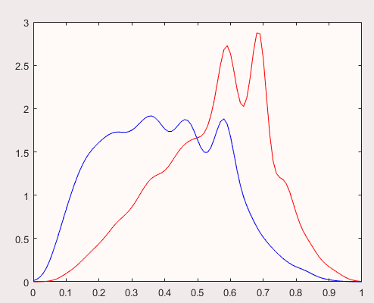
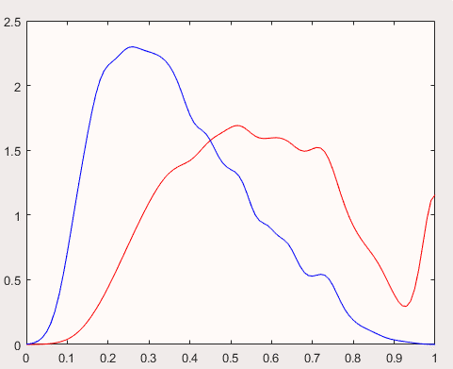
张数 | 1 | 2 | 3 | 4 | 5 | 6 | 7 | 8 | 9 | 10 | 11 | 12 | 13 | 14 | 15 | 16 | 17 | 18 | 19
常数 | 0.977 | 1.022 | 0.980 | 0.929 | 0.878 | 0.811 | 0.728 | 0.619 | 0.509 | 0.410 | 0.311 | 0.229 | 0.163 | 0.110 | 0.070 | 0.045 | 0.020 | 0.004 | -0.003
4 | 0.166 | 0.113 | 0.037 | 0.011 | 0.024 | 0.037 | 0.044 | 0.026 | 0.014 | 0.044 | 0.028 | 0.036 | 0.028 | 0.023 | 0.008 | -0.024 | -0.054 | -0.040 | -0.050
5 | -0.116 | -0.109 | -0.106 | -0.064 | 0.016 | 0.062 | 0.084 | 0.096 | 0.134 | 0.126 | 0.077 | 0.093 | 0.054 | 0.068 | 0.079 | 0.071 | 0.041 | 0.031 | 0.004
6 | -0.069 | -0.066 | -0.047 | -0.031 | 0.010 | 0.046 | 0.095 | 0.093 | 0.099 | 0.073 | 0.060 | 0.038 | 0.055 | 0.035 | 0.002 | -0.022 | -0.024 | -0.011 | -0.014
7 | -0.161 | -0.132 | -0.098 | -0.035 | 0.015 | 0.064 | 0.099 | 0.091 | 0.068 | 0.077 | 0.051 | 0.037 | 0.046 | 0.053 | 0.029 | 0.004 | 0.005 | -0.005 | -0.001
8 | -0.305 | -0.228 | -0.167 | -0.104 | -0.037 | 0.043 | 0.097 | 0.125 | 0.113 | 0.111 | 0.110 | 0.081 | 0.049 | 0.057 | 0.047 | -0.004 | -0.027 | -0.065 | -0.065
9 | -0.360 | -0.283 | -0.227 | -0.149 | -0.082 | -0.021 | 0.012 | 0.075 | 0.093 | 0.078 | 0.068 | 0.092 | 0.096 | 0.057 | 0.027 | 0.030 | 0.014 | -0.016 | -0.033
10 | -0.366 | -0.250 | -0.175 | -0.106 | -0.054 | -0.020 | 0.005 | 0.029 | 0.023 | 0.031 | 0.005 | 0.005 | -0.010 | -0.009 | 0.000 | 0.003 | -0.020 | -0.043 | -0.049
J | -0.226 | -0.176 | -0.162 | -0.090 | -0.010 | 0.034 | 0.048 | 0.043 | 0.040 | 0.035 | 0.039 | 0.044 | 0.034 | 0.027 | 0.018 | 0.014 | 0.006 | -0.004 | -0.002
Q | -0.043 | -0.027 | 0.025 | 0.034 | 0.072 | 0.083 | 0.093 | 0.082 | 0.077 | 0.081 | 0.087 | 0.055 | 0.083 | 0.086 | 0.065 | 0.097 | 0.078 | 0.027 | 0.009
K | 0.072 | 0.047 | 0.008 | 0.028 | 0.047 | 0.074 | 0.117 | 0.145 | 0.133 | 0.123 | 0.106 | 0.091 | 0.082 | 0.082 | 0.044 | 0.039 | 0.029 | 0.044 | 0.038
A | 0.304 | 0.181 | 0.177 | 0.189 | 0.188 | 0.178 | 0.173 | 0.166 | 0.189 | 0.172 | 0.172 | 0.160 | 0.167 | 0.184 | 0.164 | 0.172 | 0.141 | 0.148 | 0.146
2 | 0.468 | 0.465 | 0.506 | 0.444 | 0.390 | 0.376 | 0.379 | 0.390 | 0.393 | 0.394 | 0.378 | 0.387 | 0.396 | 0.407 | 0.394 | 0.441 | 0.456 | 0.475 | 0.415
小怪 | 1.010 | 1.047 | 1.072 | 1.079 | 1.061 | 1.041 | 1.009 | 0.972 | 0.934 | 0.901 | 0.857 | 0.807 | 0.774 | 0.733 | 0.749 | 0.751 | 0.791 | 0.771 | 0.772
大怪 | 1.253 | 1.280 | 1.236 | 1.141 | 1.054 | 1.009 | 0.961 | 0.940 | 0.884 | 0.810 | 0.777 | 0.748 | 0.681 | 0.630 | 0.560 | 0.489 | 0.418 | 0.392 | 0.390
顺子 | 0.246 | 0.273 | 0.324 | 0.395 | 0.483 | 0.533 | 0.483 | 0.419 | 0.369 | 0.316 | 0.295 | 0.230 | 0.182 | 0.161 | 0.126 | 0.135 | 0.135 | 0.081 | 0.071
连对 | 0.100 | 0.116 | 0.147 | 0.192 | 0.250 | 0.317 | 0.367 | 0.343 | 0.307 | 0.268 | 0.196 | 0.154 | 0.086 | 0.061 | 0.064 | 0.049 | 0.056 | 0.036 | 0.057
飞机 | 0.033 | 0.042 | 0.060 | 0.088 | 0.129 | 0.183 | 0.248 | 0.332 | 0.380 | 0.416 | 0.417 | 0.439 | 0.418 | 0.371 | 0.357 | 0.339 | 0.330 | 0.337 | 0.337
非零 | -0.613 | -0.661 | -0.615 | -0.599 | -0.563 | -0.556 | -0.536 | -0.511 | -0.485 | -0.455 | -0.421 | -0.386 | -0.357 | -0.344 | -0.310 | -0.289 | -0.259 | -0.240 | -0.228
炸弹 | 0.229 | 0.254 | 0.301 | 0.363 | 0.426 | 0.465 | 0.474 | 0.481 | 0.472 | 0.462 | 0.463 | 0.439 | 0.411 | 0.411 | 0.429 | 0.427 | 0.423 | 0.408 | 0.424
单控 | -0.232 | 0.129 | 0.326 | 0.385 | 0.420 | 0.471 | 0.483 | 0.473 | 0.474 | 0.462 | 0.450 | 0.451 | 0.450 | 0.427 | 0.378 | 0.353 | 0.374 | 0.377 | 0.383
双控 | -0.109 | -0.122 | -0.069 | -0.090 | -0.057 | -0.003 | 0.039 | -0.011 | -0.017 | -0.024 | -0.009 | 0.003 | 0.000 | -0.008 | 0.018 | 0.002 | 0.014 | 0.013 | -0.010
三控 | 0.142 | 0.144 | 0.147 | 0.163 | 0.192 | 0.175 | 0.118 | 0.097 | 0.073 | 0.088 | 0.068 | 0.053 | 0.017 | 0.034 | 0.009 | 0.020 | -0.015 | 0.003 | 0.010
 | tr | ts
dz | 67.43 | 67.870
xj | 61.960 | 62.510
mb | 61.200 | 62.060

