权值
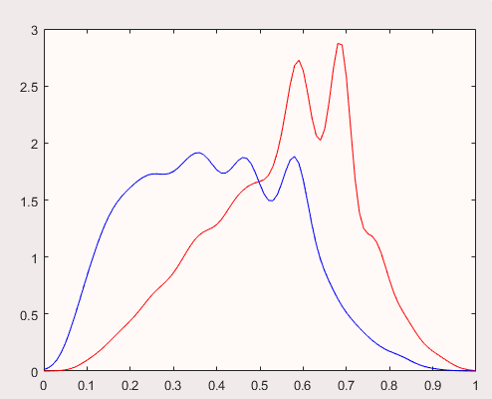
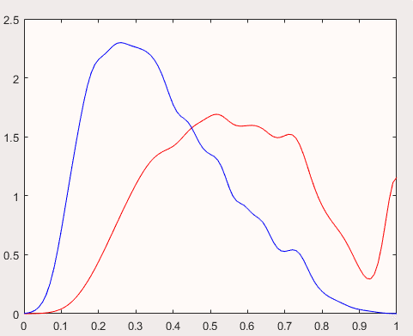
张数 | 1 | 2 | 3 | 4 | 5 | 6 | 7 | 8 | 9 | 10 | 11 | 12 | 13 | 14 | 15 | 16 | 17 | 18 | 19
常数 | 2.023 | 3.571 | 2.201 | 2.324 | 2.219 | 2.136 | 2.724 | 1.805 | 1.744 | 1.492 | 1.322 | 0.260 | 0.338 | -0.718 | -0.320 | -0.225 | -1.325 | -2.284 | -0.969
4 | -0.857 | -0.246 | -0.295 | -0.216 | -0.125 | -0.048 | -0.080 | -0.030 | -0.057 | 0.010 | -0.035 | 0.049 | 0.035 | 0.106 | 0.026 | 0.008 | 0.004 | 0.069 | -0.038
5 | -1.811 | -0.502 | -0.426 | -0.289 | -0.104 | -0.005 | -0.054 | 0.037 | 0.136 | 0.095 | -0.003 | 0.122 | 0.032 | 0.149 | 0.095 | 0.112 | 0.127 | 0.139 | 0.007
6 | -1.721 | -0.506 | -0.269 | -0.231 | -0.122 | -0.057 | 0.007 | 0.046 | 0.086 | 0.025 | 0.023 | 0.030 | 0.076 | 0.114 | 0.008 | 0.000 | 0.059 | 0.089 | 0.009
7 | -1.993 | -0.544 | -0.385 | -0.174 | -0.117 | 0.001 | 0.028 | 0.056 | 0.008 | 0.058 | -0.010 | 0.036 | 0.049 | 0.139 | 0.039 | 0.028 | 0.118 | 0.094 | 0.031
8 | -2.281 | -0.590 | -0.391 | -0.289 | -0.185 | -0.017 | -0.006 | 0.094 | 0.080 | 0.074 | 0.077 | 0.091 | 0.027 | 0.133 | 0.078 | 0.015 | 0.087 | 0.017 | -0.046
9 | -2.273 | -0.632 | -0.477 | -0.290 | -0.198 | -0.061 | -0.123 | 0.062 | 0.089 | 0.032 | 0.003 | 0.113 | 0.117 | 0.127 | 0.031 | 0.066 | 0.139 | 0.071 | -0.008
10 | -2.232 | -0.513 | -0.410 | -0.257 | -0.166 | -0.098 | -0.099 | 0.007 | -0.029 | 0.008 | -0.057 | 0.024 | -0.016 | 0.064 | 0.019 | 0.039 | 0.091 | 0.049 | -0.018
J | -1.908 | -0.462 | -0.440 | -0.274 | -0.094 | -0.004 | -0.027 | 0.000 | 0.007 | -0.010 | -0.011 | 0.059 | 0.034 | 0.099 | 0.032 | 0.045 | 0.111 | 0.094 | 0.034
Q | -1.653 | -0.403 | -0.138 | -0.166 | -0.032 | 0.014 | 0.016 | 0.036 | 0.037 | 0.041 | 0.059 | 0.046 | 0.097 | 0.164 | 0.060 | 0.144 | 0.206 | 0.115 | 0.023
K | -1.461 | -0.290 | -0.258 | -0.148 | -0.087 | -0.002 | 0.021 | 0.134 | 0.090 | 0.084 | 0.052 | 0.102 | 0.075 | 0.171 | 0.044 | 0.076 | 0.112 | 0.156 | 0.056
A | -1.080 | -0.234 | -0.055 | 0.022 | 0.063 | 0.123 | 0.088 | 0.120 | 0.189 | 0.132 | 0.125 | 0.171 | 0.167 | 0.275 | 0.158 | 0.220 | 0.204 | 0.256 | 0.153
2 | -0.953 | 0.253 | 0.380 | 0.315 | 0.264 | 0.345 | 0.304 | 0.391 | 0.383 | 0.381 | 0.315 | 0.409 | 0.402 | 0.491 | 0.366 | 0.493 | 0.592 | 0.639 | 0.353
小怪 | -0.274 | 0.910 | 1.017 | 1.040 | 1.052 | 1.186 | 1.126 | 1.171 | 1.087 | 1.005 | 0.949 | 0.919 | 0.881 | 0.796 | 0.844 | 0.851 | 1.267 | 0.871 | 0.931
大怪 | 0.927 | 1.628 | 1.435 | 1.156 | 0.987 | 1.195 | 0.993 | 1.272 | 1.173 | 0.875 | 0.913 | 1.017 | 0.760 | 0.810 | 0.755 | 0.760 | 0.590 | 0.514 | 0.898
顺子 | 0.000 | 0.000 | 0.000 | 0.000 | 0.573 | 0.643 | 0.598 | 0.496 | 0.438 | 0.359 | 0.328 | 0.244 | 0.188 | 0.165 | 0.118 | 0.140 | 0.142 | 0.064 | 0.057
连对 | 0.000 | 0.000 | 0.000 | 0.000 | 0.000 | 0.404 | 0.482 | 0.350 | 0.285 | 0.260 | 0.190 | 0.156 | 0.069 | 0.050 | 0.069 | 0.041 | 0.058 | 0.030 | 0.070
飞机 | 0.000 | 0.000 | 0.000 | 0.000 | 0.000 | 1.036 | -0.053 | 1.505 | 0.474 | 0.487 | 0.369 | 0.519 | 0.460 | 0.326 | 0.360 | 0.321 | 0.287 | 0.361 | 0.348
非零 | 0.000 | -1.700 | -0.854 | -0.826 | -0.757 | -0.798 | -0.836 | -0.705 | -0.666 | -0.579 | -0.499 | -0.419 | -0.385 | -0.368 | -0.282 | -0.318 | -0.298 | -0.182 | -0.168
炸弹 | 0.000 | -0.225 | 1.027 | 1.187 | 1.394 | 0.828 | 0.640 | 0.650 | 0.418 | 0.376 | 0.579 | 0.422 | 0.213 | 0.348 | 0.494 | 0.448 | 0.427 | 0.351 | 0.520
单控 | -1.014 | 0.222 | 0.335 | 0.338 | 0.357 | 0.440 | 0.492 | 0.368 | 0.419 | 0.455 | 0.357 | 0.352 | 0.459 | 0.418 | 0.237 | 0.198 | 0.314 | 0.349 | 0.035
双控 | 0.000 | -0.641 | -0.100 | -0.174 | -0.093 | -0.021 | 0.058 | -0.017 | -0.011 | -0.040 | 0.004 | 0.020 | 0.005 | -0.021 | 0.061 | -0.005 | 0.036 | 0.005 | -0.007
三控 | 0.000 | 0.000 | -0.035 | 0.061 | 0.149 | 0.133 | 0.053 | 0.079 | 0.037 | 0.077 | 0.065 | 0.056 | 0.005 | 0.039 | 0.009 | 0.022 | -0.032 | -0.007 | 0.051
 | tr | ts
dz | 67.43 | 67.870
xj | 61.960 | 62.510
mb | 61.200 | 62.060

