Summary
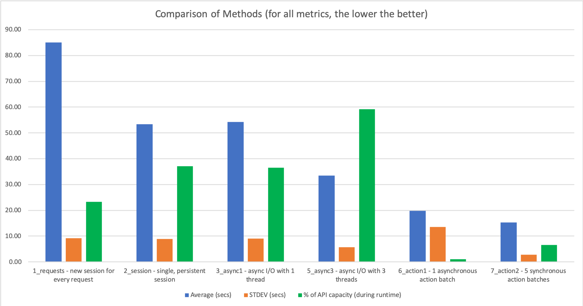
Method | Average (secs) | STDEV (secs) | Complexity (out of 5) | # API calls to POST VLANs | % of API capacity (during runtime)
1_requests - new session for every request | 85.05 | 9.24 | 1 | 99 | 23.28
2_session - single, persistent session | 53.35 | 8.85 | 1 | 99 | 37.11
3_async1 - async I/O with 1 thread | 54.21 | 9.11 | 3 | 99 | 36.53
4_async2 - async I/O with 5 threads | N/A | N/A | 4 | 99 | N/A
5_async3 - async I/O with 3 threads | 33.44 | 5.76 | 4 | 99 | 59.22
6_action1 - 1 asynchronous action batch | 19.85 | 13.58 | 2 | 1 | 1.01
7_action2 - 5 synchronous action batches | 15.29 | 2.85 | 2 | 5 | 6.54

