Sheet1
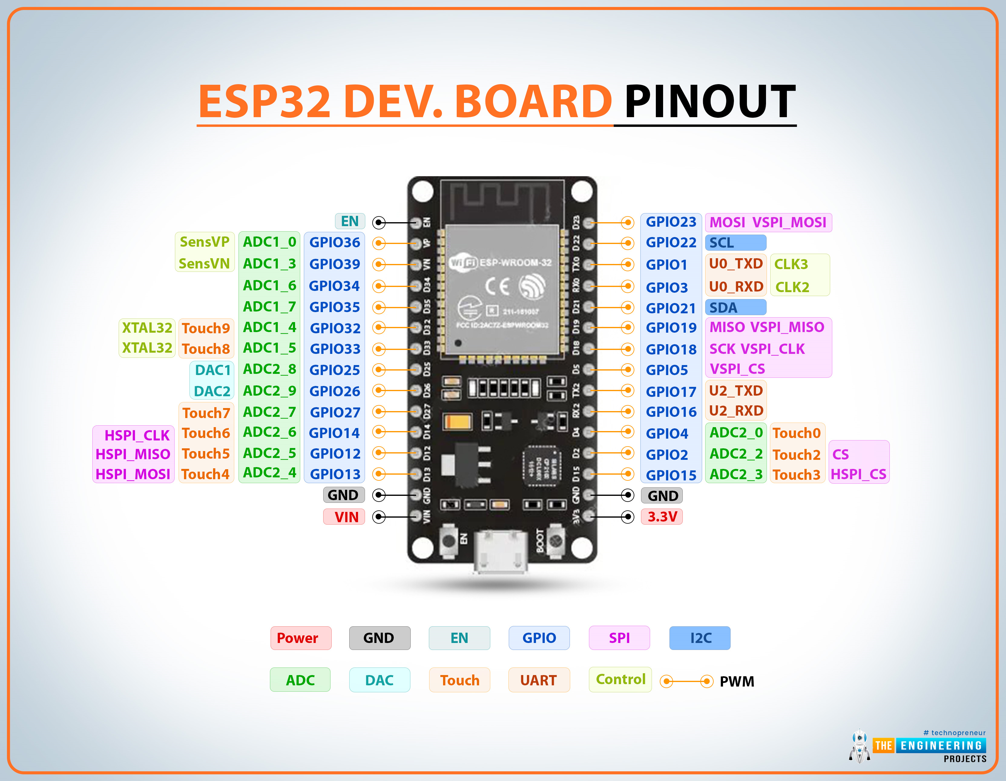
GPIO | Input | Output | Notes
0 | pulled up | OK | outputs PWM signal at boot, must be LOW to enter flashing mode
1 | TX pin | OK | debug output at boot
2 | OK | OK | connected to on-board LED, must be left floating or LOW to enter flashing mode
3 | OK | RX pin | HIGH at boot
4 | OK | OK
5 | OK | OK | outputs PWM signal at boot, strapping pin
6 | x | x | connected to the integrated SPI flash
7 | x | x | connected to the integrated SPI flash
8 | x | x | connected to the integrated SPI flash
9 | x | x | connected to the integrated SPI flash
10 | x | x | connected to the integrated SPI flash
11 | x | x | connected to the integrated SPI flash
12 | OK | OK | boot fails if pulled high, strapping pin
13 | OK | OK
14 | OK | OK | outputs PWM signal at boot
15 | OK | OK | outputs PWM signal at boot, strapping pin
16 | OK | OK
17 | OK | OK
18 | OK | OK
19 | OK | OK
21 | OK | OK
22 | OK | OK
23 | OK | OK
25 | OK | OK
26 | OK | OK
27 | OK | OK
32 | OK | OK
33 | OK | OK
34 | OK |  | input only
35 | OK |  | input only
36 | OK |  | input only
39 | OK |  | input only

