Interface
Module interface description
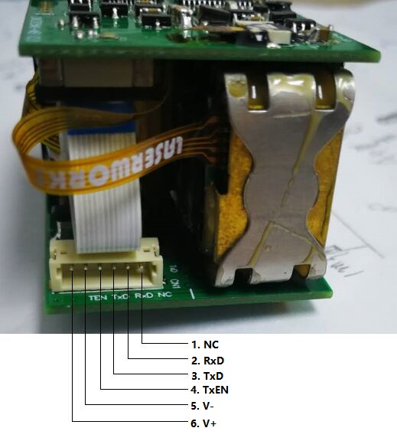

Pin No. | Function description
1 | NC
2 | UART-RxD（TTL: Voltage is programmable：2.5V - 5.0V）；
3 | UART-TxD（TTL: Voltage is programmable：2.5V - 5.0V)；
4 | TxEN: When serial port starts to send data frame, TxEN signal is high; After one frame data transmission is over,TxEN signal is low. TxEN Signal can be used to switch from emission to reception as half duplex, such as RS485.
5 | V- (GND)
6 | V+ (DC3-5V)
Note: UART Setting: one start bit, 8 data bits (LSB first), one stop bit, non-parity
Electrical Characteristics
Parameter | Test condition | Min | Max | Units
Vin | T=25°C | 2.5 | 5.0 | V
Icc | Standby (T=25°C, Vin=3.0V) | - | 50.0 | mA
 | Ranging (T=25°C, Vin=3.0V) | - | 150.0 | mA

