System
0 - Environment (lithosphere) | ΔS0 - te

Implications
F01 - Primary production - tme
 | The fate of waste (incineration, recycling or landfilling) is not considered, as well as the corresponding with energy requirements

F10 - Scrap
- tme
 | Energy for demolition/waste management is not considered

1 - Manufacturing
 | Material flows (Use phase and lithosphere) are balanced, carbon flows (atmosphere) are not balanced
F10 - Demolition waste - tcrgme

2 - Use phase
---------------------------
S - tcrgme | ΔS2

F12 - Material demand - trgme

Manufacturing energy consumption
Buildings energy consumption
 | 4_sha_materialstewchnologyshare
 | 4_electrictymix_world

Energy supply

Production
CO2 emissions
CO2
uptake
Manufacturing
CO2 emissions
Direct CO2 emissions
Energy production emissions

Environment (atmosphere)

plot
Plot overview

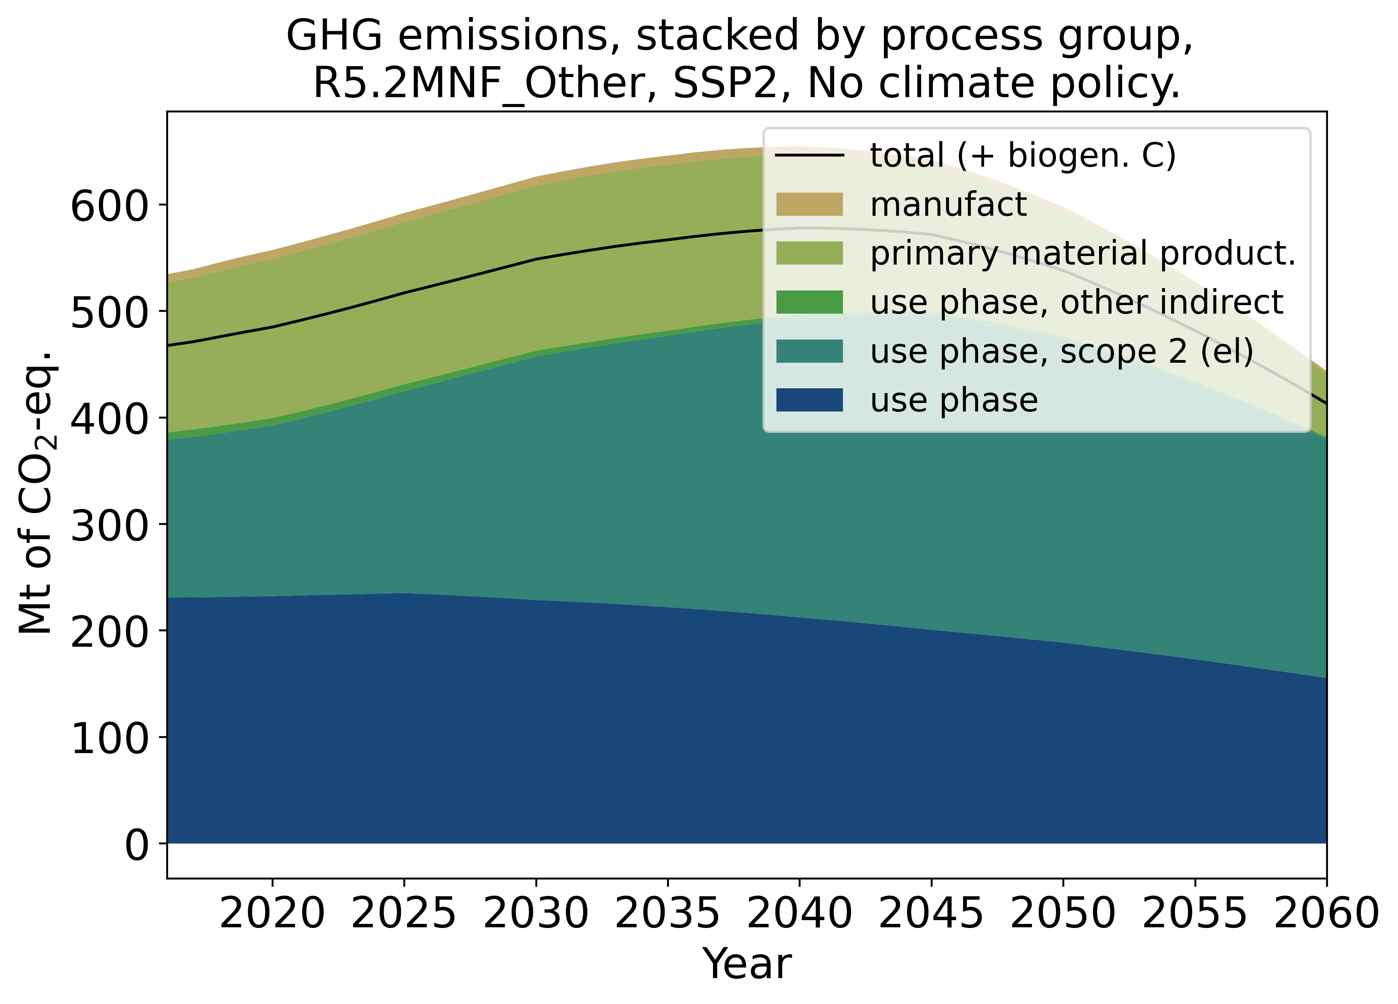

 | Total emissions, stacked by process group
 | Total emission are disaggregated into:
 | Blue | use phase, direct emissions
 | Petrol | use phase, emissions for electricity (scope 2)
 | Dark green | use phase, emissions for supply chain of other carriers (ex: production of gas, production of coal)
 | Light green | emissions during production phase
 | Light brown | emissions during manufacturing

 | Black line | total emissions, but subtracting biogenic carbon (CO2 uptake)

