Coding
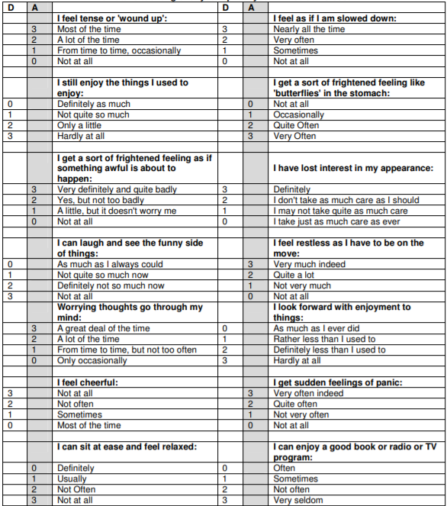
Gender | Age Group | Country During Lockdown | Mental Health disorder | Marital Status | Smoking Status | Five Fruit and Veg | Shielded? | Weeks Social Distancing | Lockdown Bubble | Athlete/Non-athlete? | Q to AA (7 Questions): Athletic Identity Scale | What sport do you play? | Sport Level | Individual/Team | AH to AZ (14 questions): Mental Health Continuum Short form (MHC-SF) | Flourishing, Lanugishing, Moderately Mentally Healthy | BA to BQ (14 questions): HADS | BR to BX (6 questions): Resilience Scale | BY to CG (6 questions): Loneliness Scale | HADS-A and HADS-D items listed below:
1= Male | 1= 18-20 | 1= UK | 2= No | 1= Single | 1= Never | 1= Yes | 1= Yes | 0= 0 | 1= 1 | 1= Athlete | 1= Strongly Disagree | 1= Ball sports | 1= Non-Elite | 1= Individual | (During the past month how often did you feel?) | 1= Languishing | See Table at the end | (How much do you agree or disagree with these statements?) | (Indicate for each of the statements the extent to which they apply to your situation,the way you feel now).
2= Female | 2= 21-30 | 2= Ireland | 3= Depression | 2= Married/cohabiting with partner | 2= Ex occassional Smoker | 2= No | 2= No | 1= 1-3 | 2= 2 | 2= Non-Athlete | 2= Mostly Disagree | 2= Track & Field | 2= Semi-Elite | 2= Team |  | 2 = Moderately Mentally Healthy
 | 3= 31-40 | 3= New Zealand | 4= Bipolar | 3= Living in civil partnership | 3= Ex smoker |  |  | 2= 4-6 | 3= 3 | 999= Missing | 3= Slightly Disagree | 3= Dance, Gymnastics and Strength | 3= Elite | 999 = Missing | 0= Never | 3 = Flourishing | Scores of 0-7 are considered within the normal range, 8-10 are evidence of mild symptoms, and 11-21 are suggestive of moderate/severe symptoms
 | 4= 41-50 | 4= Australia | 5= Eating Disorder | 4= Divorced/Seperated | 4= Occassional |  |  | 3= 7-9 | 4= 4 |  | 4= Neutral | 4= Rowing & Kayaking | 999 = Missing |  | 1= Once or Twice | 999 = Missing |  | 1= Strongly Disagree
 | 5= 51-60 | 5= Thailand | 6= An Anxiety Disorder | 5= Widowed | 5= Daily (1-10) |  |  | 4= 10-12 | 5= 5 |  | 5= Slightly Agree | 5= Cycling |  |  | 2= About once a week | To be flourishing, individuals must select "Everyday" (6) or "Almost every day" (5) for at least 7 items of which 1 must be from Emotional Well-being (items 1-3). To be languishing individuals must report that they "Never" (1) or only "Once or twice" (2) experienced at least 7 of the items of which 1 is from Emotional Well-being. Individuals who do not fit criteria for flourishing or languishing are categorised as "Moderately Mentally Healthy". |  | 2= Disagree
 | 6=61-70 | 6= Belgium | 7= PTSD |  | 6= Daily (11-20) |  |  | 5= 13-15 | 6= 6 |  | 6= Mostly Agree | 6= Swimming |  |  | 3= About 2 or 3 times a week |  |  | 3= Neutral
 | 7= 71+ | 7= Sweden | 8= Yes, but did not specify |  | 7= Daily (21+) |  |  | 6= 16-18 | 7= 7+ |  | 7= Strongly Agree | 7= Combat Sports |  |  | 4= Almost every day |  |  | 4= Agree | For negatively worded items: neutral and positive answers were counted.
 |  |  |  |  |  |  |  | 7= 19-21 | 999 = Missing |  | 999 = Missing | 8= Equestrian |  |  | 5= Everyday |  |  | 5= Strongly Agree
 |  |  |  |  |  |  |  | 8= 21+ |  |  |  | 9= Orienteering |  |  | 999 = Missing |  |  | *Responses to questions 2, 4 & 6 have been reverse coded
 |  |  |  |  |  |  |  | 999 = Missing |  |  |  | 999 = Missing |  |  |  |  |  |  | For positively woreded items: neutral and negative answers were counted.

 |  |  |  |  |  |  |  |  |  |  |  |  |  |  |  |  | 999 = Missing | 999 = Missing
 |  |  |  |  |  |  |  |  |  |  |  |  |  |  |  |  |  |  | 999 = Missing

