Foot Mapping
HC1 / A
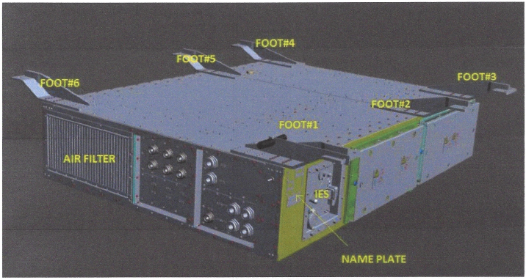
8
7
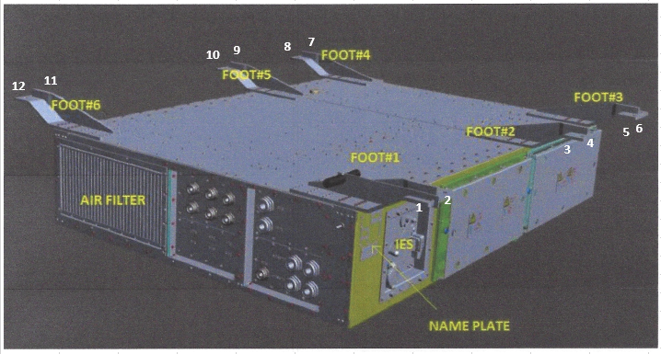
9
10
11
12

5
6
3
4

1
2

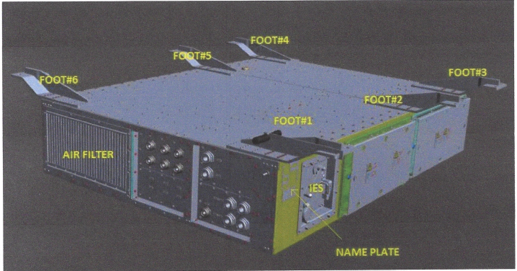

HC2 / B
21
20
19
22
23
24
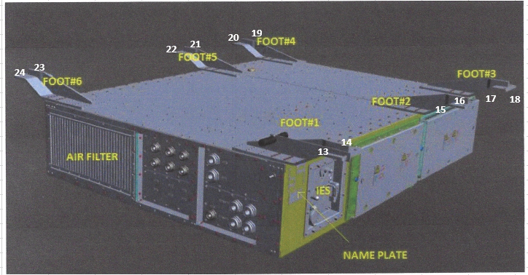
16
17
18
15

14
13

16AUG20_Torque control 1+2
Traction box bolts - torque control measurements - 6 trains |  |  |  |  |  |  |  |  |  |  |  |  |  |  |  |  |  |  |  |  |  |  |  |  |  |  |  |  |  | Results after rework
 |  |  |  |  | HC1 |  |  |  |  |  |  |  |  |  |  |  | HC2 |  |  |  |  |  |  |  |  |  |  |  |  | HC1 |  |  |  |  |  |  |  |  |  |  |  | HC2 |  |  |  |  |  |  |  |  |  |  |  | Status
Train No. | Traction exchanged | Inspection need | First time OK | Inspection Date | 1 | 2 | 3 | 4 | 5 | 6 | 7 | 8 | 9 | 10 | 11 | 12 | 13 | 14 | 15 | 16 | 17 | 18 | 19 | 20 | 21 | 22 | 23 | 24 | Inspection Date Rework date | 1 | 2 | 3 | 4 | 5 | 6 | 7 | 8 | 9 | 10 | 11 | 12 | 13 | 14 | 15 | 16 | 17 | 18 | 19 | 20 | 21 | 22 | 23 | 24 | Status | Checked Total | 69
401 | x | ASAP |  | 2020-08-19 | OK | OK | OK | OK | OK | OK | OK | OK | OK | OK | OK | 124 | OK | OK | OK | OK | OK | OK | OK | OK | OK | OK | OK | 127 | 2020-12-03 |  |  |  |  |  |  |  |  |  |  |  | 196 |  |  |  |  |  |  |  |  |  |  |  | 192 | OK | NOK | 0
402 | x | ASAP |  | 27/07/2020 | OK | OK | 150 | 160 | 161 | 152 | OK | OK | OK | OK | OK | OK | OK | OK | OK | OK | OK | OK | OK | OK | OK | OK | OK | OK | 2020-12-07 |  |  | 199 | 192 | 193 | 190 |  |  |  |  |  |  |  |  |  |  |  |  |  |  |  |  |  |  | OK | OK | 69
403 | x | ASAP |  | 16/08/2020 | OK | OK | OK | OK | OK | OK | OK | OK | OK | OK | OK | OK | OK | OK | OK | OK | OK | OK | OK | 140 | OK | OK | OK | 145 | 19/08/2020 |  |  |  |  |  |  |  |  |  |  |  |  |  |  |  |  |  |  |  | 191 |  |  |  | 190 | OK | TO CHECK | 0
404 | x | ASAP |  | 18/08/2020 | OK | OK | OK | OK | OK | OK | OK | OK | OK | OK | OK | OK | OK | OK | OK | OK | OK | OK | OK | OK | OK | OK | OK | OK |  |  |  |  |  |  |  |  |  |  |  |  |  |  |  |  |  |  |  |  |  |  |  |  |  | OK
405 | x |  |  | 2020-08-20 | OK | OK | OK | OK | OK | OK | 151 | OK | OK | OK | OK | OK | OK | 160 | 162 | OK | OK | OK | OK | 155 | OK | OK | OK | OK | 2020-12-03 |  |  |  |  |  |  | 195 |  |  |  |  |  |  | 197 | 194 |  |  |  |  | 190 |  |  |  |  | OK
406 | x |  |  | 2020-08-20 | OK | OK | 149 | OK | OK | OK | OK | OK | 155 | OK | OK | 152 | OK | OK | OK | 154 | OK | 157 | 159 | OK | OK | 151 | OK | OK | 2020-12-03 |  |  | 193 |  |  |  |  |  | 198 |  |  | 197 |  |  |  | 196 |  | 198 | 196 |  |  | 190 |  |  | OK
407 | x | ASAP |  | 30/08/2020 | OK | 155 | OK | OK | OK | OK | OK | OK | OK | OK | OK | OK | 155 | 152 | OK | OK | 142 | 161 | OK | OK | 157 | OK | OK | OK | 2020-08-30 |  |  |  |  |  |  |  |  |  |  |  |  |  |  |  |  |  |  |  |  |  |  |  |  | OK
408 | x |  |  | 17/09/2020 | OK | OK | OK | OK | OK | OK | OK | OK | OK | OK | OK | OK | OK | OK | OK | OK | OK | OK | OK | OK | OK | OK | OK | OK |  |  |  |  |  |  |  |  |  |  |  |  |  |  |  |  |  |  |  |  |  |  |  |  |  | OK
409 | x |  | OK | 16/08/2020 | OK | OK | OK | OK | OK | OK | OK | OK | OK | OK | OK | OK | OK | OK | OK | OK | OK | OK | OK | OK | OK | OK | OK | OK |  |  |  |  |  |  |  |  |  |  |  |  |  |  |  |  |  |  |  |  |  |  |  |  |  | OK
410 | x |  | OK | 17/08/2020 | OK | OK | OK | OK | OK | OK | OK | OK | OK | OK | OK | OK | OK | OK | OK | 143 | OK | OK | OK | OK | OK | OK | OK | OK | 19/08/2020 |  |  |  |  |  |  |  |  |  |  |  |  |  |  |  | 191 |  |  |  |  |  |  |  |  | OK
411 | x | 43788 | NOK | 14/07/2020 | OK | OK | OK | OK | OK | OK | OK | OK | OK | OK | OK | OK | OK | OK | OK | OK | OK | OK | OK | OK | OK | OK | OK | OK |  |  |  |  |  |  |  |  |  |  |  |  |  |  |  |  |  |  |  |  |  |  |  |  |  | OK
412 | x | 43788 | NOK | 2020-10-01 | OK | OK | OK | OK | OK | OK | OK | OK | OK | OK | OK | OK | OK | OK | OK | OK | OK | OK | OK | OK | OK | OK | OK | OK |  |  |  |  |  |  |  |  |  |  |  |  |  |  |  |  |  |  |  |  |  |  |  |  |  | OK
413 | x |  | NOK | 2020-08-19 | OK | OK | OK | OK | OK | OK | OK | 152 | OK | OK | OK | OK | OK | OK | 141 | OK | OK | 144 | OK | OK | OK | OK | OK | OK | 2020-12-03 |  |  |  |  |  |  |  | 195 |  |  |  |  |  |  | 197 |  |  | 192 |  |  |  |  |  |  | OK
414 |  |  | OK | 18/08/2020 | OK | OK | OK | OK | OK | OK | 142 | OK | OK | OK | 145 | OK | OK | 156 | OK | OK | OK | OK | 145 | 161 | OK | OK | OK | OK | 2020-12-10 |  |  |  |  |  |  | 190 |  |  |  | 199 |  |  | 196 |  |  |  |  | 198 | 190 |  |  |  |  | OK
415 | x | 43796 | NOK | 18/08/2020 | OK | OK | OK | OK | OK | 162 | 163 | OK | OK | OK | OK | OK | OK | OK | OK | OK | OK | OK | OK | OK | OK | OK | OK | OK | 2020-12-07 |  |  |  |  |  | 190 | 197 |  |  |  |  |  |  |  |  |  |  |  |  |  |  |  |  |  | OK
416 | x | 43796 | NOK | 29/07/2020 | OK | OK | OK | OK | OK | OK | OK | OK | OK | 161 | OK | OK | OK | OK | OK | 154 | OK | OK | 152 | OK | OK | OK | OK | OK | 2020-07-29 |  |  |  |  |  |  |  |  |  |  |  |  |  |  |  |  |  |  |  |  |  |  |  |  | OK
417 | x | 43796 | NOK | 19/08/2020 | OK | OK | OK | OK | OK | OK | OK | OK | OK | OK | OK | OK | OK | OK | OK | OK | OK | OK | OK | OK | OK | OK | OK | OK |  |  |  |  |  |  |  |  |  |  |  |  |  |  |  |  |  |  |  |  |  |  |  |  |  | OK
418 | x | ASAP | OK | 28/07/2020 | OK | OK | OK | OK | OK | OK | OK | OK | OK | OK | OK | OK | OK | OK | OK | OK | OK | OK | OK | OK | OK | OK | OK | OK |  |  |  |  |  |  |  |  |  |  |  |  |  |  |  |  |  |  |  |  |  |  |  |  |  | OK
419 | x | ASAP |  | 20/08/2020 | OK | OK | OK | OK | OK | OK | 161 | 165 | 166 | 167 | OK | 155 | OK | OK | OK | OK | OK | OK | OK | OK | OK | OK | OK | OK | 20/08/2020 |  |  |  |  |  |  | 192 | 197 | 190 | 190 |  | 193 |  |  |  |  |  |  |  |  |  |  |  |  | OK
420 | x | ASAP |  | 2020-08-19 | OK | OK | OK | OK | OK | OK | 153 | OK | OK | OK | OK | OK | OK | OK | OK | OK | OK | OK | OK | OK | OK | 140 | OK | OK | 2020-12-06 |  |  |  |  |  |  |  | 198 |  |  |  |  |  |  |  |  |  |  |  |  |  | 190 |  |  | OK
421 | x | ASAP | OK | 2020-08-19 | OK | OK | OK | OK | OK | OK | OK | OK | OK | OK | OK | OK | OK | OK | OK | 149 | OK | OK | OK | OK | OK | OK | OK | OK | 2020-12-06 |  |  |  |  |  |  |  |  |  |  |  |  |  |  |  | 199 |  |  |  |  |  |  |  |  | OK
422 | x | 43774 | NOK | 30/08/2020 | OK | OK | OK | OK | OK | OK | OK | OK | OK | OK | OK | OK | OK | OK | OK | OK | OK | OK | OK | OK | OK | OK | OK | OK |  |  |  |  |  |  |  |  |  |  |  |  |  |  |  |  |  |  |  |  |  |  |  |  |  | ok
423 | x | ASAP | NOK | 20/08/2020 | OK | OK | OK | OK | OK | 155 | 159 | 157 | OK | OK | 166 | 162 | OK | OK | 162 | OK | OK | OK | OK | OK | 159 | OK | OK | OK | 2020-12-10 |  |  |  |  |  | 198 | 195 | 197 |  |  | 199 | 190 |  |  | 197 |  |  |  |  |  | 194 |  |  |  | OK
424 | x | 43774 | NOK | 20/08/2020 | OK | OK | OK | OK | OK | OK | OK | OK | OK | 162 | OK | OK | 161 | 159 | 155 | 152 | OK | OK | OK | OK | OK | OK | OK | OK | 20/08/2020 |  |  |  |  |  |  |  |  |  | 199 |  |  | 190 | 196 | 198 | 195 |  |  |  |  |  |  |  |  | OK
501 | x |  | NOK | 14/10/2020 | OK | OK | OK | OK | 159 | OK | OK | OK | OK | OK | OK | OK | OK | 162 | OK | OK | OK | OK | OK | OK | OK | 161 | 159 | OK | 2020-12-07 |  |  |  |  | 199 |  |  |  |  |  |  |  |  | 197 |  |  |  |  |  |  |  | 199 | 195 |  | ok
502 | x |  | NOK | 2020-10-08 | OK | OK | OK | OK | OK | OK | OK | OK | OK | OK | OK | OK | OK | OK | OK | OK | OK | OK | OK | OK | OK | OK | OK | OK |  |  |  |  |  |  |  |  |  |  |  |  |  |  |  |  |  |  |  |  |  |  |  |  |  | OK
503 | x | 43796 | OK | 2020-10-12 | OK | OK | OK | OK | OK | OK | OK | OK | OK | OK | OK | OK | OK | OK | OK | OK | OK | OK | OK | OK | OK | OK | 155 | OK | 2020-10-12 |  |  |  |  |  |  |  |  |  |  |  |  |  |  |  |  |  |  |  |  |  |  | 188 |  | OK
504 | x | 43796 | NOK | 2020-10-08 | OK | OK | OK | 152 | OK | OK | 159 | OK | OK | OK | OK | OK | OK | OK | OK | OK | OK | OK | OK | OK | OK | OK | OK | OK | 2020-12-07 |  |  |  | 199 |  |  | 196 |  |  |  |  |  |  |  |  |  |  |  |  |  |  |  |  |  | OK
505 | x |  | NOK | 13/10/2020 | 152 | OK | OK | OK | OK | OK | OK | OK | OK | OK | OK | OK | OK | OK | OK | OK | OK | OK | OK | OK | OK | OK | OK | OK | 14/10/2020 | 199 |  |  |  |  |  |  |  |  |  |  |  |  |  |  |  |  |  |  |  |  |  |  |  | OK
506 | x | 43796 | NOK | 18/08/2020 | OK | OK | OK | OK | OK | OK | OK | OK | OK | OK | OK | OK | OK | OK | 162 | OK | OK | OK | OK | OK | OK | OK | OK | OK | 18/08/2020 |  |  |  |  |  |  |  |  |  |  |  |  |  |  | 192 |  |  |  |  |  |  |  |  |  | OK
507 | x |  | OK | 20/09/2020 | OK | OK | OK | OK | OK | OK | OK | OK | OK | OK | OK | OK | OK | OK | OK | OK | OK | OK | OK | OK | OK | OK | OK | OK |  |  |  |  |  |  |  |  |  |  |  |  |  |  |  |  |  |  |  |  |  |  |  |  |  | OK
508 | x |  | NOK | 17/08/2020 | OK | OK | OK | OK | OK | 147 | OK | 152 | OK | OK | OK | OK | OK | 152 | OK | OK | 142 | 155 | 161 | OK | OK | OK | 147 | OK | 2020-12-07 |  |  |  |  |  |  |  | 199 |  |  |  |  |  | 197 |  |  | 192 | 195 | 196 |  |  |  | 199 |  | OK
509 | x |  | NOK | 18/10/2020 | OK | 160 | OK | 158 | OK | OK | OK | 157 | 152 | OK | 150 | OK | OK | 160 | OK | OK | OK | OK | OK | OK | OK | OK | OK | OK | 2020-12-07 |  | 194 |  | 190 |  |  |  | 198 | 199 |  | 195 |  |  | 199 |  |  |  |  |  |  |  |  |  |  | OK
510 | x | 43796 | NOK | 14/10/2020 | OK | OK | OK | OK | OK | OK | OK | OK | OK | 162 | OK | OK | OK | OK | OK | OK | OK | OK | OK | OK | OK | OK | OK | OK | 15/10/2020 |  |  |  |  |  |  |  |  |  | 190 |  |  |  |  |  |  |  |  |  |  |  |  |  |  | ok
511 | x | ASAP | NOK | 2020-10-11 | OK | OK | OK | OK | OK | OK | OK | OK | 160 | OK | 159 | OK | OK | OK | 158 | OK | OK | OK | OK | OK | OK | 160 | OK | OK | 2020-12-07 |  |  |  |  |  |  |  |  | 197 |  | 196 |  |  |  | 199 |  |  |  |  |  |  | 190 |  |  | OK
512 | x | ASAP | NOK | 18/08/2020 | OK | OK | OK | OK | OK | OK | OK | OK | OK | OK | OK | OK | OK | OK | OK | OK | OK | OK | OK | OK | OK | OK | OK | 147 | 18/08/2020 |  |  |  |  |  |  |  |  |  |  |  |  |  |  |  |  |  |  |  |  |  |  |  | 190 | OK
513 | x | 43800 |  | 24/09/2020 | OK | OK | OK | OK | OK | OK | OK | OK | OK | OK | OK | OK | OK | OK | OK | OK | OK | OK | OK | OK | OK | OK | OK | OK |  |  |  |  |  |  |  |  |  |  |  |  |  |  |  |  |  |  |  |  |  |  |  |  |  | OK
514 | x | ASAP | NOK | 2020-10-04 | OK | OK | OK | OK | OK | OK | OK | OK | OK | OK | OK | OK | OK | OK | OK | OK | OK | OK | OK | OK | OK | OK | OK | OK |  |  |  |  |  |  |  |  |  |  |  |  |  |  |  |  |  |  |  |  |  |  |  |  |  | OK
515 | x |  |  | 2020-10-04 | OK | OK | 152 | 155 | OK | 156 | 152 | 150 | 149 | OK | OK | 155 | 154 | OK | 155 | OK | 150 | OK | 156 | OK | 160 | OK | 160 | 161 | 2020-12-08 |  |  | 199 | 197 |  | 195 | 197 | 199 | 195 |  |  | 197 | 199 |  | 195 |  | 197 |  | 199 |  | 195 |  | 198 | 199 | OK
516 | x |  | OK | 17/08/2020 | 165 | OK | OK | OK | OK | OK | OK | OK | OK | OK | OK | OK | OK | OK | OK | OK | OK | OK | OK | OK | OK | OK | OK | OK | 18/08/2020 | 192 |  |  |  |  |  |  |  |  |  |  |  |  |  |  |  |  |  |  |  |  |  |  |  | OK
517 | x | ASAP | NOK | 18/08/2020 | OK | OK | OK | OK | OK | OK | OK | OK | OK | OK | OK | OK | OK | OK | OK | OK | 149 | OK | OK | OK | OK | OK | OK | OK | 2020-12-08 |  |  |  |  |  |  |  |  |  |  |  |  |  |  |  |  | 199 |  |  |  |  |  |  |  | OK
518 | x | 43788 | OK | 13/10/2020 | OK | OK | OK | OK | OK | OK | OK | OK | OK | OK | OK | OK | OK | OK | OK | OK | OK | OK | OK | OK | OK | OK | OK | OK |  |  |  |  |  |  |  |  |  |  |  |  |  |  |  |  |  |  |  |  |  |  |  |  |  | OK
519 | x | 43788 | NOK | 22/09/2020 | OK | OK | OK | OK | OK | OK | OK | OK | OK | OK | OK | OK | OK | OK | OK | OK | OK | OK | OK | OK | OK | OK | OK | OK |  |  |  |  |  |  |  |  |  |  |  |  |  |  |  |  |  |  |  |  |  |  |  |  |  | OK
601 | x | 43781 | NOK | 2020-10-01 | OK | OK | 165 | 160 | 160 | 154 | OK | 159 | OK | 161 | OK | 158 | 158 | OK | OK | OK | OK | OK | OK | OK | OK | OK | 164 | OK | 2020-12-03 |  |  | 196 | 190 | 197 | 193 |  | 198 |  | 190 |  | 195 | 197 |  |  |  |  |  |  |  |  |  | 199 |  | OK
602 |  |  |  | 16/08/2020 | OK | OK | OK | OK | OK | OK | OK | OK | OK | OK | 150 | OK | OK | OK | OK | OK | OK | OK | OK | OK | OK | OK | OK | OK | 19/08/2020 |  |  |  |  |  |  |  |  |  |  | 188 |  |  |  |  |  |  |  |  |  |  |  |  |  | OK
603 | x |  | OK | 16/08/2020 | OK | OK | OK | OK | OK | OK | OK | OK | OK | OK | OK | OK | OK | OK | OK | OK | OK | OK | OK | OK | OK | OK | OK | OK |  |  |  |  |  |  |  |  |  |  |  |  |  |  |  |  |  |  |  |  |  |  |  |  |  | OK
604 | x | 43800 | OK | 17/08/2020 | 151 | OK | OK | OK | 142 | OK | 144 | OK | OK | OK | OK | OK | OK | OK | OK | OK | OK | OK | OK | OK | OK | OK | 147 | OK | 20/08/2020 | 192 |  |  |  | 199 |  | 190 |  |  |  |  |  |  |  |  |  |  |  |  |  |  |  | 190 |  | OK
605 | x |  |  | 2020-08-19 | OK | OK | OK | OK | OK | 159 | OK | OK | OK | OK | OK | OK | OK | OK | OK | OK | OK | OK | OK | OK | OK | OK | OK | OK | 2020-12-06 |  |  |  |  |  | 198 |  |  |  |  |  |  |  |  |  |  |  |  |  |  |  |  |  |  | OK
606 |  |  |  | 27/07/2020 | OK | OK | OK | OK | OK | OK | OK | OK | OK | OK | OK | OK | OK | OK | OK | OK | OK | OK | OK | OK | OK | OK | OK | OK |  |  |  |  |  |  |  |  |  |  |  |  |  |  |  |  |  |  |  |  |  |  |  |  |  | OK
607 | x | ASAP |  | 2020-10-01 | OK | OK | OK | OK | OK | OK | OK | OK | OK | OK | OK | 159 | OK | OK | OK | OK | OK | OK | OK | OK | OK | OK | OK | 161 | 2020-08-19 |  |  |  |  |  |  |  |  |  |  |  | 188 |  |  |  |  |  |  |  |  |  |  |  | 190 | OK
608 | x |  | OK | 2020-08-19 | OK | OK | OK | OK | OK | OK | OK | OK | OK | OK | OK | 154 | OK | OK | OK | OK | OK | OK | OK | OK | OK | OK | OK | OK | 2020-12-03 |  |  |  |  |  |  |  |  |  |  |  | 199 |  |  |  |  |  |  |  |  |  |  |  |  | OK
609 | x | 43781 | OK | 2020-10-02 | OK | OK | OK | OK | OK | OK | OK | OK | OK | OK | OK | OK | OK | OK | OK | OK | OK | OK | OK | OK | OK | OK | OK | OK |  |  |  |  |  |  |  |  |  |  |  |  |  |  |  |  |  |  |  |  |  |  |  |  |  | ok
610 |  | ASAP |  | 2020-10-02 | OK | OK | OK | OK | OK | OK | OK | OK | OK | OK | OK | OK | OK | OK | OK | OK | OK | OK | OK | OK | OK | OK | OK | OK |  |  |  |  |  |  |  |  |  |  |  |  |  |  |  |  |  |  |  |  |  |  |  |  |  | ok
611 | x | 43800 | NOK | 2020-10-02 | OK | OK | OK | OK | OK | OK | OK | OK | OK | OK | OK | OK | OK | OK | OK | OK | OK | OK | OK | OK | OK | OK | OK | OK |  |  |  |  |  |  |  |  |  |  |  |  |  |  |  |  |  |  |  |  |  |  |  |  |  | ok
612 |  |  | OK | 19/08/2020 | OK | OK | OK | OK | OK | OK | OK | OK | OK | OK | OK | OK | OK | OK | OK | OK | OK | OK | OK | OK | OK | OK | OK | OK |  |  |  |  |  |  |  |  |  |  |  |  |  |  |  |  |  |  |  |  |  |  |  |  |  | OK
613 |  |  | OK | 16/08/2020 | OK | OK | OK | OK | OK | OK | OK | OK | OK | OK | OK | OK | OK | OK | OK | OK | OK | OK | OK | OK | OK | OK | OK | OK |  |  |  |  |  |  |  |  |  |  |  |  |  |  |  |  |  |  |  |  |  |  |  |  |  | OK
614 | x | 43800 | OK | 2020-10-02 | OK | OK | OK | OK | OK | OK | OK | OK | OK | OK | OK | OK | OK | OK | OK | OK | OK | OK | OK | 145 | OK | OK | OK | OK | 2020-12-07 |  |  |  |  |  |  |  |  |  |  |  |  |  |  |  |  |  |  |  | 198 |  |  |  |  | OK
615 | x |  |  | 17/08/2020 | OK | OK | OK | OK | 146 | OK | OK | OK | OK | OK | OK | 147 | OK | OK | OK | OK | OK | 156 | OK | OK | OK | OK | OK | OK | 19/08/2020 |  |  |  |  | 192 |  |  |  |  |  |  | 199 |  |  |  |  |  | 192 |  |  |  |  |  |  | OK
616 |  |  | OK | 2020-10-18 | OK | OK | 155 | OK | OK | OK | 147 | OK | OK | OK | OK | OK | OK | OK | OK | OK | OK | OK | OK | OK | OK | OK | OK | OK | 2020-12-07 |  |  | 198 |  |  |  | 195 |  |  |  |  |  |  |  |  |  |  |  |  |  |  |  |  |  | OK
617 |  |  | OK | 2020-08-12 | OK | OK | OK | OK | OK | OK | OK | OK | OK | OK | OK | OK | OK | OK | OK | OK | OK | OK | OK | OK | OK | OK | OK | OK |  |  |  |  |  |  |  |  |  |  |  |  |  |  |  |  |  |  |  |  |  |  |  |  |  | OK
618 | x |  | NOK | 2020-08-19 | OK | OK | OK | OK | OK | OK | OK | 151 | OK | OK | OK | OK | 155 | OK | 157 | 158 | OK | OK | OK | OK | OK | OK | OK | OK | 2020-12-03 |  |  |  |  |  |  |  | 195 |  |  |  |  | 190 |  | 194 | 196 |  |  |  |  |  |  |  |  | OK
619 |  | ASAP | OK | 2020-08-19 | 152 | OK | OK | OK | OK | OK | OK | OK | OK | OK | 163 | OK | OK | OK | OK | OK | OK | OK | OK | 145 | OK | OK | OK | OK | 2020-12-03 | 199 |  |  |  |  |  |  |  |  |  | 190 |  |  |  |  |  |  |  |  | 196 |  |  |  |  | OK
620 | x |  | OK | 2020-08-20 | OK | OK | OK | OK | OK | OK | OK | OK | OK | OK | OK | OK | OK | OK | 155 | OK | OK | OK | OK | OK | OK | 161 | OK | 161 | 2020-12-03 |  |  |  |  |  |  |  |  |  |  |  |  |  |  | 197 |  |  |  |  |  |  | 196 |  | 190 | OK
621 |  |  | OK | 2020-10-01 | OK | OK | OK | OK | OK | OK | OK | OK | OK | OK | OK | 158 | OK | OK | OK | OK | OK | OK | OK | OK | OK | OK | OK | OK | 2020-12-07 |  |  |  |  |  |  |  |  |  |  |  | 199 |  |  |  |  |  |  |  |  |  |  |  |  | OK
622 | x | ASAP | OK | 26/07/2020 | OK | OK | OK | OK | OK | OK | OK | OK | OK | OK | OK | OK | OK | OK | OK | OK | OK | OK | OK | OK | OK | OK | OK | OK |  |  |  |  |  |  |  |  |  |  |  |  |  |  |  |  |  |  |  |  |  |  |  |  |  | OK
623 | x | 43793 | NOK | 2020-08-20 | OK | OK | 155 | OK | OK | OK | OK | OK | 156 | OK | OK | OK | 155 | OK | 152 | 151 | OK | 166 | OK | OK | OK | OK | OK | OK | 2020-12-03 |  |  | 194 |  |  |  |  |  | 197 |  |  |  | 194 |  | 197 | 190 |  | 200 |  |  |  |  |  |  | OK
624 | x | ASAP |  | 19/08/2020 | 152 | OK | OK | OK | OK | OK | OK | 157 | OK | OK | OK | 155 | 157 | 162 | OK | OK | OK | OK | OK | OK | OK | OK | OK | 154 | 2020-12-10 | 199 |  |  |  |  |  |  | 198 |  |  |  | 196 | 190 | 192 |  |  |  |  |  |  |  |  |  | 199 | OK
625 | x | ASAP | NOK | 2020-10-02 | OK | OK | OK | OK | OK | OK | 149 | OK | OK | OK | OK | OK | 150 | 154 | 146 | 140 | OK | OK | OK | OK | OK | OK | 142 | 149 | 2020-12-10 |  |  |  |  |  |  | 199 |  |  |  |  |  | 195 | 198 | 190 | 196 |  |  |  |  |  |  | 199 | 198 | OK
626 | x |  | NOK | 2020-08-20 | 152 | OK | OK | 155 | 162 | OK | OK | 156 | 162 | OK | 155 | 162 | OK | OK | 152 | 147 | 145 | OK | 159 | OK | OK | OK | OK | 162 | 2020-12-03 | 199 |  |  | 195 | 197 |  |  | 194 | 190 |  | 197 | 198 |  |  | 192 | 195 | 195 |  | 194 |  |  |  |  | 198 | OK

 |  |  |  |  |  |  |  |  |  |  |  |  |  |  |  |  |  |  |  |  |  |  |  |  |  |  |  |  |  |  |  | 1487 | 0 | 169

 |  |  |  |  |  |  |  |  |  | 1465 |  | 1632 | 0.89767156863

