Sheet1
Category Image | Category | Subcategory | Subcategory2
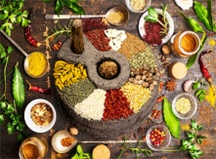 | MALIGAI | BREAKFAST & CEREALS|FLOUR|MASALA | BreakFast,Cereals|Kadalai Maavu,Arisi Maavu|Asafoetida,Biriyani Masala

