Field Crosswalk
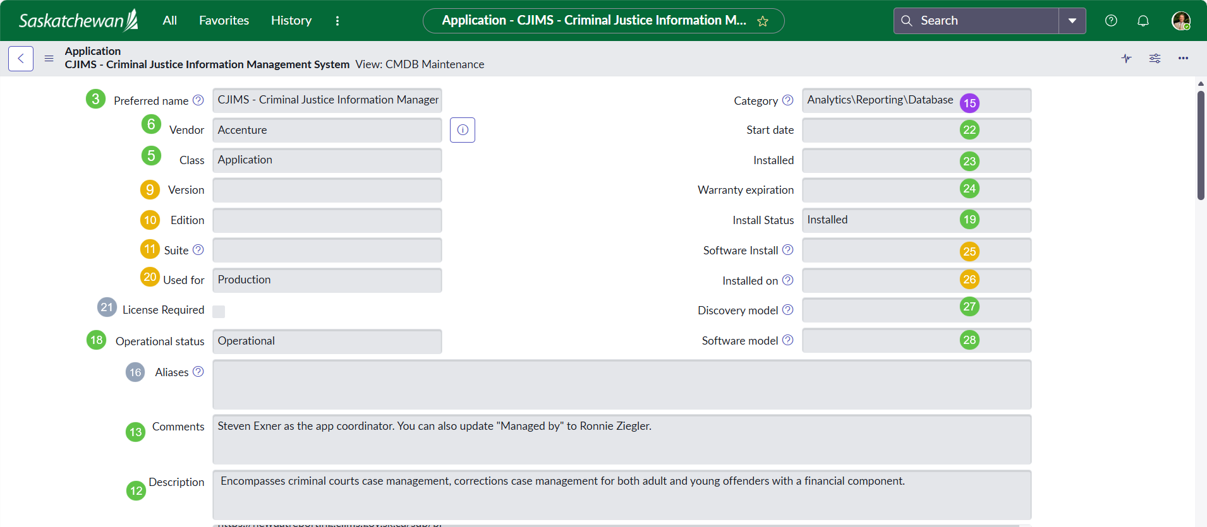
# | Form Section | Field Label (as shown on form) | ServiceNow Field Name | Current Table | Custom? | Disposition | Target BA Field | Data Type | CJIMS Example Value | Plain-English Description | Reports Using This Field | Migration Notes
 | APPLICATION IDENTITY
3 | Identity | Preferred name | name | cmdb | No | Maps to BA | name | string | CJIMS - Criminal Justice Information Manager | The display name of the application as recognized across the organization. | All 10 reports | Direct mapping. The BA record carries the canonical name.
4 | Identity | Number | number | cmdb_ci_business_app | No | Maps to BA (auto-gen) | number | string | APP0001325 | Auto-generated record identifier (e.g., BA0001234). Used for cross-referencing in reports. | Lifecycle Report | BA table auto-generates its own number series (BA prefix). APM extract number imported to correlation_id for traceability.
5 | Identity | Class | sys_class_name | cmdb | No | Changes to BA class | sys_class_name | sys_class_name | Application | The ServiceNow table class. Currently 'cmdb_ci_appl'; will become 'cmdb_ci_business_app'. | None directly | Automatic; class changes when record is created in/reclassed to BA table.
6 | Identity | Vendor | vendor | cmdb | No | Maps to BA | vendor | reference → core_company | Accenture | The company that provides or licenses the software. | Lifecycle Report | Direct mapping. Same field on both tables.
7 | Identity | Manufacturer | manufacturer | cmdb | No | Maps to BA | manufacturer | reference → core_company | GOS | The company that created the product. On BA, label becomes 'Publisher'. | None directly | Direct mapping. Label changes from 'Manufacturer' to 'Publisher' on BA form.
8 | Identity | Model ID | model_id | cmdb | No | Maps to BA | model_id | reference → cmdb_model | GOS Azure Application | Links to the product model catalog record defining standard specifications. | None directly | Direct mapping. Important for Software Asset Management alignment.
9 | Identity | Version | version | cmdb_ci_appl | No | Stays on cmdb_ci_appl | - | string | (empty) | Installed version of the application instance. Instance-level detail. | None directly | Version is instance-specific; belongs on Application Service, not Business Application. BA has product_support_status for vendor support level instead.
10 | Identity | Edition | edition | cmdb_ci_appl | No | Stays on cmdb_ci_appl | - | string | (empty) | Product edition (e.g., Standard, Enterprise). Instance-level detail. | None directly | Same as Version; instance-specific. Stays on Application (cmdb_ci_appl) or Application Service.
11 | Identity | Suite | suite | cmdb_ci_appl | No | Stays on cmdb_ci_appl | - | string | (empty) | Product suite this application belongs to (e.g., Microsoft Office). | None directly | BA table uses platform_host for suite/module relationships instead.
12 | Identity | Description | short_description | cmdb_ci | No | Maps to BA | short_description | string | Encompasses criminal courts case management, corrections case management for both adult and young offenders with a financial component. | Brief one-line description of the application's purpose. | None directly | Direct mapping. This is the primary description shown in lists and search.
13 | Identity | Comments | comments | cmdb_ci | No | Maps to BA | comments | string | Steven Exner as the app coordinator. You can also update "Managed by" to Ronnie Ziegler. | General notes about this application. Simple text field. | Lifecycle Report (APM Comments) | Direct mapping. Consider cleaning up ad-hoc notes before migration.
14 | Identity | Notes (Application URLs) | u_notes | cmdb_ci_appl | YES | Custom; migrate to BA | url + work_notes | string | CJIMS Production Application: https://cjims.gov.sk.ca (+ 40 more URLs) | SaskBuilds custom field storing application URLs across all environments. | None directly | Primary production URL → BA url field. Full URL list → work_notes or attachment. Consider creating Application Services per environment instead.
15 | Identity | Category (top) | u_category or application_category | uncertain | Likely YES | Maps to BA | application_category | reference | Analytics\Reporting\Database | APM-specific categorization. Distinct from the infrastructure category/subcategory shown lower. | None directly | If custom, map to BA application_category. If it's the standard category field relabeled, confirm with Darwin.
16 | Identity | Aliases | aliases | cmdb_ci_appl | No | Not on BA | - | string | (empty) | Alternative names for this application. Used by Discovery for matching. | None directly | No direct BA equivalent. Rarely populated for manually managed apps. Can use correlation_id or work_notes if needed.
17 | LIFECYCLE & STATUS
18 | Status | Operational status | operational_status | cmdb_ci | No | Maps to BA | operational_status | choice (integer) | Operational | Whether the application is currently live: Operational, Non-Operational, Retired, etc. | Lifecycle Report, By App (Other), For Ministry | Direct mapping. Also used to derive install_status for import.
19 | Status | Install Status | install_status | cmdb | No | Maps to BA | install_status | choice (integer) | Installed | Lifecycle state: 1=Installed, 7=Retired, 8=Pipeline. Legacy field. | Lifecycle Report | Derived from operational_status during import. Operational→1, Retired→7, Pipeline→8.
20 | Status | Used for | used_for | cmdb_ci_appl | No | Stays on cmdb_ci_appl | - | choice | Production | What this instance is used for: Production, Development, Test, etc. | None directly | Instance-level field. On BA, use environment or life_cycle_stage instead. Production is the default for BA records.
21 | Status | License Required | license_required | cmdb_ci_appl | No | Not on BA directly | software_license | boolean | (unchecked) | Whether this application requires a license. | None directly | BA table links to license records via software_license reference instead of a boolean flag.
22 | Status | Start date | start_date | cmdb_ci | No | Maps to BA | start_date | datetime | (empty) | When the application was first put into service. | None directly | Direct mapping. Important for calculating application age.
23 | Status | Installed | install_date | cmdb | No | Maps to BA | install_date | datetime | (empty) | Date the application was originally installed or deployed. | None directly | Direct mapping.
24 | Status | Warranty expiration | warranty_expiration | cmdb | No | Maps to BA | warranty_expiration | date | (empty) | When the support or warranty agreement expires. | None directly | Direct mapping. BA also adds contract_end_date for license/contract tracking.
25 | Status | Software Install | software_install | cmdb_ci_appl | No | Stays on cmdb_ci_appl | - | reference | (empty) | Links to a specific software installation record from Discovery. | None directly | Discovery/instance-level. Not applicable to Business Application.
26 | Status | Installed on | installed_on | cmdb_ci_appl | No | Stays on cmdb_ci_appl | - | reference | (empty) | The server/computer this application instance is installed on. | None directly | Infrastructure relationship. In CSDM, this becomes a Runs On relationship to Application Service, not on BA.
27 | Status | Discovery model | discovery_model | cmdb_ci | No | Maps to BA | - | reference | (empty) | Discovery pattern that identified this application. | None directly | Rarely relevant for manually curated BA records. Can be left empty.
28 | Status | Software model | cmdb_software_product_model | cmdb_ci_appl | No | Maps to BA | cmdb_software_product_model | reference | (empty) | Links to the software product model for SAM license tracking. | None directly | Direct mapping; same field exists on BA. Important for license compliance.
29 | OWNERSHIP & SUPPORT
30 | Ownership | Ministry | u_ministry | cmdb_ci_appl | YES | Custom; maps to company/department | company or department | reference | Justice Attorney General | SaskBuilds custom field identifying the ministry responsible for this application. | Lifecycle Report, By Ministry, For Ministry | Map to company (reference to core_company) or department on BA. Need to confirm mapping with Darwin; depends on how ministries are modeled in core_company table.
31 | Ownership | Application Coordinator | u_application_coordinator | cmdb_ci_appl | YES | Custom; maps to BA owner field | it_application_owner | reference → sys_user | Steven Exner | SaskBuilds custom field for the person coordinating the application. The closest BA equivalent is IT Application Owner. | Lifecycle Report, By App (Other), For Ministry | Map to it_application_owner (the only mandatory field on BA). Alternatively map to application_manager if coordinator is more operational than strategic.
32 | Ownership | Owned by | owned_by | cmdb | No | Maps to BA | owned_by | reference → sys_user | (empty) | Individual business owner of this application. | Lifecycle Report, By App (Other), For Ministry | Direct mapping. On BA, labeled 'Business owner'. If empty, consider populating from Application Coordinator.
33 | Ownership | Managed by | managed_by | cmdb | No | Maps to BA | managed_by | reference → sys_user | Ronnie Ziegler | Individual responsible for day-to-day management of this application. | Lifecycle Report, By App (Other), For Ministry | Direct mapping. One of the 4 CSDM Crawl gap fields already identified.
34 | Ownership | Support group | support_group | cmdb | No | Maps to BA | support_group | reference → sys_user_group | DPS PC | The team that handles incidents and requests for this application. | Lifecycle Report, By Support Group, For Ministry | Direct mapping. Critical for ITSM routing.
35 | Ownership | Supported by | supported_by | cmdb | No | Maps to BA | supported_by | reference → sys_user | (empty) | Individual providing operational support. Distinct from support_group (team). | Lifecycle Report, By App (Other), For Ministry | Direct mapping.
36 | Ownership | Support Staff | u_support_staff | cmdb_ci_appl | YES | Custom; no direct BA field | work_notes or custom | string (multi-value) | Martin Lai, Travis Carpenter, Ola Daniels | SaskBuilds custom field listing multiple support staff members. | Lifecycle Report, For Ministry | No single BA equivalent for multi-value person list. Options: (a) map to work_notes, (b) create custom field on BA, (c) use managed_by_group membership.
37 | Ownership | Offered to clients | u_offered_to_clients | cmdb_ci_appl | YES | Custom; maps to audience_type | audience_type | boolean→choice | Yes | SaskBuilds custom flag indicating if the application is offered to external clients/ministries. | None directly | Map to BA audience_type choice field (Internal, External, Both). Yes → 'External' or 'Both'.
38 | Ownership | Managed by (group) | managed_by_group | cmdb_ci | No | Maps to BA; NEW for Crawl | managed_by_group | reference → sys_user_group | (empty; gap field) | Which team manages this application day-to-day? One of 4 CSDM Crawl gap fields. | None yet; new field | NEW. Populate during April workshops. Maps directly to BA. Answers: 'Who manages this?'
39 | Ownership | Change control (Approval group) | change_control | cmdb_ci | No | Maps to BA; NEW for Crawl | change_control | reference → sys_user_group | (empty; gap field) | Which team approves changes to this application? One of 4 CSDM Crawl gap fields. | None yet; new field | NEW. Populate during April workshops. Maps directly to BA. Answers: 'Who approves changes?'
40 | INFRASTRUCTURE
41 | Infrastructure | Installation directory | install_directory | cmdb_ci_appl | No | Stays on cmdb_ci_appl | - | string | (empty) | File system path where the application is installed. Discovery-populated. | None directly | Instance-level infrastructure detail. Not applicable to Business Application.
42 | Infrastructure | Configuration directory | config_directory | cmdb_ci_appl | No | Stays on cmdb_ci_appl | - | string | (empty) | File system path for application configuration files. | None directly | Instance-level. Stays on Application or Application Service.
43 | Infrastructure | Configuration file | config_file | cmdb_ci_appl | No | Stays on cmdb_ci_appl | - | string | (empty) | Primary config file path. Discovery-populated. | None directly | Instance-level.
44 | Infrastructure | Category (lower) | category | cmdb_ci | No | Maps to BA | category | string | Resource | General CI category classification. | None directly | Direct mapping. BA also has application_category (APM-specific) which is more useful for portfolio views.
45 | Infrastructure | Subcategory | subcategory | cmdb_ci | No | Maps to BA | subcategory | string | Application | Sub-classification within the CI category. | None directly | Direct mapping.
46 | Infrastructure | IP Address | ip_address | cmdb_ci | No | Stays on cmdb_ci_appl | - | ip_addr | (empty) | IP address. Infrastructure-level; not applicable to Business Application (which is conceptual). | None directly | Belongs on server or Application Service, not BA.
47 | Infrastructure | Fully qualified domain name | fqdn | cmdb_ci | No | Not typically on BA | - | string | (empty) | FQDN. Infrastructure-level detail. | None directly | For web apps, use the BA url field instead.
48 | Infrastructure | Is clustered | is_clustered | cmdb_ci_appl | No | Stays on cmdb_ci_appl | - | boolean | (empty) | Whether this instance runs in a cluster. Infrastructure detail. | None directly | Instance-level. Stays on Application or Application Service.
49 | Infrastructure | TCP port(s) | tcp_port | cmdb_ci_appl | No | Stays on cmdb_ci_appl | - | string | (empty) | TCP ports this application listens on. | None directly | Instance-level.
50 | Infrastructure | MAC Address | mac_address | cmdb_ci | No | Not applicable | - | string | (empty) | MAC address. Inherited from base CI; not relevant for applications. | None directly | Not applicable to any application class.
51 | Infrastructure | DNS Domain | dns_domain | cmdb_ci | No | Not applicable | - | string | (empty) | DNS domain. Inherited from base CI. | None directly | Not applicable to BA. Use url field instead.
52 | Infrastructure | Deployment method | u_deployment_method | cmdb_ci_appl | YES | Custom; maps to install_type | install_type | choice | No Install | SaskBuilds custom field for how the application is deployed. | None directly | Map to BA install_type (On-Premises, Cloud-Hosted, SaaS, etc.). 'No Install' suggests SaaS/Cloud; map to 'Cloud-Hosted' or 'SaaS'.
53 | Infrastructure | Who provisions access | u_who_provisions_access | cmdb_ci_appl | YES | Custom; no direct BA field | work_notes or custom | string | Identity and Access Management | SaskBuilds custom field identifying who handles access provisioning. | None directly | No BA equivalent. Options: (a) capture in work_notes, (b) create custom field on BA, (c) defer to access management tooling.
54 | Infrastructure | Is two-factor authentication required | u_is_two_factor_auth | cmdb_ci_appl | YES | Custom; no direct BA field | work_notes or custom | boolean | (unchecked) | SaskBuilds custom flag for two-factor authentication requirement. | None directly | No BA equivalent. Security metadata; could map to data_classification context or custom field.
55 | Infrastructure | Local admin required | u_local_admin_required | cmdb_ci_appl | YES | Custom; no direct BA field | work_notes or custom | boolean | (unchecked) | SaskBuilds custom flag indicating if local admin rights are needed. | None directly | No BA equivalent. Operational detail; capture in work_notes or custom field if needed.
56 | DISCOVERY & AUDIT
57 | Discovery | Discovery source | discovery_source | cmdb_ci | No | Maps to BA | discovery_source | choice | Manual Entry | How this record was created: Discovery, SCCM, Manual Entry, etc. | None directly | Direct mapping. 'Manual Entry' is correct for curated APM records.
58 | Discovery | First discovered | first_discovered | cmdb_ci | No | Maps to BA | first_discovered | datetime | 3/5/25 | When this CI was first created or detected. | None directly | Direct mapping. Informational only.
59 | Discovery | Most recent discovery | last_discovered | cmdb_ci | No | Maps to BA | last_discovered | datetime | (empty) | Last time Discovery detected this CI. | None directly | Direct mapping.
60 | Discovery | Monitor | monitor | cmdb_ci | No | Maps to BA | monitor | boolean | (unchecked) | Whether this CI is actively monitored. | None directly | Direct mapping. Consider enabling for critical applications.
61 | Discovery | Correlation ID | correlation_id | cmdb_ci | No | Maps to BA | correlation_id | string | (empty) | External identifier for correlating with other systems. | None directly | Use this to store the original APM extract number (APP0001325) for traceability back to cmdb_ci_appl records.
62 | Discovery | Serial number | serial_number | cmdb | No | Not applicable | - | string | (empty) | Serial number. Not relevant for applications. | None directly | Inherited from base CMDB. Ignore.
63 | Discovery | Model number | model_number | cmdb_ci | No | Not applicable | - | string | (empty) | Model number. Not relevant for applications. | None directly | Inherited from base CI. Ignore.
64 | Discovery | Location | location | cmdb | No | Maps to BA | location | reference → cmn_location | (empty) | Primary physical location associated with this application. | None directly | Direct mapping. Usually represents the primary data center or office.
65 | Discovery | Maintenance schedule | maintenance_schedule | cmdb_ci | No | Maps to BA | maintenance_schedule | reference → cmn_schedule | (empty) | Defined maintenance window for this application. | None directly | Direct mapping.
66 | Discovery | Schedule | schedule | cmdb_ci | No | Maps to BA | schedule | reference → cmn_schedule | (empty) | When this CI is expected to be operational. For SLA management. | None directly | Direct mapping.
67 | RELATED LISTS
68 | Related List | Application_Ministry (multi-ministry) | u_application_ministry | custom M2M table | YES | Custom; maps to BA relationships | department or company refs | M2M reference | Saskatchewan Marshals Service, Saskatchewan Firearms Office, Justice Attorney General, Community Safety | SaskBuilds custom many-to-many table linking one application to multiple ministries. | Lifecycle Report, By Ministry, For Ministry | This is critical. Options: (a) one BA per ministry deployment (recommended for CSDM), (b) use department references, (c) maintain custom M2M on BA. Discuss approach at April 1 workshop.
69 | Related List | Relationships (27) | cmdb_rel_ci | cmdb_rel_ci | No | Migrates with reclassification | cmdb_rel_ci | relationship | 27 relationships | All CMDB relationships (Runs On, Depends On, etc.) linked to this CI. | None directly | Relationships update automatically when the CI sys_id is preserved during reclassification. Verify with Darwin.
70 | Related List | Affected by Task (204) | task | task-related tables | No | Migrates with sys_id | - | relationship | 204 tasks (incidents, changes, requests) | All ITSM tasks (incidents, changes, requests) linked to this application. | ITSM Metrics (all 4) | Tasks reference the CI by sys_id. If sys_id is preserved, all 204 tasks continue to link correctly.
71 | Related List | Child (2) | cmdb_rel_ci | cmdb_rel_ci | No | Migrates with reclassification | cmdb_rel_ci | relationship | 2 child records | Parent-child CI relationships. | None directly | Same as Relationships; preserved if sys_id maintained.

 | LEGEND: | Maps to BA |  | Stays on cmdb_ci_appl |  | Custom (SaskBuilds) |  | NEW for Crawl |  | Not applicable

Screen Map 2
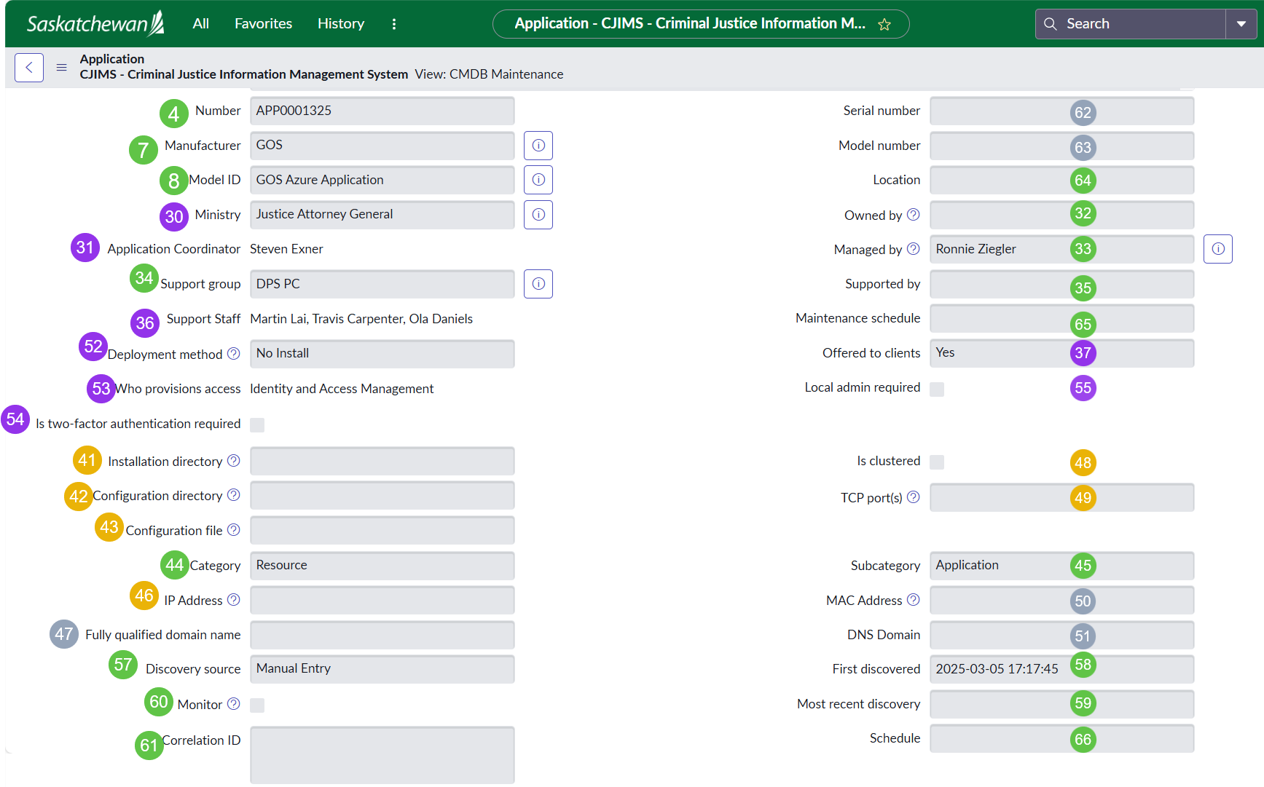

# | Form Section | Field Label (as shown on form) | ServiceNow Field Name | Current Table | Custom? | Disposition | Target BA Field | Data Type | CJIMS Example Value | Plain-English Description | Reports Using This Field | Migration Notes
4 | Identity | Number | number | cmdb_ci_business_app | No | Maps to BA (auto-gen) | number | string | APP0001325 | Auto-generated record identifier (e.g., BA0001234). Used for cross-referencing in reports. | Lifecycle Report | BA table auto-generates its own number series (BA prefix). APM extract number imported to correlation_id for traceability.
62 | Discovery | Serial number | serial_number | cmdb | No | Not applicable | - | string | (empty) | Serial number. Not relevant for applications. | None directly | Inherited from base CMDB. Ignore.
7 | Identity | Manufacturer | manufacturer | cmdb | No | Maps to BA | manufacturer | reference → core_company | GOS | The company that created the product. On BA, label becomes 'Publisher'. | None directly | Direct mapping. Label changes from 'Manufacturer' to 'Publisher' on BA form.
63 | Discovery | Model number | model_number | cmdb_ci | No | Not applicable | - | string | (empty) | Model number. Not relevant for applications. | None directly | Inherited from base CI. Ignore.
8 | Identity | Model ID | model_id | cmdb | No | Maps to BA | model_id | reference → cmdb_model | GOS Azure Application | Links to the product model catalog record defining standard specifications. | None directly | Direct mapping. Important for Software Asset Management alignment.
64 | Discovery | Location | location | cmdb | No | Maps to BA | location | reference → cmn_location | (empty) | Primary physical location associated with this application. | None directly | Direct mapping. Usually represents the primary data center or office.
30 | Ownership | Ministry | u_ministry | cmdb_ci_appl | YES | Custom; maps to company/department | company or department | reference | Justice Attorney General | SaskBuilds custom field identifying the ministry responsible for this application. | Lifecycle Report, By Ministry, For Ministry | Map to company (reference to core_company) or department on BA. Need to confirm mapping with Darwin; depends on how ministries are modeled in core_company table.
32 | Ownership | Owned by | owned_by | cmdb | No | Maps to BA | owned_by | reference → sys_user | (empty) | Individual business owner of this application. | Lifecycle Report, By App (Other), For Ministry | Direct mapping. On BA, labeled 'Business owner'. If empty, consider populating from Application Coordinator.
31 | Ownership | Application Coordinator | u_application_coordinator | cmdb_ci_appl | YES | Custom; maps to BA owner field | it_application_owner | reference → sys_user | Steven Exner | SaskBuilds custom field for the person coordinating the application. The closest BA equivalent is IT Application Owner. | Lifecycle Report, By App (Other), For Ministry | Map to it_application_owner (the only mandatory field on BA). Alternatively map to application_manager if coordinator is more operational than strategic.
33 | Ownership | Managed by | managed_by | cmdb | No | Maps to BA | managed_by | reference → sys_user | Ronnie Ziegler | Individual responsible for day-to-day management of this application. | Lifecycle Report, By App (Other), For Ministry | Direct mapping. One of the 4 CSDM Crawl gap fields already identified.
34 | Ownership | Support group | support_group | cmdb | No | Maps to BA | support_group | reference → sys_user_group | DPS PC | The team that handles incidents and requests for this application. | Lifecycle Report, By Support Group, For Ministry | Direct mapping. Critical for ITSM routing.
35 | Ownership | Supported by | supported_by | cmdb | No | Maps to BA | supported_by | reference → sys_user | (empty) | Individual providing operational support. Distinct from support_group (team). | Lifecycle Report, By App (Other), For Ministry | Direct mapping.
36 | Ownership | Support Staff | u_support_staff | cmdb_ci_appl | YES | Custom; no direct BA field | work_notes or custom | string (multi-value) | Martin Lai, Travis Carpenter, Ola Daniels | SaskBuilds custom field listing multiple support staff members. | Lifecycle Report, For Ministry | No single BA equivalent for multi-value person list. Options: (a) map to work_notes, (b) create custom field on BA, (c) use managed_by_group membership.
65 | Discovery | Maintenance schedule | maintenance_schedule | cmdb_ci | No | Maps to BA | maintenance_schedule | reference → cmn_schedule | (empty) | Defined maintenance window for this application. | None directly | Direct mapping.
52 | Infrastructure | Deployment method | u_deployment_method | cmdb_ci_appl | YES | Custom; maps to install_type | install_type | choice | No Install | SaskBuilds custom field for how the application is deployed. | None directly | Map to BA install_type (On-Premises, Cloud-Hosted, SaaS, etc.). 'No Install' suggests SaaS/Cloud; map to 'Cloud-Hosted' or 'SaaS'.
37 | Ownership | Offered to clients | u_offered_to_clients | cmdb_ci_appl | YES | Custom; maps to audience_type | audience_type | boolean→choice | Yes | SaskBuilds custom flag indicating if the application is offered to external clients/ministries. | None directly | Map to BA audience_type choice field (Internal, External, Both). Yes → 'External' or 'Both'.
53 | Infrastructure | Who provisions access | u_who_provisions_access | cmdb_ci_appl | YES | Custom; no direct BA field | work_notes or custom | string | Identity and Access Management | SaskBuilds custom field identifying who handles access provisioning. | None directly | No BA equivalent. Options: (a) capture in work_notes, (b) create custom field on BA, (c) defer to access management tooling.
55 | Infrastructure | Local admin required | u_local_admin_required | cmdb_ci_appl | YES | Custom; no direct BA field | work_notes or custom | boolean | (unchecked) | SaskBuilds custom flag indicating if local admin rights are needed. | None directly | No BA equivalent. Operational detail; capture in work_notes or custom field if needed.
54 | Infrastructure | Is two-factor authentication required | u_is_two_factor_auth | cmdb_ci_appl | YES | Custom; no direct BA field | work_notes or custom | boolean | (unchecked) | SaskBuilds custom flag for two-factor authentication requirement. | None directly | No BA equivalent. Security metadata; could map to data_classification context or custom field.
41 | Infrastructure | Installation directory | install_directory | cmdb_ci_appl | No | Stays on cmdb_ci_appl | - | string | (empty) | File system path where the application is installed. Discovery-populated. | None directly | Instance-level infrastructure detail. Not applicable to Business Application.
48 | Infrastructure | Is clustered | is_clustered | cmdb_ci_appl | No | Stays on cmdb_ci_appl | - | boolean | (empty) | Whether this instance runs in a cluster. Infrastructure detail. | None directly | Instance-level. Stays on Application or Application Service.
42 | Infrastructure | Configuration directory | config_directory | cmdb_ci_appl | No | Stays on cmdb_ci_appl | - | string | (empty) | File system path for application configuration files. | None directly | Instance-level. Stays on Application or Application Service.
49 | Infrastructure | TCP port(s) | tcp_port | cmdb_ci_appl | No | Stays on cmdb_ci_appl | - | string | (empty) | TCP ports this application listens on. | None directly | Instance-level.
43 | Infrastructure | Configuration file | config_file | cmdb_ci_appl | No | Stays on cmdb_ci_appl | - | string | (empty) | Primary config file path. Discovery-populated. | None directly | Instance-level.
44 | Infrastructure | Category (lower) | category | cmdb_ci | No | Maps to BA | category | string | Resource | General CI category classification. | None directly | Direct mapping. BA also has application_category (APM-specific) which is more useful for portfolio views.
45 | Infrastructure | Subcategory | subcategory | cmdb_ci | No | Maps to BA | subcategory | string | Application | Sub-classification within the CI category. | None directly | Direct mapping.
46 | Infrastructure | IP Address | ip_address | cmdb_ci | No | Stays on cmdb_ci_appl | - | ip_addr | (empty) | IP address. Infrastructure-level; not applicable to Business Application (which is conceptual). | None directly | Belongs on server or Application Service, not BA.
50 | Infrastructure | MAC Address | mac_address | cmdb_ci | No | Not applicable | - | string | (empty) | MAC address. Inherited from base CI; not relevant for applications. | None directly | Not applicable to any application class.
47 | Infrastructure | Fully qualified domain name | fqdn | cmdb_ci | No | Not typically on BA | - | string | (empty) | FQDN. Infrastructure-level detail. | None directly | For web apps, use the BA url field instead.
51 | Infrastructure | DNS Domain | dns_domain | cmdb_ci | No | Not applicable | - | string | (empty) | DNS domain. Inherited from base CI. | None directly | Not applicable to BA. Use url field instead.
57 | Discovery | Discovery source | discovery_source | cmdb_ci | No | Maps to BA | discovery_source | choice | Manual Entry | How this record was created: Discovery, SCCM, Manual Entry, etc. | None directly | Direct mapping. 'Manual Entry' is correct for curated APM records.
58 | Discovery | First discovered | first_discovered | cmdb_ci | No | Maps to BA | first_discovered | datetime | 2025-03-05 | When this CI was first created or detected. | None directly | Direct mapping. Informational only.
60 | Discovery | Monitor | monitor | cmdb_ci | No | Maps to BA | monitor | boolean | (unchecked) | Whether this CI is actively monitored. | None directly | Direct mapping. Consider enabling for critical applications.
59 | Discovery | Most recent discovery | last_discovered | cmdb_ci | No | Maps to BA | last_discovered | datetime | (empty) | Last time Discovery detected this CI. | None directly | Direct mapping.
61 | Discovery | Correlation ID | correlation_id | cmdb_ci | No | Maps to BA | correlation_id | string | (empty) | External identifier for correlating with other systems. | None directly | Use this to store the original APM extract number (APP0001325) for traceability back to cmdb_ci_appl records.
66 | Discovery | Schedule | schedule | cmdb_ci | No | Maps to BA | schedule | reference → cmn_schedule | (empty) | When this CI is expected to be operational. For SLA management. | None directly | Direct mapping.

