Summary
System |  |  |  | Document |  |  |  | By | On
Common |  |  |  | Security and Encryption |  | Summary | Create | Onkar | 14-Sep-25
 |  |  |  |  |  |  | Update | Onkar | 14-Sep-25
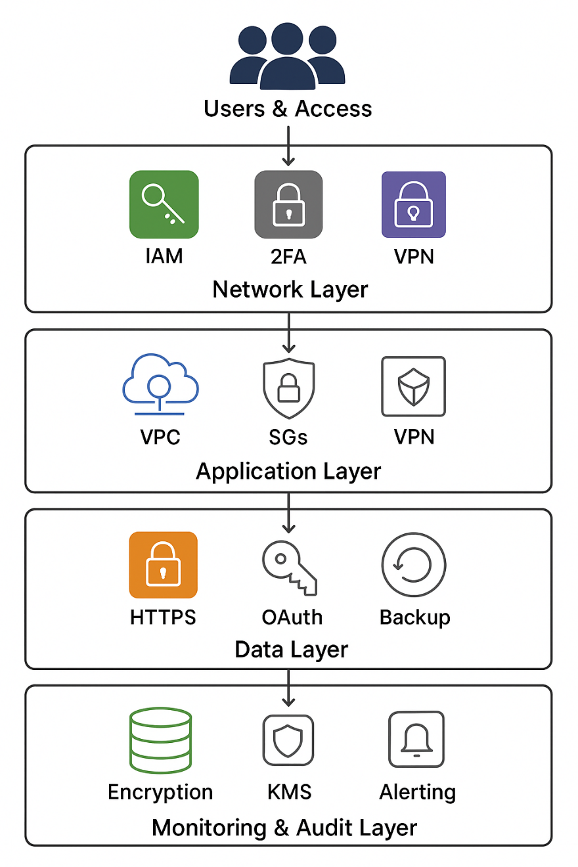

 | Sr.No |  | Topic
 | 1 |  | AWS Account Management
 | 2 |  | AWS Instance Connection(Common key, separate key)
 | 3 |  | SFTP,SCP,SCP using Key,VSFTP
 | 4 |  | HTTPS(Certificate creation, self certified-OpenSSL)
 | 5 |  | Inter Web Server Communication(Oauth)
 | 6 |  | Encryption(MD5,AES,DES-Using Salt)
 | 7 |  | VPN (IPSec & SSL VPN)
 | 8 |  | 2FA
 | 9 |  | Password
 | 10 |  | Application Security

 |  | Additional IT Audit Points
 |  | Area |  |  | Suggested Additional Points
 |  | Governance & Policies |  |  | • Documented security policies & SOPs • Regular policy review and updates • Compliance with ISO 27001, SOC 2, GDPR, HIPAA (as applicable)
 |  | Access Management |  |  | • IAM roles & least-privilege enforcement • Periodic user access review (UAR) • Key rotation policy & automation
 |  | Logging & Monitoring |  |  | • CloudTrail enabled and stored securely • GuardDuty or SIEM integration for threat detection • Alerts for unusual IAM/API activity
 |  | Backup & DR |  |  | • Regular automated backups (RPO/RTO defined) • Cross-region & cross-account backup strategy • Periodic DR drills and documentation
 |  | Network Security |  |  | • Segmentation (VPC, subnets, NACLs, SGs) • WAF & Shield for DDoS protection • VPN/DirectConnect with MFA for remote access
 |  | Data Security |  |  | • Data classification (PII, sensitive) • Encryption at rest (KMS) and in transit (TLS 1.2+) • Key management lifecycle review
 |  | Vulnerability Management |  |  | • Patch management process • Regular VA/PT scans and remediation tracking • Container image scanning
 |  | Change Management |  |  | • Infrastructure as Code (CloudFormation/Terraform) • CI/CD pipeline security scans • Change approval process logged
 |  | Incident Response |  |  | • IR playbooks for key threats • Defined escalation matrix • Forensics logging & evidence collection process
 |  | Audit Trails & Reporting |  |  | • Regular compliance reports • Centralized log archival (S3 + Glacier) • Audit dashboard for key security KPIs

SFTP,SCP,SCP using Key,VSFTP
Summary | Doc Name |  | SFTP,SCP,SCP using Key,VSFTP | Name of Author | Onkar | Date of creation | 3-Apr-2025
 | Version |  | 0.0 | Name of reviewer | Onkar | Date of review | 3-Apr-2025

 | FTP :- | It should be only used for the plain old FTP protocol.
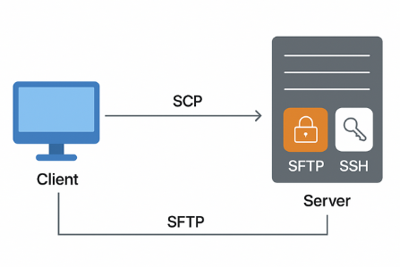
 | FTP/SSL, FTP/TLS, FTP over SSL, FTP over TLS, FTPS:- It should be only used for FTP over TLS/SSL.

 | SFTP
 | The SSH File Transfer Protocol (SFTP), also known as the Secure File Transfer Protocol, enables secure file transfer capabilities between networked hosts.
 | The command-line secure file transfer program (sftp) and graphical SFTP clients, such as WinSCP and Fetch, use SSH2 encryption to authenticate and establish secure channels between networked hosts.
 | Although SFTP clients are functionally similar to FTP clients, they employ different protocols; consequently, you cannot use a standard FTP client to connect to an SFTP server.
 | Unlike the Secure Copy Protocol (SCP), SFTP additionally provides remote file system management functionality, allowing applications to resume interrupted file transfers,
 | list the contents of remote directories, and delete remote files.
 | secure FTP server on Windows either as standalone file storage or to have means of editing your website hosted on IIS (Internet Information Services) web server.
 | In both cases, you can use an optional FTP Server component of the IIS. It can be installed standalone or along with a Web Server

 | SCP
 | The SCP protocol is a network protocol, based on the BSD RCP protocol,[3] which supports file transfers between hosts on a network.
 | SCP uses Secure Shell (SSH) for data transfer and uses the same mechanisms for authentication, thereby ensuring the authenticity and confidentiality of the data in transit.
 | A client can send (upload) files to a server, optionally including their basic attributes (permissions, timestamps)
 | Clients can also request files or directories from a server (download). SCP runs over TCP port 22 by default. Like RCP, there is no RFC that defines the specifics of the protocol.

 | scp user@host:directory/SourceFile TargetFile
 | scp -r user@host:directory/SourceFolder TargetFolder

 | SCP with Key
 | Specifies a file from which the user's DSA, ECDSA or DSA authentication identity is read.
 | The default is ~/.ssh/identity for protocol version 1, and ~/.ssh/id_dsa, ~/.ssh/id_ecdsa and ~/.ssh/id_rsa for protocol version
 | scp -r -i ./ssh/id_pub testdir sharad@192.168.1.19:/tmp

 | VSFTPD
 | VSFTP is an FTP server daemon that runs on Linux/UNIX operating systems.
 | Its primary features are security, performance, and stability. VSFTP includes a number of additional attractive features, including:
 | a small system footprint, the ability to handle virtual users, the choice of operating in a standalone configuration or via the inetd daemon, and bandwidth throttling for more site control.
 | FTP does not encrypt any data in transit, including user credentials, we'll enable TTL/SSL to provide that encryption. The first step is to create the SSL certificates for use with vsftpd.

 | >$ ftp -p 192.168.0.108
 | Connected to 192.168.0.108
 | 220 "Welcome to neo5k's FTP service."
 | Name (phobos:neo5k): testuser
 | 331 Please specify the password.
 | Password:
 | 230 Login successful
 | Remote system type is UNIX.
 | Using binary mode to transfer files.
 | ftp> ls -l
 | 229 Entering Extended Passive Mode
 | 150 Here comes the directory listing
 | drwxr-xr-x 11 500 100 400 May 07 16:22 docs
 | drwxr-xr-x 9 500 100 464 Feb 01 23:05 hlds
 | drwxr-xr-x 39 500 100 4168 May 10 09:15 projects
 | 226 Directory send OK.
 | ftp>

Https
Summary | Doc Name |  |  | Htpps | Name of Author | Onkar | Date of creation | 3-Apr-2025
 | Version |  |  | 0.0 | Name of reviewer | Onkar | Date of review | 3-Apr-2025

 | Ref url:- | https://www.instantssl.com/ssl-certificate-products/https.html
 |  |  | Hyper Text Transfer Protocol Secure (HTTPS) is the secure version of HTTP, the protocol over which data is sent between your browser and the website that you are connected to. The 'S' at the end of HTTPS stands for 'Secure'. It means all communications between your browser and the website are encrypted.

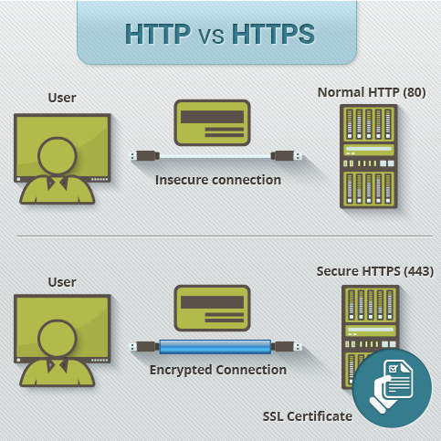
 |  |  |  |  |  | HTTPS pages typically use one of two secure protocols to encrypt communications - SSL (Secure Sockets Layer) or TLS (Transport Layer Security). Both the TLS and SSL protocols use what is known as an 'asymmetric' Public Key Infrastructure (PKI) system. An asymmetric system uses two 'keys' to encrypt communications, a 'public' key and a 'private' key. Anything encrypted with the public key can only be decrypted by the private key and vice-versa.

 |  |  |  |  |  | HTTPS Certificate
 |  |  |  |  |  | When you request a HTTPS connection to a webpage, the website will initially send its SSL certificate to your browser. This certificate contains the public key needed to begin the secure session. Based on this initial exchange, your browser and the website then initiate the 'SSL handshake'. The SSL handshake involves the generation of shared secrets to establish a uniquely secure connection between yourself and the website. When a trusted SSL Digital Certificate is used during a HTTPS connection, users will see a padlock icon in the browser address bar. When an Extended Validation Certificate is installed on a web site, the address bar will turn green.

 |  | The major benefits of a HTTPS certificate are:
 |  | |--> Customer information, like credit card numbers & Sensetive data are encrypted and cannot be intercepted
 |  | |--> Visitors can verify you are a registered business and that you own the domain
 |  | |--> Customers are more likely to trust and complete purchases from sites that use HTTPS

 |  | Self-signed certificate |  |  |  | CA Signed certificate
 |  | The certificate has signed by its owner. |  |  |  | authorized certificate issued by trustworthy certificate authority.
 |  | Self-signed certificates deliver the same level of security to data that flows in the tunnel between browser & server, but has no relation with the identity of the person or organization issued it, thus the owner of a web service stays anonymous. That's why self-signed certificates are considered as untrusted. |  |  |  | When client visits site it shows in address bar about the authenticity of website. It boosts confidence of customer. The information flows in tunnel is secure.

 |  | Self-signed shows unauthenticated message in web address |  |  |  | Signed certificate shows authentication message hence customer find trusted seal in address bar

 |  | Self-signed certificate does not allow any authority for implementation |  |  |  | signed certificate needs a certified authority for implementation.

 |  | Self-signed certificate are free of cost |  |  |  | signed certificate are usable from $10 to $1000 per year
 |  | Self-signed certificate is easy to deploy |  |  |  | signed certificate require following a process of deployment. Common Certified Authorities are Symantec,Thawte , RapidSSL , GeoTrust

 | Steps | To Generate a Certificate Signing Request for Apache 2.x
 |  | 1. Log in to your server's terminal (SSH).
 |  | 2. At the prompt, type the following command: ...
 |  | $openssl req -new -newkey rsa:2048 -nodes -keyout server.key -out server.csr
 |  | 3. Enter the requested information: … (Common Name , Organization , Organization Unit , City or Locality , Sate or Province , Country)
 |  | Note:- If you do not want to enter a password for this SSL, you can leave the Passphrase field blank. However, please understand there might be additional risks.
 |  | 4. Open the CSR in a text editor and copy all of the text.

 |  | 5. Paste the full CSR into the SSL enrollment form in your account.
 |  | A SSL certificate is an electronic “document” that is used to bind together a public security key and a web site’s identity information (such as name, location, etc.) by means of a digital signature. The “document” is issued by a certificate provider such as GlobalSign, Verisign, GoDaddy, Comodo, Thawte, and others.

 |  | Self signed Certificate
 |  | The self-signed SSL certificate is generated from the server.key private key and server.csr files.
 |  | $ openssl x509 -req -sha256 -days 365 -in server.csr -signkey server.key -out server.crt

Oauth
Summary | Doc Name |  | Oauth | Name of Author | Onkar | Date of creation | 3-Apr-2025
 | Version |  | 0.0 | Name of reviewer | Onkar | Date of review | 3-Apr-2025

 |  | Inter Web Server Communication(Oauth)
 |  | OAuth 2 is an authorization framework that enables applications to obtain limited access to user accounts on an HTTP service, such as Facebook, GitHub, and DigitalOcean. It works by delegating user authentication to the service that hosts the user account, and authorizing third-party applications to access the user account. OAuth 2 provides authorization flows for web and desktop applications, and mobile devices.

 | Here is a more detailed explanation of the steps in the diagram:
 | 1. The application requests authorization to access service resources from the user
 | 2. If the user authorized the request, the application receives an authorization grant
 | 3. The application requests an access token from the authorization server (API) by presenting authentication of its own identity, and the authorization grant
 | 4. If the application identity is authenticated and the authorization grant is valid, the authorization server (API) issues an access token to the application. Authorization is complete.
 | 5. The application requests the resource from the resource server (API) and presents the access token for authentication
 | 6. If the access token is valid, the resource server (API) serves the resource to the application
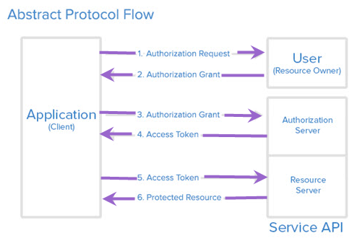
 |  |  |  |  |  |  | OAuth defines four roles: | Resource Owner
 |  |  |  |  |  |  |  | Client
 |  |  |  |  |  |  |  | Resource Server
 |  |  |  |  |  |  |  | Authorization Server

