Sheet1
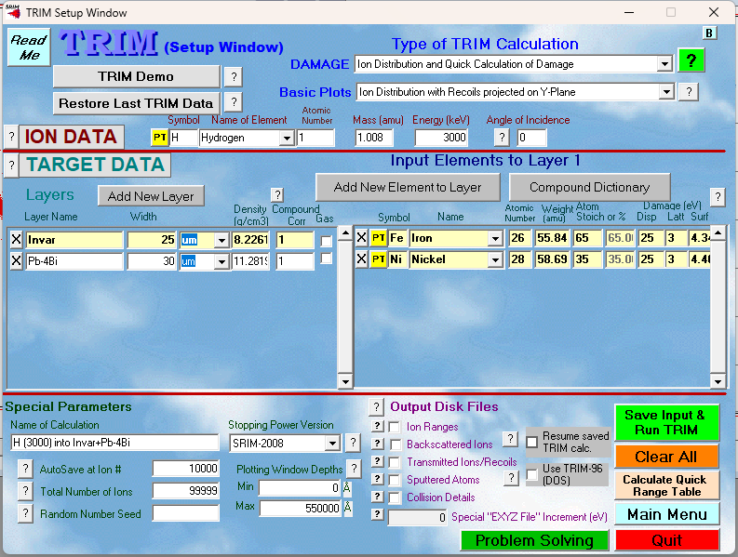

element | atomic mass | Invar | Fe | Ni
Fe | 55.845 | wt. % | 64 | 36
Ni | 58.693 | at. % | 0.65137862222 | 0.34862137778

