Sheet1
How to build decision tree ? If taking " Color == yellow ? " as first branch, what is information gain?

 | Level 1: Impurity of root
 |  | imp = P(E)*(1-P(E)) + P(M)*(1-P(M)) + P(T)(1-P(T)) +P(G)(1-P(G))
 |  | = (2/7)*(1-2/7) + (1/7)*(1-1/7) + (2/7)*(1-2/7) + (2/7)*(1-2/7)

 |  | = = 0.7346

 |  | Ave imp = 7/7 * imp = 7/7* 0.7346 = 0.7346
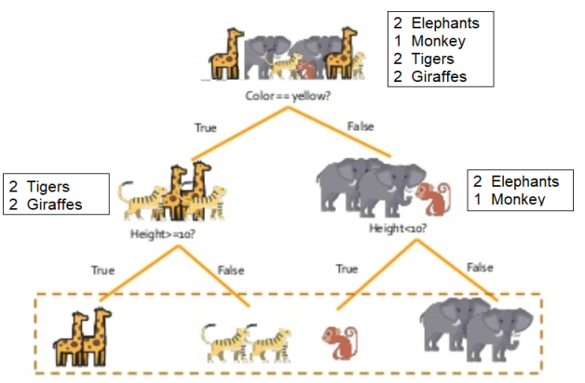

 | Level 2: Impurity
 |  | Left subtree :
 |  |  | imp = P(T)*(1-P(T)) + P(G)*(1-P(G))
 |  |  | = (2/4)*(1-2/4) + (2/4)*(1-2/4)

 |  |  | = 0.5

 |  | Right subtree:
 |  |  | imp = P(E)*(1-P(E)) + P(M)*(1-P(M))
 |  |  | = (2/3) * (1-2/3) + (1/3) * (1-1/3) = 0.44

 |  | Ave imp = 4/7 * 0.5 + 3/7 * 0.44
 |  | 0.285 + 0.188 = 0.473

 | Information Gain in 2 levels:
 |  | Info Gain = Ave Imp. of Level 1 - Ave Imp. of Level 2
 |  | = 0.7346 - 0.473 = 0.2616

 | Need to take max total information gain tree structure

If taking " Height >= 10 ? " as first branch, what is information gain?

 | Level 1: Impurity of root
 |  | imp = P(E)*(1-P(E)) + P(M)*(1-P(M)) + P(T)(1-P(T)) +P(G)(1-P(G))
 |  | =(2/7)*(1-2/7) + (1/7)*(1-1/7) + (2/7)*(1-2/7) + (2/7)*(1-2/7)

 |  | = 0.7346

 |  | Ave imp = 7/7 * imp = 7/7 * 0.7346 = 0.7346

 | Level 2: Impurity
 |  | Left subtree :
 |  |  | imp = P(G)*(1-P(G))
 |  |  | = (2/4) * (1-2/4) = 0.25

 |  | Right subtree:
 |  |  | imp = P(T)*(1-P(T))
 |  |  | = (2/4) * (1-2/4) = 0.25

 |  | Ave imp = 2/4 * 0.25 + 2/4 * 0.25 = 0.25

 | Information Gain in 2 levels:
 |  | Info Gain = Ave Imp. of Level 1 - Ave Imp. of Level 2
 |  | = 0.7346 - 0.25 = 0.48

If taking " Height <= 10 ? " as first branch, what is information gain?

 | Level 1: Impurity of root
 |  | imp = P(E)*(1-P(E)) + P(M)*(1-P(M)) + P(T)(1-P(T)) +P(G)(1-P(G))
 |  | =(2/7)*(1-2/7) + (1/7)*(1-1/7) + (2/7)*(1-2/7) + (2/7)*(1-2/7)

 |  | = 0.7346

 |  | Ave imp = 7/7 * imp = 7/7 * 0.7346 = 0.7346

 | Level 2: Impurity
 |  | Left subtree :
 |  |  | imp = P(M)*(1-P(M))
 |  |  | = (1/3) * (1-1/3) = 0.22

 |  | Right subtree:
 |  |  | imp = P(E)*(1-P(E))
 |  |  | = (2/3)*(1-2/3) = 0.22

 |  | Ave imp = 1/3 * 0.22 + 2/3 * 0.22 = 0.22

 | Information Gain in 2 levels:
 |  | Info Gain = Ave Imp. of Level 1 - Ave Imp. of Level 2
 |  | = 0.7346 - 0.22 = 0.514

