Sheet1
Training Dataset
ID | Red | Green | Blue | Size (cm) | Fruit (Label) |  | ID | Condition List |  |  | Predict
0 | 1 | 0 | 0 | 7 | Apple |  | 0 | Red == 1? |  |  | Red = 1
1 | 0 | 1 | 0 | 20 | WaterMelon |  | 1 | Red == 0? |  |  | Green = 0
2 | 1 | 0 | 0 | 1 | Cherry |  | 2 | Green == 0? |  |  | Blue == 0
3 | 0 | 1 | 0 | 7.5 | Apple |  | 3 | Green == 1? |  |  | Size = 10
4 | 1 | 0 | 0 | 1 | Strawberry |  | 4 | Blue == 0?
5 | 1 | 0 | 0 | 0.8 | Cherry |  | 5 | Size =< 10?

Step1 Randomly create bootstrapping subsets from training set; and randomly take sqrt(n) = sqrt(6) = 3 features from condition list 0 ~ 5 for each Btstrp
Btstrp1 | Btstrp2 | Btstrp3 |  |  |  |  | Cnd ID for Btstrp1 | Cnd ID for Btstrp2 | Cnd ID for Btstrp3
0 | 1 | 2 |  |  |  |  | 0 | 1 | 2
5 | 0 | 1 |  |  |  |  | 2 | 3 | 4
1 | 2 | 3 |  |  |  |  | 5 | 0 | 0
4 | 5 | 4
3 | 4 | 5
4 | 5 | 5

Step 2 Build up 3 decision trees
 | Decision Tree 1 for Btstrp1 and 1st condition list
 |  | ID | Red | Green | Blue | Size (cm) | Label |  | ID | Condition List
 |  | 0 | 1 | 0 | 0 | 7 | Apple |  | 0 | Red == 1?
 |  | 5 | 1 | 0 | 0 | 0.8 | Cherry |  | 2 | Green == 0?
 |  | 1 | 0 | 1 | 0 | 20 | WaterMelon |  | 5 | Size =< 10?
 |  | 4 | 1 | 0 | 0 | 1 | Strawberry
 |  | 3 | 0 | 1 | 0 | 7.5 | Apple
 |  | 4 | 1 | 0 | 0 | 1 | Strawberry

 |  | Impurity of root
 |  | imp. = P(A)*(1-P(A)) + P(C)*(1-P(C)) + P(W)*(1-P(W))+ P(S)*(1-P(S))
 |  | = 2/6*(1-2/6) + 1/6*(1-1/6) + 1/6*(1-1/6) + 2/6*(1-2/6)
 |  | = 0.73

 |  | Ave. imp = 6/6 * 0.73 = 0.73
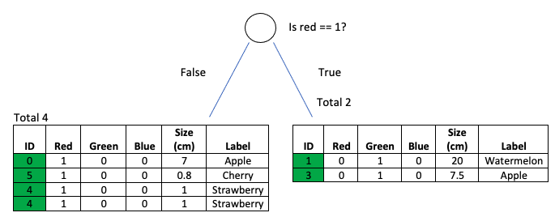
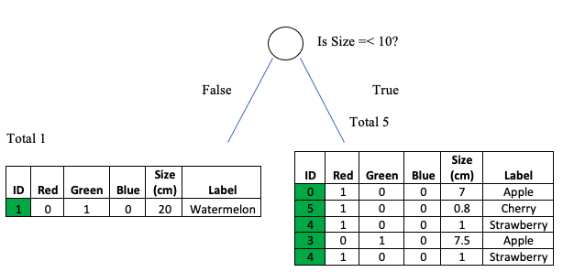

 |  | LHS imp. = 1/4*(1-1/4) + 1/4*(1-1/4) + 2/4*(1-2/4) |  |  | RHS imp. = 1/2*(1-1/2) + 1/2*(1-1/2) |  | LHS imp. = 1/2*(1-1/2) + 1/2*(1-1/2) |  |  |  | RHS imp. = = 1/4*(1-1/4) + 1/4*(1-1/4) + 2/4*(1-2/4) |  |  |  | LHS imp. = 1/1*(1-1/1) |  | RHS imp. = 2/5*(1-2/5) + 1/5*(1-1/5) + 2/5*(1-2/5)
 |  | = 0.62 |  |  | 0.5 |  | 0.5 |  |  |  | = 0.62 |  |  |  | 0 |  | = 0.64

 |  | LHS. Ave. imp = 4/6 * 0.62 = 0.4 |  |  | RHS. Ave. imp = 2/6 * 0.5 = 0.16 |  | LHS. Ave. imp = 2/6 * 0.5 = 0.16 |  |  |  | RHS. Ave imp = 4/6 * 0.62 = 0.4 |  |  |  | LHS. Ave imp = 1/6 * 0 = 0 |  | RHS. Ave imp = 5/6 * 0.64 = 0.53

 |  |  |  | Total Ave. imp = 0.4 + 0.16 = 0.56 |  |  |  |  | Total Ave. imp = 0.4 + 0.16 = 0.56 |  |  |  |  |  |  | Total Ave. imp = 0 + 0.53 = 0.53

 |  | Info Gain = 0.73(imp. of root) - 0.56 = 0.17 |  |  |  |  | Info Gain = 0.73(imp. of root) - 0.56 = 0.17 |  |  |  |  |  |  |  | Info Gain = 0.73(imp. of root) - 0.53 = 0.2

 |  | Comparison of Info Gain from 3 conditions
 |  | Red == 1? | Green == 0? | Size =< 10?
 |  | 0.17 | 0.17 | 0.2

 |  | Taking either "Size =< 10?" will get highest info gain
 |  | I will select "is Size =< 10?" as 1st checking condition in decision tree

 |  |  |  |  |  |  |  | ID | Condition List
 |  |  |  |  |  |  |  | 0 | Red == 1?
 |  |  |  |  |  |  |  | 2 | Green == 0?
 |  |  |  |  |  |  |  | 5 | Size =< 10?

 |  | Go to next checking condition
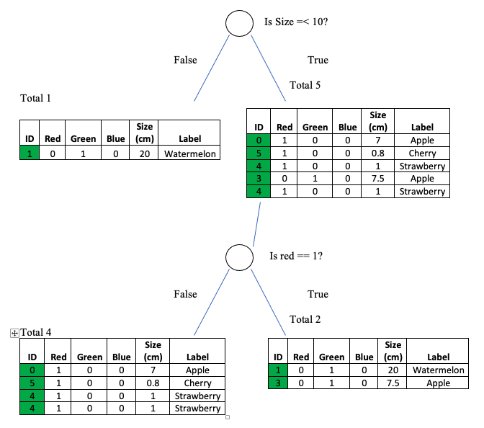
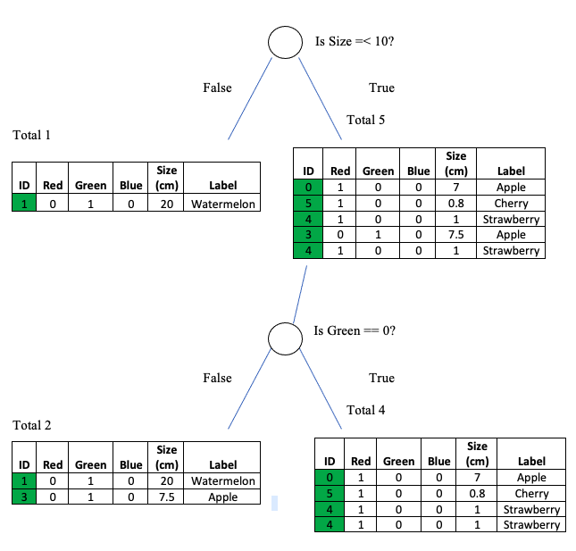

 |  |  |  | Info Gain = 0.73(is Size =< 10?) - 0.56 = 0.17 |  |  |  |  |  |  |  |  |  |  | Info Gain = 0.73(is Size =< 10?) - 0.56 = 0.17

 |  | Comparison of Info Gain from 2 conditions
 |  | Red == 1? | Green == 0?
 |  | 0.17 | 0.17

 |  | Taking either "is red == 1?" or "is Green == 0?" as 2nd checking condition in decision tree
 |  | I will select "is red == 1?"

 | Decision Tree 2 for Btstrp2 and 2nd condition list
 |  | ID | Red | Green | Blue | Size (cm) | Label |  |  | ID | Condition List
 |  | 1 | 0 | 1 | 0 | 20 | Watermelon |  |  | 1 | Red == 0?
 |  | 0 | 1 | 0 | 0 | 7 | Apple |  |  | 3 | Green == 1?
 |  | 2 | 1 | 0 | 0 | 1 | Cherry |  |  | 0 | Red == 1?
 |  | 5 | 1 | 0 | 0 | 0.8 | Cherry
 |  | 4 | 1 | 0 | 0 | 1 | Strawberry
 |  | 5 | 1 | 0 | 0 | 0.8 | Cherry

 |  | Impurity of root
 |  | imp. = P(A)*(1-P(A)) + P(C)*(1-P(C)) + P(W)*(1-P(W)) + P(S)*(1-P(S))
 |  | = 1/6*(1-1/6) + 3/6*(1-3/6) + 1/6*(1-1/6) + 1/6*(1-1/6)
 |  | = 0.67

 |  | Ave. imp = 6/6* 0.67 = 0.67

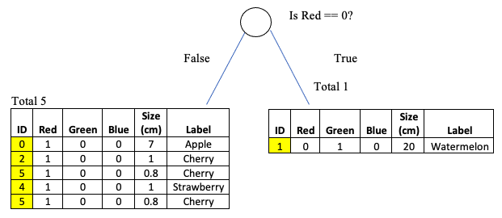
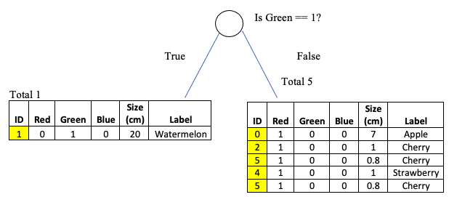

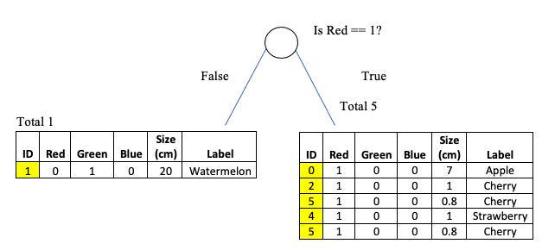

 |  | LHS imp. = 1/5*(1-1/5) + 3/5*(1-3/5) + 1/5*(1-1/5) |  |  |  | RHS imp. = 1/1*(1-1/1) |  |  |  |  | LHS imp. = 1/1*(1-1/1) |  |  |  |  | RHS imp. = 1/5*(1-1/5) + 3/5*(1-3/5) + 1/5*(1-1/5) |  | LHS imp. = 1/1*(1-1/1) |  | RHS imp. = 1/5*(1-1/5) + 3/5*(1-3/5) + 1/5*(1-1/5)
 |  | 0.56 |  |  |  | = 0 |  |  |  |  | = 0 |  |  |  |  | 0.56 |  | 0 |  | = 0.56

 |  | LHS. Ave imp = 5/6 * 0.56 = 0.46 |  |  |  | RHS. Ave imp = 1/6 * 0 = 0 |  |  |  |  | LHS. Ave imp = 1/6 * 0 = 0 |  |  |  |  | RHS. Ave imp = 5/6 * 0.56 = 0.46 |  | LHS. Ave imp = 1/6 * 0 = 0 |  | RHS. Ave imp = 5/6 * 0.56 = 0.46

 |  |  |  | Total Ave. imp = 0.46 + 0 = 0.46 |  |  |  |  |  |  |  | Total Ave. imp = 0 + 0.46 = 0.46 |  |  |  |  |  |  | Total Ave. imp = 0 + 0.46 = 0.46

 |  | Info Gain = 0.67(imp. of root) - 0.46 = 0.21 |  |  |  |  |  |  |  |  | Info Gain = 0.67(imp. of root) - 0.46 = 0.21 |  |  |  |  |  |  | Info Gain = 0.67(imp. of root) - 0.46 = 0.21

 |  | Comparison of Info Gain from 3 conditions
 |  | Red == 0? | Green == 1? | Red == 1?
 |  | 0.21 | 0.21 | 0.21

 |  | Taking anyone will get highest info gain

 |  |  |  |  |  |  |  |  |  |  |  |  | ID | Condition List
 |  |  |  |  |  |  |  |  |  |  |  |  | 1 | Red == 0?
 |  |  |  |  |  |  |  |  |  |  |  |  | 3 | Green == 1?
 |  |  |  |  |  |  |  |  |  |  |  |  | 0 | Red == 1?

 |  | Go to next checking condition

