Лист1
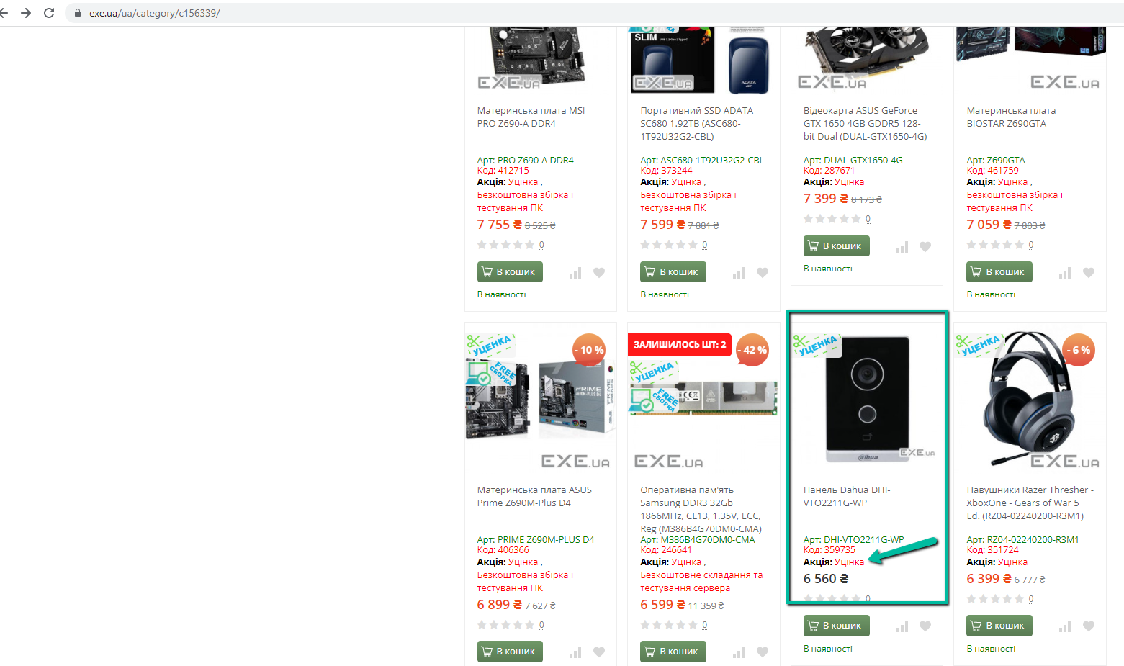
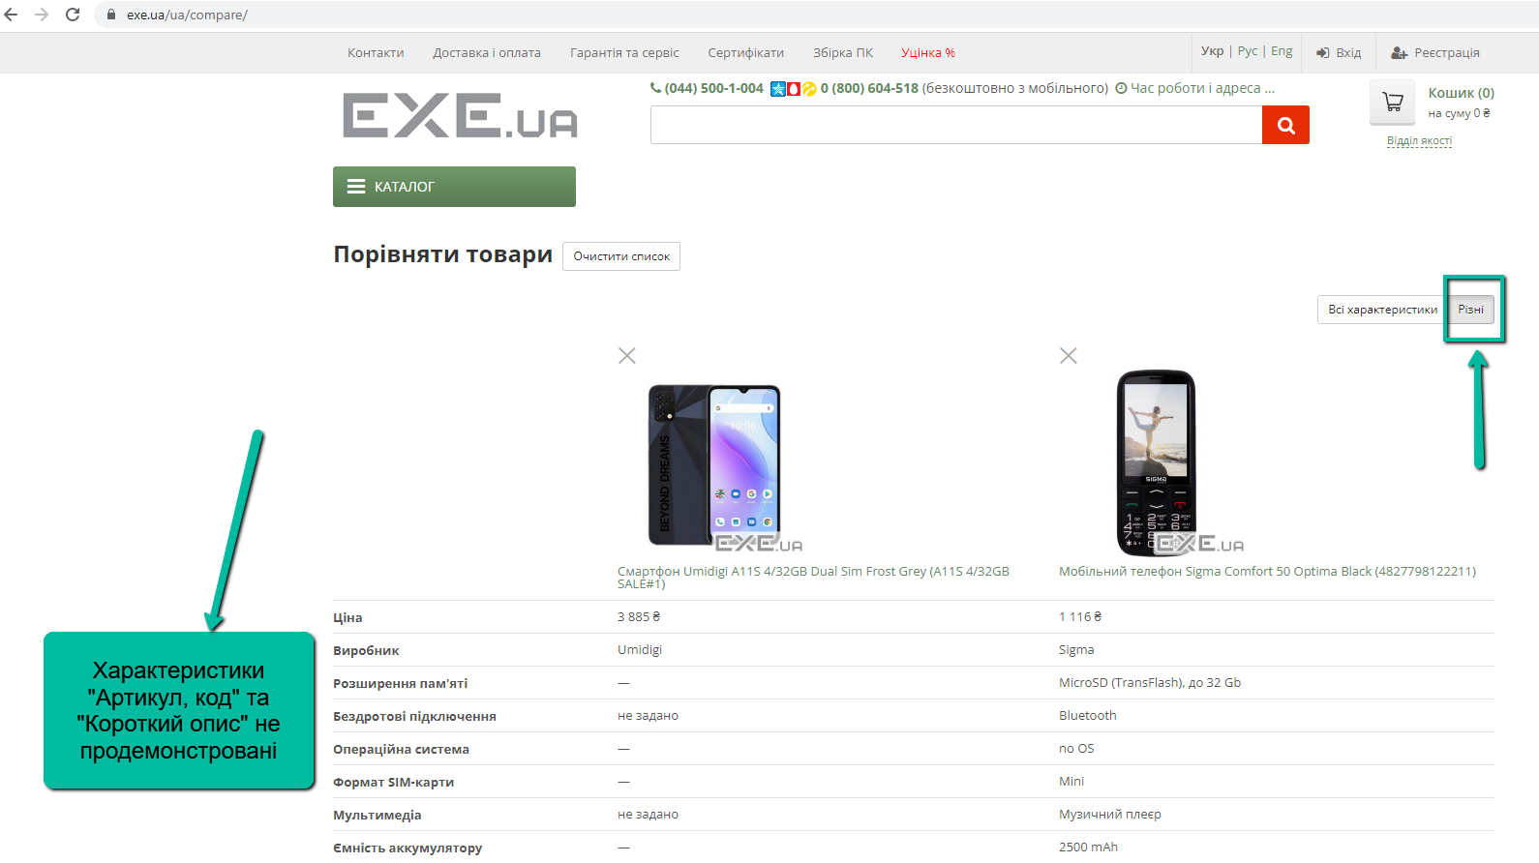
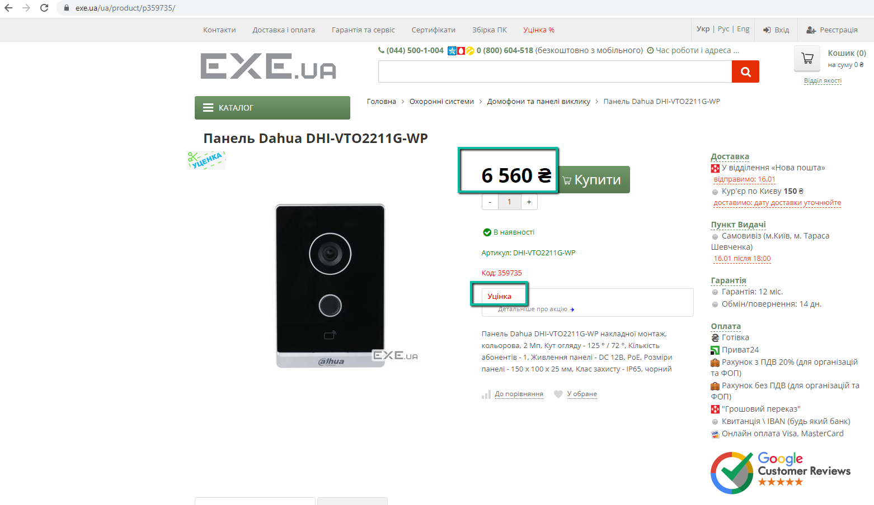
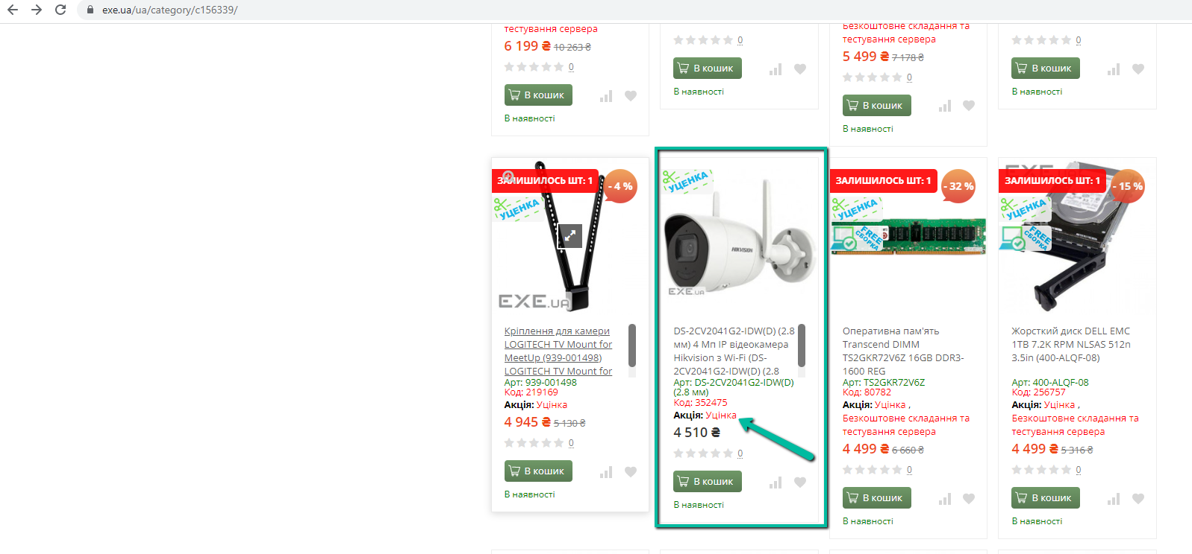
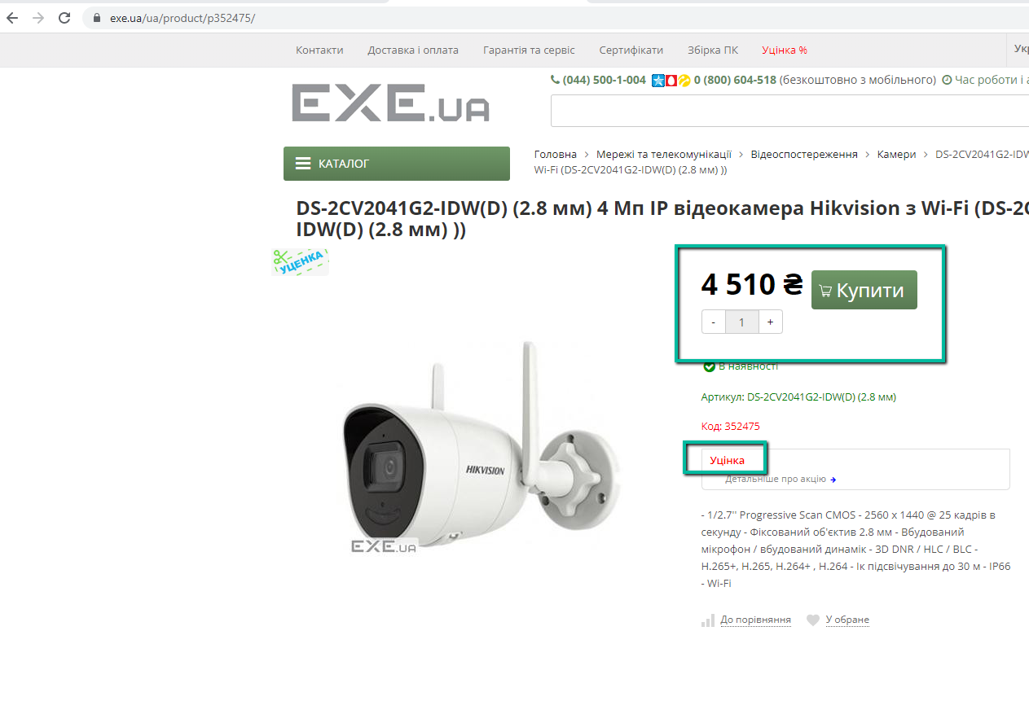
Bug-reports
ID | BR123456 | BR123457 | BR123458 | BR123459 | BR123460
Summary | The discount amount is not specified in the "Discount" category for several products. | The word "Send" on the Contacts page is not translated when you change the language. | Incorrect use of the word "to take place" on the Contacts page in the description of the service center's operating mode when using the Ukrainian language | All the necessary characteristics are not shown when comparing products when you click the "different" button | There is no error message on the Quality Department form when the user enters an invalid phone number
Pre-conditions | Open the site https://exe.ua/ | Open the site https://exe.ua/ | Open the site https://exe.ua/ | Open the site https://exe.ua/ | Open the site https://exe.ua/
Steps | 1. Click on "Discount%". | 1. Click on "Contacts". | 1. Click on "Contacts". | 1. Click on "Catalog". | 1. Click on "Quality department" in the upper right part of the page.
 | 2. Among the products, find "Panel Dahua DHI-VTO2211G-WP" and click on it. | 2. Click on the "Ukr" button in the upper right part of the page. | 2. Click on the "Ukr" button in the upper right part of the page. | 2. Click on "Smartphones, phones" - "Smartphones and mobile phones". | 2. Enter Sergey in the "Name" field.
 | 3. Return to the list of products from the "Discount" category. | 3. Click on the "Eng" button in the upper right part of the page. | 3. Find on the page information about the operation of the service center. | 3. Find "Umidigi A11S 4/32GB Dual Sim Smartphone" among the phones that appear Frost Gray (A11S 4/32GB SALE#2)" and click on it. | 3. Enter 9867enk in the phone field.
 | 4. Among the products, find "DS-2CV2041G2-IDW(D) (2.8 mm) 4 MP IP video camera Hikvision with Wi-Fi" and click on it. |  |  | 4. Click "To compare" under brief information about the phone. | 4. Enter tert@mail.ru in the Email field.
 |  |  |  | 5. Go back to the phone menu by pressing the "back" arrow in the browser. | 5. In the field with additional information, enter - 123.
 |  |  |  | 6. Find "Sigma Comfort 50 Optima Black" and click on it. | 6. Enter the captcha shown below.
 |  |  |  | 7. Click "Compare" under brief information about the phone. | 7. Click "Send".
 |  |  |  | 8. Click on "Comparison" at the bottom of the page.
 |  |  |  | 9. Check which phone characteristics are specified when clicking the "all" buttons characteristics" and "various".
Expected result | Next to the name of the selected products, the amount or percentage of the discount must be indicated. | The word must be translated into Ukrainian or English. | The word should be written - "відбувається". | When clicking on the "various" button, all the available characteristics of the phones should be displayed, which differ from each other. | An error should appear that the phone is not valid.
Actual result | The amount and/or percentage of the discount is not specified. | Changing the localization does not work. | Written - "відбуватися". | The characteristics "Article, code" and "Short description" are not displayed. | A message about a successful appeal to the quality department was highlighted.
Post-condition
Environment | Version 105.0.5195.127 (Official build), (64 bit), all browsers | Version 105.0.5195.127 (Official build), (64 bit), all browsers | All browsers | All browsers | All browsers
Serenity | Low | Low | Low | Low | Low
Priority | Low | Low | Low | Low | Low
Type of bug | Logical | Localization | Spelling | Logical | Functional
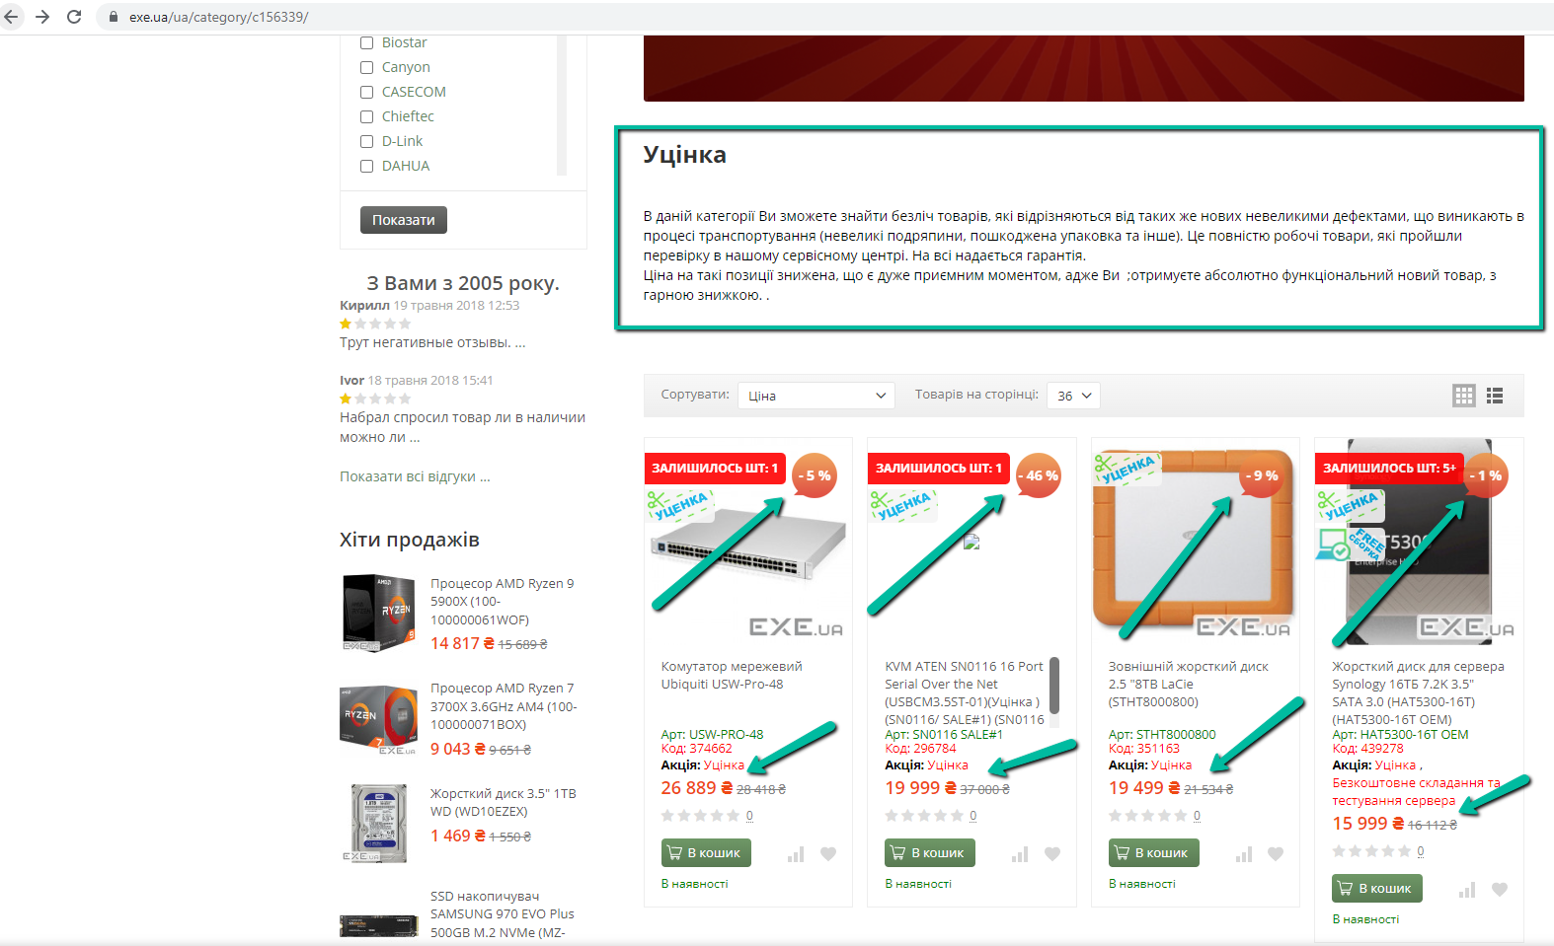
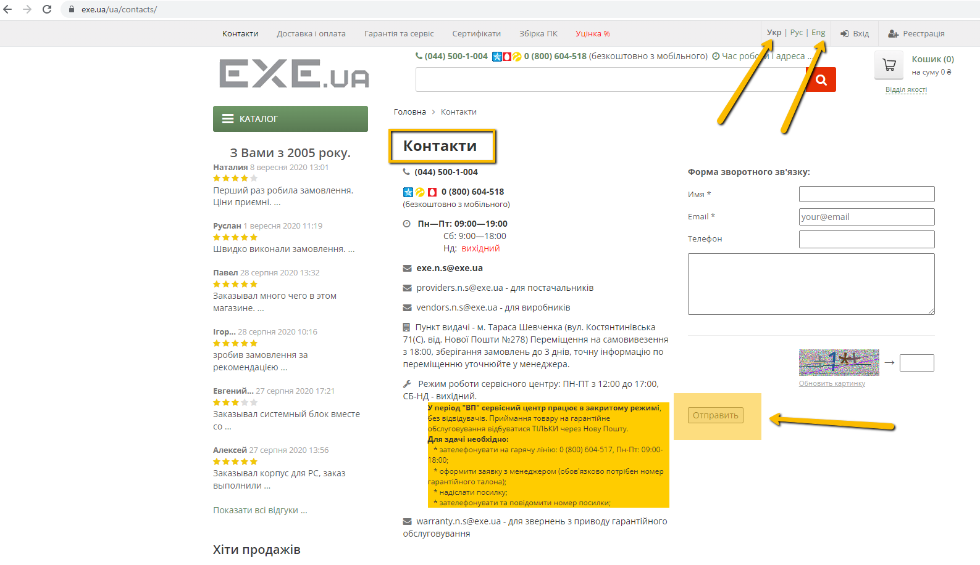
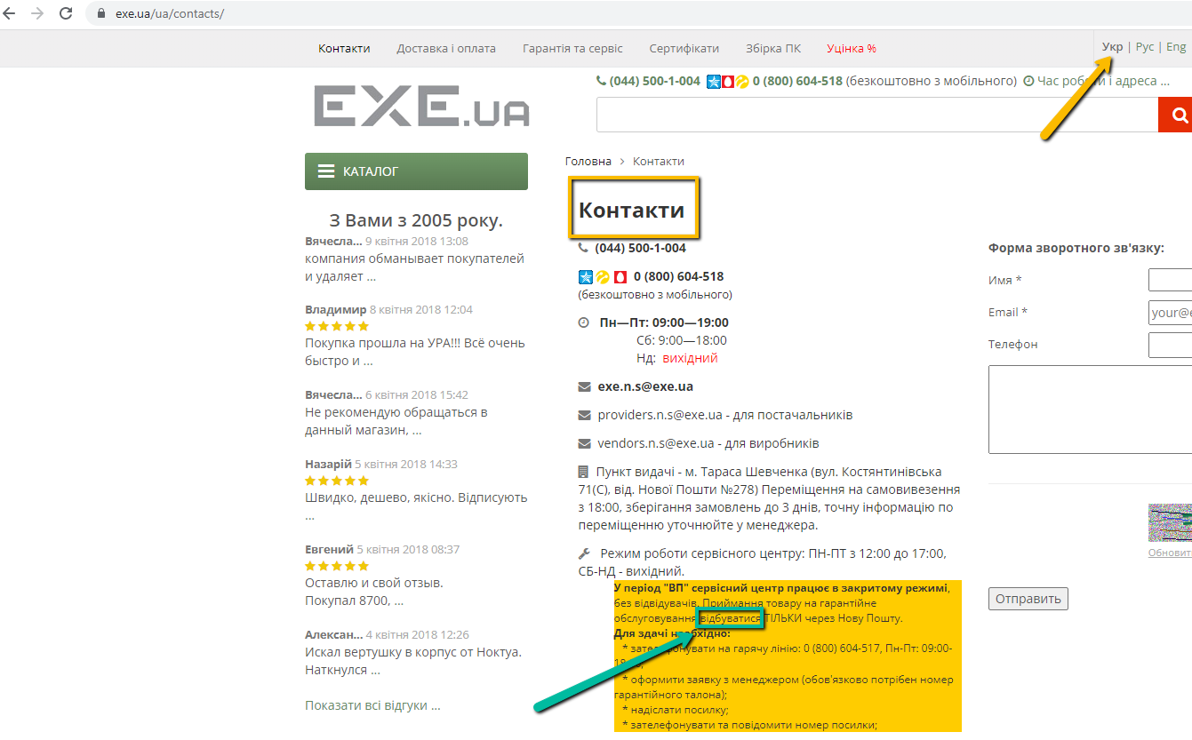
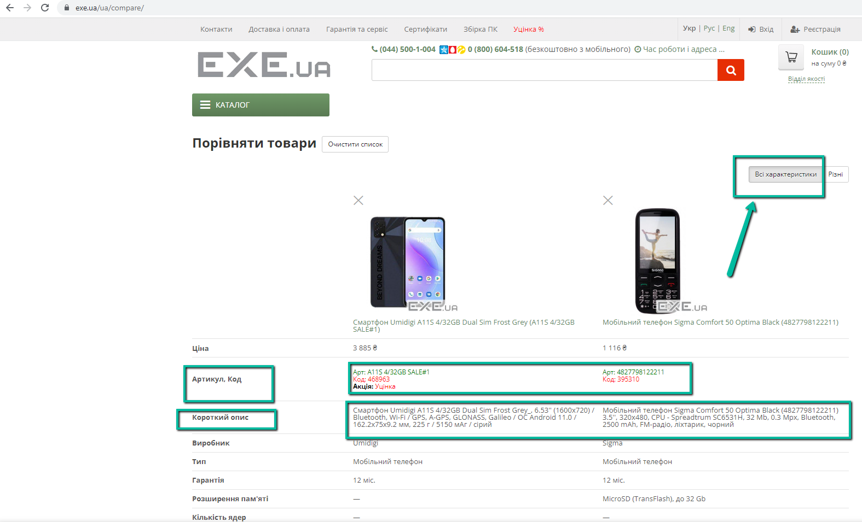
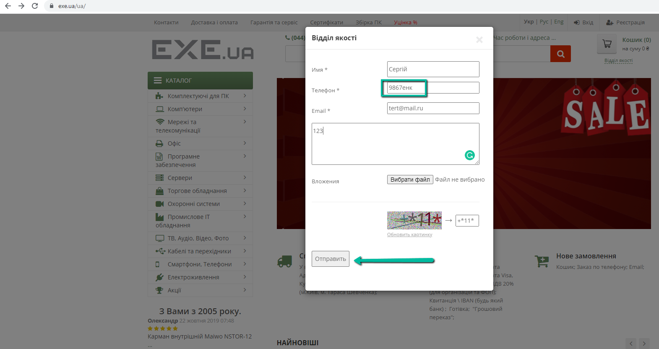
Attachment

