Employees
LIST OF EMPLOYEES

Employee ID | Employee name | Salary | Bonus | Department | Departments
10115 | Augusta Delono | $1,100.00 | $50.00 | Accounting | Accounting
10501 | Berry Dafoe | $1,650.00 | $150.00 | IT | Logistics
10709 | Chris Cadwell | $2,000.00 | $180.00 | Management | IT
10356 | Esta Mangold | $1,400.00 | $75.00 | Logistics | Management
10401 | Frank Diamond | $1,750.00 | $100.00 | Marketing | Manufacturing
10202 | Liam Bell | $1,200.00 | $80.00 | Manufacturing | Marketing
10205 | Simon Newman | $1,250.00 | $80.00 | Manufacturing
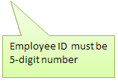
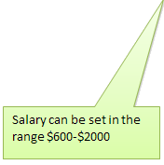

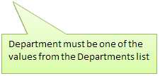
10403 | Wendy Underwood | $1,100.00 | $50.00 | Marketing

