The Dark Side of the Moon
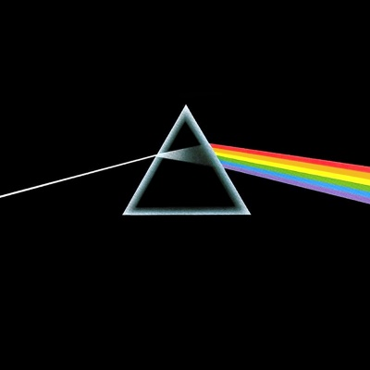
back to top albums
The Dark Side of the Moon

The Dark Side of the Moon is the eighth studio album by the English rock band Pink Floyd, released in March 1973. It built on ideas explored in the band's earlier recordings and live shows, but lacks the extended instrumental excursions that characterised their work following the departure in 1968 of founder member, principal composer and lyricist, Syd Barrett. The Dark Side of the Moon's themes include conflict, greed, the passage of time, and mental illness, the latter partly inspired by Barrett's deteriorating mental state.

side one
No. | Title | Writer(s) | Lead vocals | Length
1 | "Speak to Me" | Mason | Instrumental | 1:30:00
2 | "Breathe" | Waters, Gilmour, Wright | Gilmour | 2:43:00
3 | "On the Run" | Gilmour, Waters | Instrumental | 3:36:00
4 | "Time" (includes "Breathe (Reprise)") | Mason, Waters, Wright, Gilmour | Gilmour, Wright | 7:01:00
5 | "The Great Gig in the Sky" | Wright, Clare Torry | Torry | 4:36:00
side two
No. | Title | Writer(s) | Lead vocals | Length
1 | "Money" | Waters | Gilmour | 6:22:00
2 | "Us and Them" | Waters, Wright | Gilmour, Wright | 7:46:00
3 | "Any Colour You Like" | Gilmour, Mason, Wright | Instrumental | 3:25:00
4 | "Brain Damage" | Waters | Waters | 3:48:00
5 | "Eclipse" | Waters | Waters | 2:03:00

Wish You Were Here
back to top albums
Wish You Were Here
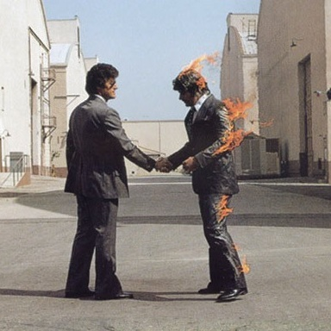

Wish You Were Here is the ninth studio album by the Pink Floyd, released in September 1975. It explores themes of absence, the music business and former band-mate Syd Barrett's mental decline. Inspired by material the band composed while performing across Europe, Wish You Were Here was recorded in numerous sessions at London's Abbey Road Studios. Although some of these sessions were problematic, it was lead writer Roger Waters' idea to split the centrepiece track "Shine On You Crazy Diamond" in two and join each half with three new compositions. "Shine On" was a tribute to Barrett, who, coincidentally, made an impromptu visit to the studio while it was being recorded.

side one
No. | Title | Music | Lead vocals | Length
1 | "Shine On You Crazy Diamond, Parts I–V" | Gilmour, Waters, Wright | Waters | 13:38:00
2 | "Welcome to the Machine" | Waters | Gilmour | 7:30:00
side two
No. | Title | Music | Lead vocals | Length
1 | "Have a Cigar" | Waters | Harper | 5:24:00
2 | "Wish You Were Here" | Waters, Gilmour | Gilmour | 5:17:00
3 | "Shine On You Crazy Diamond, Parts VI–IX" | Waters, Gilmour, Wright | Waters | 12:29:00

Animals
back to top albums
Animals
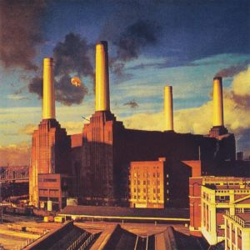

Animals is the tenth studio album, released in January 1977. A concept album, it provides a scathing critique of the social-political conditions of 1970s Britain, and presents a marked change in musical style from their earlier work. Animals was recorded at the band's studio, Britannia Row, in London, but its production was punctuated by the early signs of discord that several years later would culminate in keyboardist Richard Wright leaving the band. The album's cover image, a pig floating between two chimneys on Battersea Power Station, was conceived by bassist and writer Roger Waters, and photographed by long-time collaborators Hipgnosis.

side one
No. | Title | Music | Lead vocals | Length
1 | "Pigs on the Wing (Part I)" | Waters | Waters | 1:25:00
2 | "Dogs" | Gilmour, Waters | Gilmour, Waters | 17:03:00
side two
No. | Title | Music | Lead vocals | Length
1 | "Pigs (Three Different Ones)" | Waters | Waters | 11:25:00
2 | "Sheep" | Waters | Waters | 10:25:00
3 | "Pigs on the Wing (Part II)" | Waters | Waters | 1:23:00

The Wall
back to top albums
The Wall

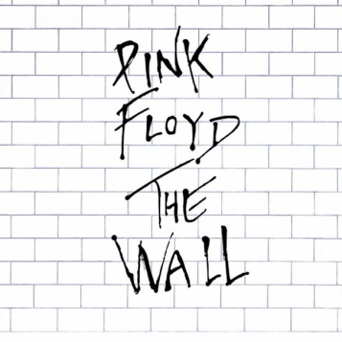
The Wall is the eleventh studio album by the Pink Floyd. Released as a double album on 30 November 1979, it was subsequently performed live with elaborate theatrical effects, and adapted into a feature film, Pink Floyd—The Wall. As with the band's previous three LPs, The Wall is a concept album and deals largely with themes of abandonment and personal isolation.The album is a rock opera that centres on Pink, a character Waters modelled after himself. Pink's life experiences begin with the loss of his father during the Second World War, and continue with ridicule and abuse from his schoolteachers, an overprotective mother and finally, the breakdown of his marriage. All contribute to his eventual self-imposed isolation from society, represented by a metaphorical wall.

All songs written and composed by Roger Waters, except where noted.

side one
No. | Title | Writer(s) | Lead vocals | Length
1 | "In the Flesh?" |  | Waters | 3:16:00
2 | "The Thin Ice" |  | Gilmour, Waters | 2:27:00
3 | "Another Brick in the Wall Part 1" |  | Waters | 3:21:00
4 | "The Happiest Days of Our Lives" |  | Waters | 1:46:00
5 | "Another Brick in the Wall Part 2" |  | Gilmour, Waters | 3:59:00
6 | "Mother" |  | Waters, Gilmour | 5:32:00
side two
No. | Title | Writer(s) | Lead vocals | Length
1 | "Goodbye Blue Sky" |  | Gilmour | 2:45:00
2 | "Empty Spaces" |  | Waters | 2:10:00
3 | "Young Lust" | Waters, Gilmour | Gilmour | 3:25:00
4 | "One of My Turns" |  | Waters | 3:41:00
5 | "Don't Leave Me Now" |  | Waters | 4:08:00
6 | "Another Brick in the Wall Part 3" |  | Waters | 1:48:00
7 | "Goodbye Cruel World" |  | Waters | 0:48:00
side three
No. | Title | Writer(s) | Lead vocals | Length
1 | "Hey You" |  | Gilmour, Waters | 4:40:00
2 | "Is There Anybody Out There?" |  | Waters | 2:44:00
3 | "Nobody Home" |  | Waters | 3:26:00
4 | "Vera" |  | Waters | 1:35:00
5 | "Bring the Boys Back Home" |  | Waters | 1:21:00
6 | "Comfortably Numb" | Gilmour, Waters | Waters, Gilmour | 6:23:00
side four
No. | Title | Writer(s) | Lead vocals | Length
1 | "The Show Must Go On" |  | Gilmour | 1:36:00
2 | "In the Flesh" |  | Waters | 4:15:00
3 | "Run Like Hell" | Gilmour, Waters | Gilmour, Waters | 4:20:00
4 | "Waiting for the Worms" |  | Waters, Gilmour | 4:04:00
5 | "Stop" |  | Waters | 0:39:00
6 | "The Trial" | Waters, Ezrin | Waters | 5:13:00
7 | "Outside the Wall" |  | Waters | 1:41:00

