Question No. 3
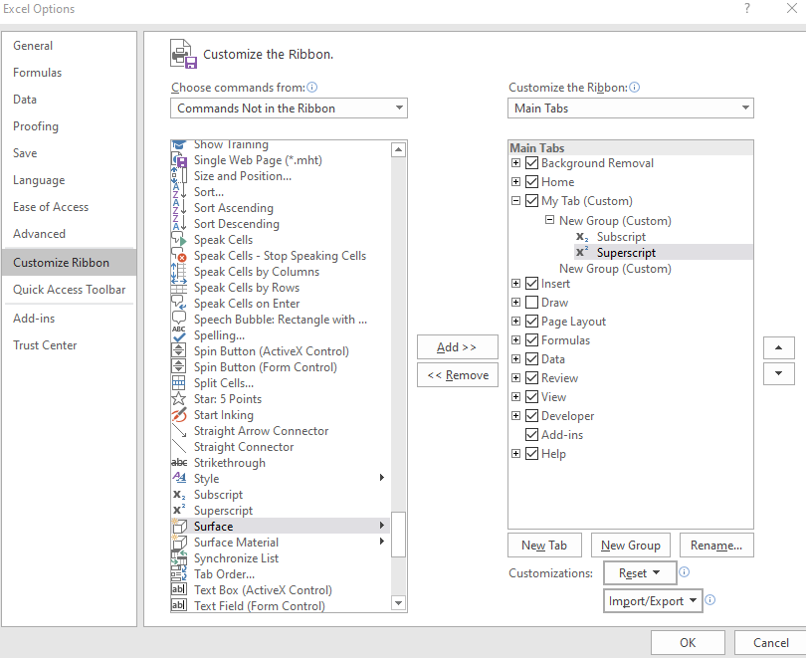
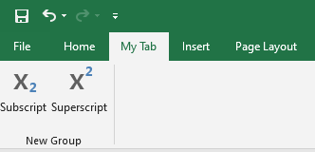
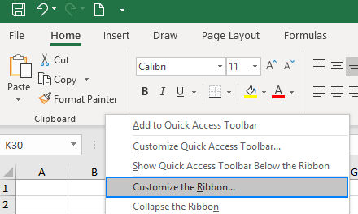
Qustion No. 3 | On the ribbon, make a new tab. Add some different groups, insert commands in the groups and name them according to their commands added. Copy and paste the screenshot of the steps you followed. | Steps with Screenshots
Answer | Below are the steps on how to make a new tab, add some different groups, insert commands in the groups, and name them according to their commands added in the Excel ribbon: | 1. Go to File > Options > Customize Ribbon. Right-click on the ribbon and select Customize the Ribbon… from the context menu
 | 1. Open Excel.
 | 2. Click File > Options.
 | 3. In the Excel Options dialog box, click Customize Ribbon.
 | 4. In the Customize the Ribbon list, click New Tab.
 | 5. In the Name text box, type a name for the new tab.
 | 6. In the Groups list, click New Group.
 | 7. In the Name text box, type a name for the new group.
 | 8. In the Commands list, select a command and click Add.
 | 9. Repeat steps 8-9 to add more commands to the group.
 | 10. To rename a command, right-click the command and click Rename.
 | 11. To move a command to a different group, drag the command to the desired group.
 | 12. To delete a command, right-click the command and click Delete.
 | 13. Click OK to save your changes.

 |  | How to create a new tab for the ribbon: 1) In the Customize the Ribbon window, under the list of tabs, click the New Tab button
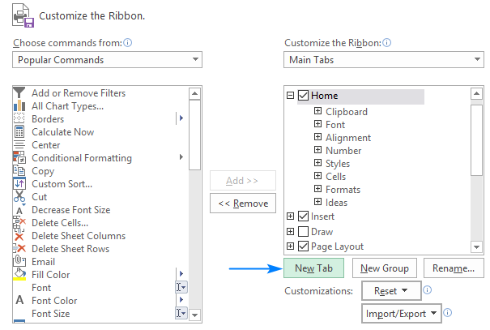

 |  | 2) Select the newly created tab, named New Tab (Custom), and click the Rename… button to give your tab an appropriate name. In the same manner, change the default name given by Excel to a custom group. For the detailed guidelines, please see how to rename ribbon items. 3) When done, click OK to save the changes
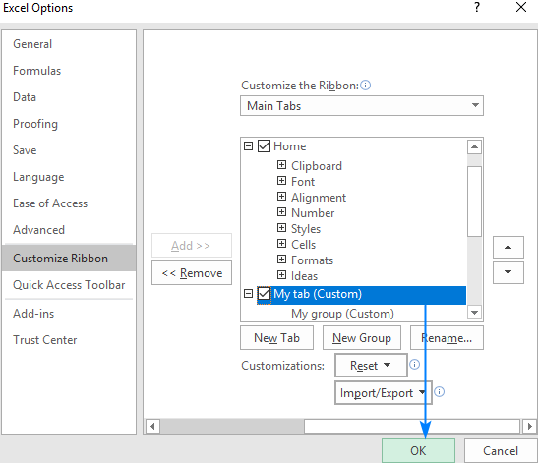

 |  | As shown in the screenshot below, our custom tab is added to the Excel ribbon immediately, though the custom group is not displayed because it is empty. For the group to show up, it must contain at least one command.

 |  | How to add a custom group to a ribbon tab 1. In the right part of the Customize the Ribbon window, select the tab to which you'd like to add a new group. 2. Click the New Group button. This adds a custom group, named New Group (Custom), at the bottom of the list of groups, meaning the group displays on the far-right end of the tab. To create a new group in a specific location, select the group after which the new group is to appear. 3. To rename your custom group, select it, click the Rename… button, type the desired name, and click OK 4. Click OK to save and view your changes
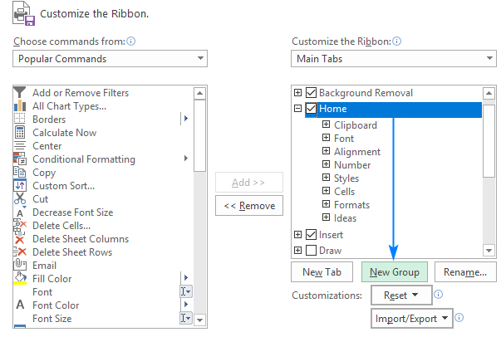

 |  | How to add a command button to Excel ribbon: Commands can only be added to custom groups. So, before adding a command, be sure to create a custom group on an inbuilt or custom tab first, and then perform the below steps. 1) In the list under Customize the Ribbon, select the target custom group. 2) In the Choose commands from drop-down list on the left, select the list from which you want to add commands, for example, Popular Commands or Commands Not in the Ribbon. 3) In the list of commands on the left, click the command you want to add. 4) Click the Add button and Click OK to save the changes.

