Summary
Category | Count
Passed | 2
Failed | 2
Skipped | 2
Total | 6
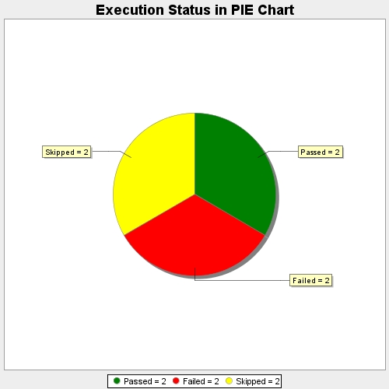
Start Time | 2019-10-04T06:21:51Z
End Time | 2019-10-04T06:21:51Z
Duration | 58 ms

