Sheet1
Vision models from different service provides | Low Vision Rehab Service Models
 | Service Delivery Model
 | Cloud Computing Service Models(IaaS, Paas, Saas)
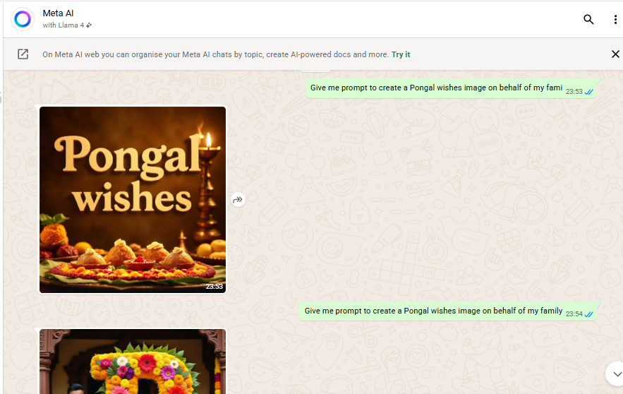
Try with meta chat in whatsapp

Check the cutoff date for Chatgpt,Qwen and Deepseek
ChatGPT | Jun-24
Qwen | Jun-24
DeepSeek | Oct-21

Query:can you give me test case to validate boundary value analysis while checking blood pressure level in a health app in bdd format
Could not find thinking mode in ChatGPT
Qwen Normal mode: | Provides the blood pressure categories, BDD scenario in Gherkins format, Brief summary of boundary coverage
Qwen Thinking mode: | In BDD scenario provides examples for every boundary category, explains in detail the key boundary analysis coverage and provides the pros and cons of the test steps provided
DeepSeek | Provides the BDD steps and explain each of the gherkins step, does not highlght much on the BVA analysis

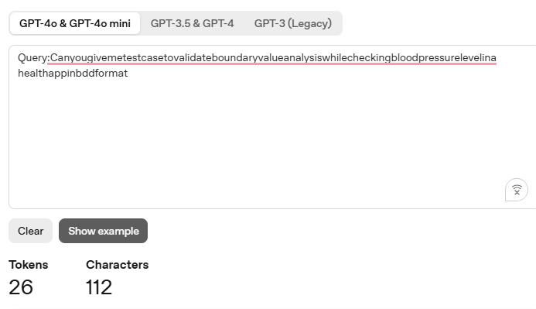
Use the tokenizer to calculate the tokens for different prompts (with space ,with special characters without space etc)
Without spaces

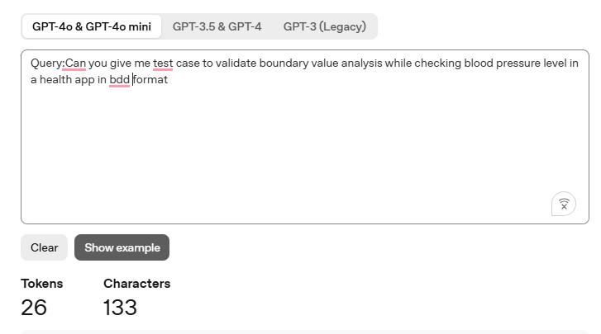
With spaces

With spaces and without spaces token is same characters change

Addition of special characters increases the token count as well
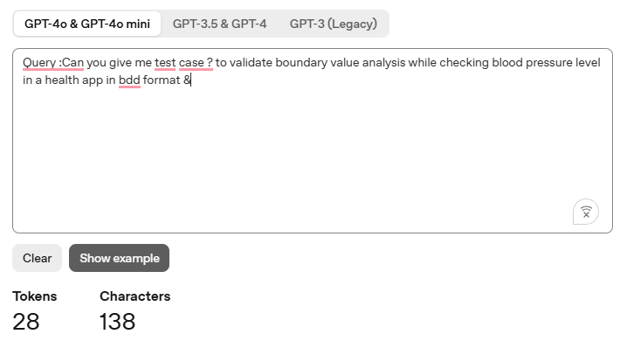

6)From Openrouter ai --Extract the values of | Need help on this
1)Context window
2)Input tokens(with price)
3)Output token (with price)

