Amort Intangible
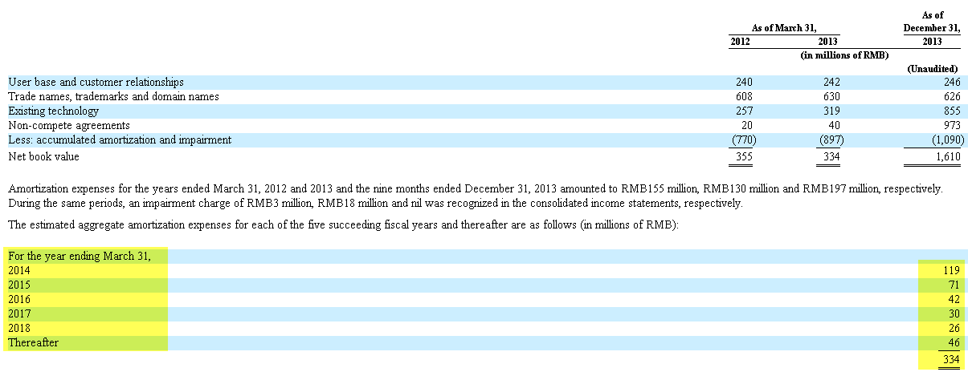
Alibaba IPO
Consolidated Amortization & Intangible
0
 |  | Historicals |  |  |  |  | Forecasts
 | (RMB in Million Except Per Share Amounts) | Mar-10 | Mar-11 | Mar-12 | Mar-13 | Mar-14 | Mar-15 | Mar-16 | Mar-17 | Mar-18 | Mar-19 | Mar-20 | Mar-21 | Mar-22
 | Net Sales | 6,670 | 11,903 | 20,025 | 34,517 | 55,150 | 68,331 | 86,511 | 110,040 | 140,583 | 177,914 | 205,303 | 226,359 | 224,525
 | Additions to Intangibles |  |  |  | 106.0 | 1469.0 | 2391.6 | 3027.9 | 3851.4 | 4920.4 | 6227.0 | 7185.6 | 7922.6 | 7858.4
 | Additions to Intangibles as % of Net Sales |  |  |  | 0.3% | 2.7% | 3.5% | 3.5% | 3.5% | 3.5% | 3.5% | 3.5% | 3.5% | 3.5%

 | Beginning Net Intangibles |  |  |  |  |  | 1,610.0 | 3,930.6 | 6,916.5 | 10,737.9 | 15,632.3 | 21,813.2 | 28,948.8 | 36,821.4
 | Additions to Intangibles |  |  |  |  |  | 2,391.6 | 3,027.9 | 3,851.4 | 4,920.4 | 6,227.0 | 7,185.6 | 7,922.6 | 7,858.4
 | (Amortization Expense) |  |  |  |  |  | (71.0) | (42.0) | (30.0) | (26.0) | (46.0) | (50.0) | (50.0) | (50.0)
 | (Intangible Sales and write offs)
 | Ending Net Intangibles |  |  |  |  | 1,610.0 | 3,930.6 | 6,916.5 | 10,737.9 | 15,632.3 | 21,813.2 | 28,948.8 | 36,821.4 | 44,629.8

