Evaluation-turbo 4
User | Question | Column1 | RAG Response | Cypher Query | Cypher Query Output (Ground Truth) | Is RAG Response Correct (1/0) | Is Relevant (1/0) | Satisfaction | Milliseconds | Column2
X | I have skills in data analysis using Python. What job titles are available for me, and which companies are offering them? | Based on your skills in data analysis using Python, here are some job titles and the companies offering them: Data Scientist at Myntra - More Info Data Engineer at Finquest - More Info Data Scientist at Diageo - More Info Data Scientist at Obviously AI - More Info These positions are available in Bangalore and involve the use of Python and related technologies for data analysis and machine learning tasks. | Based on your skills in data analysis using Python, some job titles available for you are Data Engineer at Finquest, Data Scientist at Myntra, Data Scientist at Diageo, and Data Scientist at Obviously AI in Bangalore. | MATCH (j:JobTitle)-[:REQUIRES]->(s:Skill) MATCH (c:Company)-[:OFFERS]->(j) WHERE j.JobID IN ['328032', '327217', '329811', '329421'] RETURN DISTINCT c.name, j.JobTitle; | 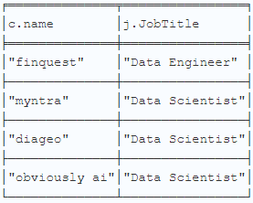 | 0 | 0 |  | 21355
 | List jobs with title Software Engineer, and provide their respective JobPosting URLS | Here are some job postings for the title "Software Engineer" along with their respective URLs: Software Engineer at PhonePe (Bangalore) URL: https://www.instahyre.com/job-297765-software-engineer-at-phonepe-bangalore/ Software Engineer at PlusWealth Capital Management (Delhi) URL: https://www.instahyre.com/job-321047-software-engineer-at-pluswealth-capital-management-delhi/ Software Engineer at Metron Security (Pune) URL: https://www.instahyre.com/job-328820-software-engineer-at-metron-security-pune/ Software Engineer at PhonePe (Bangalore) URL: https://www.instahyre.com/job-326166-software-engineer-at-phonepe-bangalore/ Feel free to visit these URLs for more information about the job postings. | The job postings for Software Engineer positions are as follows: PhonePe in Bangalore - Job Posting URL: https://www.instahyre.com/job-297765-software-engineer-at-phonepe-bangalore/ Plus Wealth Capital Management in Delhi - Job Posting URL: https://www.instahyre.com/job-321047-software-engineer-at-pluswealth-capital-management-delhi/ Metron Security in Pune - Job Posting URL: https://www.instahyre.com/job-328820-software-engineer-at-metron-security-pune/ PhonePe in Bangalore - Job Posting URL: https://www.instahyre.com/job-326166-software-engineer-at-phonepe-bangalore/ List Jobs which need Python as a skill, also provide the respecive company locations | MATCH (j:JobTitle) WHERE j.JobID IN ['297765', '321047', '328820', '326166'] RETURN j.JobTitle, j.JobPostingURL; | 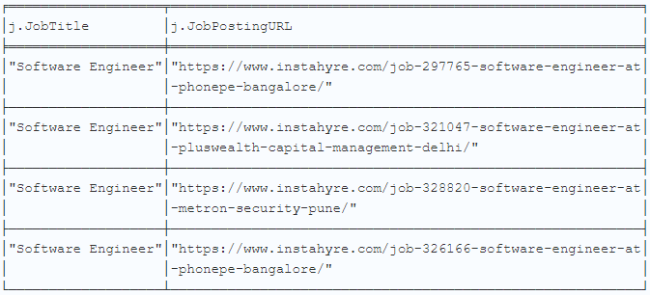 | 1 | 1 |  | 13846
 | I have skills in Java and Hibernate. What job titles are available for me, and which companies are offering them? | Based on your skills in Java and Hibernate, several job titles are available, and various companies are offering these positions: Java Developer at Novelty Data Solutions in Bangalore. This company was founded in 2015, employs about 10 people, and offers services like IT consulting, product engineering, and application modernization. More Info Java Senior Developer at Pratham Software (PSI) in Gurgaon. Established in 2000, PSI employs around 200 individuals and focuses on digital transformation with services in product engineering, BPM, and data analytics. More Info Java Developer at Synechron in Bangalore. Synechron started in 2001 and has grown to employ over 1000 people, providing services in digital, business consulting, and systems integration. More Info Java Developer at Walmart Global Tech India in Bangalore. Part of Walmart, the world's largest company by revenue, this technology arm was established in 1962 and also employs over 1000 staff members. More Info These opportunities should align well with your expertise in Java and Hibernate. | Based on your skills in Java and Hibernate, job titles available to you include Java Developer, Java Senior Developer, and Java Developer. The companies offering these positions are Novelty Data Solutions, Pratham Software (PSI), Synechron, and Walmart Global Tech India. | MATCH (j:JobTitle)-[:REQUIRES]->(s:Skill) MATCH (c:Company)-[:OFFERS]->(j) WHERE s.name IN ['Java', 'Hibernate'] AND j.JobTitle IN ['Java Developer', 'Java Senior Developer'] AND c.name IN ['novelty data solutions','pratham software (psi)', 'walmart global tech india', 'synechron'] RETURN DISTINCT j.JobTitle, c.name; | 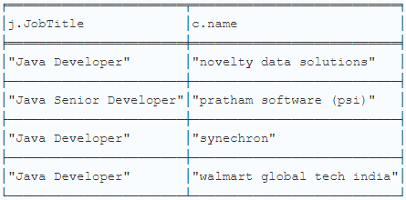 | 1 | 1 |  | 18161
 | List jobs with the title 'Senior Software Engineer' and provide their respective JobPosting URLs. | Here are some job postings for the title 'Senior Software Engineer' along with their respective URLs: Procore Technologies Location: Bangalore, Pune URL: Job Posting at Procore Technologies Zeta (Part of the Directi group) Location: Bangalore, Hyderabad URL: Job Posting at Zeta EPAM Systems Location: Bangalore, Hyderabad URL: Job Posting at EPAM Systems Google Location: Bangalore, Hyderabad URL: Job Posting at Google Please let me know if you would like more information about these positions or companies. | Based on the search for 'Senior Software Engineer', here are some job postings with their respective URLs: Procore Technologies - Job Title: Senior Software Engineer Job Posting URL: Procore Technologies Senior Software Engineer Job Posting Zeta - Job Title: Senior Software Engineer Job Posting URL: Zeta Senior Software Engineer Job Posting EPAM Systems - Job Title: Senior Software Engineer Job Posting URL: EPAM Systems Senior Software Engineer Job Posting Google - Job Title: Senior Software Engineer Job Posting URL: Google Senior Software Engineer Job Posting | MATCH (j:JobTitle)-[:REQUIRES]->(s:Skill) MATCH (c:Company)-[:OFFERS]->(j) WHERE j.JobID IN ['323466', '321541', '321402', '320608'] RETURN DISTINCT j.JobTitle, j.JobPostingURL; | 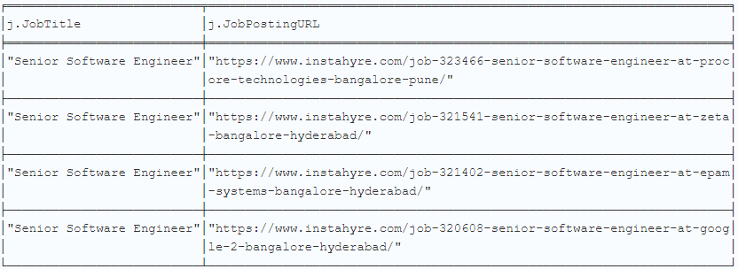 | 1 | 1 |  | 20574
 | Which companies are offering job roles related to Automation Testing, and where can I find the job postings? | Here are some companies offering job roles related to Automation Testing, along with their job postings: Espire: Location: Gurgaon Job Title: Automation Tester About the Company: Espire is a global company specializing in customer experience with solutions for digital experience management, applications management services, enterprise solutions, and IT Infrastructure management. Job Posting: Espire - Automation Tester Easyrewardz: Location: Gurgaon Job Title: Automation Test Lead About the Company: Easyrewardz offers loyalty program management solutions to businesses and also provides a loyalty program marketplace for tracking and redeeming points. Job Posting: Easyrewardz - Automation Test Lead CoffeeBeans: Location: Hyderabad Job Title: QA Tester About the Company: CoffeeBeans helps businesses with cutting-edge technology, specializing in Mobile Apps, Responsive Web apps, and Big Data Analytics. Job Posting: CoffeeBeans - QA Tester Lightup Data: Location: Bangalore Job Title: SDET (Software Development Engineer in Test) About the Company: Lightup is a no-code data quality platform involved in quality checks, monitoring, and AI-driven anomaly detection alerts to enable enterprises to achieve 100% data quality coverage 10x faster than legacy tools. Job Posting: Lightup Data - SDET | Companies offering job roles related to Automation Testing include Espire, Easyrewardz, CoffeeBeans, and Lightup Data. You can find the job postings for these roles at the following links: Espire Automation Tester Job Posting Easyrewardz Automation Test Lead Job Posting CoffeeBeans QA Tester Job Posting Lightup Data SDET Job Posting | MATCH (j:JobTitle)-[:REQUIRES]->(s:Skill) MATCH (c:Company)-[:OFFERS]->(j) WHERE j.JobID IN ['329798', '320521', '329443', '328981'] RETURN DISTINCT c.name, j.JobTitle, j.JobPostingURL; | 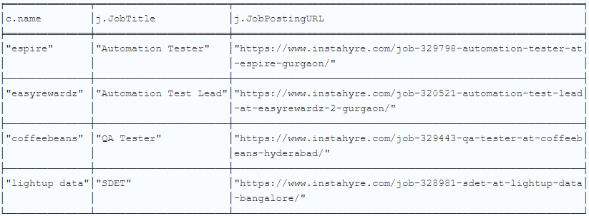 | 1 | 1 |  | 27404
B | I have skills in Microservices and Spring Boot. What roles can I apply for, and which companies are hiring? | Based on your skills in Microservices and Spring Boot, you can apply for the role of Java Developer. Companies currently hiring for this role include: NeoSOFT Technologies Location: Navi Mumbai About: A global IT consulting & software solutions provider specializing in various development services. Founded: 1996 Employee Count: 1000 EPAM Systems Location: Hyderabad About: A leading global product development and digital platform engineering services company. Founded: 1993 Employee Count: 1000 HCL Technologies Location: Mumbai About: A $7.4 billion global company providing IT and engineering services. Founded: 1976 Employee Count: 1000 Altimetrik Location: Chennai About: Provides technology solutions to enterprises in areas of Digital, Connected Solutions, and Consumer Technologies. Founded: 2012 Employee Count: 1000 These opportunities are aligned with your skills in Spring Boot and Microservices. If you need more details on any specific company or role, feel free to ask! | Based on your skills in Microservices and Spring Boot, job roles you can apply for include Java Developer at companies like NeoSOFT Technologies, EPAM Systems, HCL Technologies, and Altimetrik. | MATCH (j:JobTitle)-[:REQUIRES]->(s:Skill) MATCH (c:Company)-[:OFFERS]->(j) WHERE j.JobID IN ['330073', '309260', '291502', '329962'] RETURN DISTINCT c.name, j.JobTitle; | 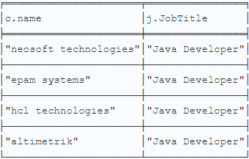 | 1 | 1 |  | 14377
 | Find job postings for the title 'Backend Developer (Java)' and provide the respective URLs | Here are some job postings for the title 'Backend Developer (Java)' along with their respective URLs: Kaleidofin Location: Bangalore, Chennai URL: Job Posting at Kaleidofin CoffeeBeans Location: Chennai URL: Job Posting at CoffeeBeans Fraank Systems Location: Pune URL: Job Posting at Fraank Systems These postings include detailed job descriptions and company information which can be accessed through the provided URLs. | Based on the provided context, here are the job postings for the title 'Backend Developer (Java)' with their respective URLs: Kaleidofin - Job Title: Backend Developer (Java) Job Posting URL: Kaleidofin Backend Developer (Java) Job Posting CoffeeBeans - Job Title: Backend Developer (Java) Job Posting URL: CoffeeBeans Backend Developer (Java) Job Posting Head Digital Works - Job Title: Backend Developer Job Posting URL: Head Digital Works Backend Developer Job Posting Fraank Systems - Job Title: Backend Developer - Java Job Posting URL: Fraank Systems Backend Developer - Java Job Posting | MATCH (j:JobTitle)-[:REQUIRES]->(s:Skill) MATCH (c:Company)-[:OFFERS]->(j) WHERE j.JobID IN ['125885', '329954', '320244', '314923'] RETURN DISTINCT j.JobTitle, j.JobPostingURL; | 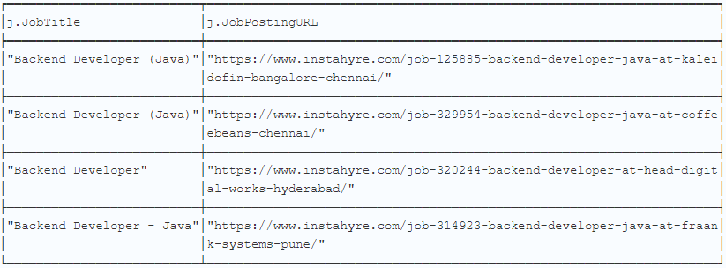 | 1 | 1 |  | 18770
 | Which companies are looking for Java Developers, and what are the job posting URLs? | Here are some companies looking for Java Developers along with their job posting URLs: TechVerito Location: Pune About: TechVerito is an IT & Services company offering solutions around Web & Mobile Application Development, Continuous Integration & Delivery, Agile Consulting, etc. Job Posting URL: TechVerito Java Developer Sagarsoft Location: Hyderabad About: Sagarsoft provides services related to Application Development, Maintenance & Support, QA, Database Administration, and Mobile Development. Job Posting URL: Sagarsoft Java Developer Synechron Location: Mumbai About: Synechron provides services and solutions in Digital, Business Consulting, Technology and Systems Integration across 18 countries. Job Posting URL: Synechron Java Developer Mumbai Also, Synechron is hiring in Bangalore and Pune: Job Posting URL: Synechron Java Developer Bangalore/Pune These positions primarily require expertise in Java and the Spring framework. | Companies looking for Java Developers include NeoSOFT Technologies, EPAM Systems, HCL Technologies, and Altimetrik. Job posting URLs were not provided in the previous responses. | MATCH (j:JobTitle)-[:REQUIRES]->(s:Skill) MATCH (c:Company)-[:OFFERS]->(j) WHERE c.name IN ['epam systems', 'neosoft technologies', 'hcl technologies', 'altimetrik'] AND j.JobTitle IN ['Java Developer'] RETURN DISTINCT j.JobTitle, c.name, j.JobPostingURL; | 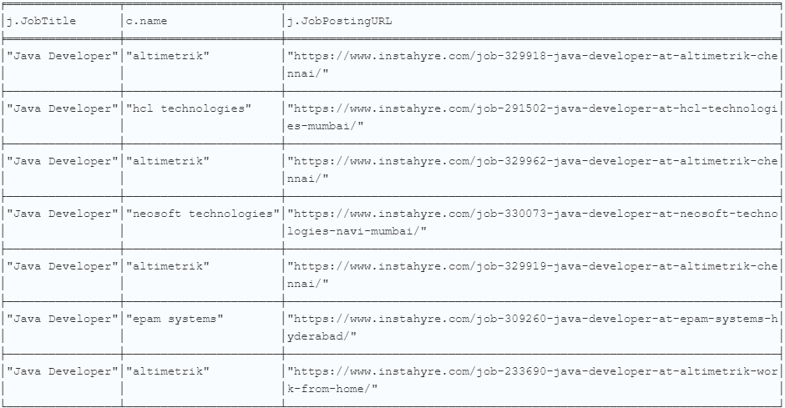 | 1 | 1 |  | 16448
 | I specialize in Mobile Apps Testing. What roles should I target, and which companies are offering these positions? | Based on your specialization in Mobile Apps Testing, you should target roles such as Mobile Developer, Automation Tester, SDET (Software Development Engineer in Test), and QA Tester. Here are some companies currently offering these positions: Dacio in Bangalore is looking for a Mobile Developer. Dacio is an AI-powered fleet management system focused on safety and analytics. Espire in Gurgaon has an opening for an Automation Tester. Espire specializes in customer experience with a focus on digital and application management services. HighLevel, which offers a remote position, is seeking an SDET 2. HighLevel is a SaaS-based marketing platform providing automated tools for marketing agencies. CoffeeBeans in Hyderabad is hiring a QA Tester. CoffeeBeans is involved in mobile apps, web apps, and big data analytics, focusing on machine learning products. These roles involve various testing methodologies and tools like Appium, Selenium, and specific frameworks like Flutter for cross-platform development. | Based on your specialization in Mobile Apps Testing, roles you should target include Mobile QA Tester, Mobile Test Engineer, and Mobile Test Lead. Companies offering these positions may include mobile app development companies, tech companies with mobile apps, and software testing firms. It would be beneficial to search for job postings using keywords like "Mobile QA Tester" or "Mobile Test Engineer" to explore specific opportunities. |  |  | 0 | 0 |  | 12886
 | List jobs with the title 'Product Solution Engineer' and provide the respective JobPosting URLs. | Here are job postings for the title 'Product Solution Engineer' along with their respective URLs: Product Solution Engineer at PhonePe, Bangalore URL: Job Posting Skills: Java, SQL Product Solution Engineer at PhonePe, Bangalore URL: Job Posting Skills: Java, SQL, Technical Support Please let me know if you need more information about these job postings or other related queries! | Companies looking for Product Solution Engineers include PhonePe and Nected. Here are the job postings with their respective URLs: PhonePe - Job Title: Product Solution Engineer Job Posting URL: PhonePe Product Solution Engineer Job Posting PhonePe - Job Title: Product Solution Engineer Job Posting URL: PhonePe Product Solution Engineer Job Posting Nected - Job Title: Solution Engineer Job Posting URL: Nected Solution Engineer Job Posting | MATCH (j:JobTitle)-[:REQUIRES]->(s:Skill) MATCH (c:Company)-[:OFFERS]->(j) WHERE j.JobID IN ['329707', '328855', '328162'] RETURN DISTINCT j.JobTitle, j.JobPostingURL; |  | 1 | 1 |  | 13446
C | I have expertise in Performance Testing. What roles are available for me, and which companies are offering them? | Based on your expertise in Performance Testing, there are several roles available across different companies: Performance Tester at Qapitol QA, Bangalore About the Company: Qapitol QA offers functional and performance test automation solutions and is known as a trusted software testing partner. Founded in 2015, it employs around 200 people. Skills Required: Performance Testing, Python, Load Testing QA Manager at Ushur, Bangalore About the Company: Ushur is headquartered in Silicon Valley and provides AI-powered customer experience automation. Founded in 2014, it also employs about 200 people. Skills Required: Performance Testing, Security Testing Test Engineer at Money Forward, Chennai About the Company: A Japan-based fintech company that develops apps and cloud platforms for personal financial management. Founded in 2012, it has an employee base of around 1000. Skills Required: Performance Testing, JMeter, AWS, Performance Engineering, Security Testing Senior Quality Engineer at American Express, Gurgaon About the Company: American Express is a global service company specializing in various sectors like Financial Services, Business Travel, and Corporate Card services. It has a large employee base of over 1000. Skills Required: Performance Testing, SQL, Automation Testing, Java, API Testing These roles leverage your expertise in Performance Testing and are offered by well-established companies in various cities in India. | Companies offering roles in Performance Testing include Qapitol QA, Ushur, Money Forward, and American Express. Here are the job postings with their respective URLs: Qapitol QA - Job Title: Performance Tester Job Posting URL: Qapitol QA Performance Tester Job Posting Ushur - Job Title: QA Manager Job Posting URL: Ushur QA Manager Job Posting Money Forward - Job Title: Test Engineer Job Posting URL: Money Forward Test Engineer Job Posting American Express - Job Title: Senior Quality Engineer Job Posting URL: American Express Senior Quality Engineer Job Posting | MATCH (j:JobTitle)-[:REQUIRES]->(s:Skill) MATCH (c:Company)-[:OFFERS]->(j) WHERE j.JobID IN ['329657', '311909', '329007', '320286'] RETURN DISTINCT j.JobTitle, c.name; |  | 1 | 1 |  | 17033
 | Which companies are hiring Software Engineers, and where can I find the job postings? | Here are some companies currently hiring Software Engineers along with links to their job postings: PhonePe Location: Bangalore About: PhonePe is a BHIM UPI enabled mobile payments app that has built a platform for easy, safe, and universal transfer of cash. Recently, they have developed a Point-Of-Sale system for stores in India. Job Postings: Software Engineer - Bangalore Software Engineer - Bangalore PlusWealth Capital Management Location: Delhi About: Plus Wealth is a tech-driven trading platform specializing in complex financial market products that deliver exceptional returns for investors through meticulous adherence to stochastic models and statistical inference. Job Posting: Software Engineer - Delhi Metron Security Location: Pune About: Metron Security is a cybersecurity company offering over 150 automated security solutions covering data ingestion, parsing, data filtering, and efficiently managing third-party integrations for digital security firms. Job Posting: Software Engineer - Pune You can apply to these positions through the provided links. If you need further details or assistance, feel free to ask! | Companies hiring Software Engineers include PhonePe, PlusWealth Capital Management, and Metron Security. You can find job postings for Software Engineer positions at the following URLs: PhonePe - Software Engineer Job Posting PlusWealth Capital Management - Software Engineer Job Posting Metron Security - Software Engineer Job Posting PhonePe - Software Engineer Job Posting | MATCH (j:JobTitle)-[:REQUIRES]->(s:Skill) MATCH (c:Company)-[:OFFERS]->(j) WHERE j.JobID IN ['297765', '321047', '328820', '326166'] RETURN DISTINCT c.name, j.JobTitle, j.JobPostingURL; |  | 1 | 1 |  | 15408
 | I have skills in Appium and Selenium. What job titles are available, and which companies offer these roles? | Based on your skills in Appium and Selenium, here are some job titles and the companies offering these roles: Job Title: Automation Tester Company: Espire Location: Gurgaon About Company: Espire is a global company specializing in customer experience with solutions for digital experience management, applications management services, enterprise solutions, and IT infrastructure management. They have around 500 employees and were founded in 2001. Job Title: QA Tester Company: CoffeeBeans Location: Hyderabad About Company: CoffeeBeans helps businesses with cutting-edge technology and creates multiple products in various domains, including Mobile Apps, Responsive Web apps, and Big Data Analytics. They have about 50 employees and were founded in 2017. Job Title: SDET (Software Development Engineer in Test) Company: Locus Location: Bangalore About Company: Locus is developing a real-time tracking and management solution for on-demand businesses. The founding team has experience at companies like Google, Amazon, and eBay. They have around 200 employees and were founded in 2015. Job Title: SDET (Software Development Engineer in Test) Company: Spare Location: Gurgaon About Company: Spare is a fintech firm in the Middle East, democratizing the finance and banking sector by offering open banking services. They connect banks and third parties with their customers' real-time financial data securely. They have about 10 employees and were founded in 2018. These roles utilize your skills in Appium and Selenium, and the companies vary in size and focus, providing a range of opportunities depending on your career preferences. | Based on your skills in Appium and Selenium, job titles that may be available to you include Automation Test Engineer, Test Automation Developer, and QA Automation Engineer. Companies that offer roles requiring these skills may include tech companies, software development firms, and e-commerce platforms. It would be beneficial to search for job postings using keywords like "Automation Test Engineer" or "QA Automation Engineer" to explore specific opportunities. | MATCH (j:JobTitle)-[:REQUIRES]->(s:Skill) MATCH (c:Company)-[:OFFERS]->(j) WHERE j.JobTitle IN ['Automation Test Engineer', 'Test Automation Engineer' ] RETURN DISTINCT c.name, j.JobTitle; | 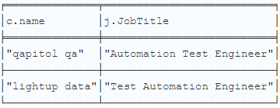 | 1 | 1 |  | 20782
 | Find job postings for the title 'Java Developer' and provide the respective URLs. | Here are some job postings for the title 'Java Developer' along with their respective URLs: TechVerito - Pune URL: https://www.instahyre.com/job-328233-java-developer-at-techverito-pune/ About Company: TechVerito is an IT & Services company that offers services & solutions clustered around Web & Mobile Application Development, Continuous Integration & Delivery, Agile Consulting, etc. Company Tagline: Turning ideas into reality Founded: 2016 Employee Count: 50 Sagarsoft - Hyderabad URL: https://www.instahyre.com/job-321958-java-developer-at-sagarsoft-2-hyderabad/ About Company: Sagarsoft is an IT & Services organization that provides services related to Application Development, Maintenance & Support, QA, Database Administration, and Mobile Development, etc. Company Tagline: Digital solution for the connected world Founded: 1996 Employee Count: 200 Synechron - Mumbai URL: https://www.instahyre.com/job-304470-java-developer-at-synechron-mumbai/ About Company: Synechron, formed in 2001, provides various services and solutions to the various sectors in the field of Digital, Business Consulting, Technology and Systems Integration. They have operations in 18 countries. Company Tagline: Digital | Business Consulting | Technology Founded: 2001 Employee Count: 1000 Synechron - Bangalore, Pune URL: https://www.instahyre.com/job-316150-java-developer-at-synechron-bangalore-pune/ About Company: Similar to the Mumbai location, with a focus on Digital, Business Consulting, Technology and Systems Integration. Company Tagline: Digital | Business Consulting | Technology Founded: 2001 Employee Count: 1000 These job postings are ideal for someone specializing in Java and the Spring Framework. | Based on the search results, here are job postings for the title 'Java Developer' along with their respective URLs: TechVerito - Job Title: Java Developer Job Posting URL: TechVerito Java Developer Job Posting Sagarsoft - Job Title: Java Developer Job Posting URL: Sagarsoft Java Developer Job Posting Synechron - Job Title: Java Developer Job Posting URL: Synechron Java Developer Job Posting Synechron - Job Title: Java Developer Job Posting URL: Synechron Java Developer Job Posting | MATCH (j:JobTitle)-[:REQUIRES]->(s:Skill) MATCH (c:Company)-[:OFFERS]->(j) WHERE j.JobID IN ['328233', '321958', '304470', '316150'] RETURN DISTINCT j.JobTitle, j.JobPostingURL; | 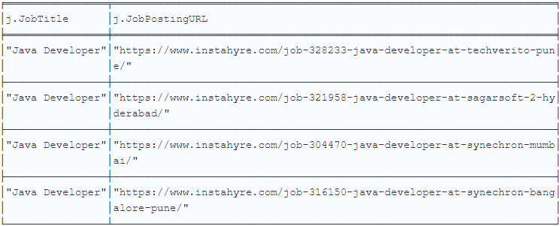 | 1 | 1 |  | 24374
 | Which companies are looking for Backend Developers with Java skills, and what are the job posting URLs? | Here are some companies looking for Backend Developers with Java skills, along with their job posting URLs: Fraank Systems - Pune About the Company: Fraank Systems is a technology company providing app development, digital transformation, cloud, and AI solutions. Job Posting URL Head Digital Works - Hyderabad About the Company: Head Infotech is focused on the online gaming industry with platforms like ace2three.com. Job Posting URL Gokiwi - Bangalore About the Company: Kiwi is a credit card platform that integrates credit on UPI and issues RuPay cards. Job Posting URL PhonePe - Bangalore About the Company: PhonePe is a mobile payments app company, also developing POS systems for stores in India. Job Posting URL These companies require proficiency in Java along with various other related technologies such as Spring Boot, Hibernate, SQL, MongoDB, and Redis. | Based on the information provided, companies looking for Backend Developers with Java skills include Head Digital Works, Fraank Systems, PhonePe, and Gokiwi. Here are the job posting URLs for these positions: Head Digital Works - Backend Developer Job Posting Fraank Systems - Backend Developer - Java Job Posting PhonePe - Backend Engineer Job Posting Gokiwi - Backend Developer - 1 Job Posting | MATCH (j:JobTitle)-[:REQUIRES]->(s:Skill) MATCH (c:Company)-[:OFFERS]->(j) WHERE j.JobID IN ['320244', '314923', '305413', '272696'] RETURN DISTINCT c.name, j.JobTitle, j.JobPostingURL; |  | 1 | 1 |  | 27782
D | I specialize in J2EE and Spring. What roles should I consider, and which companies are hiring? | Given your specialization in J2EE and Spring, you should consider roles that involve building and maintaining large-scale, enterprise-level applications. Positions such as Software Engineer, Senior Software Engineer, and Java Developer would be suitable. Currently, companies like Wayfair, Capillary Technologies, Intuit, and Zopsmart Technology are hiring for roles involving J2EE and Spring in Bangalore. These roles vary from Software Engineer II at Wayfair, SDE II - Java at Capillary Technologies, Senior Software Engineer at Intuit, to Sr. Java Developer at Zopsmart Technology. Each of these companies offers unique environments and focuses, ranging from online retail and cloud-based software solutions to financial and tax preparation software, as well as retail technology solutions. | The common technology stack among the job options provided is J2EE and Spring. Some roles you should consider based on your skills are Senior Software Engineer at Intuit, Sr. Java Developer at Zopsmart Technology, Software Engineer II at Wayfair, and SDE II - Java at Capillary Technologies, all located in Bangalore. | MATCH (j:JobTitle)-[:REQUIRES]->(s:Skill) MATCH (c:Company)-[:OFFERS]->(j) WHERE j.JobID IN ['294501', '328704', '321844', '4847'] RETURN DISTINCT j.JobTitle, j.JobPostingURL; | 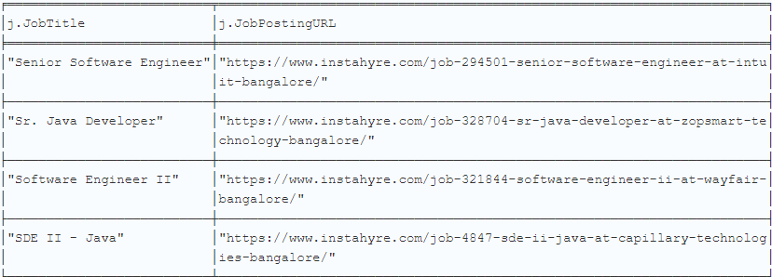 | 1 | 1 |  | 17413
 | List jobs with the title 'Product Solution Engineer' and provide the respective JobPosting URLs. | Here are the job postings for the title 'Product Solution Engineer' along with their respective URLs: Company: PhonePe Location: Bangalore URL: Product Solution Engineer at PhonePe Company: PhonePe Location: Bangalore URL: Product Solution Engineer at PhonePe Please let me know if you need more information about these job postings or others. | A Product Solution Engineer is typically responsible for designing and implementing solutions using a company's products or services to meet the needs of customers. This role often involves working closely with sales teams, product managers, and customers to understand requirements and develop customized solutions. This position requires knowledge of technical aspects of the products or services being offered, as well as strong communication and problem-solving skills. Some job postings for Product Solution Engineer include: PhonePe in Bangalore - Job Posting URL: PhonePe Product Solution Engineer Job Posting PhonePe in Bangalore - Job Posting URL: PhonePe Product Solution Engineer Job Posting | MATCH (j:JobTitle)-[:REQUIRES]->(s:Skill) MATCH (c:Company)-[:OFFERS]->(j) WHERE j.JobID IN ['329707', '328855', '328162', '324898'] RETURN DISTINCT j.JobTitle, j.JobPostingURL; | 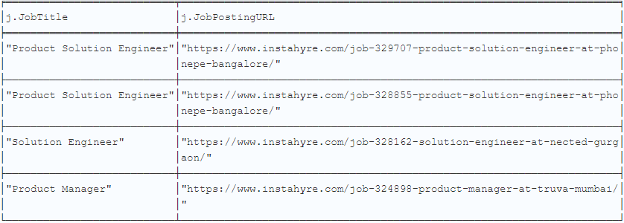 | 1 | 1 |  | 16973
 | I have experience in Automation Testing and JavaScript. What roles can I apply for, and which companies are offering them? | Based on your experience in Automation Testing and JavaScript, you can consider applying for the following roles, which are currently offered by various companies: SDET2 at HighLevel Location: Work From Home About the Company: HighLevel is a SaaS-based B2B marketing platform that empowers marketing agencies with various automated tools across marketing, revenue, lead generation, and communication spaces. Company Size: 500 employees Founded: 2018 Job Details: Link to Job Posting Relevant Skills: Cucumber, JavaScript, Selenium QA Engineer II at interface.ai Location: Work From Home About the Company: interface.ai is a software development and intelligent virtual assistant-powered company that helps customers in their banking journey while offering automation, implementation, and many such services. Company Size: 50 employees Founded: 2019 Job Details: Link to Job Posting Relevant Skills: Cucumber, JMeter, Selenium Senior QA Engineer at CES Location: Work From Home About the Company: CES is an IT and business process management company specialized in providing digital transformation, enterprise apps, and managed IT solutions to empower enterprises with high-quality niche solutions. Company Size: 1000 employees Founded: 1996 Job Details: Link to Job Posting Relevant Skills: API Testing, Manual Testing Senior Quality Assurance Engineer at D. E. Shaw Location: Bangalore, Gurgaon, Hyderabad About the Company: D. E. Shaw is an investment management firm that develops technology products based around algorithmic trading and mathematical models to exploit market anomalies. Company Size: 1000 employees Founded: 1988 Job Details: Link to Job Posting Relevant Skills: Java, JavaScript, Python These roles leverage your skills in Automation Testing and JavaScript, and offer opportunities to work in diverse environments and technologies. | Based on your experience in Automation Testing and JavaScript, some roles you can apply for are SDET2 at HighLevel, QA Engineer II at interface.ai, Frontend Engineer at PagarBook, and Senior QA Engineer at CES. These positions are offered by companies with various specializations and locations such as Work From Home and Bangalore. | MATCH (j:JobTitle)-[:REQUIRES]->(s:Skill) MATCH (c:Company)-[:OFFERS]->(j) WHERE j.JobID IN ['311321', '306402', '324336', '326120'] RETURN DISTINCT c.name, j.JobTitle; | 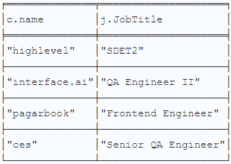 | 1 | 1 |  | 27143
 | Find job postings for the title 'Senior Software Engineer' and provide the respective URLs. | Here are some job postings for the title 'Senior Software Engineer' along with their respective URLs: Procore Technologies Location: Bangalore, Pune URL: Senior Software Engineer at Procore Technologies Zeta Location: Bangalore, Hyderabad URL: Senior Software Engineer at Zeta EPAM Systems Location: Bangalore, Hyderabad URL: Senior Software Engineer at EPAM Systems Google Location: Bangalore, Hyderabad URL: Senior Software Engineer at Google Please let me know if you need more information or if there's anything else I can assist you with! | The job postings for the title 'Senior Software Engineer' and their respective URLs are not provided in the conversation history. |  |  | 0 | 0 |  | 12980
 | Which companies are hiring for Technical Support roles involving SQL? | Companies currently hiring for Technical Support roles involving SQL in Bangalore include: Almabase Job Title: Product Support Engineer About Company: Almabase is an IT & Services company that provides services related to a SaaS platform, specializing in alumni networking platforms, alumni relations management platforms, etc. Founded: 2013 Employee Count: 10 Location: Bangalore Razorpay Job Title: Lead Technical Consultant About Company: Razorpay provides an easy to integrate payment gateway solution that blends seamlessly with the customer's website. It has raised funds from Silicon Valley based Y-Combinator, VCs, and Snapdeal and Inmobi co-founders. Founded: 2014 Employee Count: 1000 Location: Bangalore PhonePe Job Title: Product Solution Engineer About Company: PhonePe is a BHIM UPI enabled mobile payments app company which has built a platform for easy, safe, and universal transfer of cash. Recently, PhonePe has developed a Point-Of-Sale system for stores in India. Founded: 2015 Employee Count: 1000 Location: Bangalore Wayfair Job Title: Support Software Engineer III About Company: Wayfair is the online destination for the home and a pure-play online retailer that offers a wide range of home goods and furniture products for the bedroom, living room, kitchen and dining, bathroom, and more. Founded: 2002 Employee Count: 1000 Location: Bangalore These companies offer various roles that require proficiency in SQL as part of the technical support responsibilities. | The companies hiring for Technical Support roles involving SQL are Almabase, Razorpay, Wayfair, and Amazon Ads. | MATCH (j:JobTitle)-[:REQUIRES]->(s:Skill) MATCH (c:Company)-[:OFFERS]->(j) WHERE j.JobID IN ['330057', '329527', '324676', '326964'] RETURN DISTINCT c.name, j.JobTitle, j.Skills; |  | 1 | 1 |  | 18374
 | I specialize in Java and Microservices. What roles should I apply for, and which companies are hiring? | With your specialization in Java and Microservices, you should consider applying for roles such as Java Developer or Java Architect. Here are some companies currently hiring for these roles: EPAM Systems (Hyderabad) Job Title: Java Developer About: EPAM Systems is a US-based company providing software product development services and has been ranked #12 in FORBES 25 Fastest Growing Public Tech Companies. More Info: Job Posting NeoSOFT Technologies (Navi Mumbai) Job Title: Java Developer About: A global IT consulting and software solutions provider specializing in various services including software and mobile application development. More Info: Job Posting Altimetrik (Chennai) Job Title: Java Developer About: Altimetrik provides technology solutions with a global presence, focusing on digital and connected consumer technologies. More Info: Job Posting Arteria Technologies (Bangalore) Job Title: Java Architect About: Arteria specializes in digitizing supply chains and helps in automating end-to-end processes extending to various business partners. More Info: Job Posting These roles typically involve using Java in the context of developing and managing microservices, often utilizing frameworks like Spring and Spring Boot to handle the complexity of microservices architecture. | Based on your specialization in Java and Microservices, you should consider applying for roles such as Java Developer at EPAM Systems in Hyderabad, Java Developer at NeoSOFT Technologies in Navi Mumbai, Java Developer at Altimetrik in Chennai, and Java Architect at Arteria Technologies in Bangalore. These companies are currently hiring for positions that match your expertise. | MATCH (j:JobTitle)-[:REQUIRES]->(s:Skill) MATCH (c:Company)-[:OFFERS]->(j) WHERE j.JobID IN ['309260', '330073', '329962', '314910'] RETURN DISTINCT c.name, j.JobTitle; | 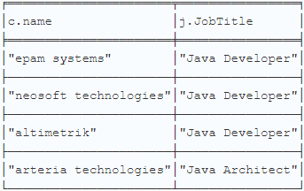 | 1 | 1 |  | 22335
E | List jobs with the title 'Backend Developer' that require Java skills and provide their respective JobPosting URLs. | Here are some job postings for the position of "Backend Developer" requiring Java skills: Company: Truva Job Title: Fullstack Developer Location: Bangalore About Company: Truva is a real estate startup facilitating house buying and selling through 5000+ data points and real transactions. It also manages channel partners and brokerage services for major apartment complexes in Powai. URL: Job Posting Company: G2 Risk Solutions Job Title: Full Stack Developer - Java Location: Bangalore About Company: G2 Risk Solutions is a global business intelligence platform specializing in risk and compliance management through data analytics and actionable insights, catering to financial institutions and online platforms. URL: Job Posting Please note that while these positions are listed as "Fullstack Developer", they involve significant backend development and require Java skills, relevant to your query about "Backend Developer" positions. | I'm sorry, but I do not have access to specific job postings or URLs for the title 'Backend Developer' that require Java skills. |  |  | 0 | 0 |  | 14343
 | Which companies are hiring for software testing roles requiring Python? | Companies in Bangalore that are hiring for software testing roles requiring Python include: BlackLine Founded: 2001 Employees: About 1000 Role: Senior Software Development in Test About: BlackLine specializes in financial controls and automation software, automating financial close and accounting processes. Website: https://www.instahyre.com/job-322625-senior-software-development-in-test-at-blackline-bangalore/ Autonomize AI Founded: 2021 Employees: About 10 Role: QA Engineer About: Autonomize is a human-centric AI platform that aids in decision-making and data discovery for better health outcomes, focusing on patient-centric outcomes. Website: https://www.instahyre.com/job-329872-qa-engineer-at-autonomize-ai-bangalore/ Celestial Systems Founded: 2001 Employees: About 50 Role: Python Developer (involves testing) About: A distributor of enterprise software solutions specializing in various technology services including QA and testing. Website: https://www.instahyre.com/job-174858-python-developer-at-celestial-systems-bangalore/ Quantum Founded: 1995 Employees: About 500 Role: Software Engineer - Tools and Automation Specialist About: Quantum provides end-to-end data storage and management solutions focusing on unstructured data and video. Website: https://www.instahyre.com/job-286242-software-engineer-tools-and-automation-specialist-at-quantum-bangalore/ These roles utilize Python primarily in automation and API testing. | Based on the given contexts, companies hiring for software testing roles requiring Python include BlackLine, Celestial Systems, Autonomize AI, and Qapitol QA in Bangalore. Python is used for various types of software testing such as UI testing, API testing, automation testing, and performance testing in these roles. | MATCH (j:JobTitle)-[:REQUIRES]->(s:Skill) MATCH (c:Company)-[:OFFERS]->(j) WHERE j.JobID IN ['322625', '174858', '329872', '329657'] RETURN DISTINCT c.name, j.JobTitle, j.Skills; |  | 1 | 1 |  | 26490
 | I have skills in Java and Technical Support. What roles are available for me, and which companies offer them? Which companies are currently hiring for roles that combine Java development and technical support? | Based on your skills in Java and Technical Support, there are several job roles available in Bangalore. Here are some options: Lead Technical Consultant at Razorpay About the Company: Razorpay provides an easy-to-integrate payment gateway solution that blends seamlessly with the customer's website. It has raised funds from Silicon Valley-based Y-Combinator, VCs, and co-founders of Snapdeal and Inmobi. Employee Count: 1000 Founded: 2014 Product Solution Engineer at PhonePe About the Company: PhonePe is a BHIM UPI enabled mobile payments app company which has built a platform for easy, safe, and universal transfer of cash. Recently, PhonePe has developed a Point-Of-Sale system for stores in India. Employee Count: 1000 Founded: 2015 Product Support Engineer at Almabase About the Company: Almabase is an IT & Services company that provides services related to a SaaS platform, specializing in alumni networking platform, alumni relations management platform, etc. Employee Count: 10 Founded: 2013 Software Engineer at PhonePe (specifically for Java) About the Company: Same as the Product Solution Engineer role mentioned above. These roles leverage your skills in Java and Technical Support and are offered by companies known for their innovative solutions in the technology sector. | What specific question do you have regarding Java and technical support? The companies currently hiring for roles that combine Java development and technical support include Razorpay in Bangalore, PhonePe in Bangalore, and BharatPe in Gurgaon. | MATCH (j:JobTitle)-[:REQUIRES]->(s:Skill) MATCH (c:Company)-[:OFFERS]->(j) WHERE j.JobID IN ['329527', '328855', '330057', '297765'] RETURN DISTINCT c.name; |  | 1 | 1 |  | 14284
 | Which companies are hiring for roles that require expertise in Spring Boot? | Several companies are currently hiring for roles that require expertise in Spring Boot. Here are some of the companies: NeoSOFT Technologies - Located in Navi Mumbai, NeoSOFT is a global IT consulting and software solutions provider. They are looking for a Java Developer with Spring Boot skills. More about NeoSOFT Technologies Altimetrik - Based in Chennai, Altimetrik provides technology solutions to enterprises in areas like Digital, Connected Solutions, and Consumer Technologies. They have multiple openings for Java Developers with experience in Spring Boot. More about Altimetrik HCL Technologies - Located in Mumbai, HCL Technologies is a major global company that brings IT and engineering services expertise to solve complex business problems across various industries. They seek Java Developers proficient in Spring Boot. More about HCL Technologies These opportunities highlight the demand for Spring Boot skills across different companies and locations. | The companies currently hiring for roles that require expertise in Spring Boot include NeoSOFT Technologies in Navi Mumbai, Altimetrik in Chennai, and HCL Technologies in Mumbai. | MATCH (j:JobTitle)-[:REQUIRES]->(s:Skill) MATCH (c:Company)-[:OFFERS]->(j) WHERE j.JobID IN ['330073', '329919', '291502', '329962'] RETURN DISTINCT c.name, j.JobTitle, j.JobPostingURL; |  | 1 | 1 |  | 20731
 | I specialize in Java and Microservices. What job titles should I consider, and which companies are hiring? | Based on your specialization in Java and Microservices, you should consider job titles such as "Java Developer" and "Java Architect". Companies currently hiring for these roles include: EPAM Systems in Hyderabad - A leading global product development and digital platform engineering services company founded in 1993. NeoSOFT Technologies in Navi Mumbai - A global IT consulting and software solutions provider specializing in various development services, founded in 1996. Altimetrik in Chennai - Provides technology solutions in Digital, Connected Solutions, and Consumer Technologies, founded in 2012. Arteria Technologies in Bangalore - Focuses on digitizing supply chains and product development, founded in 2007. These companies are looking for candidates with skills in Java, Microservices, and related frameworks such as Spring and Spring Boot. | The term "Java Microservices" refers to developing microservices using the Java programming language. Microservices architecture is an approach to software development where a large application is broken down into smaller, independent services that can be developed, deployed, and scaled independently. Java is a popular programming language used for building robust and scalable microservices due to its wide adoption, strong ecosystem, and performance capabilities. By using Java for developing microservices, developers can leverage its features and libraries to create reliable and efficient distributed systems. Based on the search results, companies hiring for Java Developer roles with a focus on Microservices include NeoSOFT Technologies in Navi Mumbai, EPAM Systems in Hyderabad, Altimetrik in Chennai, and HCL Technologies in Mumbai. | MATCH (j:JobTitle)-[:REQUIRES]->(s:Skill) MATCH (c:Company)-[:OFFERS]->(j) WHERE j.JobID IN ['330073', '329962', '291502'] RETURN DISTINCT c.name, j.JobTitle; | 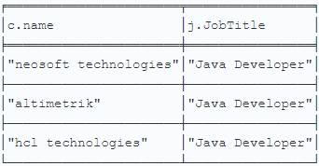 | 1 | 1 |  | 14345
 | Find job postings for the title 'Java Developer' that require Hibernate skills and provide the respective URLs. | Here are some job postings for the title 'Java Developer' that require Hibernate skills: Company: Novelty Data Solutions Job Title: Java Developer Location: Bangalore About: Novelty Data is an IT consulting company that offers product engineering, managed IT, validation, verification, and application modernization services to clients across the US, EMEA, and India regions. URL: Job Posting Company: Pratham Software (PSI) Job Title: Java Senior Developer Location: Gurgaon About: Pratham Software (PSI) is a global IT company that helps clients propel through digital transformation across businesses, offering solutions in Product Engineering, BPM, Data analytics, BI, etc. URL: Job Posting Company: Synechron Job Title: Java Developer Location: Bangalore About: Synechron provides various services and solutions to sectors in Digital, Business Consulting, Technology and Systems Integration, with operations in 18 countries. URL: Job Posting Company: Walmart Global Tech India Job Title: Java Developer Location: Bangalore About: Walmart Labs is the technology arm of Walmart, which is the world's largest company by revenue, with a major development center in Bangalore. URL: Job Posting These opportunities include roles that specifically mention Hibernate along with other technologies like Java, Spring, and J2EE. | Based on the search results, here are the job postings for the title 'Java Developer' that require Hibernate skills: Novelty Data Solutions in Bangalore - Job Posting Pratham Software (PSI) in Gurgaon - Job Posting Synechron in Bangalore - Job Posting Walmart Global Tech India in Bangalore - Job Posting | MATCH (j:JobTitle)-[:REQUIRES]->(s:Skill) MATCH (c:Company)-[:OFFERS]->(j) WHERE j.JobID IN ['329761', '323663', '303948', '324485'] RETURN DISTINCT j.JobTitle, j.JobPostingURL; | 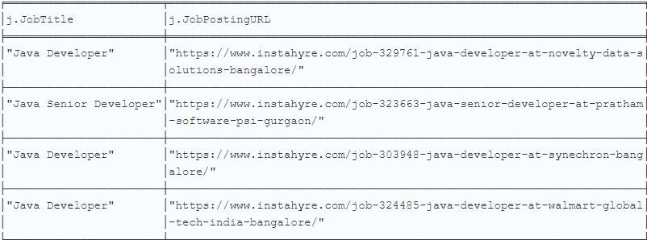 | 1 | 1 |  | 17953

