2 Hierarchy Check
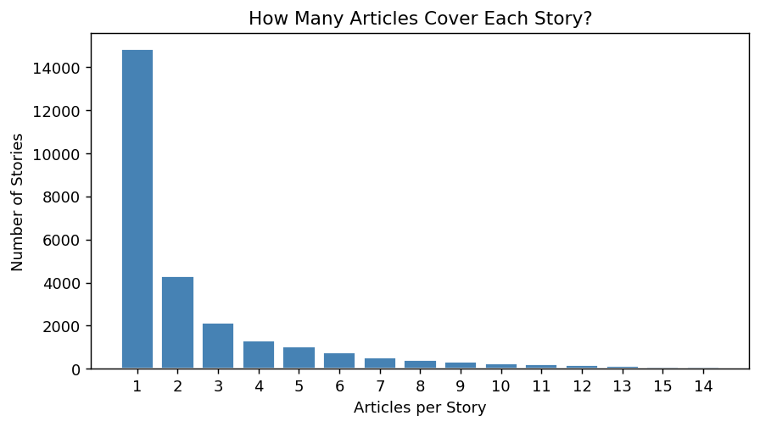
Stories per Article (confirms 1-to-1) |  | Articles per Story Distribution
Stories per Article | Article Count | Articles per Story | Story Count
1 | 97544 | 1 | 14835
 |  | 2 | 4311
 |  | 3 | 2135
 |  | 4 | 1300
 |  | 5 | 1012
 |  | 6 | 757
 |  | 7 | 515
 |  | 8 | 404
 |  | 9 | 340
 |  | 10 | 234
 |  | 11 | 214
 |  | 12 | 166
 |  | 13 | 118
 |  | 15 | 90
 |  | 14 | 90

3 Chunk Structure
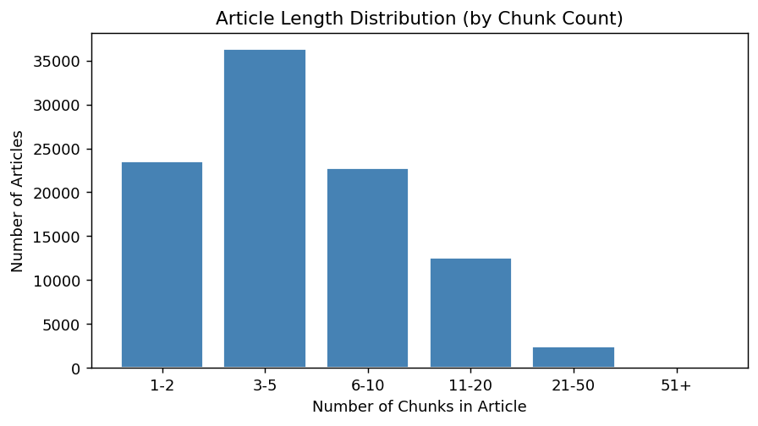
Chunks per Article — Summary Stats
Statistic | Value
num_articles (denominator) | 97544
mean | 6.07
std | 5.37
min | 1
25% | 3
50% | 4
75% | 8
max | 97

Ticker Variation Across Chunks
Description | Count | Pct
Articles with uniform tickers across all chunks | 87073 | 89.3%
Articles where tickers vary across chunks | 10471 | 10.7%
Total articles | 97544 | 100%

4 Tickers per Article
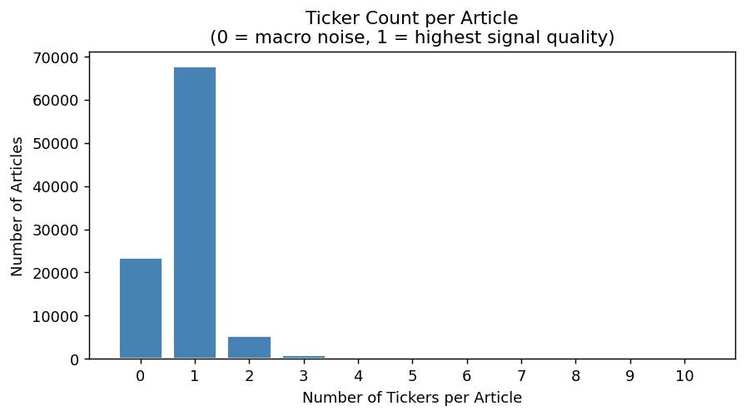
Distribution of Tickers per Article
Tickers per Article | Article Count | % of Total
0 | 23401 | 24
1 | 67684 | 69.4
2 | 5262 | 5.4
3 | 750 | 0.8
4 | 248 | 0.3
5 | 96 | 0.1
6 | 42 | 0
7 | 34 | 0
8 | 13 | 0
9 | 6 | 0
10 | 4 | 0
11 | 2 | 0

Signal Quality Summary
Category | Count | Pct
Zero-ticker articles (macro noise — dropped) | 23401 | 24.0%
Single-ticker articles (highest signal) | 67684 | 69.4%
Multi-ticker articles (diluted signal) | 6459 | 6.6%

5 Universe Overlap
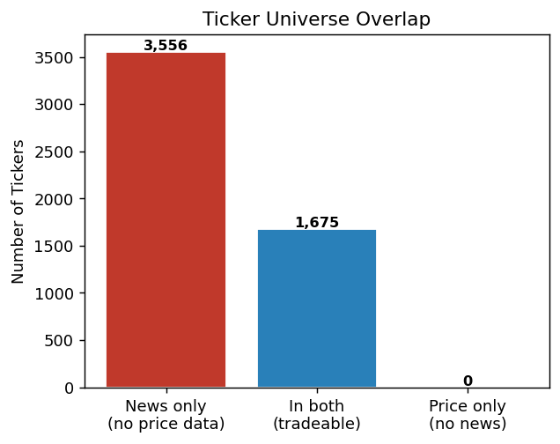
Ticker Universe Overlap
Metric | Value
Unique tickers in news data | 5231
Unique tickers in price data | 1675
Tickers in both (tradeable) | 1675
News tickers with no price | 3556
Price tickers with no news | 0
Overlap coverage | 100.0% of price tickers in news

6 Market Hours
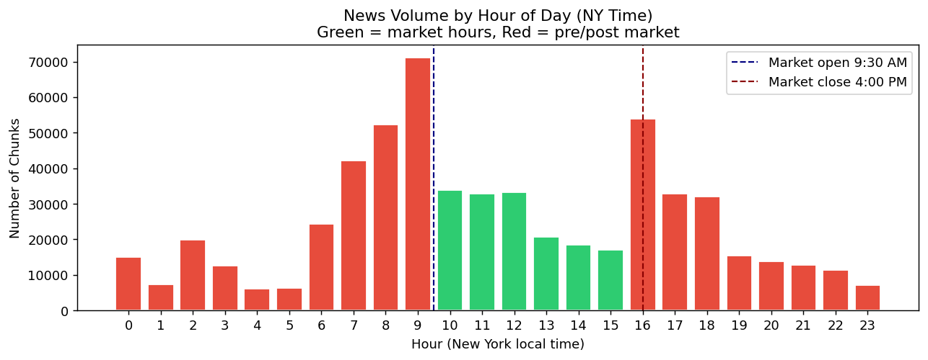
News Chunk Distribution by Trading Session
Session | Chunk Count | % of Total | Signal Treatment
Pre-market (before 9:30 AM ET) | 219071 | 37.0% | Available at open — highest actionability
Market hours (9:30 AM–4:00 PM) | 194223 | 32.8% | Intraday news — trader can act immediately
Post-market (after 4:00 PM ET) | 179216 | 30.2% | Pushed to next signal date — look-ahead guard
TOTAL | 592510 | 100%

8 Trading Calendar
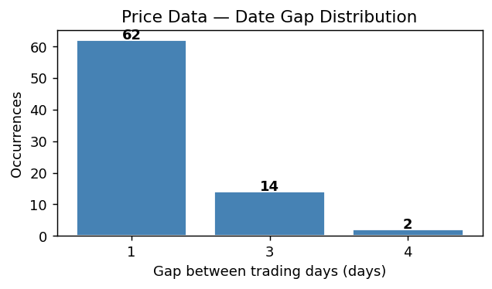
Trading Calendar Summary
Metric | Value
First trading day | 2026-01-23
Last trading day | 2026-05-15
Total trading days | 79
Missing close prices | 0
Calendar anomalies | None — clean US equity calendar

Date Gaps in Price Data
Gap (days) | Occurrences | Explanation
1 | 62 | Consecutive trading days (Mon-Fri)
3 | 14 | Weekend gap (Fri → Mon)
4 | 2 | Long weekend (holiday on Mon or Fri)

9 Tickers Per Day
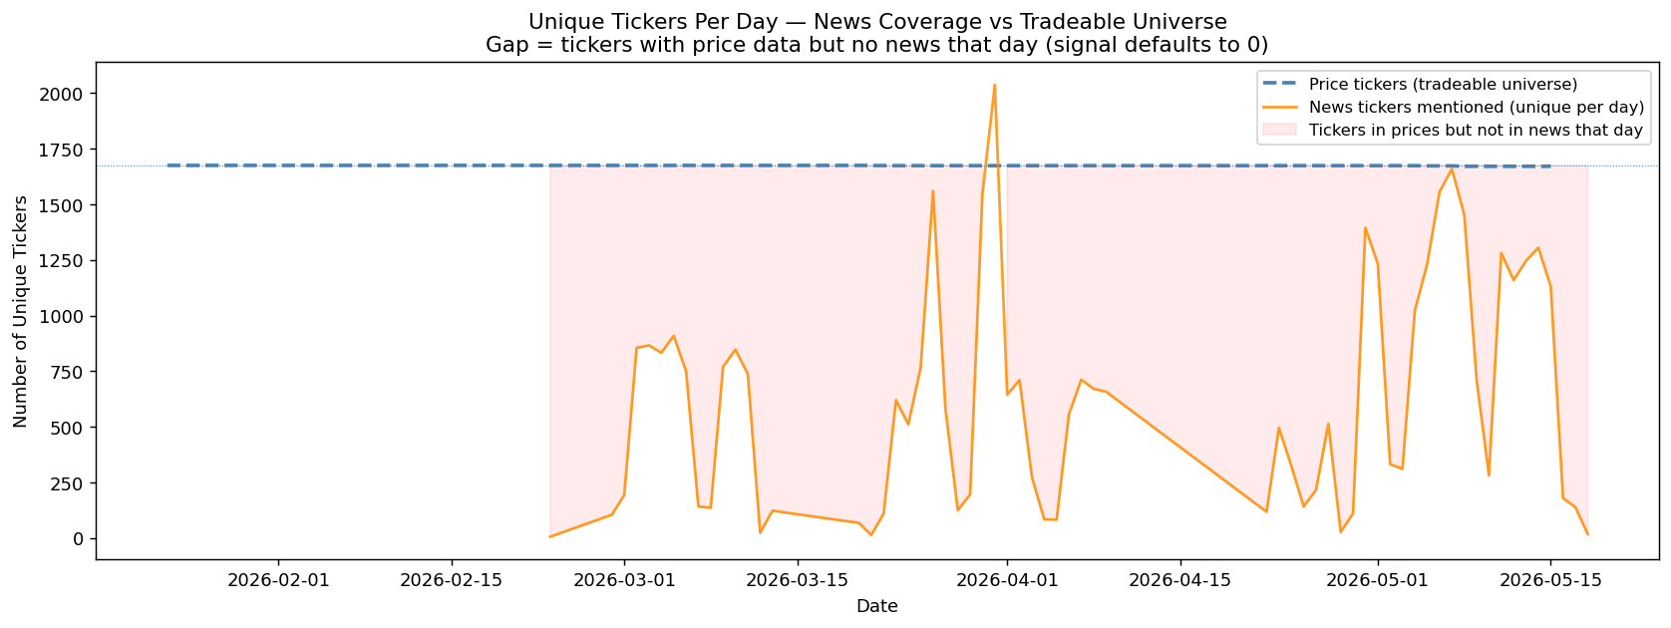
date | price_tickers | news_tickers
2026-01-23 | 1675
2026-01-26 | 1675
2026-01-27 | 1675
2026-01-28 | 1675
2026-01-29 | 1675
2026-01-30 | 1675
2026-02-02 | 1675
2026-02-03 | 1675
2026-02-04 | 1675
2026-02-05 | 1675
2026-02-06 | 1675
2026-02-09 | 1675
2026-02-10 | 1675
2026-02-11 | 1675
2026-02-12 | 1675
2026-02-13 | 1675
2026-02-17 | 1675
2026-02-18 | 1675
2026-02-19 | 1675
2026-02-20 | 1675
2026-02-23 | 1675 | 6
2026-02-24 | 1675
2026-02-25 | 1675
2026-02-26 | 1675
2026-02-27 | 1675
2026-02-28 |  | 105
2026-03-01 |  | 193
2026-03-02 | 1675 | 855
2026-03-03 | 1675 | 866
2026-03-04 | 1675 | 833
2026-03-05 | 1675 | 909
2026-03-06 | 1675 | 751
2026-03-07 |  | 142
2026-03-08 |  | 136
2026-03-09 | 1675 | 770
2026-03-10 | 1675 | 847
2026-03-11 | 1675 | 737
2026-03-12 | 1675 | 24
2026-03-13 | 1675 | 123
2026-03-16 | 1675
2026-03-17 | 1675
2026-03-18 | 1675
2026-03-19 | 1675
2026-03-20 | 1675 | 68
2026-03-21 |  | 14
2026-03-22 |  | 110
2026-03-23 | 1674 | 620
2026-03-24 | 1674 | 511
2026-03-25 | 1674 | 767
2026-03-26 | 1674 | 1560
2026-03-27 | 1674 | 581
2026-03-28 |  | 125
2026-03-29 |  | 196
2026-03-30 | 1674 | 1549
2026-03-31 | 1674 | 2037
2026-04-01 | 1674 | 645
2026-04-02 | 1674 | 710
2026-04-03 |  | 274
2026-04-04 |  | 84
2026-04-05 |  | 83
2026-04-06 | 1674 | 557
2026-04-07 | 1674 | 712
2026-04-08 | 1674 | 671
2026-04-09 | 1674 | 658
2026-04-10 | 1674
2026-04-13 | 1674
2026-04-14 | 1674
2026-04-15 | 1674
2026-04-16 | 1674
2026-04-17 | 1674
2026-04-20 | 1674
2026-04-21 | 1674
2026-04-22 | 1674 | 118
2026-04-23 | 1674 | 495
2026-04-24 | 1674 | 325
2026-04-25 |  | 142
2026-04-26 |  | 216
2026-04-27 | 1674 | 513
2026-04-28 | 1674 | 27
2026-04-29 | 1674 | 111
2026-04-30 | 1674 | 1394
2026-05-01 | 1674 | 1233
2026-05-02 |  | 332
2026-05-03 |  | 311
2026-05-04 | 1674 | 1022
2026-05-05 | 1673 | 1231
2026-05-06 | 1673 | 1556
2026-05-07 | 1673 | 1659
2026-05-08 | 1671 | 1454
2026-05-09 |  | 711
2026-05-10 |  | 282
2026-05-11 | 1671 | 1281
2026-05-12 | 1671 | 1159
2026-05-13 | 1671 | 1246
2026-05-14 | 1671 | 1305
2026-05-15 | 1671 | 1132
2026-05-16 |  | 179
2026-05-17 |  | 139
2026-05-18 |  | 18

