Sheet
https://m.media-amazon.com/images/I/61KNJav3S9L._SX679_.jpg | 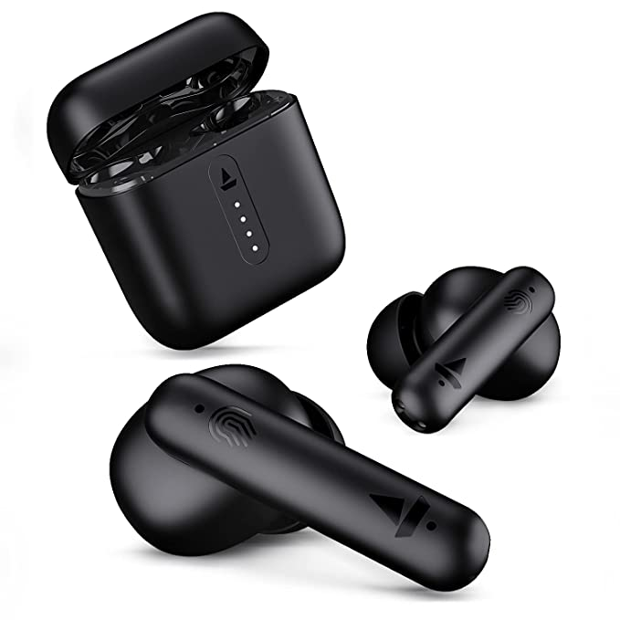
https://m.media-amazon.com/images/I/619gHpSiOXL._SX522_.jpg
https://m.media-amazon.com/images/I/51Y7Upiq6mL._SY450_.jpg | 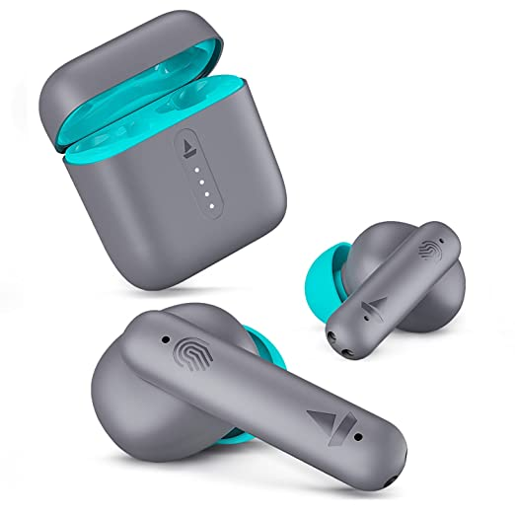
https://m.media-amazon.com/images/I/61q-2yzbBtL._SY355_.jpg | 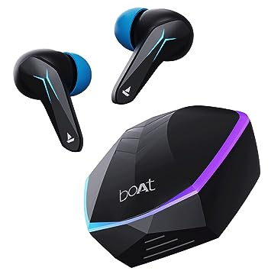
https://m.media-amazon.com/images/I/61k7OJwe8IS._SY355_.jpg | 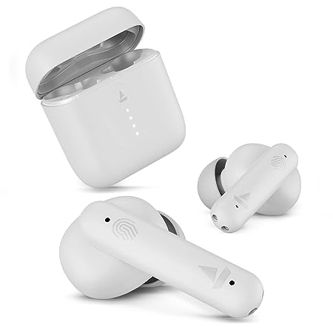
https://m.media-amazon.com/images/I/81hWpe10SzL._SY355_.jpg | 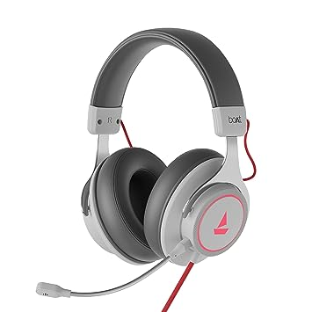
https://m.media-amazon.com/images/I/71cBZJsl+EL._SX466_.jpg | 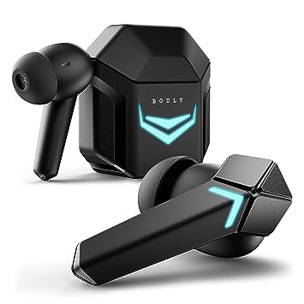
https://m.media-amazon.com/images/I/61ttQ3luL6L._SX679_.jpg | 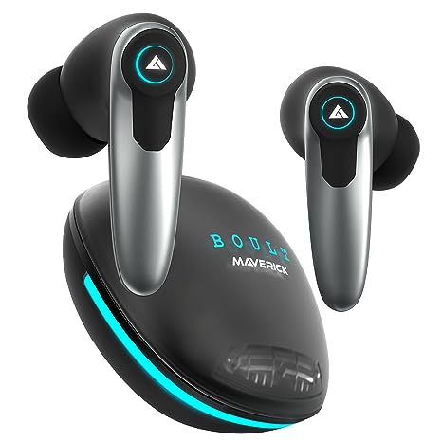
https://m.media-amazon.com/images/I/61O0rXhhP6L._SY355_.jpg | 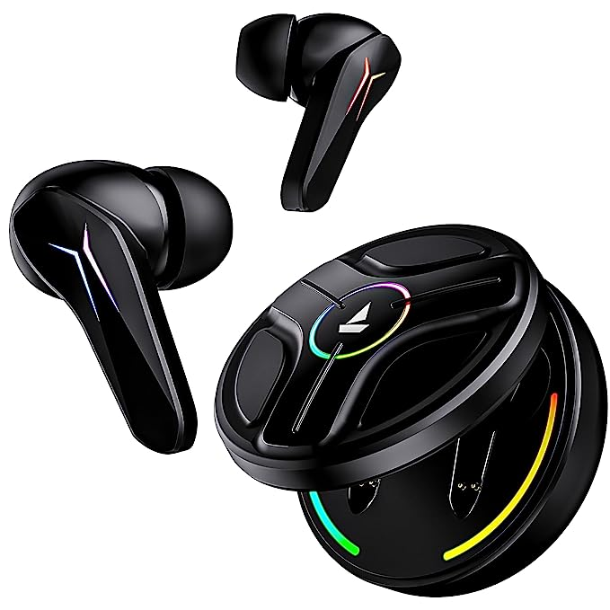
https://m.media-amazon.com/images/I/71PhCZEGH7L._SX679_.jpg | 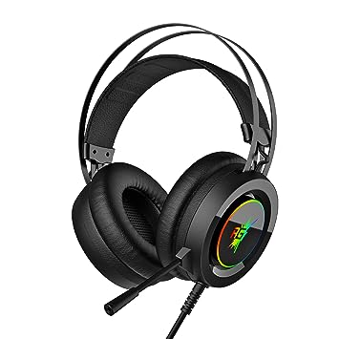
https://m.media-amazon.com/images/I/51t132kBEcL._SX569_.jpg | 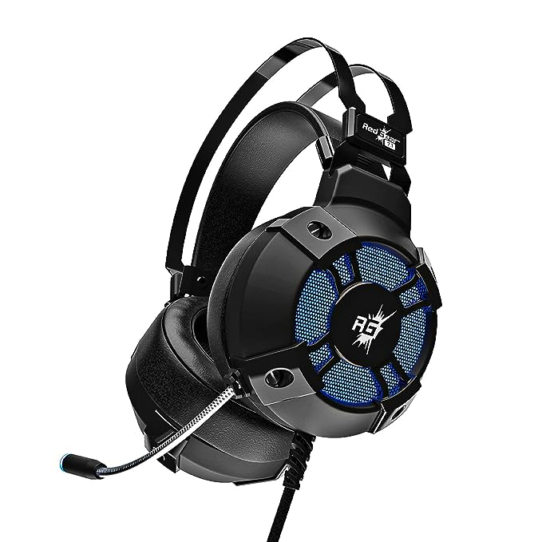
https://m.media-amazon.com/images/I/61dSTgseCdL._SX679_.jpg | 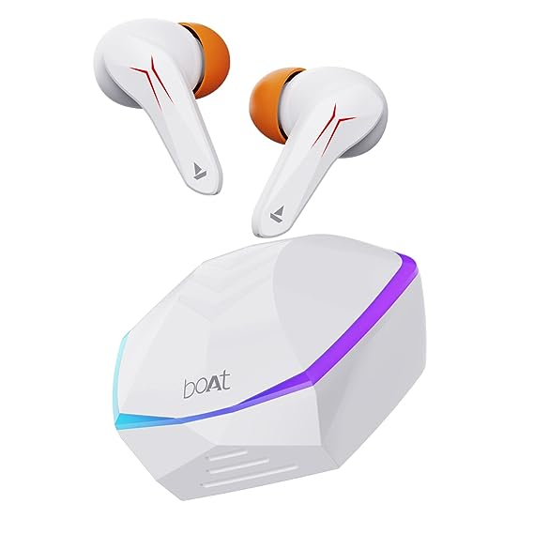
https://m.media-amazon.com/images/I/71d47kP8hpL._SX466_.jpg | 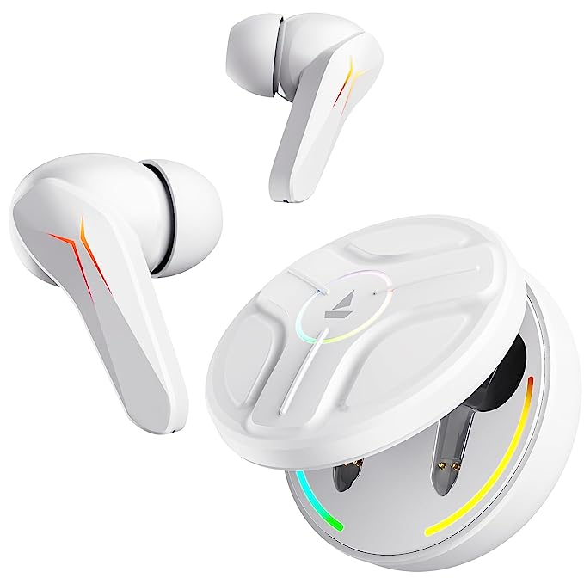
https://m.media-amazon.com/images/I/711ntjylB0L._SX569_.jpg | 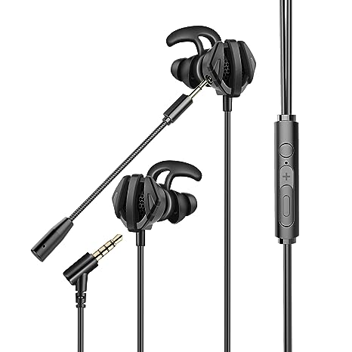
https://m.media-amazon.com/images/I/71VR6c3j2bL._SY450_.jpg | 
https://m.media-amazon.com/images/I/71aqRo246mL._SY450_.jpg | 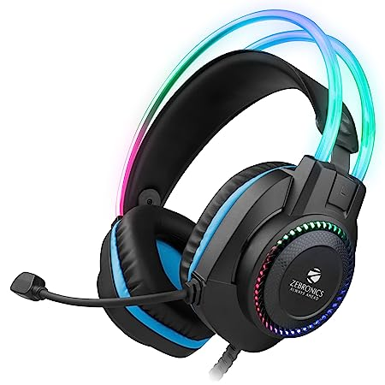
https://m.media-amazon.com/images/I/71PO5tE6unL._SX522_.jpg | 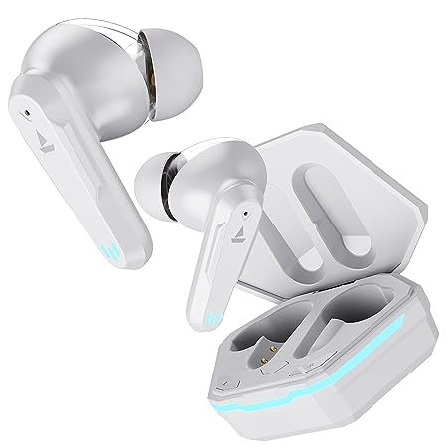
https://m.media-amazon.com/images/I/61jzBZHmO3L._SX679_.jpg | 
https://m.media-amazon.com/images/I/61VLZiTm5YL._SX569_.jpg | 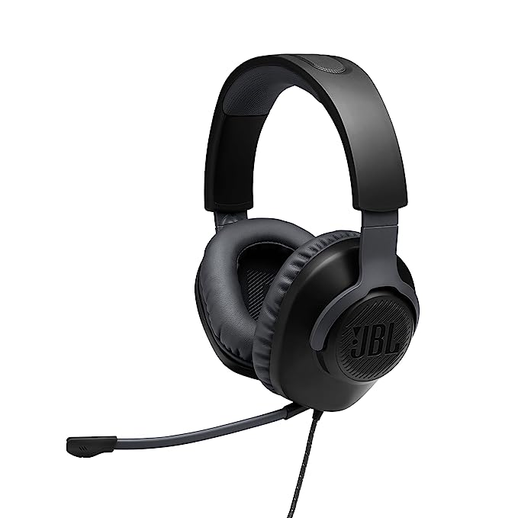
https://m.media-amazon.com/images/I/41uPl-WW09L._SX425_.jpg | 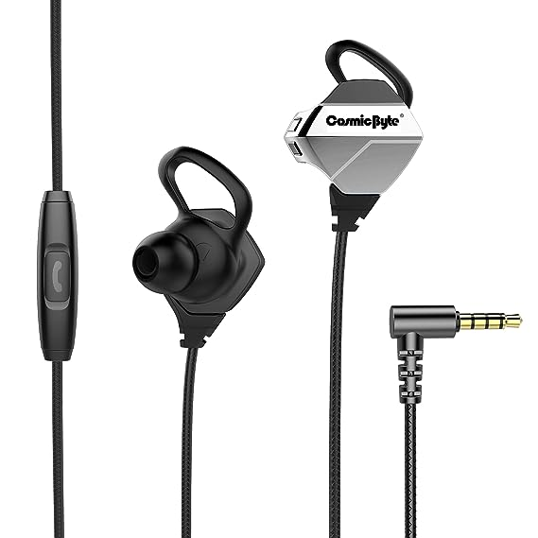
https://m.media-amazon.com/images/I/61qXn8MvAgL._SX425_.jpg | 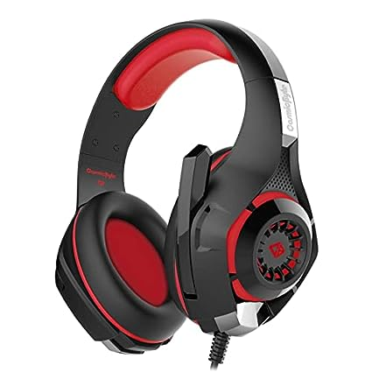
https://m.media-amazon.com/images/I/614XpWcuU9L._SX522_.jpg | 
https://m.media-amazon.com/images/I/61Xk0CSu6IS._SY450_.jpg | 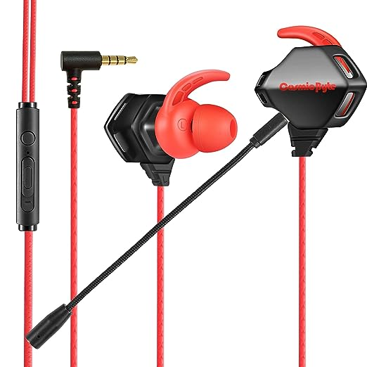
https://m.media-amazon.com/images/I/61ZBbPucSQL._SX569_.jpg | 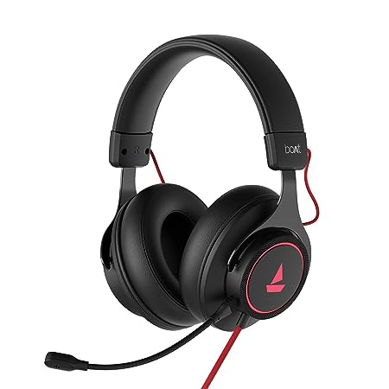
https://m.media-amazon.com/images/I/610UgT6Pf4L._SY450_.jpg | 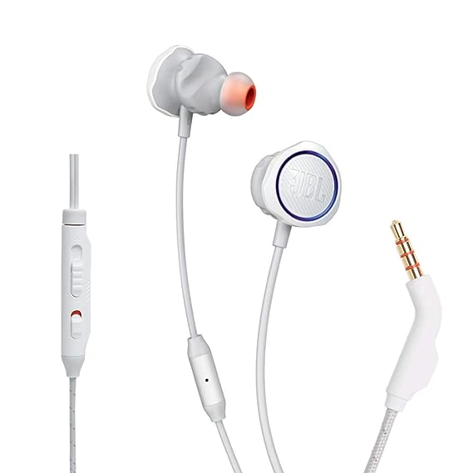
https://m.media-amazon.com/images/I/51U-fZLRWOL._SX425_.jpg | 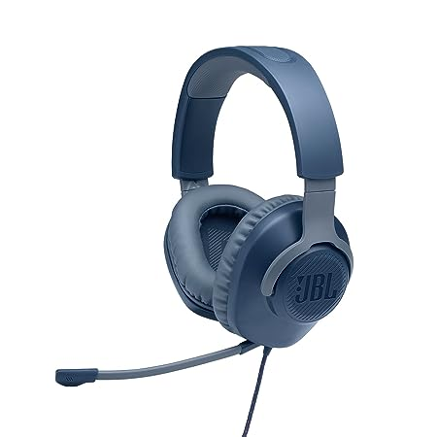
https://m.media-amazon.com/images/I/71dlG+QUE+L._SX466_.jpg | 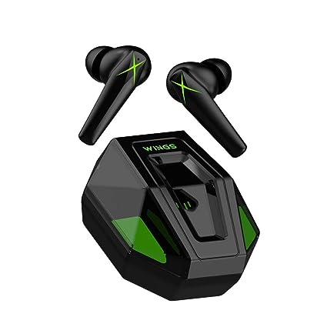
https://m.media-amazon.com/images/I/7154EWu-5LL._SX679_.jpg | 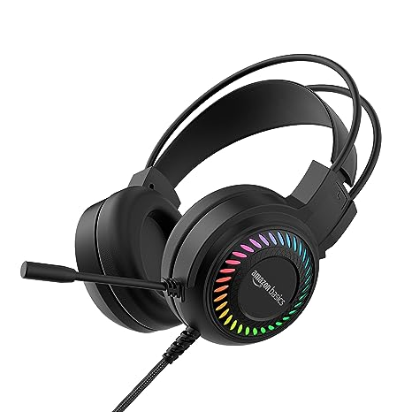
https://m.media-amazon.com/images/I/51hloAuxmQL._SX569_.jpg | 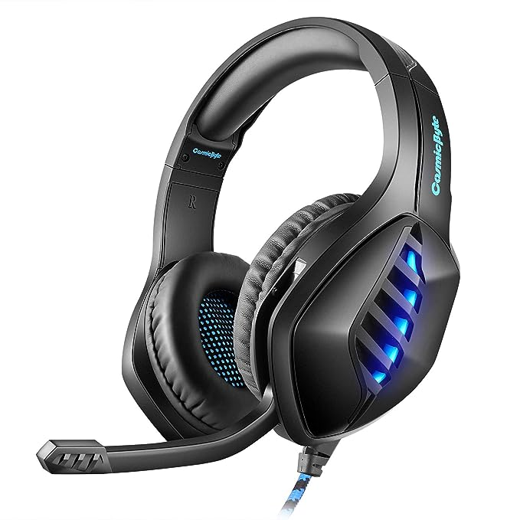
https://m.media-amazon.com/images/I/51eOGiQbsgL._SY450_.jpg | 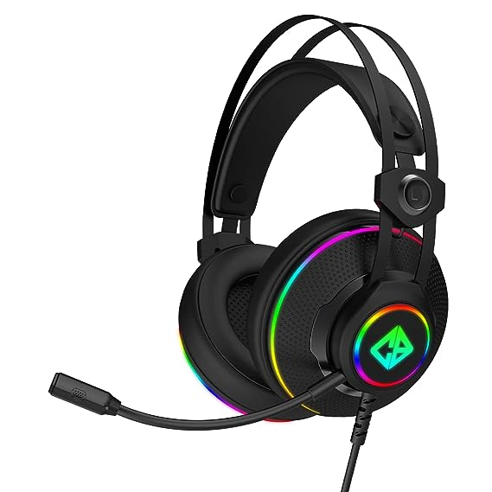
https://m.media-amazon.com/images/I/51tVVALVrrL._SX342_.jpg | 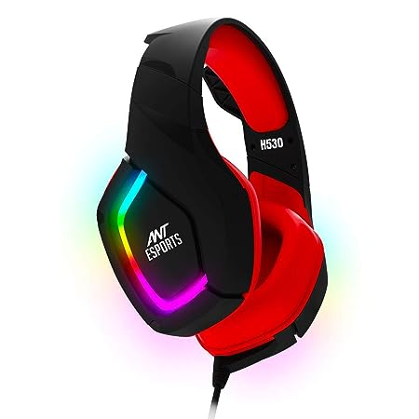
https://m.media-amazon.com/images/I/51XSjrKs64L._SY355_.jpg | 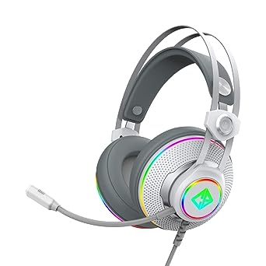
https://m.media-amazon.com/images/I/61-1iz7fpiL._SY450_.jpg | 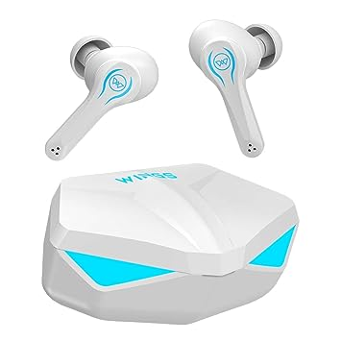
https://m.media-amazon.com/images/I/61EiiZrOSLL._SY450_.jpg | 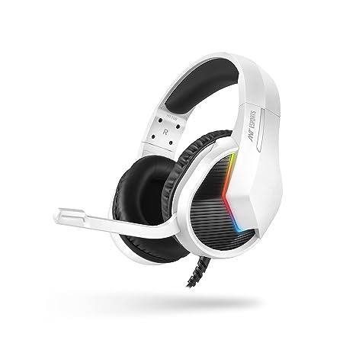
https://m.media-amazon.com/images/I/613eMeyDpPL._SX425_.jpg | 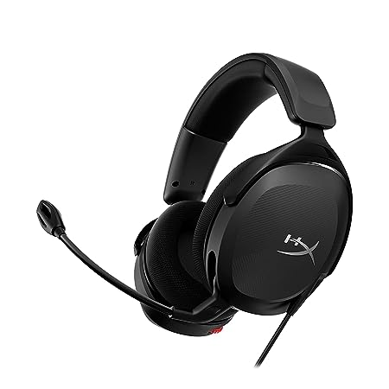
https://m.media-amazon.com/images/I/71pGjUwrUlL._SY450_.jpg | 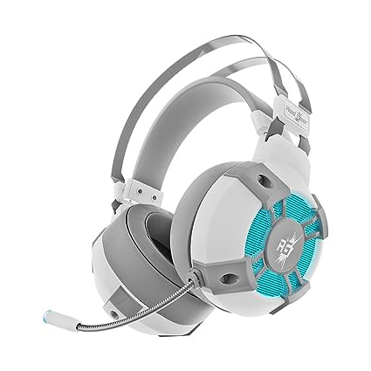
https://m.media-amazon.com/images/I/61ujQX+AYZL._SX569_.jpg | 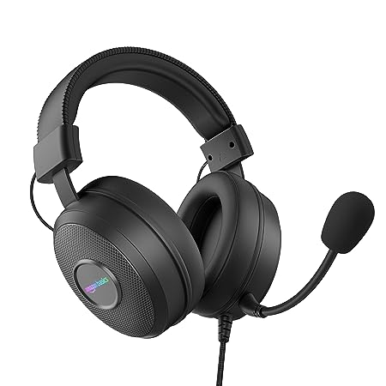
https://m.media-amazon.com/images/I/71BOWn8NVuL._SX425_.jpg | 
https://m.media-amazon.com/images/I/61Nod6VmmQL._SX522_.jpg | 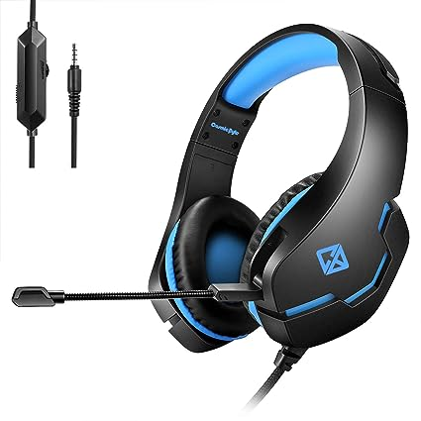
https://m.media-amazon.com/images/I/51r79vSThfL._SX466_.jpg | 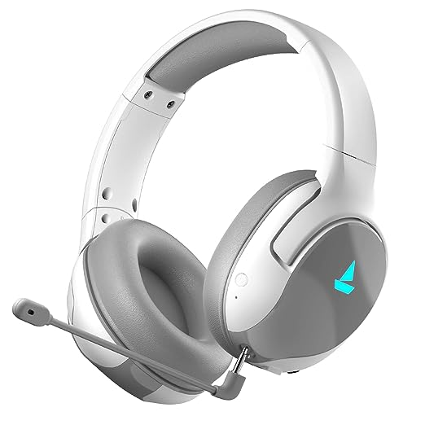
https://m.media-amazon.com/images/I/61yggJpMNTL._SY450_.jpg | 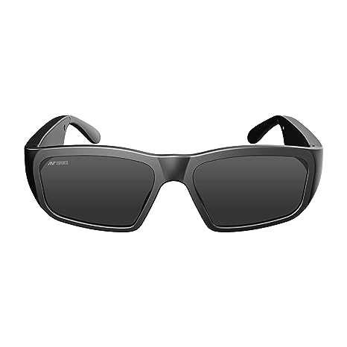
https://m.media-amazon.com/images/I/61ZlqdYsbDL._SY355_.jpg | 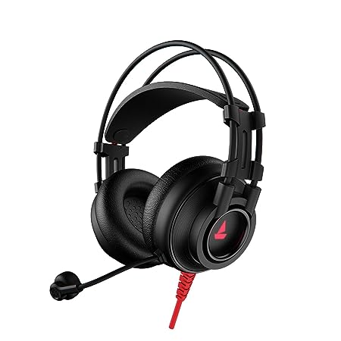
https://m.media-amazon.com/images/I/71gyslfwPPL._SX679_.jpg | 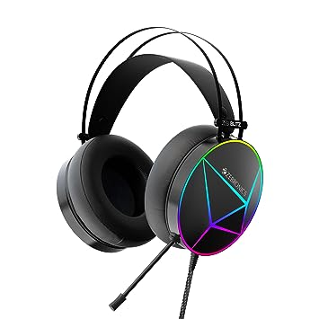
https://m.media-amazon.com/images/I/617tTpCvQ4L._SX679_.jpg | 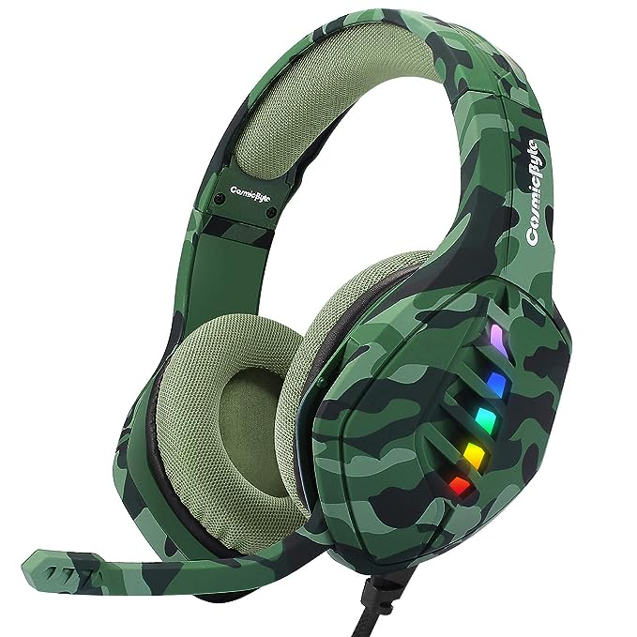
https://m.media-amazon.com/images/I/71n+B4UIsAL._SY355_.jpg | 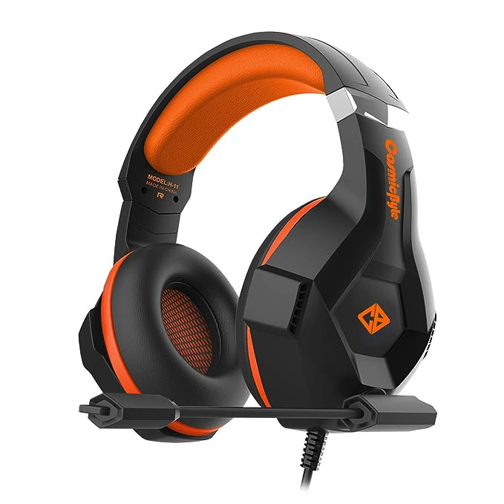
https://m.media-amazon.com/images/I/51vUMenoNkL._SY355_.jpg | 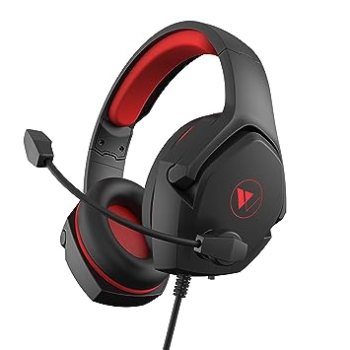
https://m.media-amazon.com/images/I/71nFWwpCLzL._SX466_.jpg | 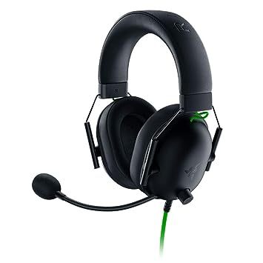
https://m.media-amazon.com/images/I/61Usv6AG3PL._SY450_.jpg | 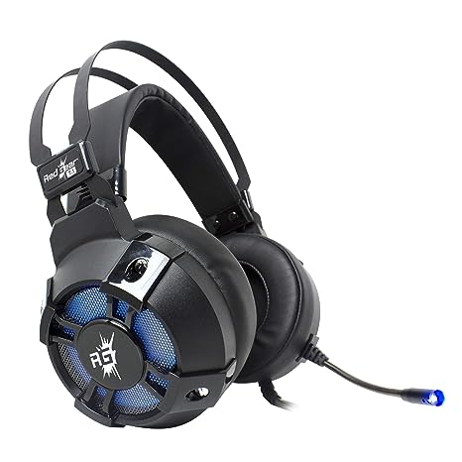
https://m.media-amazon.com/images/I/71D1EB5iDzL._SX466_.jpg | 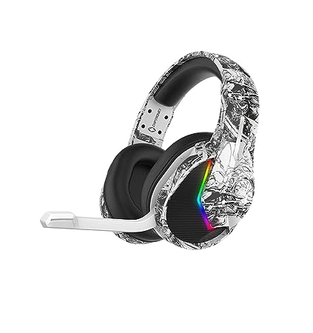
https://m.media-amazon.com/images/I/71rhFZZIH3L._SY450_.jpg | 