Sheet2
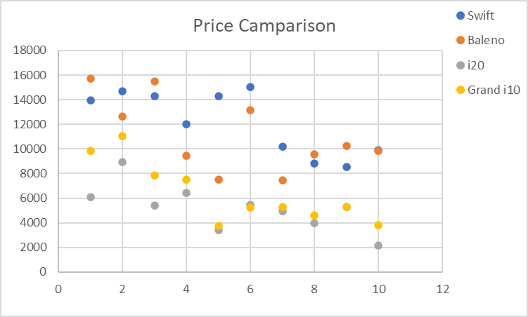
Create a random data of vechicle price and show there comparison in 3 chart 1) Stack column chart 2) line chart 3) Scatter plot

State | Swift | Baleno | i20 | Grand i10
Maharashtra | 13928 | 15701 | 6104 | 9845
Gujrat | 14704 | 12621 | 8947 | 11051
Uttar Pradesh | 14299 | 15498 | 5384 | 7865
Karnataka | 12016 | 9478 | 6442 | 7509
Kerala | 14282 | 7528 | 3412 | 3775
Haryana | 15038 | 13138 | 5477 | 5257
Tamil Nadu | 10179 | 7439 | 4966 | 5279
Telangana | 8836 | 9588 | 3997 | 4616
Rajasthan | 8520 | 10240 | 5274 | 5308
Delhi | 9881 | 9841 | 2180 | 3802

Price Comparison
 | 1) Stack column chart |  |  |  |  | 2) Line chart
Price Comparison

 |  |  |  |  | 3) Scatter plot chart

