Bug Report
Bug ID | Description/Summary | Steps to Reproduce | Expected Result | Actual Result | Severity | Priority | Screenshot
Bug ID__001 | Dropdown is not displayed when you hover on Tablets, Software, Phones& PDAs and Cameras. | 1)Open tutorialsninja 2)Locate the Dropdown Trigger 3)Attempt to Open the Dropdown 4)Observe the Behavior | Dropdown should be displayed when you hover on Tablets, Software, Phones& PDAs and Cameras. | Dropdown was not displayed | S3 | P2 | 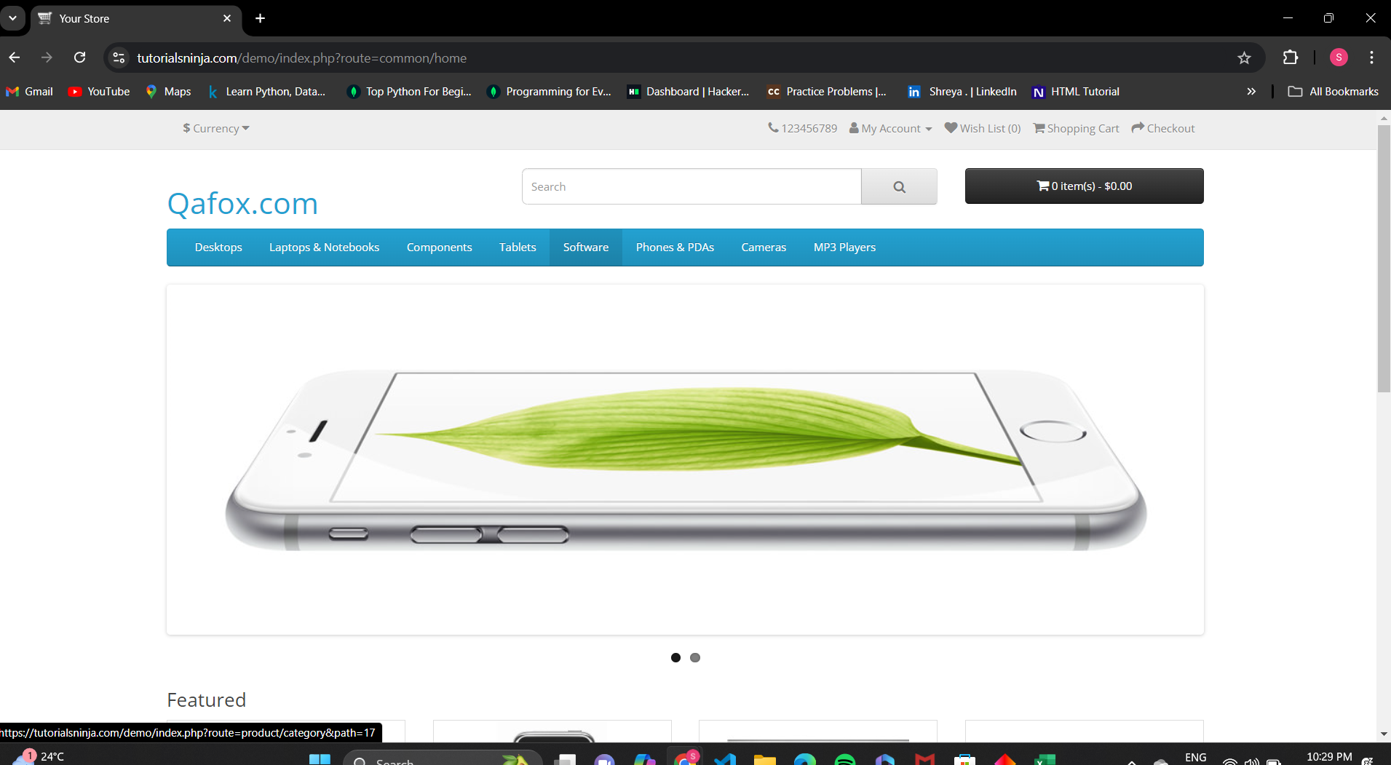
Bug ID__002 | No option is being displayed for choosing state in availibility option | 1)Open tutorialsninja 2)Sign In 3)select one product 4)Check for options in availibility option section for choosing the state | Options should be displayed for choosing the state | There was no options for choosing the state | S3 | P2 | 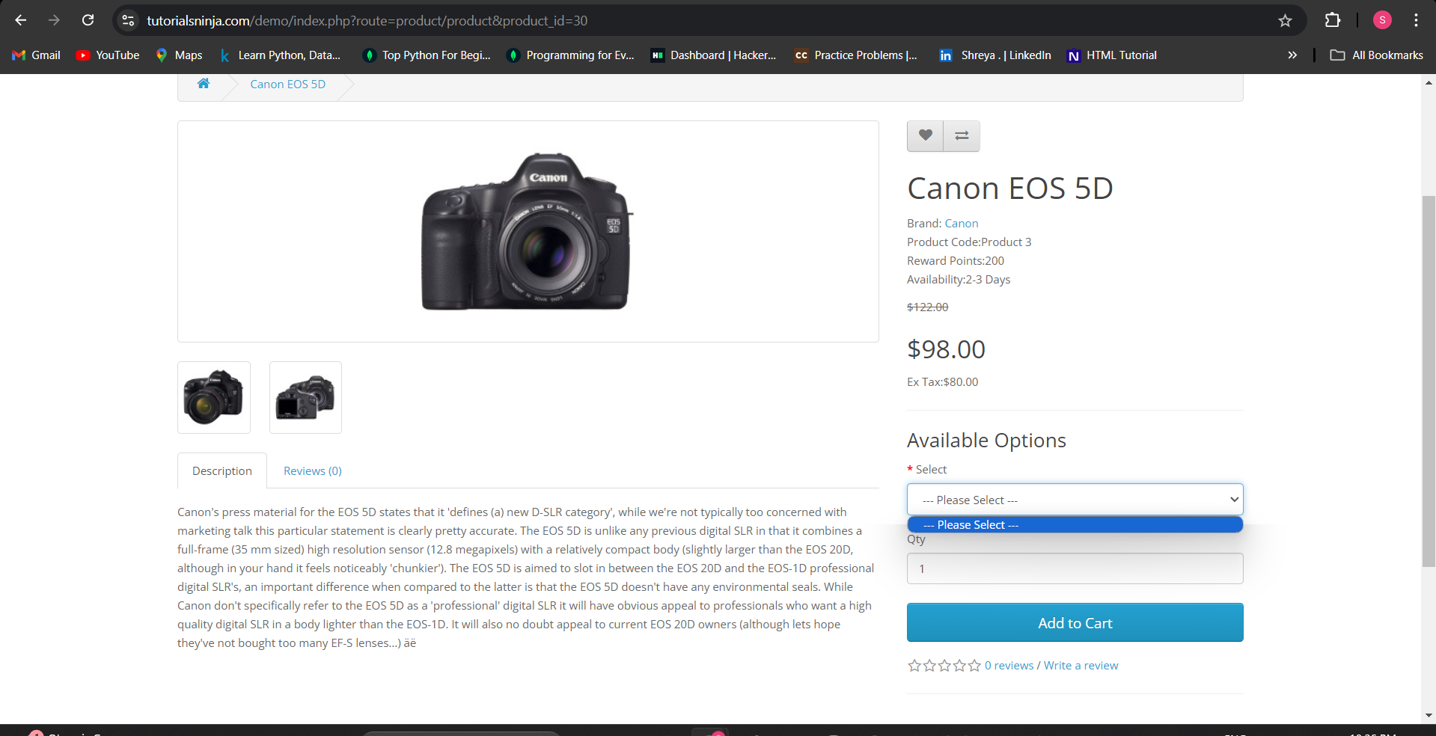
Bug ID__003 | Repetitive of date and time field in product page | 1)Open tutorialsninja 2)Sign In 3)select one product 4)Check date and time options | Repetition of any input field should not be there | Date and Time fields are repetited two times current exchange rates. | S2 | P2 | 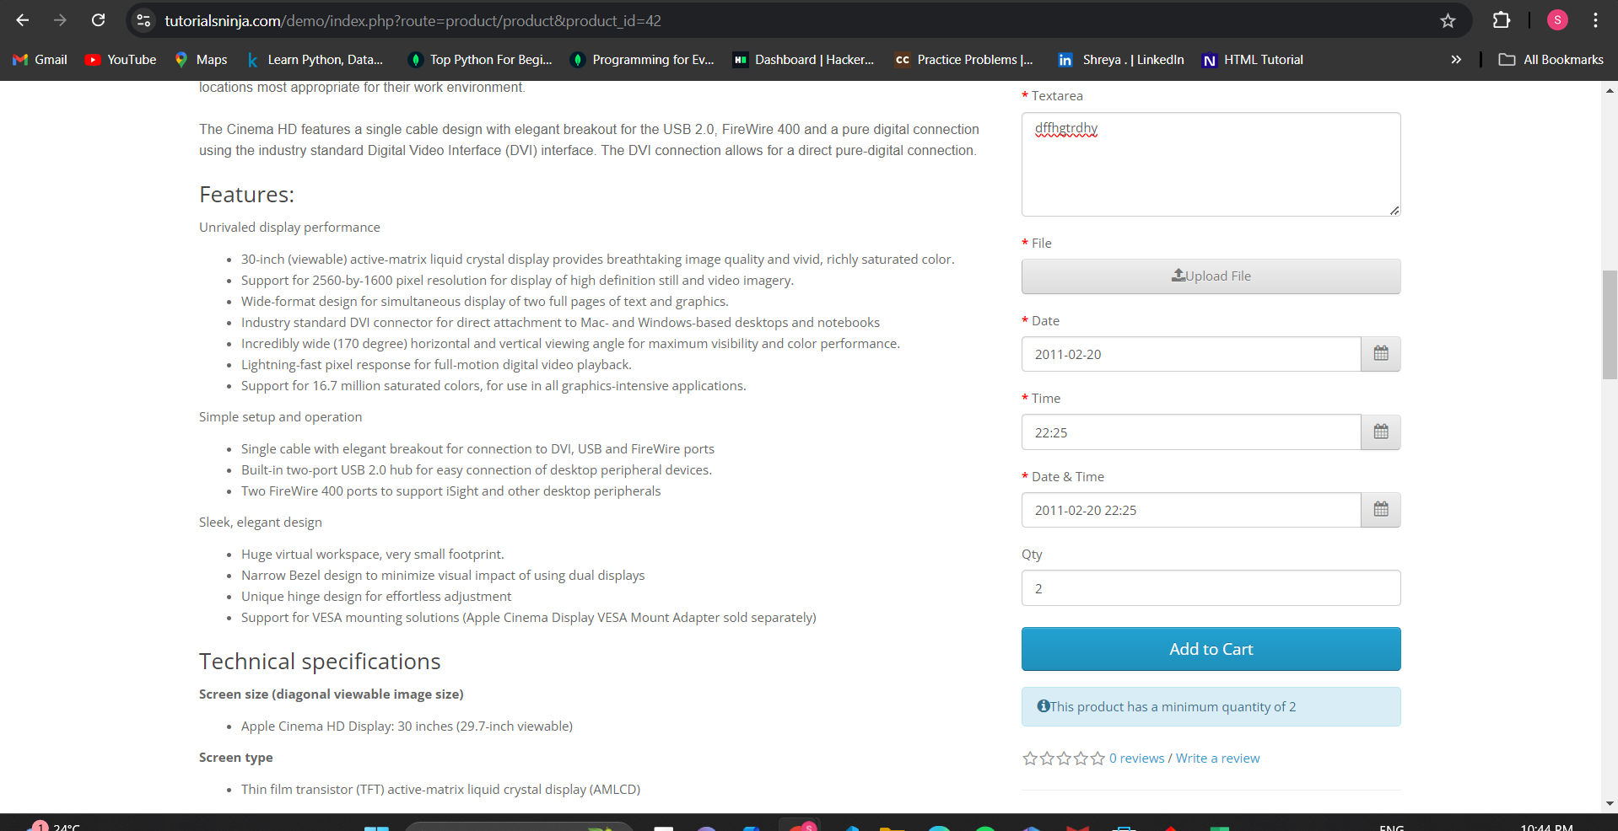
Bug ID__004 | review for a particular not working in product page | 1)Open tutorialsninja 2)Sign In 3)select one product 4)Check for the review | Star should be selected and review should be submitted for particular product | Review not submitted | S1 | P1 | 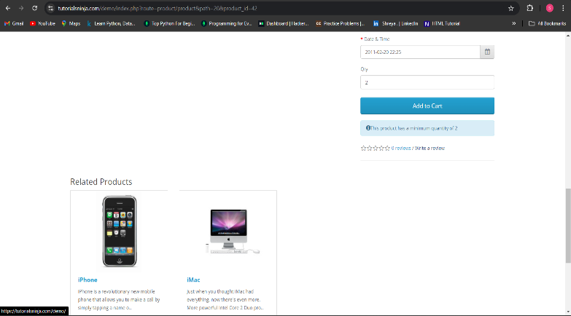
Bug ID__005 | In dropdown it shows product availibility 0 | 1)Open Nopcommerce 2)check on products | It should show the total product available | Not giving the exact to9tal available product numbers | S3 | P3 | 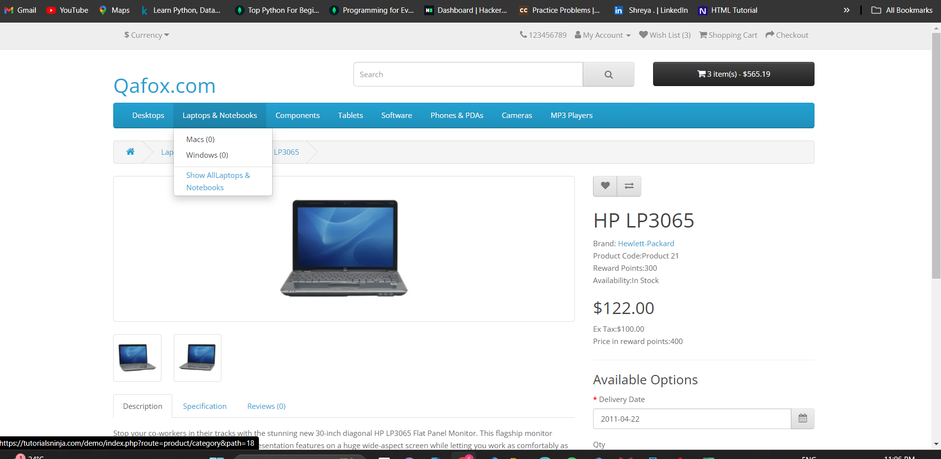
Bug ID_006 | slidshow of product images without zooming not available | 1)Open tutorialsninja 2)Go to the one product | Slideshow of the product images in websiite should be available | No function for slideshow without zooming | S2 | 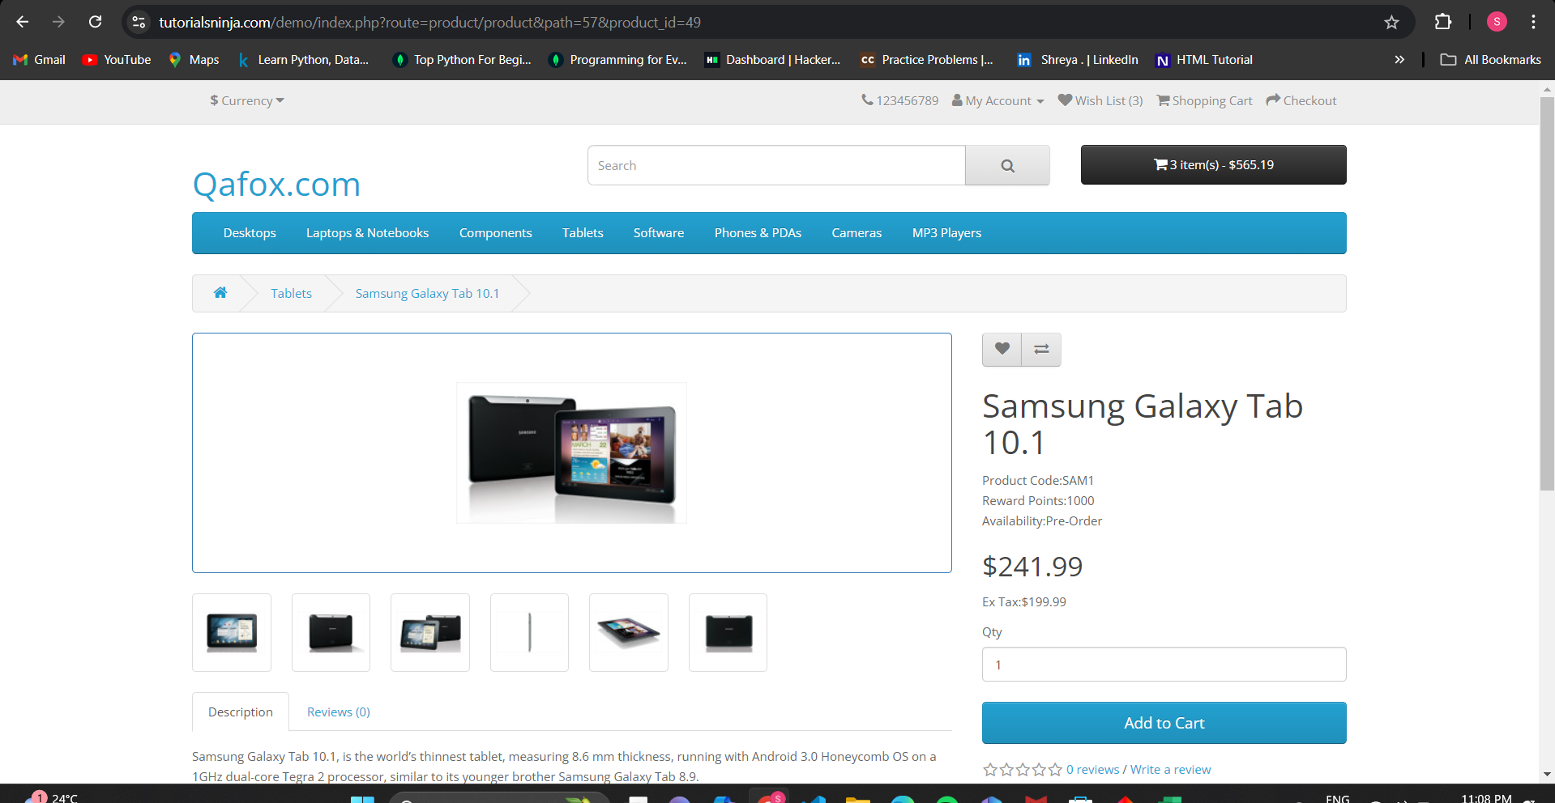 P1
Bug ID_007 | No forgot password option | 1)Open tutorialsninja 2)Go to the My Account | Forgot option should be there and the user should be able to log in successfully or receive a password reset email if the entered email address is valid and registered. | No forgot option | S2 | P1 | 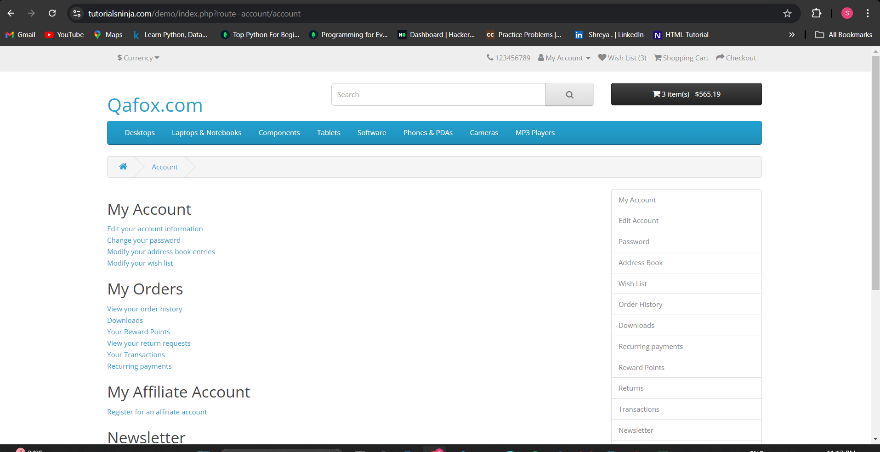
Bug ID_008 | No Successful message displaying after submiting contact form | 1)Open tutorialsninja 2)Go to the contact | Successful message should be displayed after submiting the contact form successfully | No successful message displayed | S2 | P2 | 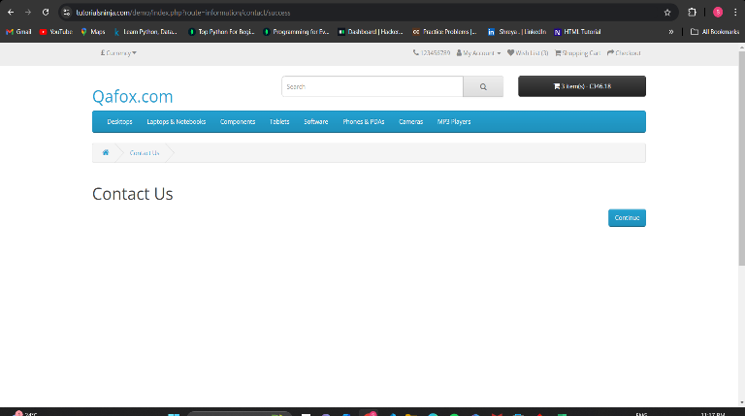
Bug ID_009 | Cannot proceed to add to cart without selecting state but there is no option for selecting state | 1)Open tutorialsninja 2)check on products | Should able to select state and proceed to add to cart | Cannot proceed to add to cart without selecting state but there is no option for selecting state | S3 | P2 | 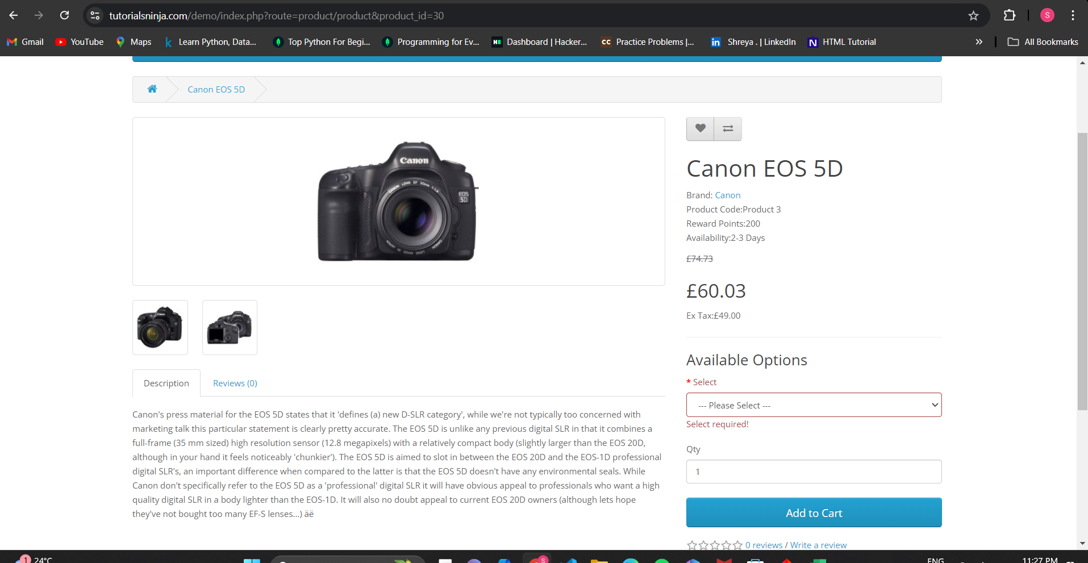
Bug ID_010 | Proceed to checkout without login | 1)Open tutorialsninja 2)Go to the add to cart and proceed to checkout | Should redirected to login | Not redirecting to the login page | S3 | P3 | 