Sheet1
SL. NO. | ITEM CODE | PHOTO | PRODUCT TITLE (Powertex site) | CATEGORY | SUB-CATEGORY | MRP (INR) | MRP (KWD) | NET PRICE (INR) | NET PRICE (KWD) | SPECIFICATIONS | MATCH STATUS / NOTE
1 | PPT-ML-16-G | 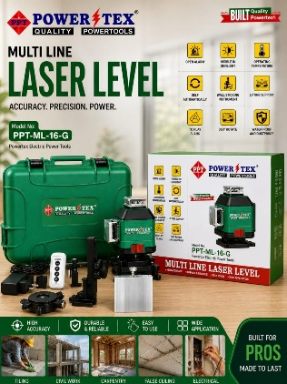 | ML-16-G MultiLine Laser | Power Tools | MultiLine Laser | 8,800 | 28.283 | 8,800 | 28.283 | — | Listed on site without "PPT-" prefix (as "ML-16-G")
2 | PPT-CL-BDX-10 | 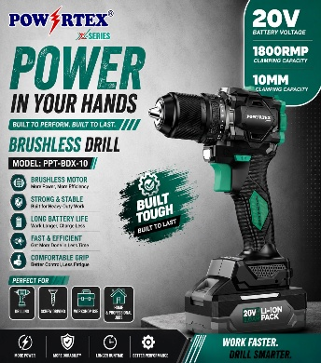 | PPT-BDX-10-2 Brushless Drill | Power Tools | Brushless Drill | 6,500 | 20.891 | 6,500 | 20.891 | — | Site lists as "PPT-BDX-10-2" (no "CL-" segment)
3 | PPT-CL-BIDX-13 | 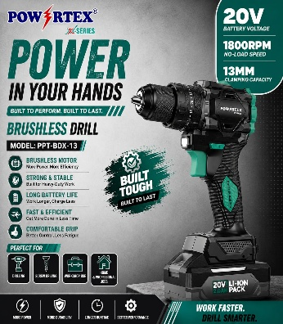 | PPT-BIDX-13-2 Brushless Impact Drill | Power Tools | Brushless Drill | 6,900 | 22.177 | 6,900 | 22.177 | — | Site lists as "PPT-BIDX-13-2" (no "CL-" segment)
4 | PPT-CL-BAGX-115 | 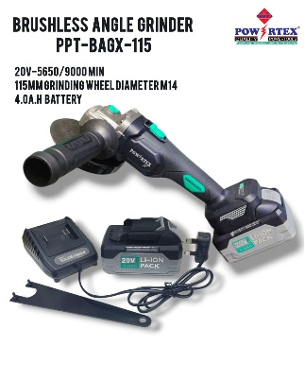 | — | — | — | — | — | — | — | — | NOT FOUND on website (you already have a photo for this item in column C)
5 | PPT-CL-BIWX-400 | 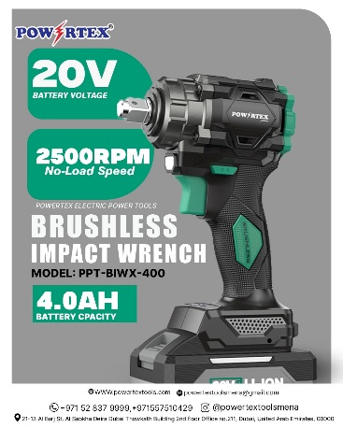 | PPT-BIWX-400-2 Brushless Impact Wrench | Power Tools | Brushless Impact Drill | 8,500 | 27.319 | 8,500 | 27.319 | — | Site lists as "PPT-BIWX-400-2" (no "CL-" segment)
6 | PPT-CL-EW-500-40 | 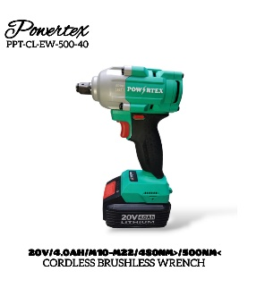 | PPT-CL-EW-500-40 | Power Tools | Cordless | 14,500 | 46.603 | 14,500 | 46.603 | — | Exact match
7 | PPT-CL-EW-700-40 | 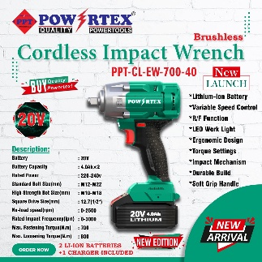 | PPT-CL-EW-700-40 | Power Tools | Cordless | 19,200 | 61.709 | 19,200 | 61.709 | — | Exact match
8 | PPT-CL-EW-1600-40 | 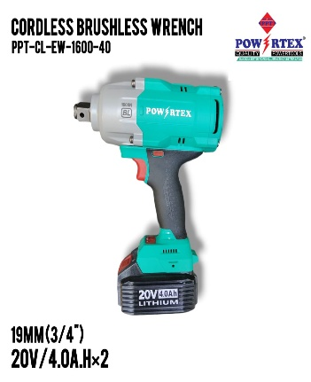 | — | — | — | — | — | — | — | — | NOT FOUND (site only has 60L variant: PPT-CL-EW-1600-60L) (you already have a photo for this item in column C)
9 | PPT-CL-ID-140 | 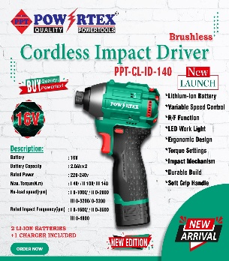 | PPT-CL-ID-140 | Power Tools | Cordless | 8,200 | 26.355 | 8,200 | 26.355 | Battery: 16V/2.0Ah; No Load Speed: 0-1000Rpm; Rated Impact: 4000IMP; Torque: 140N.M | Exact match
10 | PPT-CL-CD-10-BL | 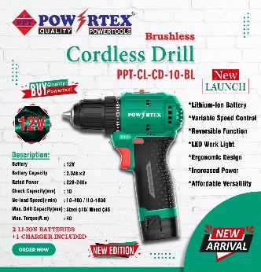 | PPT-CL-CD-10-BL | Power Tools | Cordless | 5,500 | 17.677 | 5,500 | 17.677 | — | Exact match
11 | PPT-CL-CD-10-HQ-BL | 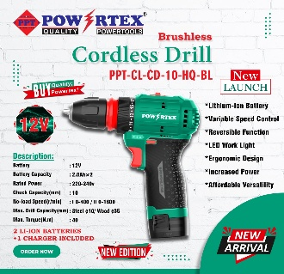 | PPT-CL-CD-10-HQ | Power Tools | Cordless | 6,600 | 21.212 | 6,600 | 21.212 | Voltage: 12V; Low Speed: 0-400; High Speed: 0-1600; Max Torque: 40Nm; Batter Capacity: 2000mAh; Type: Li-ion | Site lists as "PPT-CL-CD-10-HQ" (no "BL" suffix)
12 | PPT-CL-ED-13-BL | 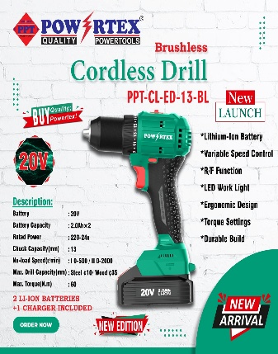 | PPT-CL-ED-13-BL | Power Tools | Cordless | 9,700 | 31.176 | 9,700 | 31.176 | Battery: 20V/4.0Ah; No Load Speed: 0-2000Rpm; Chuck Capacity: 13mm; Torque: 60N.M | Exact match
13 | PPT-GID-13A | 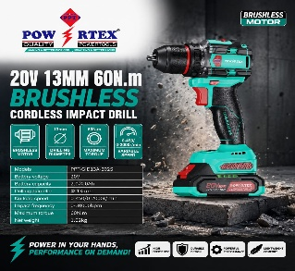 | — | — | — | — | — | — | — | — | NOT FOUND on website (you already have a photo for this item in column C)
 | PPT-GID13B | 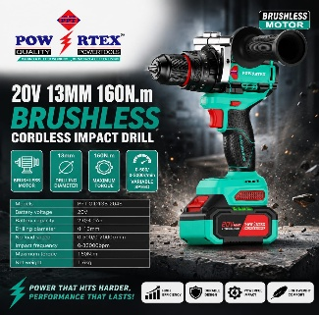 | — | — | — | — | — | — | — | — | NOT FOUND on website (you already have a photo for this item in column C)
13 | PPT-AG-100-C | 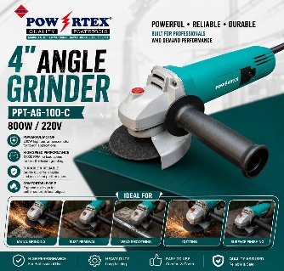 | PPT-AG-100-C Angle Grinder | Power Tools | Angle Grinder | 3,050 | 9.803 | 3,050 | 9.803 | Weight: 2.1 Kg; No Load Speed(RPM): 11000; Rated Power Input(W): 800; Max Wheel Dia(MM): 100; Hole Diameter of Wheel(MM): 16; PCS/CTN: 8 | Exact match
14 | PPT-AG-115-950 | 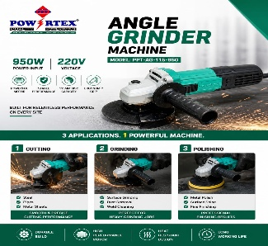 | — | — | — | — | — | — | — | — | NOT FOUND (only "PPT-AG-115 Carbon Brush" spare part exists) (you already have a photo for this item in column C)
15 | PPT-AG-115-G | 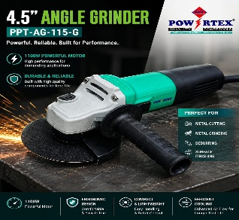 | — | — | — | — | — | — | — | — | NOT FOUND (only "PPT-AG-115 Carbon Brush" spare part exists) (you already have a photo for this item in column C)
16 | PPT-AG-230-G | 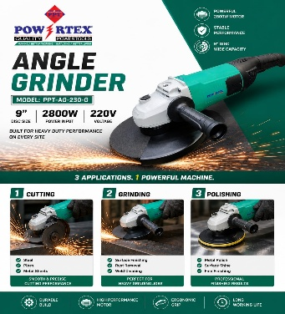 | PPT-AG-230-G Angle Grinder | Power Tools | Angle Grinder | 6,000 | 19.284 | 6,000 | 19.284 | — | Exact match
17 | PPT-DH-38-G | 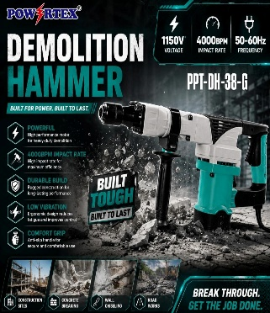 | PPT-DH-38-G Demolition Hammer | Power Tools | Demolition Hammer | 8,400 | 26.998 | 8,400 | 26.998 | Rated Input Power (W): 1150; Impact Rate (BPM): 4000; Impact Joules(J): 20; PCS/CTN: 3 | Exact match
18 | PPT-DH-11-G | 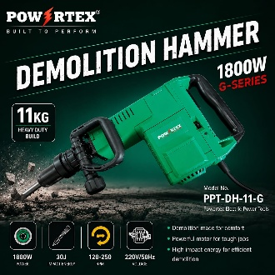 | PPT-DH-11-G Demolition Hammer | Power Tools | Demolition Hammer | 21,000 | 67.494 | 21,000 | 67.494 | — | Exact match
19 | PPT-DH-65-G | 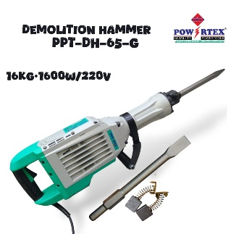 | PPT-DH-65-G Demolition Hammer | Power Tools | Demolition Hammer | 20,500 | 65.887 | 20,500 | 65.887 | — | Exact match
20 | PPT-CM-110-G | 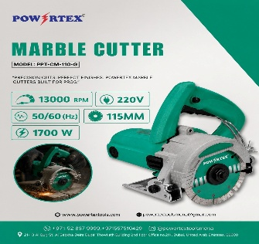 | PPT-CM-110-G Marble Cutter | Power Tools | Marble Cutter | 5,000 | 16.070 | 5,000 | 16.070 | — | Exact match
21 | PPT-CM-180-G | 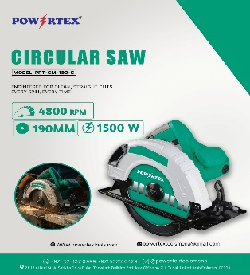 | PPT-CM-180-G Circular Saw | Power Tools | Circular Saw | 6,400 | 20.570 | 6,400 | 20.570 | — | Exact match
22 | PPT-MS-255-HG | 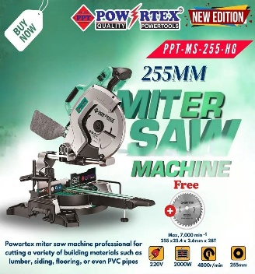 | PPT-MS-255-HG Miter Saw | Power Tools | Miter Saw | 29,500 | 94.813 | 29,500 | 94.813 | — | Exact match
23 | PPT-TS-216 | 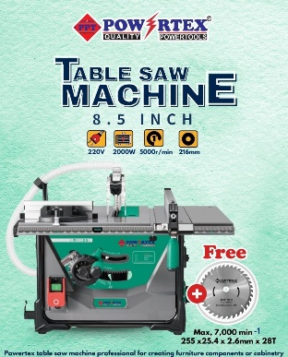 | PPT-TS-216 Table ChainSaw | Power Tools | Table Saw | 31,000 | 99.634 | 31,000 | 99.634 | — | Exact match
24 | PPT-TSS-255 | 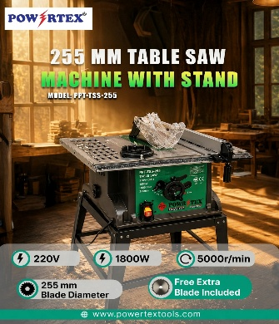 | — | — | — | — | — | — | — | — | NOT FOUND on website (you already have a photo for this item in column C)
25 | PPT-TM-6-650 | 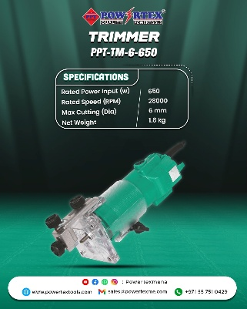 | PPT-TM-6 Trimmer | Power Tools | Trimmer | 3,500 | 11.249 | 3,500 | 11.249 | — | Site lists as "PPT-TM-6" (no "-650" suffix)
26 | PPT-RM-8-H | 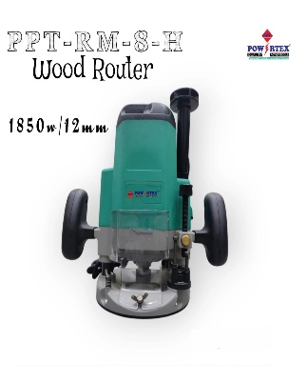 | PPT-RM-8-X Router Machine | Power Tools | Router Machine | 6,500 | 20.891 | 6,500 | 20.891 | — | Site lists as "PPT-RM-8-X Router Machine" (no "-H" suffix)
27 | PPT-WC-002 | 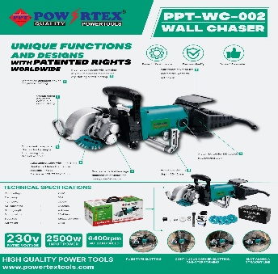 | PPT-WC-002 Wall Chaser | Power Tools | Wall Chaser | 18,000 | 57.852 | 18,000 | 57.852 | Weight: 4.4 Kg; Rated Power Input(W): 2500; No Load Speed(RPM): 6400; Grooving Depth(MM): 20-42; Grooving Width(MM): 4-45MM; Blade Dia(MM): 129 | Exact match
28 | PPT-OS-110 | 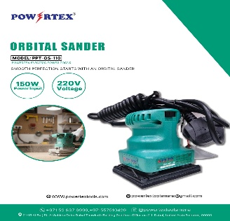 | PPT-OS-110 Orbital Sander | Power Tools | Orbital Sander | 3,000 | 9.642 | 3,000 | 9.642 | Weight: 1.3 Kg; Rated Power Input(W): 150; Orbits Frequency(RPM): 12000; Pad Size(MM): 100x110; PCS/CTN: 16 | Exact match
29 | PPT-OS-114 | 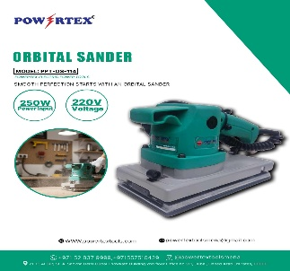 | PPT-OS-114 Orbital Sander | Power Tools | Orbital Sander | 6,400 | 20.570 | 6,400 | 20.570 | Weight: 2.9 Kg; Rated Power Input(W): 520; Orbits Frequency(RPM): 10000; Pad Size(MM): 114x234; PCS/CTN: 8 | Exact match
30 | PPT-SP-180-C | 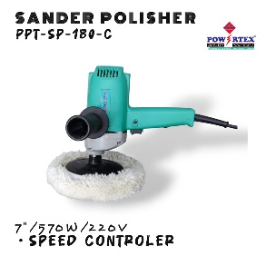 | — | — | — | — | — | — | — | — | NOT FOUND (only base "PPT-SP-180" exists, no "-C" variant) (you already have a photo for this item in column C)
31 | PPT-SP-180 | 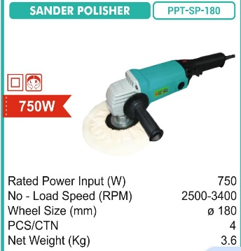 | PPT-SP-180 Sander Polisher | Power Tools | Sander Polisher | 8,000 | 25.712 | 8,000 | 25.712 | Weight: 3.6 Kg; Rated Power Input(W): 750; No Load Speed(RPM): 2500-3400; Wheel Size(MM): 180; PCS/CTN: 4 | Exact match
32 | PPT-GG-13000-EWD | 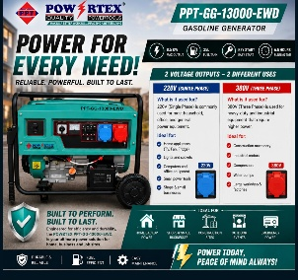 | PPT-GG-13000-EWD-Generator | Generator | Generator | 150,000 | 482.100 | 150,000 | 482.100 | — | Exact match
33 | PPT-VC-30-H | 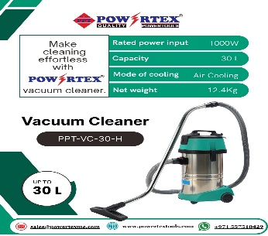 | PPT-VC-30L-New Vacuum Cleaner | Power Tools | Vacuum Cleaner | 14,200 | 45.639 | 14,200 | 45.639 | — | Exact match
34 | PPT-VC-60-H | 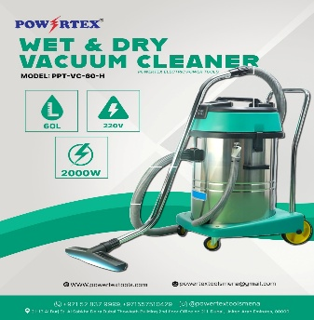 | PPT-VC-60L-New Vacuum Cleaner | Power Tools | Vacuum Cleaner | 25,500 | 81.957 | 25,500 | 81.957 | — | Exact match
35 | PPT-CC-30 | 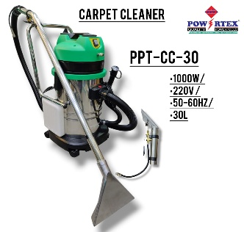 | PPT-CC-30 Carpet Cleaner | Power Tools | Cordless | 32,000 | 102.848 | 32,000 | 102.848 | — | Exact match (Carpet Cleaner)
36 | PPT-CO-355-G | 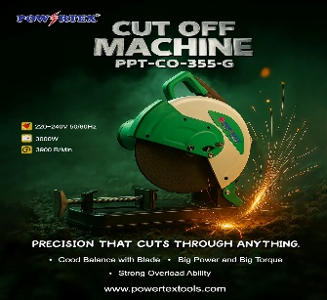 | PPT-CO-355-G Cut off Machine | Power Tools | Cut Off Machine | 15,000 | 48.210 | 15,000 | 48.210 | — | Exact match
37 | PPT-CW-300 | 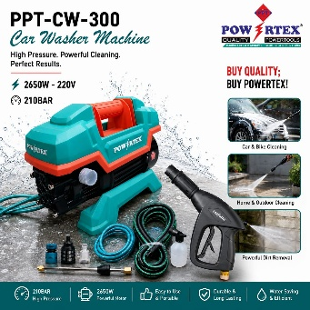 | PPT-CW-300 Car Washer | Power Tools | Car Washer | 14,800 | 47.567 | 14,800 | 47.567 | Rated Input Power (W): 2650; Working Pressure: 2850; Flow: 880L/h; Bar: 180; PCS/CTN: 2 | Exact match
38 | PPT-EW-20 | 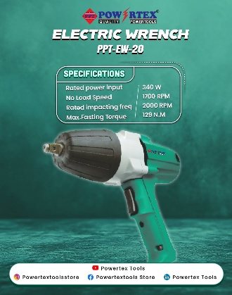 | PPT-EW-20 Electric Wrench | Power Tools | Electric Wrench | 8,000 | 25.712 | 8,000 | 25.712 | Weight: 3.2 Kg; Rated Power Input(W): 340; No Load Speed(RPM): 1700; Rated Impacting Freq(RPM): 2000; Capacities(Bolt Size)(MM): M 12-M 20; Square Drive(MM): 12.7x12.7; Max Fastening Torque(N.m): 294; PCS/CTN: 4 | Exact match
39 | PPT-DG-25 | 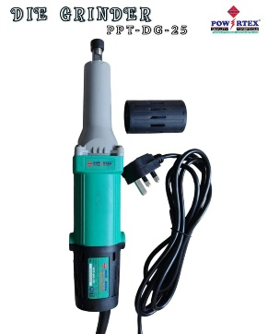 | PPT-DG-25 Die Grinder | Power Tools | Die Grinder | 3,800 | 12.213 | 3,800 | 12.213 | Weight: 1.8 Kg; Rated Power Input(W): 400; No Load Speed(RPM): 27000; Collect Chuck Dia: 6; Max Grinding Wheel Dia(MM): 25; PCS/CTN: 8 | Exact match
40 | PPT-ED-6-H | 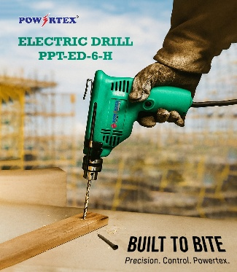 | PPT-ED-6-H Electric Drill | Power Tools | Electric Drill | 2,650 | 8.517 | 2,650 | 8.517 | Weight: 1.5 Kg; Rated Power Input(W): 230; No Load Speed(RPM): 0-4500; Max Drilling Capacity Steel(MM): 6.5; Max Drilling Capacity Wood(MM): 9; PCS/CTN: 10 | Exact match
41 | PPT-ED-10-H | 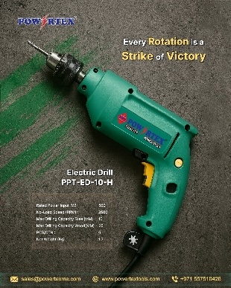 | PPT-ED-10-H Electric Drill | Power Tools | Electric Drill | 3,500 | 11.249 | 3,500 | 11.249 | Weight: 1.7 Kg; Rated Power Input(W): 500; No Load Speed(RPM): 2600; Max Drilling Capacity Steel(MM): 10; Max Drilling Capacity Wood(MM): 25; PCS/CTN: 6 | Exact match
42 | PPT-HG-002 | 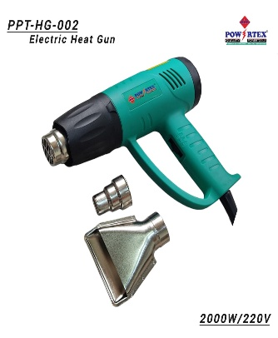 | — | — | — | — | — | — | — | — | NOT FOUND on website (you already have a photo for this item in column C)
43 | PPT-EB-002 | 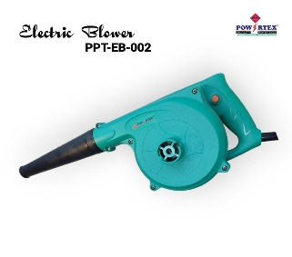 | PPT-EB-002 Blower | Power Tools | Blower | 4,200 | 13.499 | 4,200 | 13.499 | Weight: 1.8 Kg; Rated Power Input(W): 480; No Load Speed(RPM): 16000; Max Gas Vol(MM): 2.5; PCS/CTN: 6 | Exact match
44 | PPT-RH-26-E | 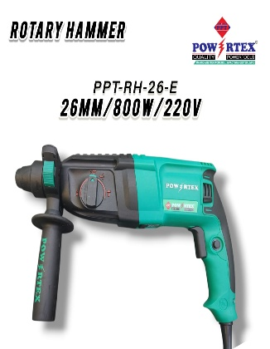 | PPT-RH-26-Eco Rotary Hammer | Power Tools | Rotary Hammer | 4,700 | 15.106 | 4,700 | 15.106 | Weight: 3.26 Kg; Rated Power Input(W): 800; No Load Speed(RPM): 0-900; Max Drilling Dia(MM): 26; Max Impact Rate: 0-4000; PCS/CTN: 3 | Site lists as "PPT-RH-26-Eco" ("-E" = Eco variant)
45 | PPT-DD-300-G | 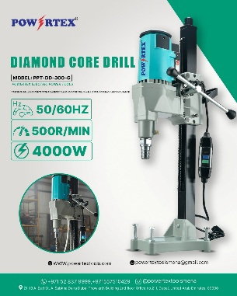 | PPT DD-300-G Core Drill Machine | Power Tools | Core Drill Machine | 35,000 | 112.490 | 35,000 | 112.490 | — | Exact match

