Sales Summary
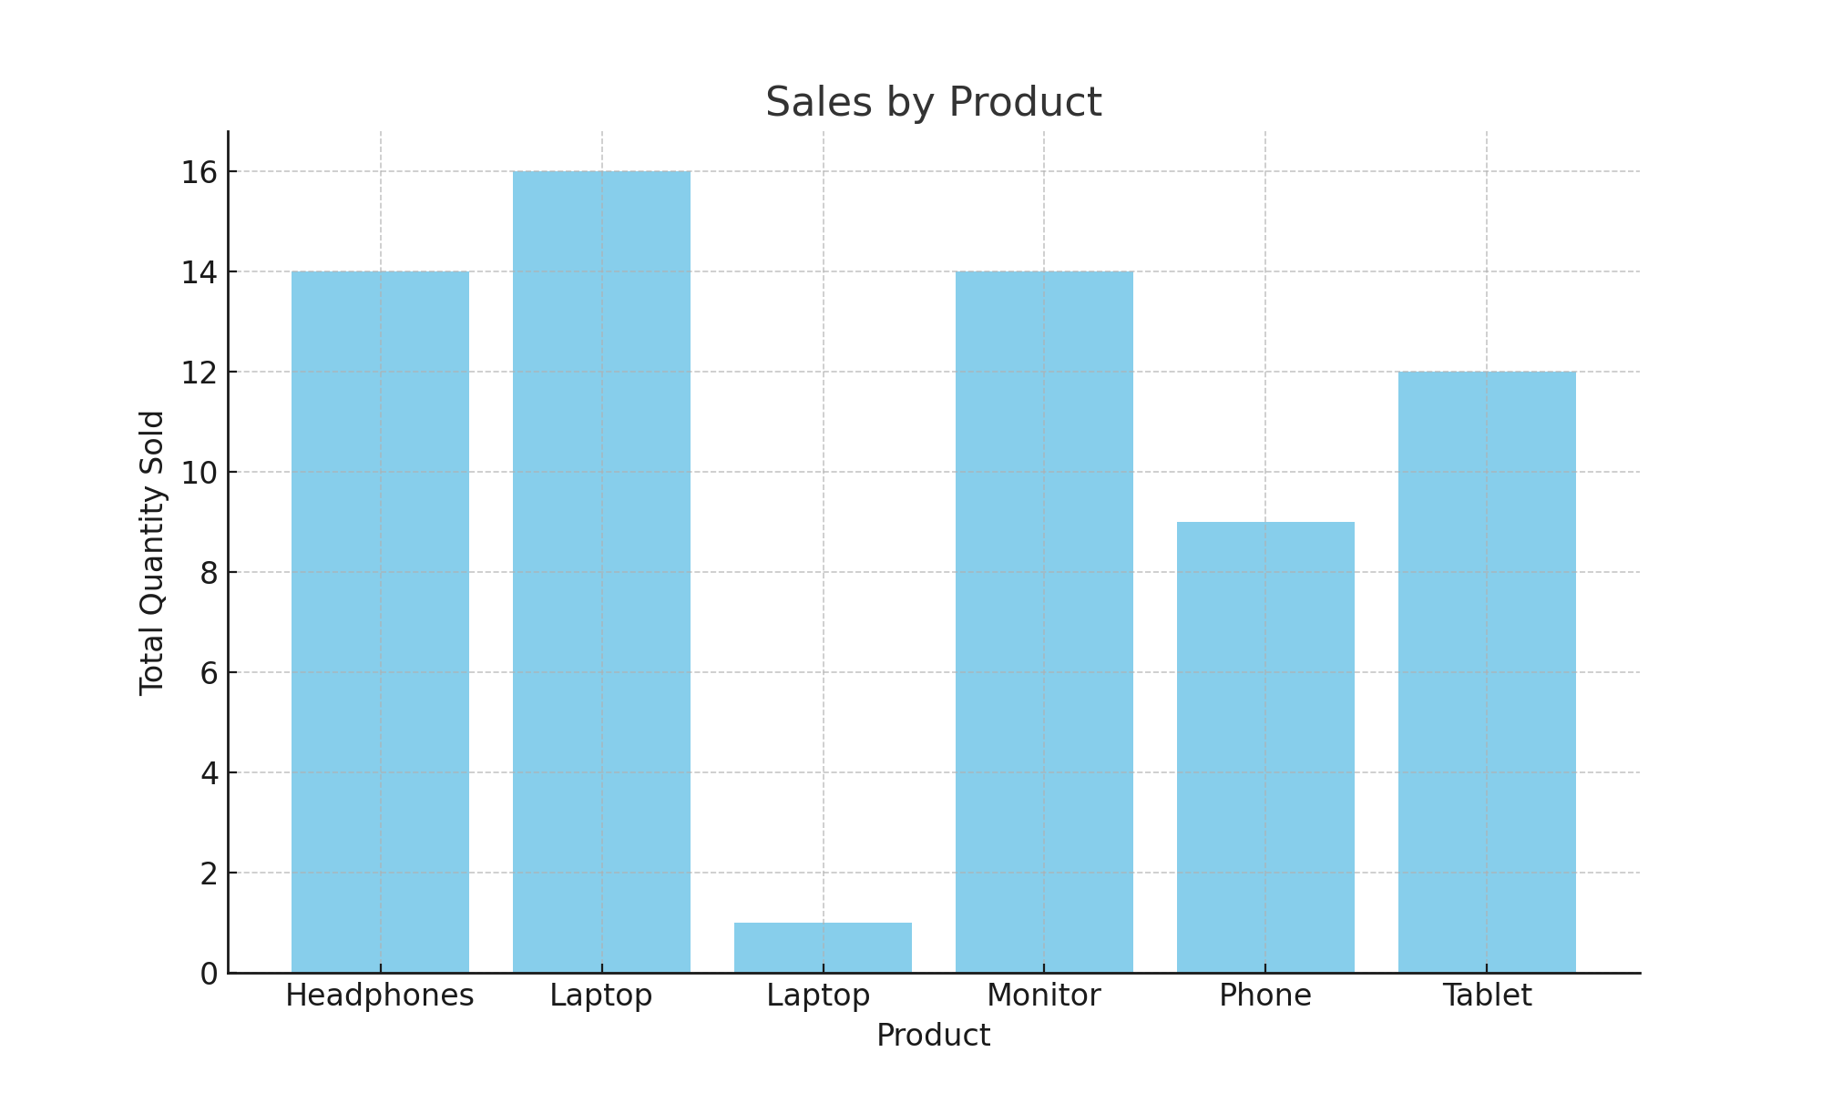
Product | Quantity_num
Headphones | 14
Laptop | 16
Laptop | 1
Monitor | 14
Phone | 9
Tablet | 12

