Multi_Query
What is multi query | multi-query approach in query translation refers to the process of translating a user's initial query into multiple sub-queries or alternative queries to improve the breadth and relevance of information retrieval. This method can enhance the diversity and coverage of documents retrieved from a knowledge base or a search index
 | 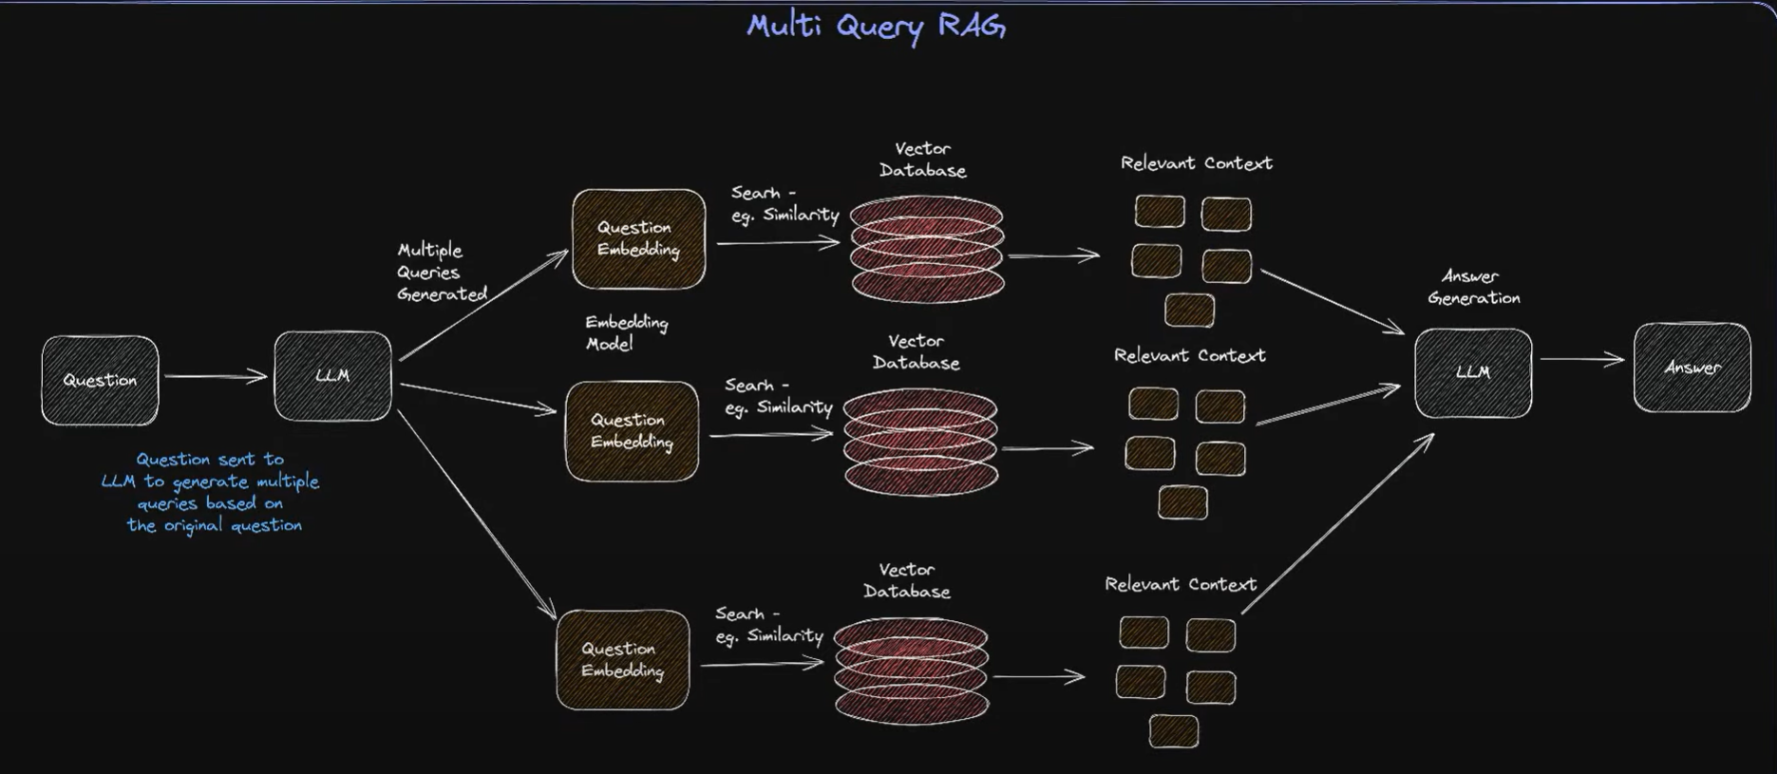
 | 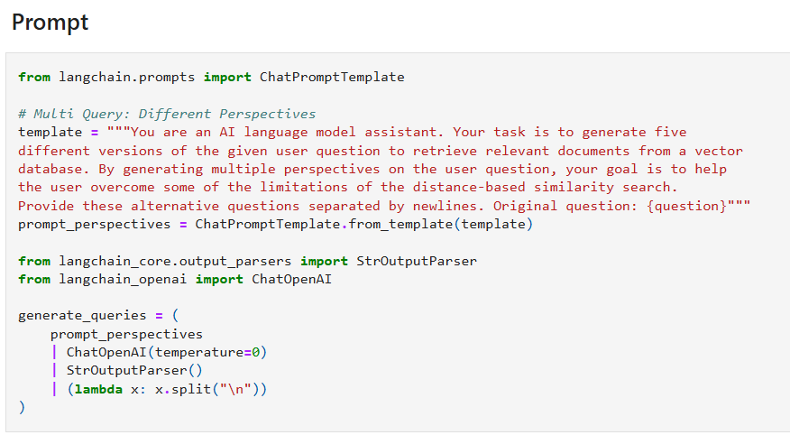
Github link | https://github.com/NisaarAgharia/Advanced_RAG/blob/main/02_Query_Transformations.ipynb

Reciprocal Rank Fusion
Reciprocal Rank Fusion (RRF) | Reciprocal Rank Fusion (RRF) is a method used in information retrieval (IR) to combine multiple ranked lists from different retrieval models. It’s a simple and effective way to merge multiple rankings, especially when different models bring different perspectives or strengths to ranking documents or answers.
 | 