RAG_Defintion
What is RAG ? | RAG (Retrieval-Augmented Generation) is an AI framework , its process of optimizing the output of a large language model,retrieves relevant information from external sources and uses it to generate more accurate and informed responses. RAG extends the already powerful capabilities of LLMs to specific domains or an organization's internal knowledge base, all without the need to retrain the model
Explain RAG each words | Retrieval: Retriving relevenat context from vector DB Augmented: Reranking is example for Augmented, its enriching retrived data Geneeration: llm receives both context and user query and generetaes final response
RAG Architecture | 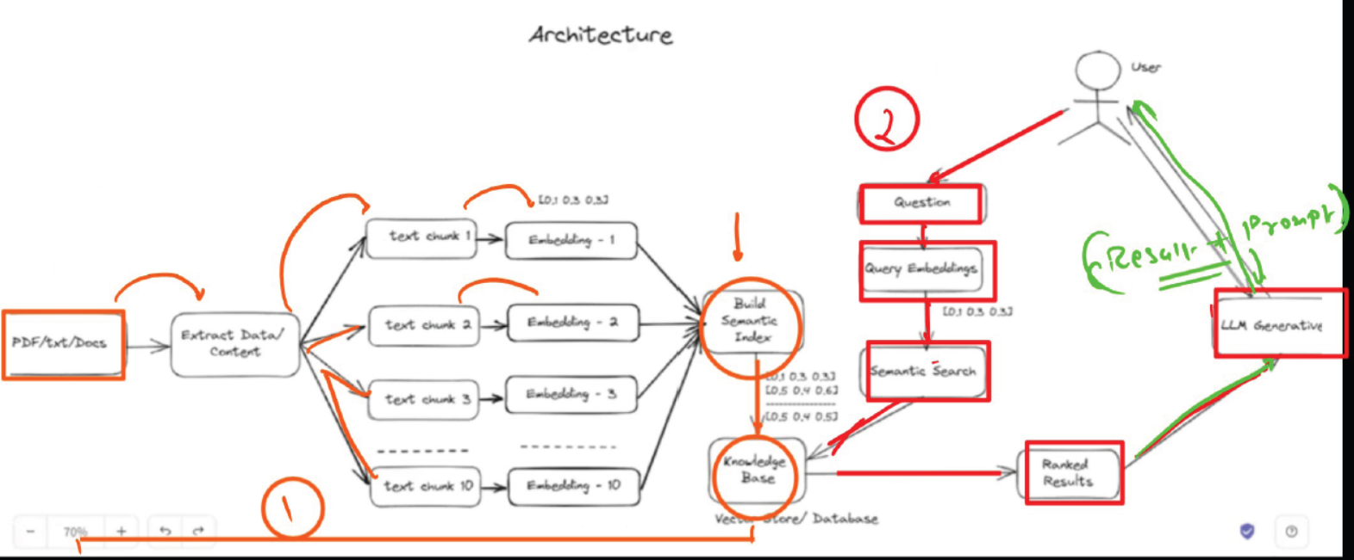
RAG Architecture contains 3 stages | 1. Ingestion 2. Retriver 3. Generation
RAG Pipeline | 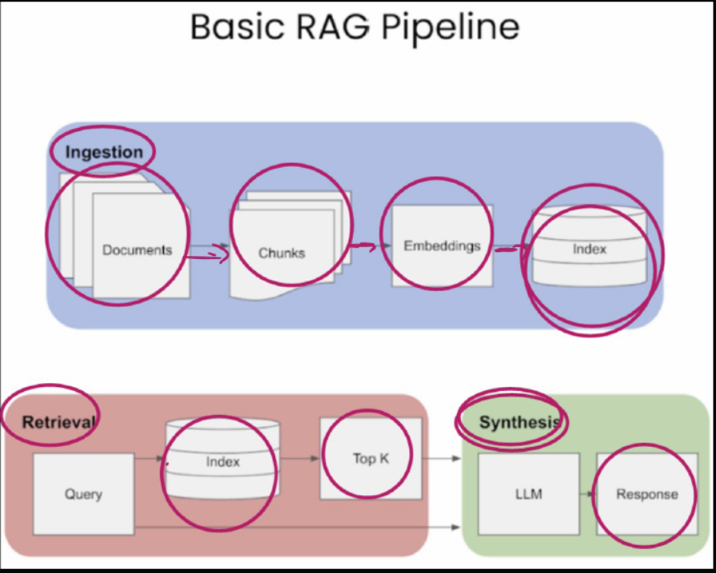

Embedding
What is embeddings? | Embedding refers to transforming text into a dense numerical vector, capturing semantic meaning, so that similar concepts are closer in vector space. This makes it easier to retrieve and rank relevant documents based on semantic similarity, rather than just keyword matching
Embedding Architechture | 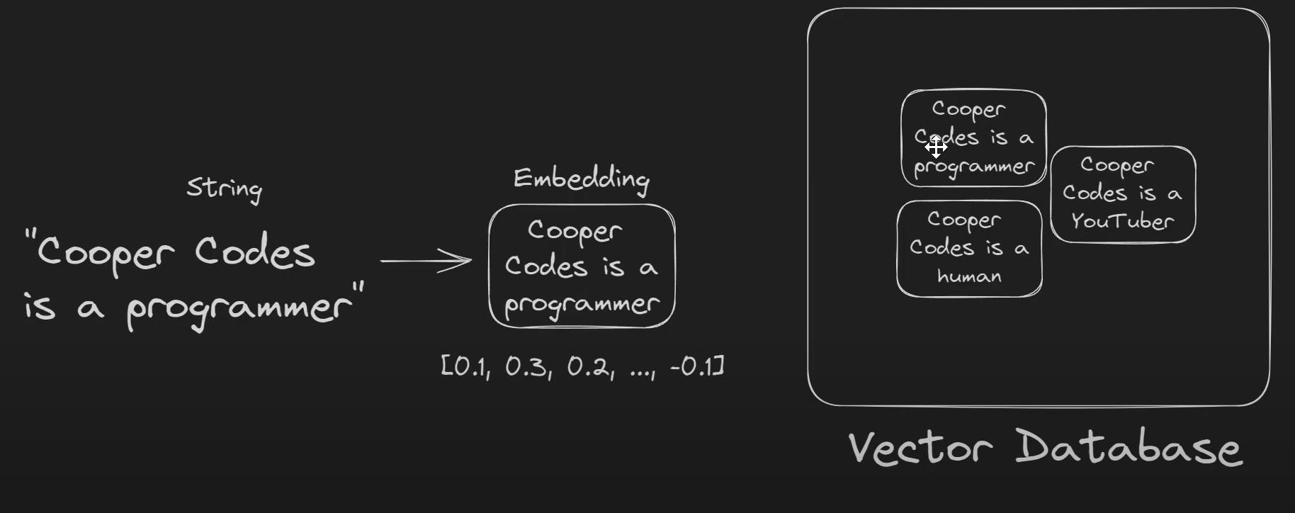
 | 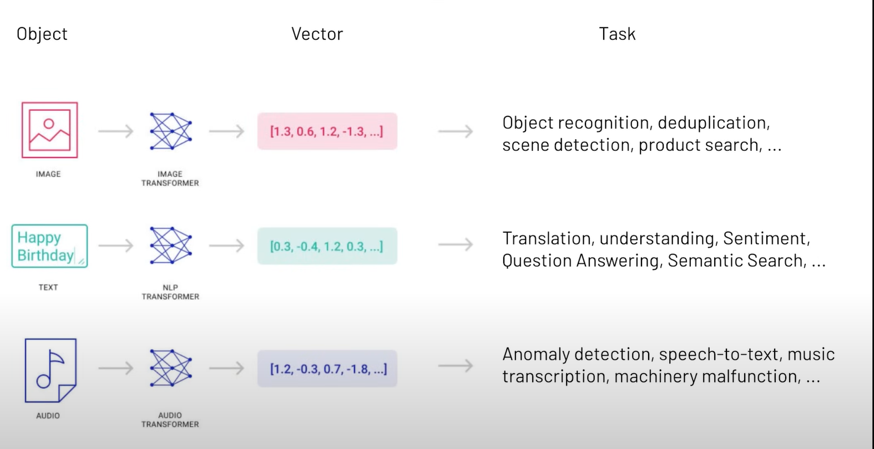
OpenAIEmbeddings | 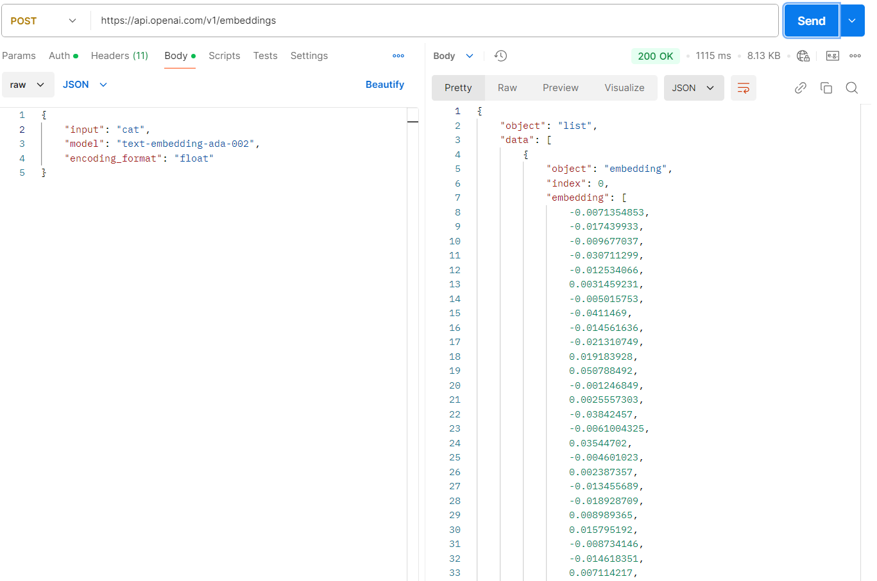
 | 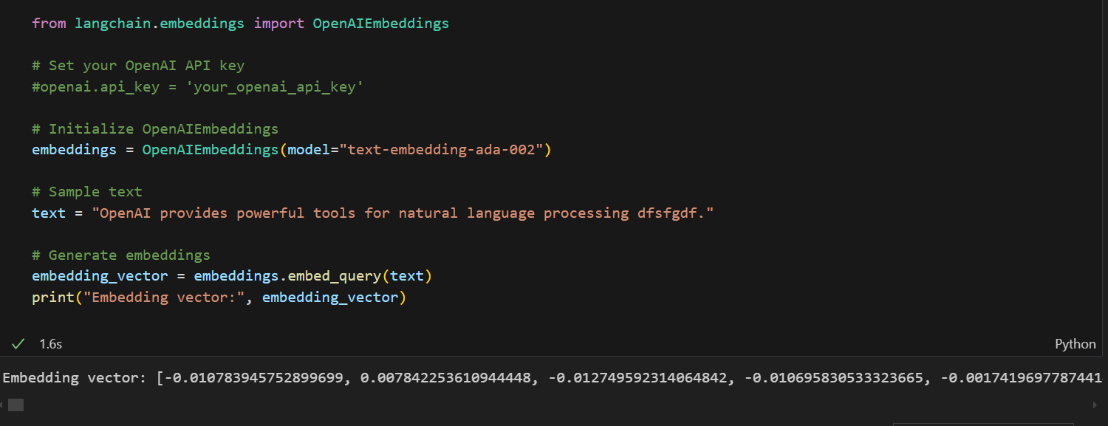

cosine_similarity
cosine similarity | Cosine similarity measures how similar two items are by comparing the direction of their vectors, ignoring magnitude. If you imagine each item (like Apple, Orange, Tiger, and Lion) as a point in space with vectors pointing toward them, then similar items will have vectors pointing in more similar directions. For example: Apple and Orange: The angle between them is smaller because they are both fruits, indicating higher similarity. Tiger and Lion: Their angle is also small, as they are both animals. Fruit vs. Animal: The angle between fruits and animals is larger, showing less similarity.
 | 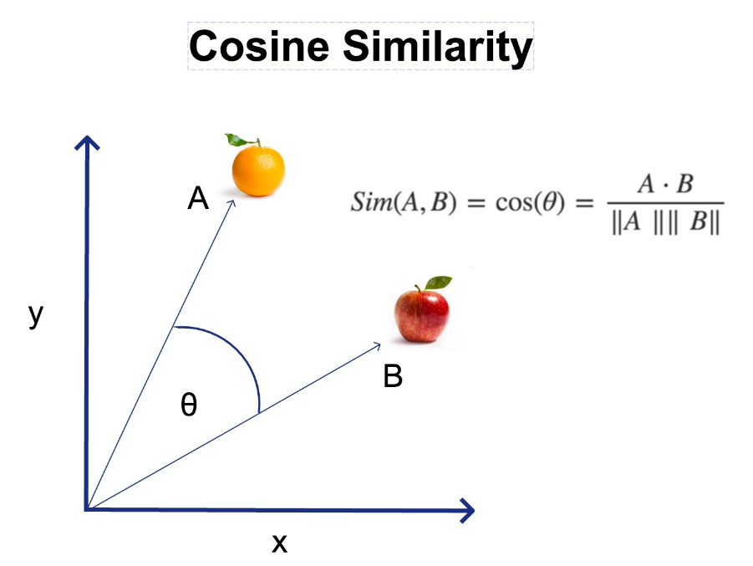
Cosine distance | Cosine distance=1- cosine similarity cosine distnace= 1-0.9=0.1 distance betwenn Apple and Oragnce distance
Cosine similiary in RAG Retriver | In a retrieval-augmented generation (RAG) system, cosine similarity helps match query vectors with document vectors. By identifying items with small angles between vectors, the system can retrieve content that is more relevant or similar to the user's query. This approach improves accuracy in providing recommendations, whether it's for products, documents, or other content.
Euclidean distance | Euclidean distance is a measure of the straight-line distance between two points in a Euclidean space
 | 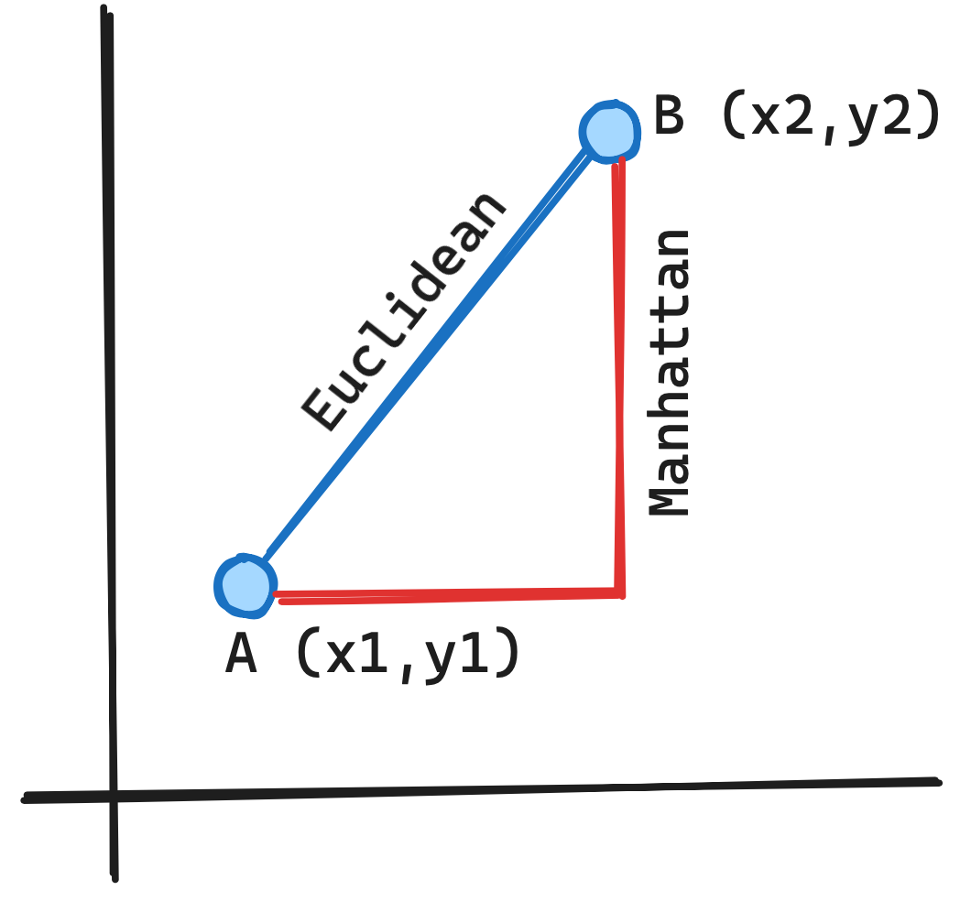

dot product

hybrid_Saerch
Hybrid Search | https://www.youtube.com/watch?v=CK0ExcCWDP4
What is Hybrid Saerch | hybrid search is a method for retrieving information by combining multiple types of search techniques, typically dense (or vector-based) and sparse (or keyword-based) searches. This approach is used to enhance the relevance and accuracy of information retrieved for the LLM, leading to more effective responses
 | 1. Its uses pinecone vector db where hybrid vector storing supports. 2. Its uses openai embeddings for dense vector 3. BM25 for sparse vectors
 | 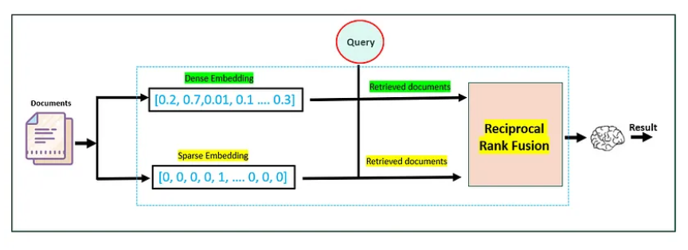
 | 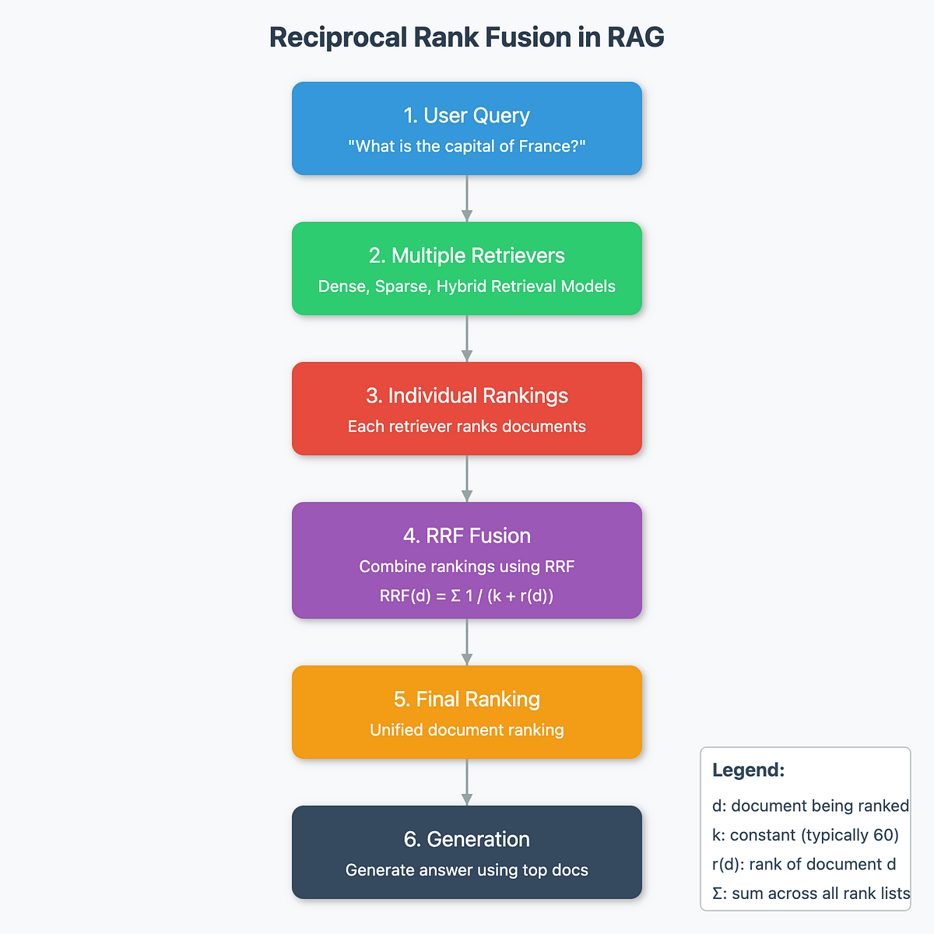

Hybrid saerch code | https://colab.research.google.com/drive/11Hw_Z2CuL6VsqIUpAnBUp1RPhQpZu7-m?usp=sharing#scrollTo=nMucCA4z9VAn

