Task Metrics
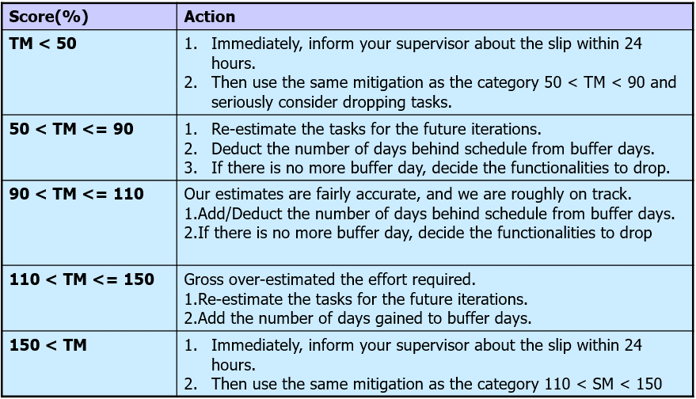
IS203 G1-T3 Task Metrics
Iteration | Updated On | # Estimated Tasks | # Actual Tasks Done | Score | Action Done
1 | 12-Sep-17 | 10 | 12 | 120% | Our group's progress was relatively well done, our group deicded that we could increase the number of tasks in the next iteration.
2 | 26-Sep-17 | 18 | 15 | 83% | As some of these tasks were still undone from iteration 2, we had moved these spillover tasks to the next iteration. We also rearranged some of the functionalities that we wanted to carry out in iteration 3 to iteration 5 instead.
3 | 10-Oct-17 | 24 | 22 | 92% | Our estimates are fairly accurate, the team are roughly on track. There are a few unplanned tasks that were created along the way, hence spilling over some tasks to the next iteration. Buffer days are sufficient
4 | 24-Oct-17 | 31 | 32 | 103% | Our estimates are fairly accurate, the team are roughly on track. There was just one unplanned task. No spillovers.
5 | 7-Nov-17 | 29 | 29 | 100% | Our estimates are fairly accurate, the team are roughly on track. There was just one unplanned task. No spillovers.
6 | 21-Nov-17 | 12 | 12 | 100% | Our estimates are fairly accurate, the team are roughly on track. There was just one unplanned task. No spillovers.
7 | 22-Nov-17 |  |  | #DIV/0!

