DATA SHEET
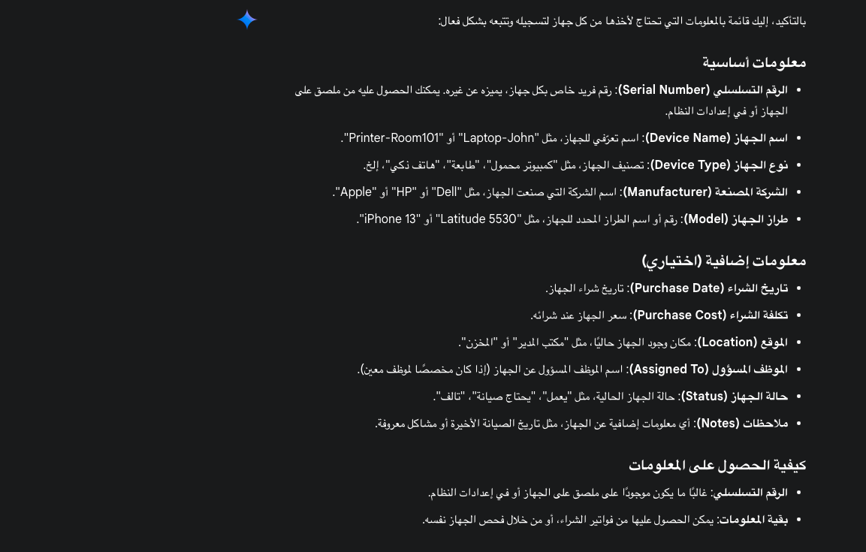

Device Name | Serial Number | Device Type | Manufacturer | Model | Purchase Date | Purchase Cost | Location | Assigned To | Status
 |  |  | DELL |  |  |  | meeting room | Mohammad Asfal | Damaged
 |  | all-in-ones | Microsoft |  |  |  | manager office | Mohammad Darwish | Lost
 |  | Monitor | LENOVO |  |  |  | reception | Nayef Nuhad | Needs Maintenance
 |  | Mouse | IDP |  |  |  | gentelman room | Rawan Aboshahadah | Needs Repair
 |  | powerfull PC | BEN Q |  |  |  | ladies room | Aladdin Alamoudi | Operational
 |  | Keyboard | TP-LINK |  |  |  | front door | Shrooq Alamoudi | Retired
 |  | Speakers | Dahua |  |  |  |  | Dunya Mobarki | Stolen
 |  | laptop | LG |  |  |  |  | all | Stored
 |  | camera recorder | MSI
 |  | Printer | unknown
 |  | Scanner | HP
 |  | Camera | HISENSE
 |  | Modem | ASUS
 |  | Switch

