Srednie
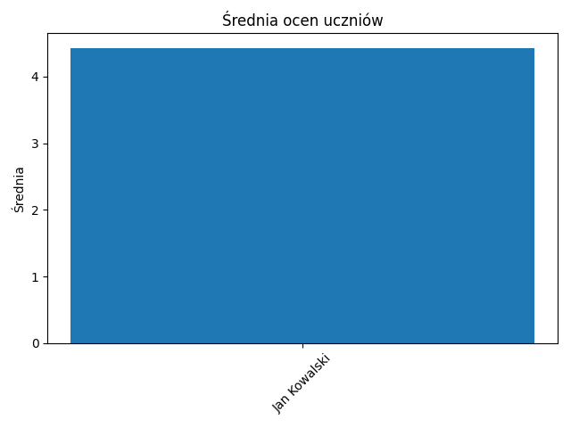

Name | Average
Jan Kowalski | 4.4285714286

Obecnosc
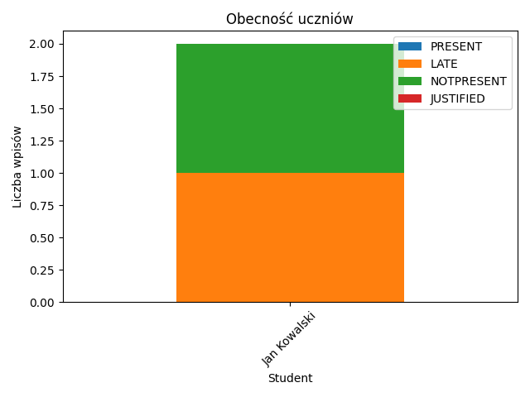

Student | PRESENT | LATE | NOTPRESENT | JUSTIFIED
Jan Kowalski | 0 | 1 | 1 | 0

Oceny_Jan_Kowalski
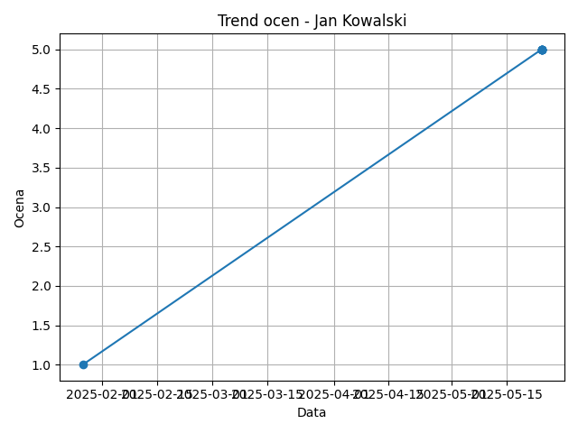

Date | Grade
2025-01-27 | 1
2025-05-24 | 5
2025-05-24 | 5
2025-05-24 | 5
2025-05-24 | 5
2025-05-24 | 5
2025-05-24 | 5

