F_Levy
Sex | No HTN or CHD | Hypertension alone | CHD & HTN | CHD alone
Men | 11% | 30% | 40% | 19%
Women | 15% | 37% | 40% | 7%

Men
Women

UCI_Dataset
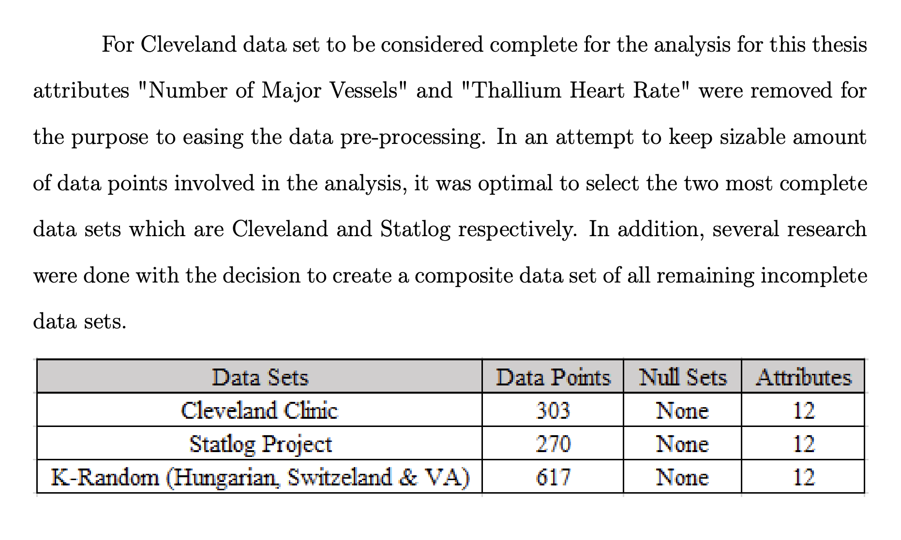

UCI Features
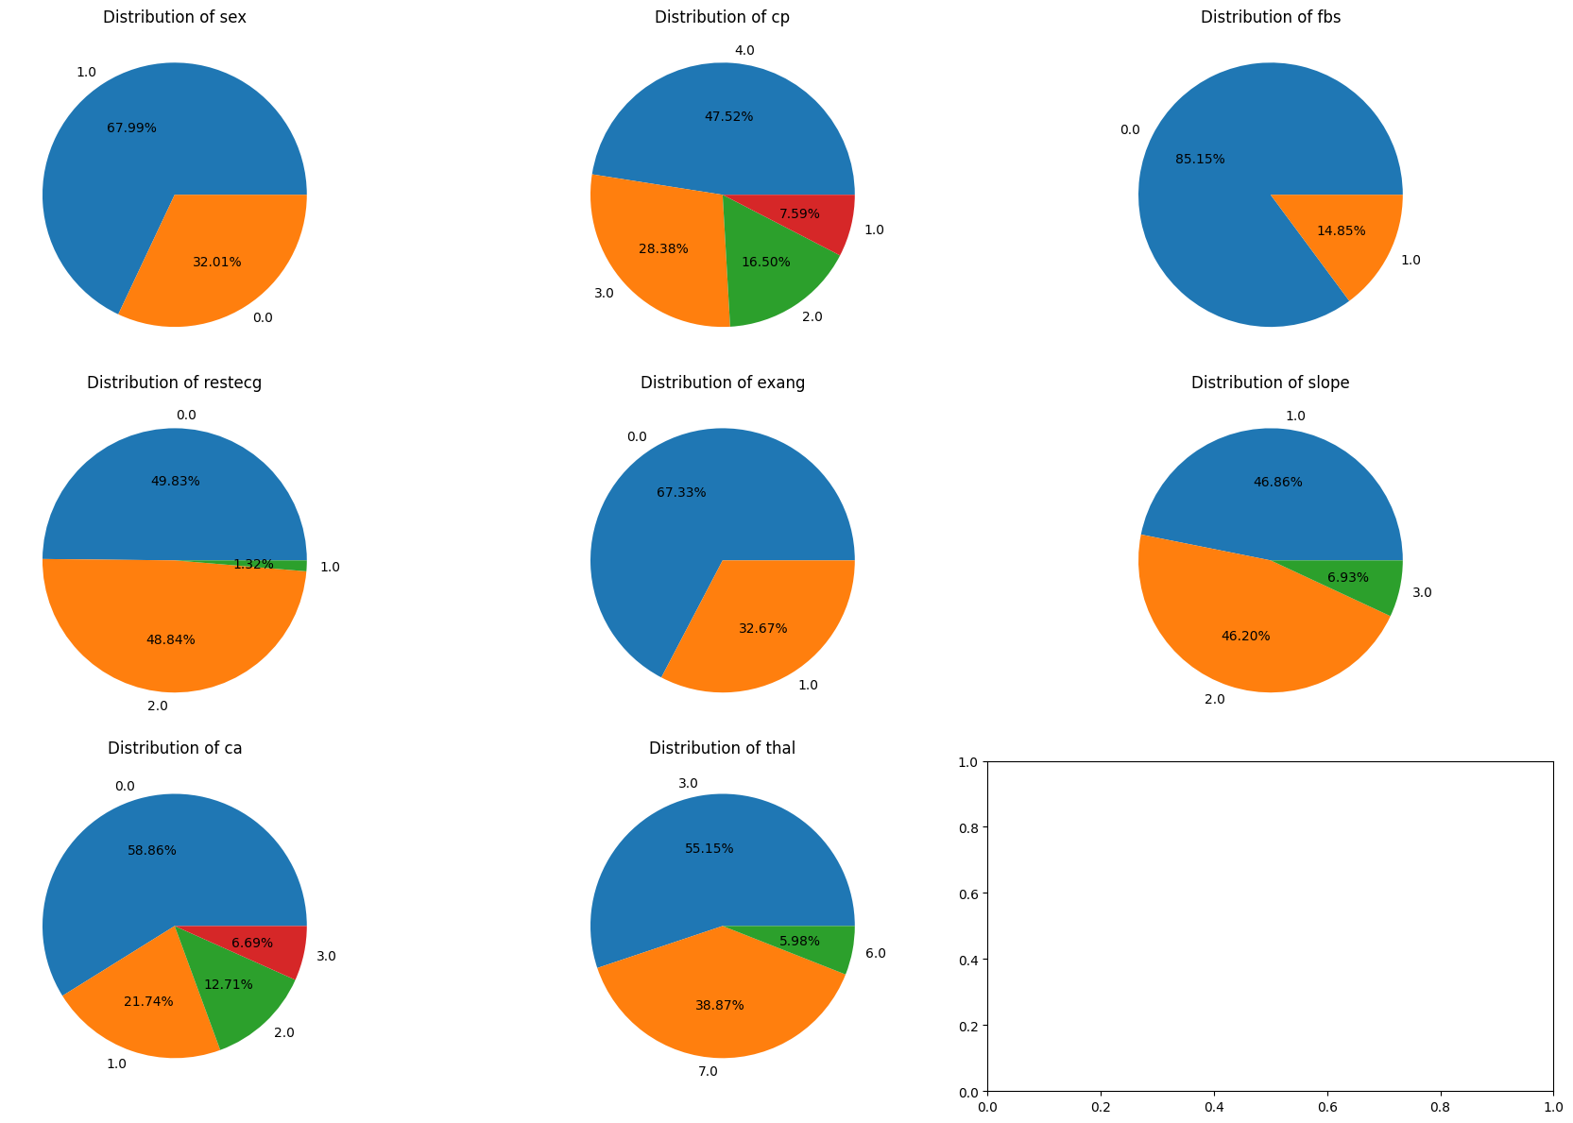
Feature# | Variable Name | Role | Type | Demographic | Description | Units | Missing Values | * raw_merged_heart_dataset.csv | <class | 'pandas.core.frame.DataFrame'> |  |  |  |  | * raw_merged_heart_dataset.csv df.describe()
1 | age | Feature | Integer | Age |  | years | no |  | RangeIndex: | 2181 | entries, | 0 | to | 2180
2 | sex | Feature | Categorical | Sex |  |  | no |  | Data | columns | (total | 14 | columns):
3 | cp | Feature | Categorical |  | Chest pain |  | no |  |  | # | Column | Non-Null | Count | Dtype
4 | trestbps | Feature | Integer |  | resting blood pressure (on admission to the hospital) | mm Hg | no |  | --- | ------ | -------------- | -----
5 | chol | Feature | Integer |  | serum cholestoral | mg/dl | no |  |  | 0 | age | 2181 | non-null | int64
6 | fbs | Feature | Categorical |  | fasting blood sugar > 120 mg/dl |  | no |  |  | 1 | sex | 2181 | non-null | int64 | index | age | sex | cp | oldpeak | target
7 | restecg | Feature | Categorical |  |  |  | no |  |  | 2 | cp | 2181 | non-null | int64 | count | 2181 | 2181 | 2181 | 2181 | 2181
8 | thalach | Feature | Integer |  | maximum heart rate achieved |  | no |  |  | 3 | trestbps | 2181 | non-null | object | mean | 53.477762494 | 0.69325997249 | 1.507565337 | 0.99050894085 | 0.49610270518
9 | exang | Feature | Categorical |  | exercise induced angina |  | no |  |  | 4 | chol | 2181 | non-null | object | std | 9.1947874015 | 0.46124627822 | 1.3715867012 | 1.1418505693 | 0.50009947313
10 | oldpeak | Feature | Integer |  |  |  | no |  |  | 5 | fbs | 2181 | non-null | object | min | 28 | 0 | 0 | 0 | 0
11 | slope | Feature | Categorical |  |  |  | no |  |  | 6 | restecg | 2181 | non-null | object | 25% | 46 | 0 | 0 | 0 | 0
12 | ca | Feature | Integer |  | number of major vessels (0-3) colored by flourosopy |  | yes |  |  | 7 | thalachh | 2181 | non-null | object | 50% | 54 | 1 | 2 | 0.6 | 0
13 | thal | Feature | Categorical |  | 0 = normal; 1 = fixed defect; 2 = reversable defect |  | yes |  |  | 8 | exang | 2181 | non-null | object | 75% | 60 | 1 | 2 | 1.6 | 1
14 | num | Target | Integer |  | diagnosis of heart disease. 0: absence; 1-4: presence |  | no |  |  | 9 | oldpeak | 2181 | non-null | float64 | max | 77 | 1 | 4 | 6.2 | 1
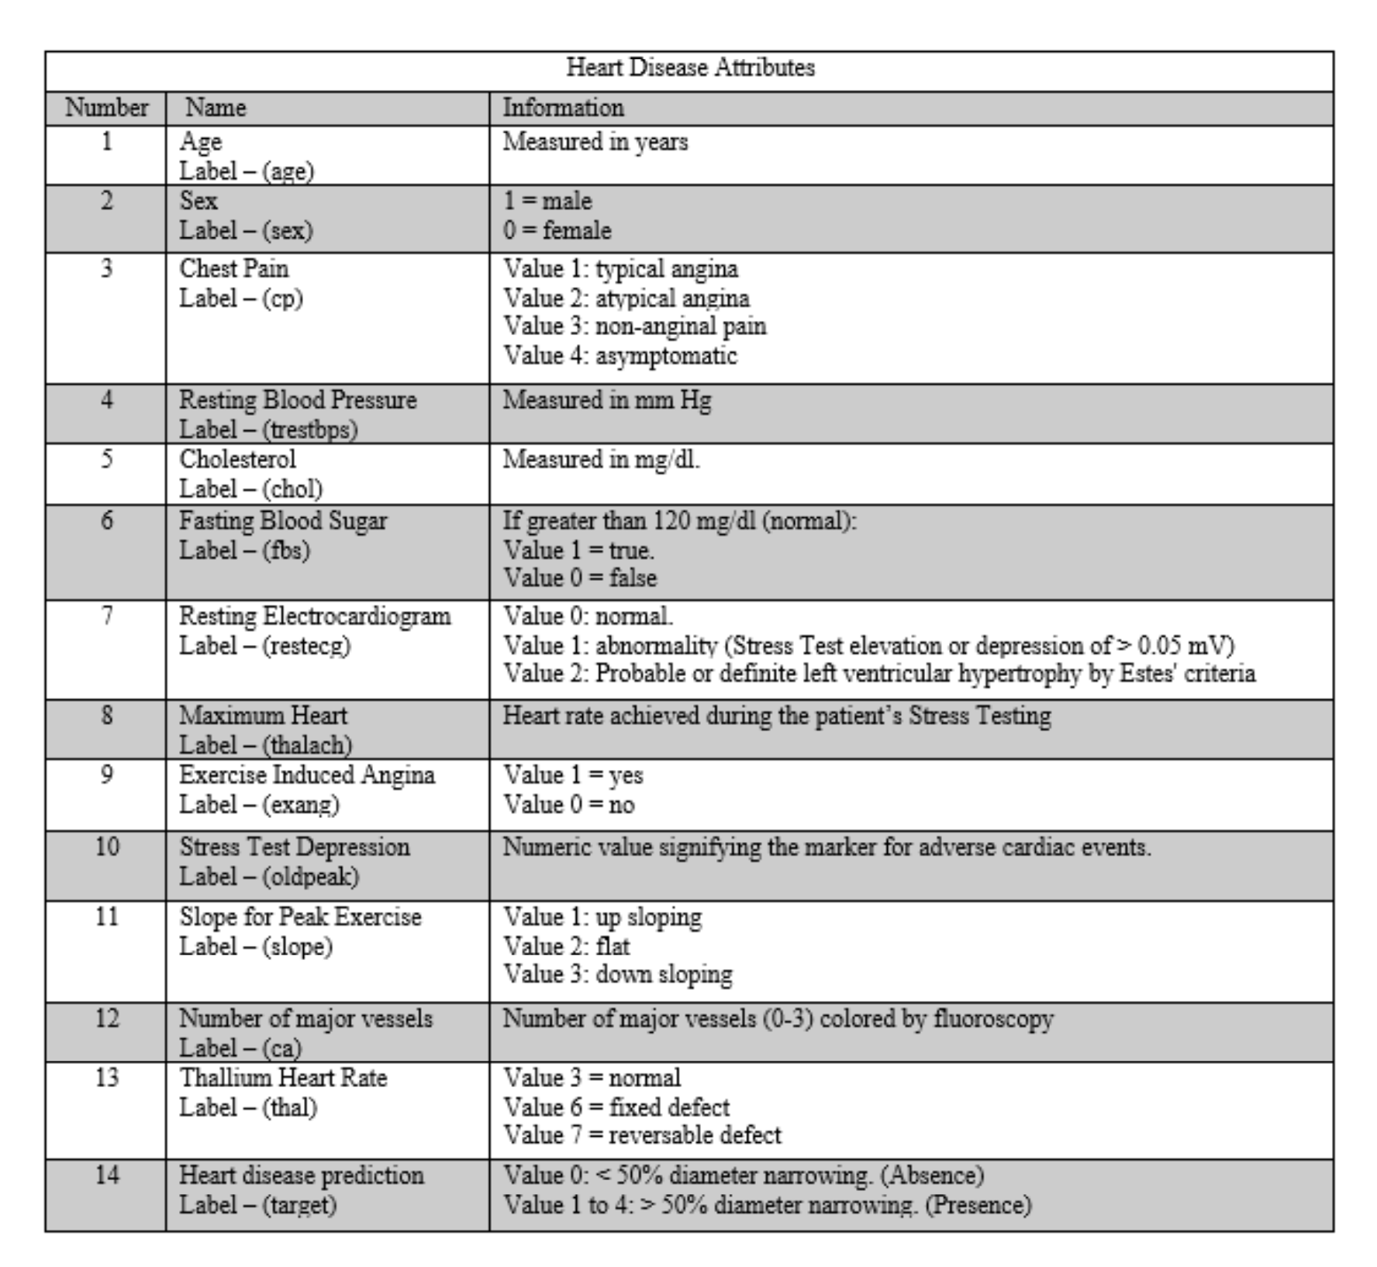
 |  |  |  |  |  |  |  |  |  | 10 | slope | 2181 | non-null | object
 |  |  |  |  |  |  |  |  |  | 11 | ca | 2181 | non-null | object
 |  |  |  |  |  |  |  |  |  | 12 | thal | 2181 | non-null | object
 |  |  |  |  |  |  |  |  |  | 13 | target | 2181 | non-null | int64
 |  |  |  |  |  |  |  |  | dtypes: | float64(1), | int64(4), | object(9)
 |  |  |  |  |  |  |  |  | memory | usage: | 238.7+ | KB

Framingham_DD
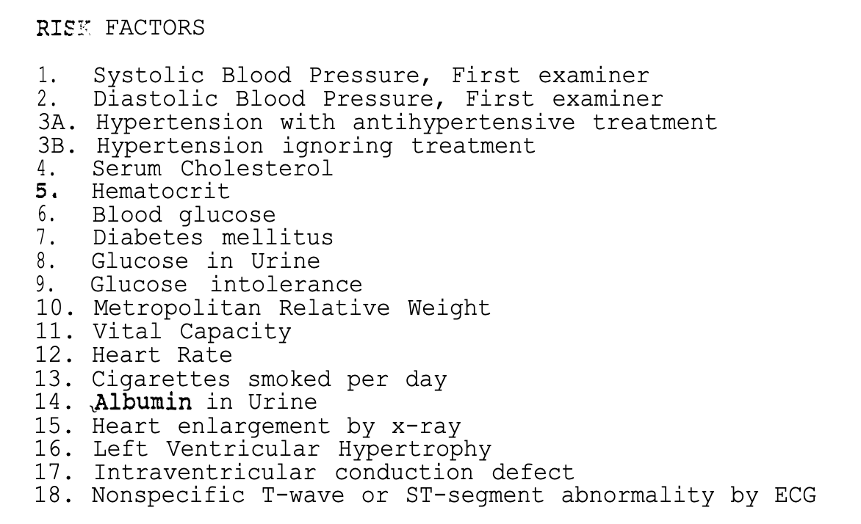
Feature # | Risk Feature Name | Description | Coding | Definitions | Units | Data Type | Data Classification | Role
1 | Systolic BP | mm Hg
2 | Diastolic BP | mm Hg
3 | Hypertension |  | normal; abnormal; borderline
4 | Cholesterol | Serum cholesterol (mg/100ml) |  |  | (mg/100ml)
5 | Hematocrit
6 | Blood Glucose
7 | Diabetes mellitus
8 | Glucose in urine
9 | Glucose Intolderance
10 | Metropolitan Relative Weight
11 | Vital Capacity
12 | Heart Rate
13 | Cigarettes smoked per day
14 | Albumin in urine
15 | Heart enlargement by X-Ray
16 | Left Ventricular Hypertrophy
17 | Intraventricular conduction defect
18 | Nonspecific T-wave or ST-segment abnormality by ECG
19
20
21
22
23
24
25
26
27
28
29
30
31

Framingham_EDA
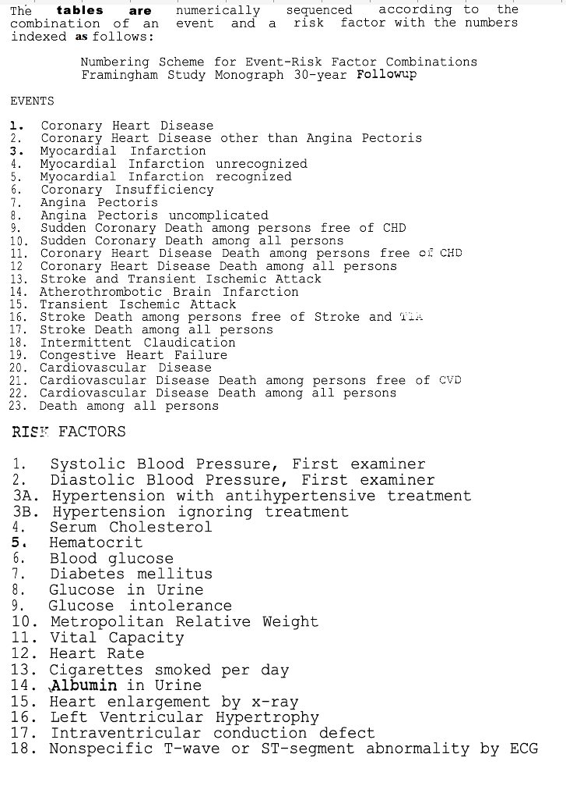
1 | sex | 0 | *number of missing values: df.isnull().sum() | Total rows | 4240 | df.info() | # | Column | Non-Null | Count | Dtype
2 | age | 0
3 | education | 105 |  |  |  |  | 0 | male | 4240 | non-null | int64 | df.describe()
4 | currentSmoker | 0 |  |  |  |  | 1 | age | 4240 | non-null | int64 | Age | RestingBP | Cholesterol | FastingBS | MaxHR | Oldpeak | HeartDisease
5 | cigsPerDay | 29 |  |  |  |  | 2 | education | 4135 | non-null | float64 | count | 918 | 918 | 918 | 918 | 918 | 918 | 918
6 | BPMeds | 53 |  |  |  |  | 3 | currentSmoker | 4240 | non-null | int64 | mean | 53.510893 | 132.396514 | 198.799564 | 0.233115 | 136.809368 | 0.887364 | 0.553377
7 | prevalentStroke | 0 |  |  |  |  | 4 | cigsPerDay | 4211 | non-null | float64 | std | 9.432617 | 18.514154 | 109.384145 | 0.423046 | 25.460334 | 1.06657 | 0.497414
8 | prevalentHyp | 0 |  |  |  |  | 5 | BPMeds | 4187 | non-null | float64 | min | 28 | 0 | 0 | 0 | 60 | -2.6 | 0
9 | diabetes | 0 |  |  |  |  | 6 | prevalentStroke | 4240 | non-null | int64 | 25% | 47 | 120 | 173.25 | 0 | 120 | 0 | 0
10 | totChol | 50 |  |  |  |  | 7 | prevalentHyp | 4240 | non-null | int64 | 50% | 54 | 130 | 223 | 0 | 138 | 0.6 | 1
11 | sysBP | 0 |  |  |  |  | 8 | diabetes | 4240 | non-null | int64 | 75% | 60 | 140 | 267 | 0 | 156 | 1.5 | 1
12 | diaBP | 0 |  |  |  |  | 9 | totChol | 4190 | non-null | float64 | max | 77 | 200 | 603 | 1 | 202 | 6.2 | 1
13 | BMI | 19 |  |  |  |  | 10 | sysBP | 4240 | non-null | float64
14 | heartRate | 1 |  |  |  |  | 11 | diaBP | 4240 | non-null | float64
15 | glucose | 388 |  |  |  |  | 12 | BMI | 4221 | non-null | float64
16 | TenYearCHD | 0 |  |  |  |  | 13 | heartRate | 4239 | non-null | float64
 |  |  |  |  |  |  | 14 | glucose | 3852 | non-null | float64
 |  |  |  |  |  |  | 15 | TenYearCHD | 4240 | non-null | int64
 |  |  |  |  |  | dtypes: | float64(9), | int64(7)
 |  |  |  |  |  | memory | usage: | 530.1 | KB

Framingham_correlation_matrix
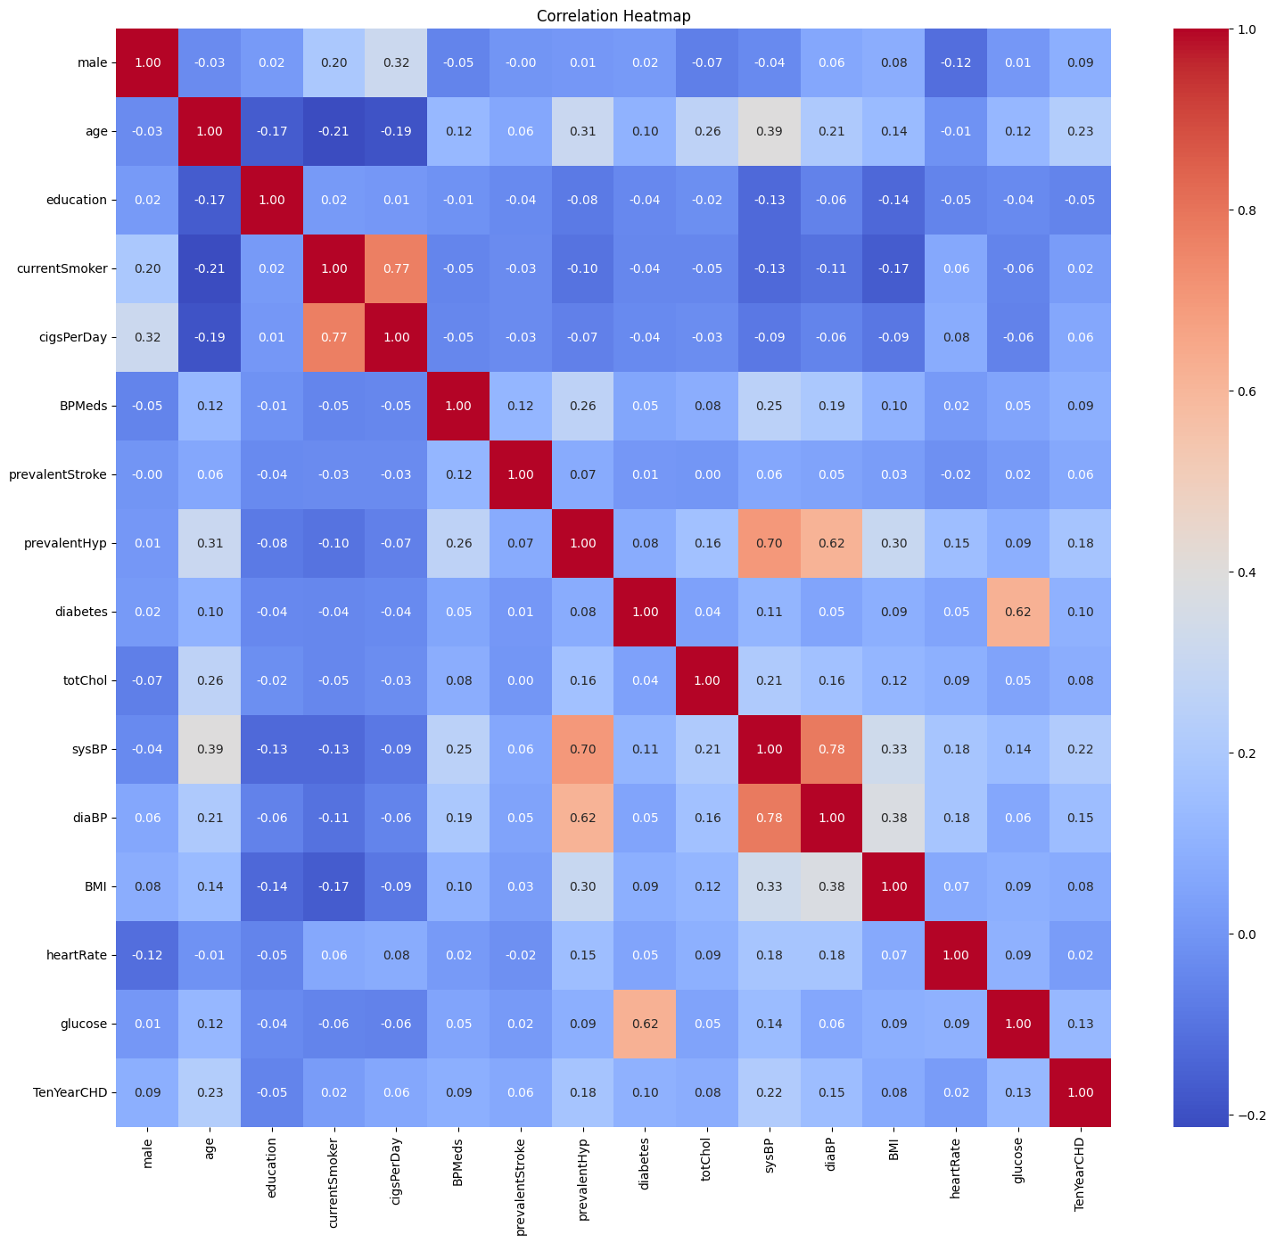
index | male | age | education | currentSmoker | cigsPerDay | BPMeds | prevalentStroke | prevalentHyp | diabetes | totChol | sysBP | diaBP | BMI | heartRate | glucose | TenYearCHD | Feature | Correlation Score | ## Key Insights from the Correlation Matrix
TenYearCHD | 0.088373572411 | 0.22540774459 | -0.054248466596 | 0.019448498478 | 0.057755206928 | 0.087519450239 | 0.061822628182 | 0.17745756075 | 0.09734423557 | 0.082368543866 | 0.21637382893 | 0.14511159261 | 0.075300322443 | 0.022906607606 | 0.12559035522 | 1 | age | 0.22540774459
age | -0.029013582394 | 1 | -0.16635593811 | -0.21366166109 | -0.19295890311 | 0.12305165641 | 0.05767861252 | 0.30679946701 | 0.10131407693 | 0.26255413113 | 0.39405331639 | 0.20558552098 | 0.13609574958 | -0.012843296891 | 0.12235615228 | 0.22540774459 | sysBP | 0.21637382893 | 1. **Age vs. HeartDisease (`0.2254`)**
sysBP | -0.035879033058 | 0.39405331639 | -0.12949552841 | -0.13028148697 | -0.088797274339 | 0.25419441989 | 0.056999937207 | 0.69665588253 | 0.11126454344 | 0.20873383166 | 1 | 0.7839519586 | 0.32690552641 | 0.18215508199 | 0.1405728214 | 0.21637382893 | prevalentHyp | 0.17745756075 | - Highest positive correlation with heart disease.
prevalentHyp | 0.0058528362068 | 0.30679946701 | -0.081726490252 | -0.10371029734 | -0.066644617789 | 0.26106682744 | 0.074791127531 | 1 | 0.077752047473 | 0.16363225698 | 0.69665588253 | 0.61584019961 | 0.30134395838 | 0.14681520952 | 0.086656349399 | 0.17745756075 | diaBP | 0.14511159261 | - Suggests higher age is somewhat linked to a higher risk of heart disease.
diaBP | 0.058199420602 | 0.20558552098 | -0.061918952489 | -0.10793318711 | -0.056714906029 | 0.19412191853 | 0.045153466443 | 0.61584019961 | 0.050260378045 | 0.16469752351 | 0.7839519586 | 1 | 0.37735962432 | 0.18102099069 | 0.061075357152 | 0.14511159261 | glucose | 0.12559035522
glucose | 0.005978518632 | 0.12235615228 | -0.035842594881 | -0.05672582206 | -0.058885734785 | 0.051197139163 | 0.018440441728 | 0.086656349399 | 0.61762993986 | 0.046538421841 | 0.1405728214 | 0.061075357152 | 0.087389125545 | 0.094546480894 | 1 | 0.12559035522 | diabetes | 0.09734423557 | 2. **Education vs. HeartDisease (`-0.0542`)**
diabetes | 0.015693074997 | 0.10131407693 | -0.038749261689 | -0.044285298048 | -0.037089262793 | 0.052059561354 | 0.0069550938172 | 0.077752047473 | 1 | 0.04034800031 | 0.11126454344 | 0.050260378045 | 0.087068221225 | 0.04898605222 | 0.61762993986 | 0.09734423557 | male | 0.088373572411 | - Strongest negative correlation with heart disease.
male | 1 | -0.029013582394 | 0.017414544007 | 0.19702561898 | 0.31714337822 | -0.052504349031 | -0.0045503994585 | 0.0058528362068 | 0.015693074997 | -0.070412816541 | -0.035879033058 | 0.058199420602 | 0.081871347922 | -0.11693159422 | 0.005978518632 | 0.088373572411 | BPMeds | 0.087519450239 | - Indicates more education is slightly associated with a decreased chance of heart disease.
BPMeds | -0.052504349031 | 0.12305165641 | -0.010897890209 | -0.048927169921 | -0.046155188377 | 1 | 0.11737004176 | 0.26106682744 | 0.052059561354 | 0.080623063803 | 0.25419441989 | 0.19412191853 | 0.10070234049 | 0.015230101811 | 0.051197139163 | 0.087519450239 | totChol | 0.082368543866
totChol | -0.070412816541 | 0.26255413113 | -0.023613269191 | -0.046487551494 | -0.0264785756 | 0.080623063803 | 0.00010508892359 | 0.16363225698 | 0.04034800031 | 1 | 0.20873383166 | 0.16469752351 | 0.11599242571 | 0.091126756075 | 0.046538421841 | 0.082368543866 | BMI | 0.075300322443 | 3. **Systolic BP vs. HeartDisease (`0.2163`)**
BMI | 0.081871347922 | 0.13609574958 | -0.13774716881 | -0.16785725335 | -0.093293299179 | 0.10070234049 | 0.025908796659 | 0.30134395838 | 0.087068221225 | 0.11599242571 | 0.32690552641 | 0.37735962432 | 1 | 0.067451064334 | 0.087389125545 | 0.075300322443 | prevalentStroke | 0.061822628182 | - Slight positive correlation.
prevalentStroke | -0.0045503994585 | 0.05767861252 | -0.035141697208 | -0.032980385777 | -0.03271130233 | 0.11737004176 | 1 | 0.074791127531 | 0.0069550938172 | 0.00010508892359 | 0.056999937207 | 0.045153466443 | 0.025908796659 | -0.017673599562 | 0.018440441728 | 0.061822628182 | cigsPerDay | 0.057755206928 | - Suggests higher Systolic BP is somewhat linked to a higher risk of heart disease.
cigsPerDay | 0.31714337822 | -0.19295890311 | 0.0083231978945 | 0.769773612 | 1 | -0.046155188377 | -0.03271130233 | -0.066644617789 | -0.037089262793 | -0.0264785756 | -0.088797274339 | -0.056714906029 | -0.093293299179 | 0.0755644121 | -0.058885734785 | 0.057755206928 | heartRate | 0.022906607606
heartRate | -0.11693159422 | -0.012843296891 | -0.054182469688 | 0.062685786949 | 0.0755644121 | 0.015230101811 | -0.017673599562 | 0.14681520952 | 0.04898605222 | 0.091126756075 | 0.18215508199 | 0.18102099069 | 0.067451064334 | 1 | 0.094546480894 | 0.022906607606 | currentSmoker | 0.019448498478 | 4. **Prevalent Hypertension vs. HeartDisease (`0.1775`)**
currentSmoker | 0.19702561898 | -0.21366166109 | 0.018528049107 | 1 | 0.769773612 | -0.048927169921 | -0.032980385777 | -0.10371029734 | -0.044285298048 | -0.046487551494 | -0.13028148697 | -0.10793318711 | -0.16785725335 | 0.062685786949 | -0.05672582206 | 0.019448498478 | education | -0.054248466596 | - Weak positive correlation.
education | 0.017414544007 | -0.16635593811 | 1 | 0.018528049107 | 0.0083231978945 | -0.010897890209 | -0.035141697208 | -0.081726490252 | -0.038749261689 | -0.023613269191 | -0.12949552841 | -0.061918952489 | -0.13774716881 | -0.054182469688 | -0.035842594881 | -0.054248466596 |  |  | - Diagnosis of High Blood Pressure may be associated with increased heart disease risk.

 |  |  |  |  |  |  |  |  |  |  |  |  |  |  |  |  |  |  | 5. **Diastolic BP vs. HeartDisease (`0.1451`)**
 |  |  |  |  |  |  |  |  |  |  |  |  |  |  |  |  |  |  | - Weak positive correlation.
 |  |  |  |  |  |  |  |  |  |  |  |  |  |  |  |  |  |  | - Suggests higher Diastolic BP is somewhat linked to a higher risk of heart disease.

 |  |  |  |  |  |  |  |  |  |  |  |  |  |  |  |  |  |  | 6. **Glucose vs. HeartDisease (`0.1256`)**
 |  |  |  |  |  |  |  |  |  |  |  |  |  |  |  |  |  |  | - Weak positive correlation.

 |  |  |  |  |  |  |  |  |  |  |  |  |  |  |  |  |  |  | 7. **Diabetes vs. HeartDisease (`0.0973`)**
 |  |  |  |  |  |  |  |  |  |  |  |  |  |  |  |  |  |  | - Weak positive correlation.

 |  |  |  |  |  |  |  |  |  |  |  |  |  |  |  |  |  |  | 8. **Sex vs. HeartDisease (`0.0884`)**
 |  |  |  |  |  |  |  |  |  |  |  |  |  |  |  |  |  |  | - Weak positive correlation.
 |  |  |  |  |  |  |  |  |  |  |  |  |  |  |  |  |  |  | - Suggests men are at slightly higher risk of heart disease.

 |  |  |  |  |  |  |  |  |  |  |  |  |  |  |  |  |  |  | 9. **Blood Pressure Medication vs. HeartDisease (`0.0875`)**
 |  |  |  |  |  |  |  |  |  |  |  |  |  |  |  |  |  |  | - Weak positive correlation.
 |  |  |  |  |  |  |  |  |  |  |  |  |  |  |  |  |  |  | - Suggests men are at slightly higher risk of heart disease.

Random Forest
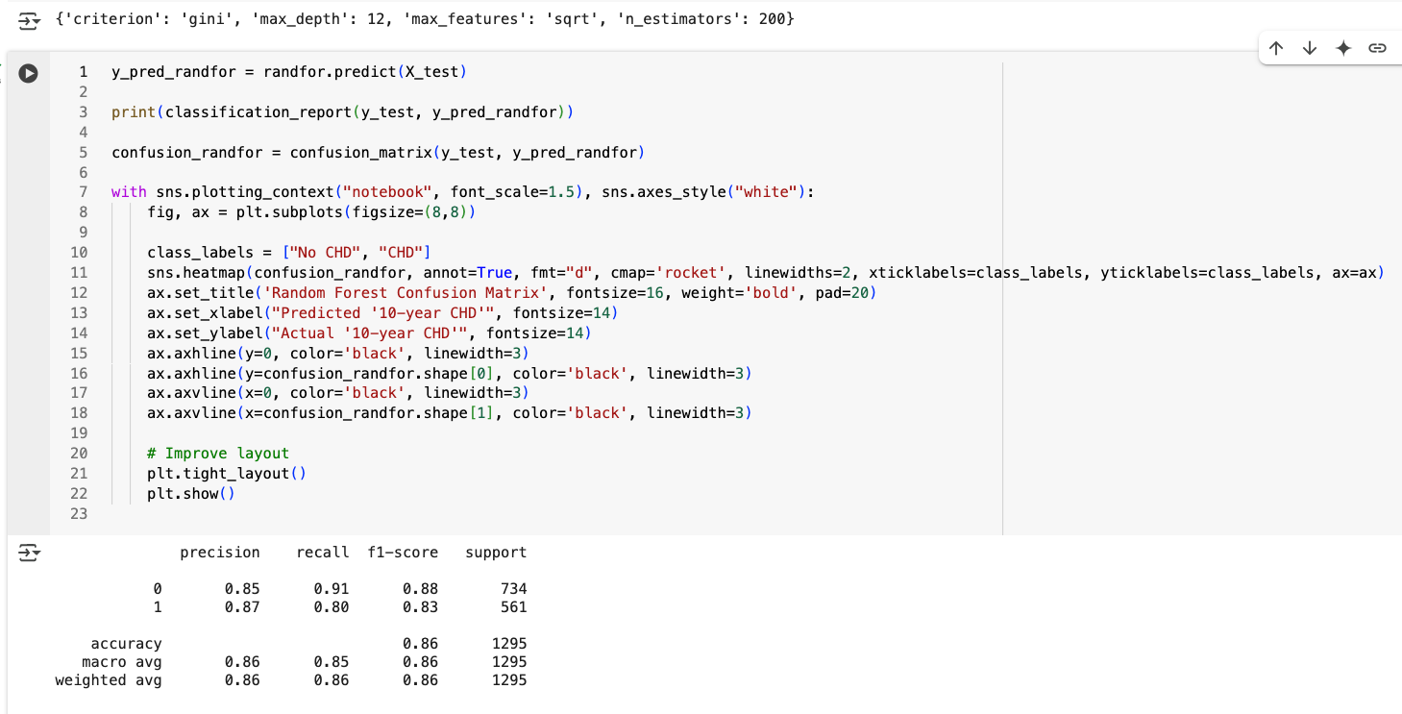
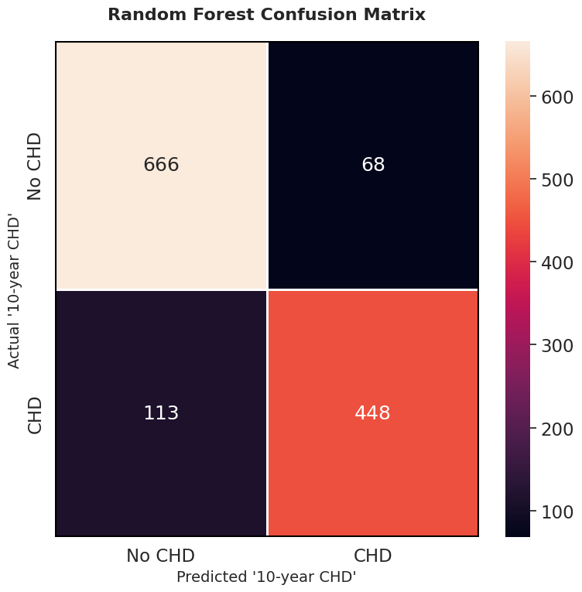

pair plot
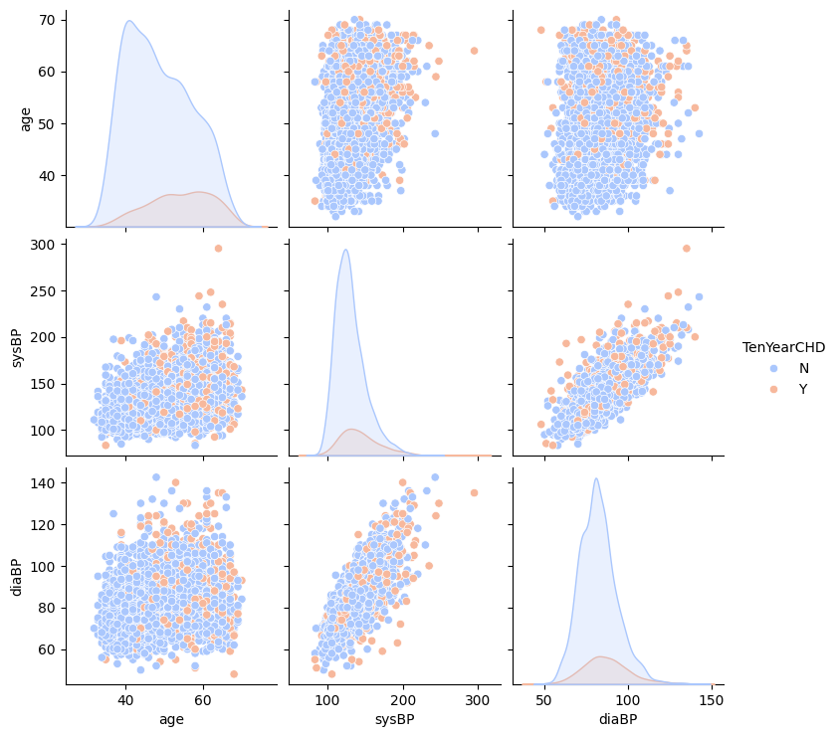

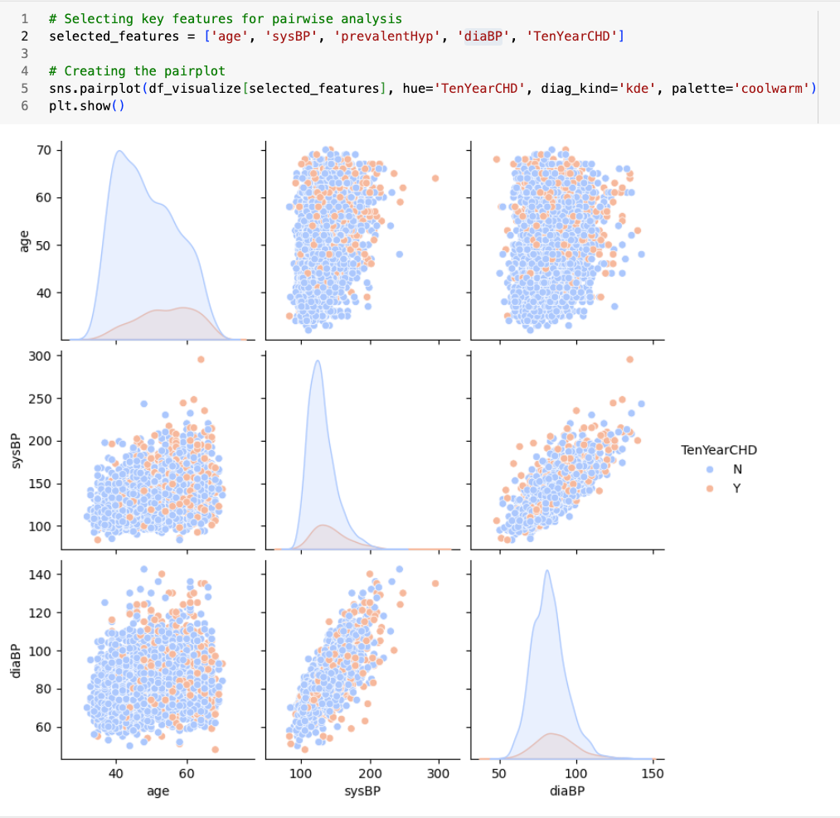

Logistic Regression
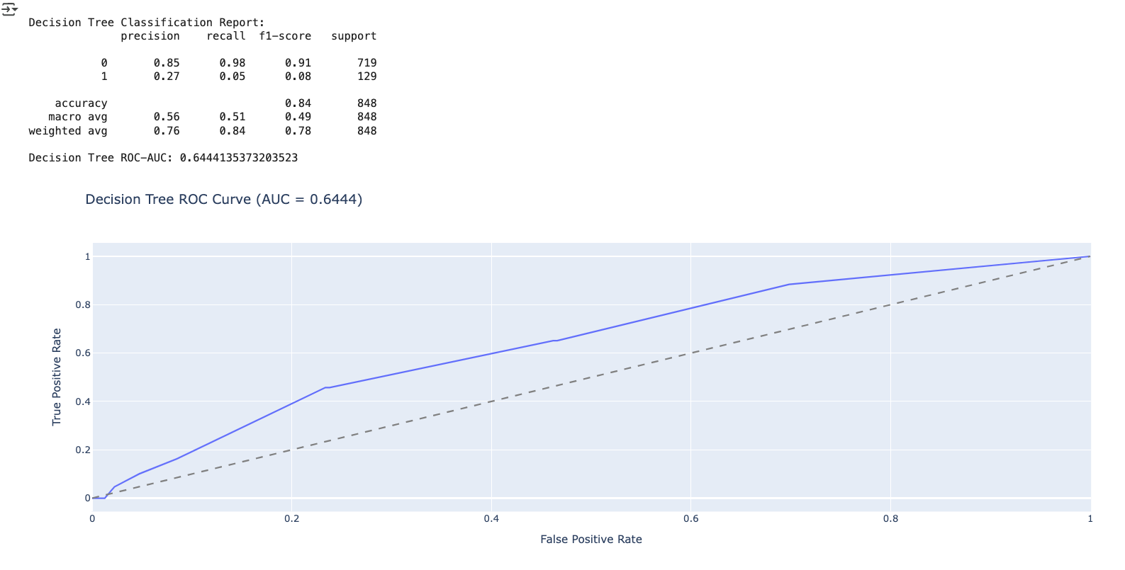
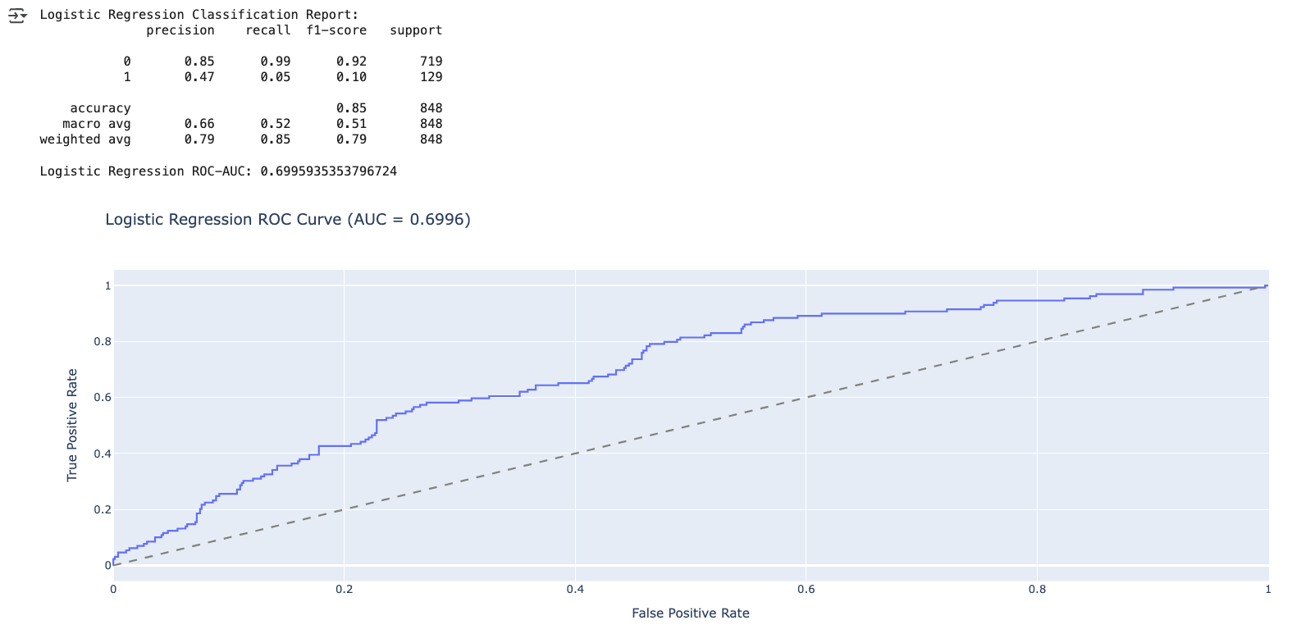
Logistic Regression ROC-AUC: 0.6995935353796724

Median_Mode-Null
