Final Test Cases
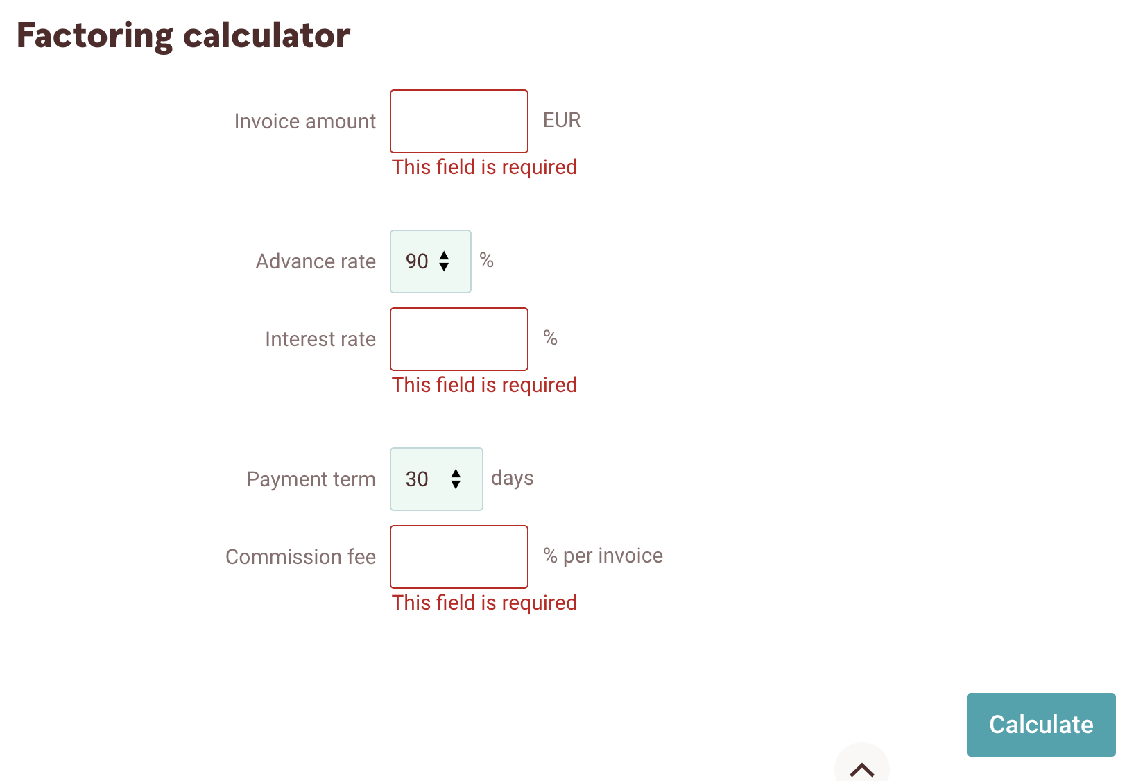
No. | Test Case Description | Expected Results | Actual Results | Comments | Out of Scope
1 | Top Panel Validations
1 | Landing Page: Validate the user lands on the factoring page, upon visiting the URL. | Ensure the text "Factoring calculator" is present on the page. |  | Always scroll through the page
2 | Login Page:
2.1 | Swedbank logo: Validate the user can click on the swedbank logo and the user is taken to the homepage. 1. User always uses the factoring URL 2. The user navigates to the logo page | Ensure the user is successfully taken to the login page. User should be able to log in successfully with different log in methods such as SmartID, ID-Card, Mobile-ID, PIN-Calculator, Biometrics
2.2 | Validate the user is navigated to the login page upon clicking on the "Apply" button | Ensure the user is successfully taken to the login page. User should be able to log in successfully with different log in methods such as SmartID, ID-Card, Mobile-ID, PIN-Calculator, Biometrics
2.3 | Validate the user is navigated to the login page upon clicking on the "Log In". | Ensure the user is successfully taken to the login page. User should be able to log in successfully with different log in methods such as SmartID, ID-Card, Mobile-ID, PIN-Calculator, Biometrics
4 | Language Dropdown: Click on the language drop down and see if you can choose, English, Russian and Lithuanian | Validate the the web page changes languages as the user chooses different languages. |  |  | Not validating the language scripts - it requires the translation table validation in the db
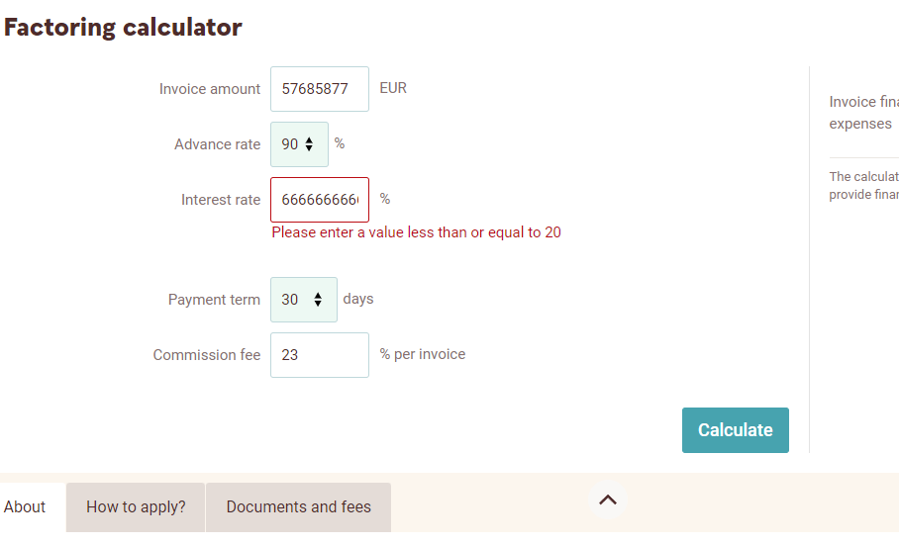
5 | Become a Customer: Validate the user can click on "Become a customer". User is taken to the account opening page. | Ensure the two buttons ("become a bank customer" and "Open an additional account") are enabled.
6 | Businness Tabs: Home Button | Ensure the user is successfully taken to the login page. User should be able to log in successfully with different log in methods such as SmartID, ID-Card, Mobile-ID, PIN-Calculator, Biometrics
6.1 | Everyday Accounting | Ensure the user can click on the link and they are navigated to the different tabs accordingly. |  |  | Hardcoded to the fisrt link so business requirement is not deviated.
6.2 | Cards
6.3 | Payment collection
6.4 | Financing, Insurance
6.5 | Savings, Investments
6.6 | Traderoom
6.7 | Group account
6.8 | For your business
6.9 | Search Bar | Validate the user can type out "Calculator" and the first option is factoring and the user can click on Factoring. Validate the user is taken to the factoring calculator.
7 | Factoring Form Calculator
7.1 | Section Validations: Validate the following fields are present 1. invoice amount 2. Advance rate 3. Interest rate 4. Payment term 5. Commission Fee Calculate button | Validate the default values are as follows: Invoice amount: 10000 Advance rate: 90 Interest rate: 3 Payment term: 30 Commission fee: 0.3 Validate the "Calculate" button is enabled at all times. |  |  |  | 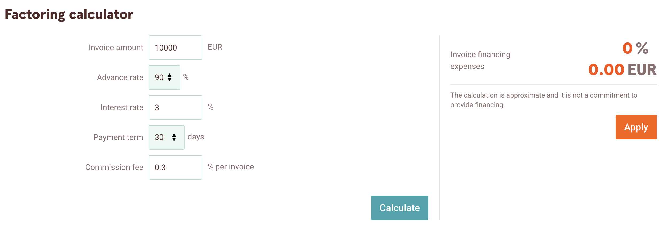
7.2 | Calculations column: Invoice financing expenses | Validate the default values for the following are as follows: 1. invoice financing: 0 2. expenses: 0.00 |  |  | Validation of the calculation is not done here (This requires business calculation formula)
 | Field Validations:
7.3 | Invoice amount | Validate the input Negative scenario: The input value is number/alpha-numeric (There should be a error message = "Please enter a valid number") The input value is null (There should be an error message = "This filed is required) (Mandatory field validation) The input value is zero (There should be an error message = 'Please enter a value greater than or equal to 1")
7.4 | Advance rate | Validate the user can choose the different options from the drop down 75 80 85 90
7.5 | Interest rate | Validate the input Negative scenario: The input value is number/alpha-numeric (There should be a error message = "Please enter a valid number") The input value is null (There should be an error message = "This filed is required) (Mandatory field validation) When the input value is more than 20 Validate the error message ("Please enter a value less than or equal to 20")
7.6 | Payment term | Validate the user can choose the different options from the drop down 30 60 90 120
7.7 | Commission fees | Validate the input Negative scenario: The input value is number/alpha-numeric (There should be a error message = "Please enter a valid number") The input value is null (There should be an error message = "This filed is required) (Mandatory field validation)
7.8 | Apply button | Validate the "Apply" button is enabled at all times and it navigates the user to the login page
8 | Factoring Page Tabs
8.1 | Navigation to the different tabs: Validate the user is able to navigate to the following tabs 1. How to apply? 2. About 3. Documents and fees | Ensure the user can scroll through the page upon clicking on the different tabs. Under "Documents and Fees", validate the user can download the files. | Bug: while downloading the list of invoices. If perefered language is English then the document title should be in English and not it different language. Same applies to "Claim and assignment document" |  | File location validation is not done

