Sheet1
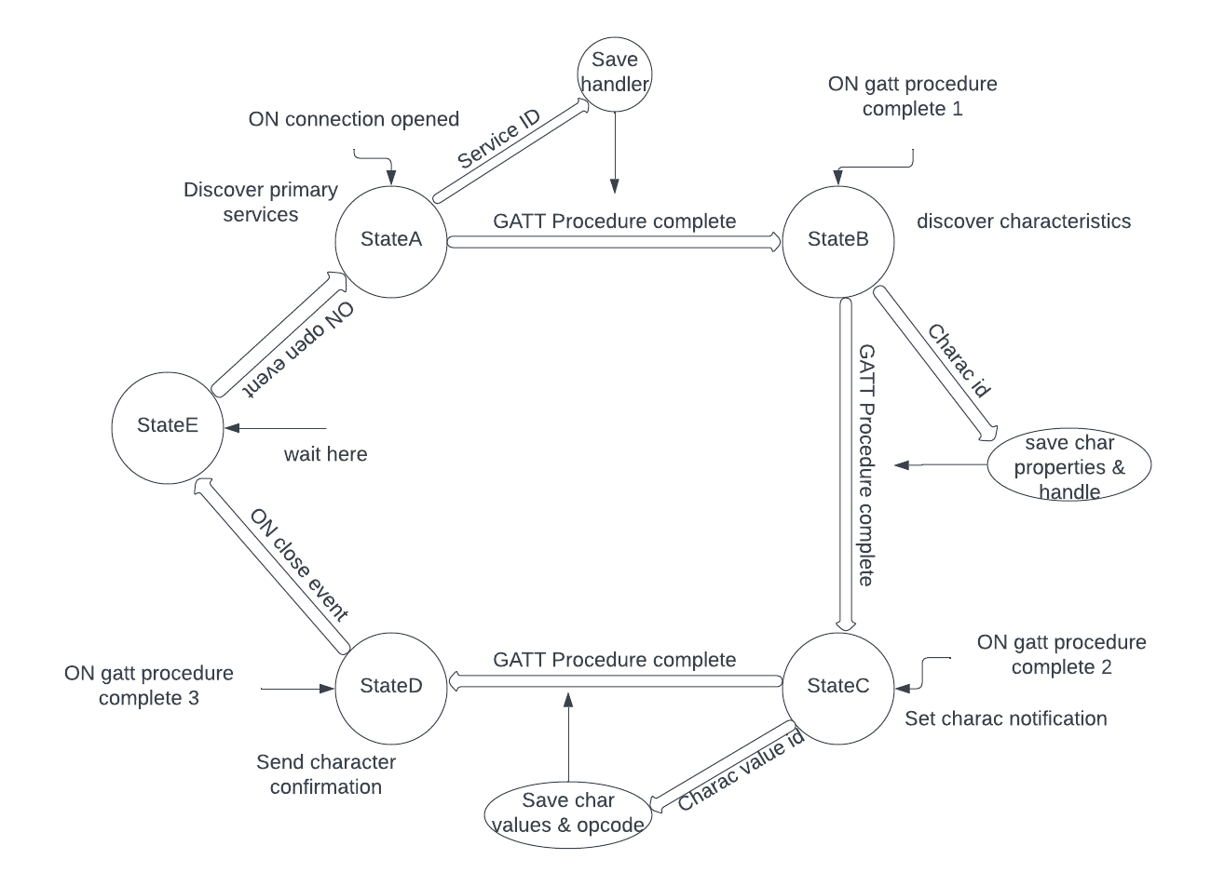
 | Client Command Table for A7

 | Use this table to help you design your program. Add rows as needed. | Use this column to describe when and what your LCD display changes to for rows like DISPLAY_ROW_CONNECTION | Use this column to denote if BT stack events cause your state machine to advance, you can put an X in the cell to note this. Drawing a bubble diagram of your state machine might also be a good idea 👍. | Commands that may be useful: sl_bt_gatt_discover_primary_services_by_uuid() sl_bt_gatt_discover_characteristics_by_uuid()
 | Event | LCD Display State | Advances State Machine | Commands called in response to event | Notes
Events Common to Slaves/Clients
 | sl_bt_evt_system_boot_id |  |  | This event is generated on stack boot up
 |  |  |  | sl_bt_scanner_set_mode() | Set phy to 1M and mode to passive scanning
 |  |  |  | sl_bt_scanner_set_timing() | Set phy to 1M, scan interval to 50ms and scan window to 25ms
 |  |  |  | sl_bt_connection_set_default_parameters() | See the assignment document for these values
 |  |  |  | sl_bt_scanner_start() | You should start and stop scanning just like you did with advertising for a Server.
 |  |  |  | displayInit() | Initializes the LCD screen

 | sl_bt_evt_connection_opened_id
 |  |  | X | sl_bt_gatt_discover_primary_services_by_uuid() | Initiates search for primary services in GATT database with specific UUID(save connection handle)

 | sl_bt_evt_connection_closed_id
 |  |  | X | sl_bt_scanner_start() | Initiates scanning for advertising devices with chosen discovery mode

 | sl_bt_evt_system_soft_timer_id |  |  | This event indicates that a soft timer has expired.
 |  |  |  | displayUpdate()

Events only for Masters/Clients
 | sl_bt_evt_scanner_scan_report_id |  |  |  | Received for advertising or scan response packets generated by: sl_bt_scanner_start(). Is the bd_addr, packet_type and address_type what we expect for our Server? If yes: sl_bt_scanner_stop() sl_bt_connection_open()
 |  |  |  | sl_bt_scanner_stop() | Stops the scanning process
 |  |  |  | sl_bt_connection_open() | Initiates connection to a BLE device establishing a BLE link for communication

 | sl_bt_evt_gatt_procedure_completed_id |  |  | We get this event when it’s ok to call the next GATT command. It’s a good idea to check for returned error codes. This would be a great event to use to sequence your new state machine. | Do not build your state machine into your handle_ble_event() function! Instead build a new state machine for A7.
 |  |  | X | sl_bt_gatt_discover_characteristics_by_uuid() | Initiates a search for GATT characteristics with the specific UUID within the GATT database
 |  |  | X | sl_bt_gatt_set_characteristics_notfication() | Enables/disables notifications for a apecific GATT characteristic

 | sl_bt_evt_gatt_service_id |  | Save service Handle |  | A GATT service in the remote GATT database was discovered

 | sl_bt_evt_gatt_characteristic_id |  | Save characteristic Handle and properties |  | A GATT characteristic in the remote GATT database was discovered

 | sl_bt_evt_gatt_characteristic_value_id |  | Save opcode and characteristic values |  | If an indication or notification has been enabled for a characteristic, this event is triggered whenever an indication or notification is received from the remote GATT server. Is the characteristic handle and att_opcode we expect? If yes: sl_bt_gatt_send_characteristic_confirmation()
 |  |  |  | sl_bt_gatt_send_characteristic_confirmation() | Send confirmation in response to an indication from a characteristic

Bubble diagram for A7

